PART CD
Danby Model: |  | DFF121C1WDBL / SYFF121C1WL
Factory Model: |  | MRF-360W
Effective Date: |  | 10-Jul-19
Revision: |  | '00
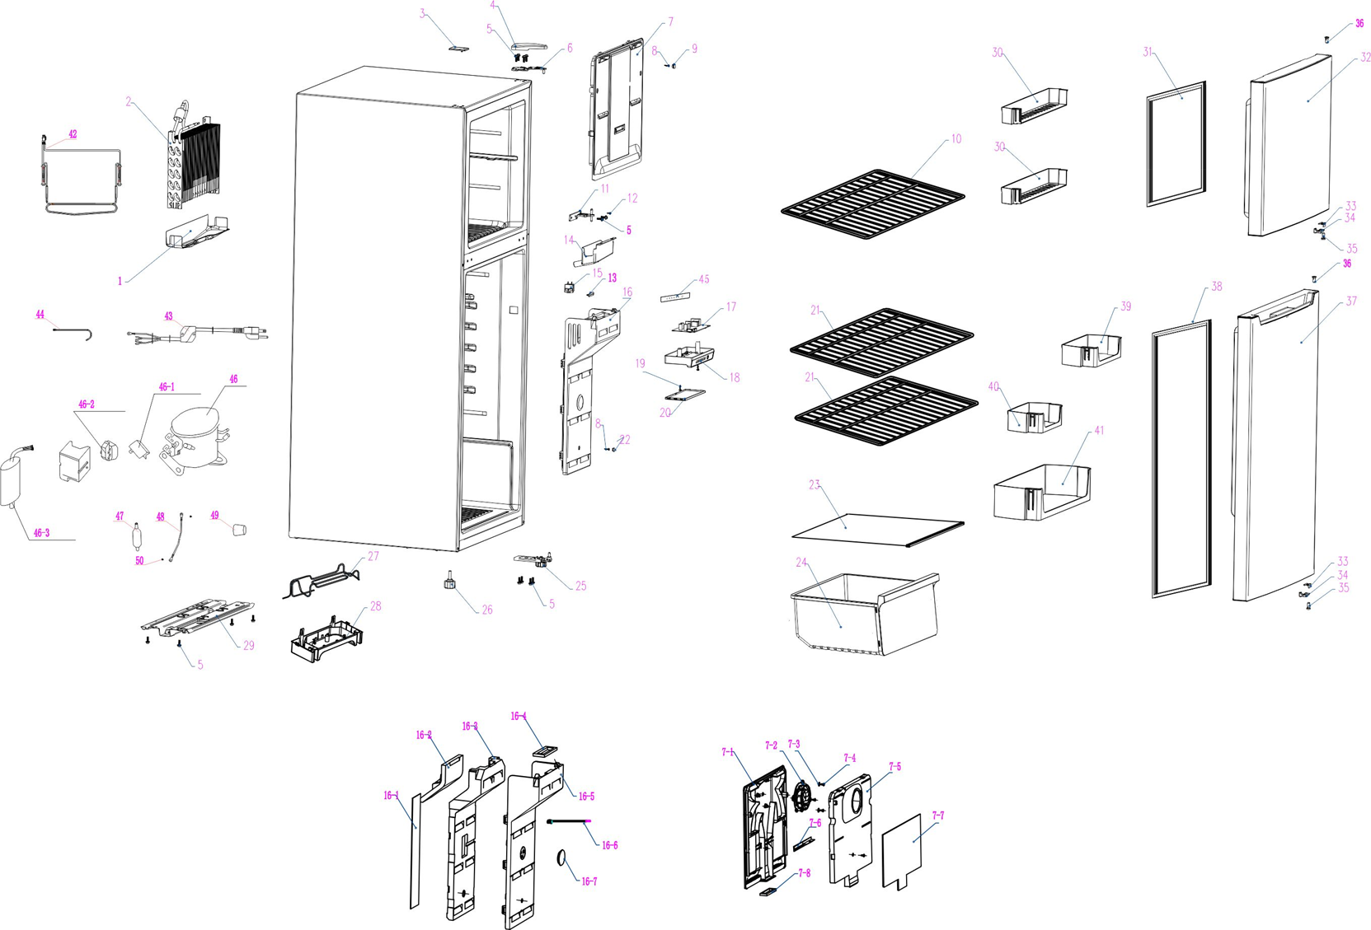
NO | PART NUMBER | PART DESCRIPTION (ENG) | QTY | PARTS SPECIFICATION | Notes
1 | 890209772 | EVAPOTATOR WATER TRAY | 1 | Alum
2 | 890210933 | EVAPOTATOR | 1 | ASSY，SILVER | Special Order
3 | 890030774 | HOLE COVER | 1 | ABS
4 | 890219575 | UPPER HINGE COVER | 1 | ABS
5 | 800001112 | BOLT | 14 | 35# | Special Order
6 | 890210729 | UPPER HINGE | 1 | B-2.5/Q235-A.F
7 | 890250057 | FREEZER AIR ROAD | 1 | ASSY，WHIITE | Special Order
8 | 890052466 | SCREW | 3 | SELF TAPPING SCREW | Special Order
9 | 890067413 | COVER | 2 | LDPE
10 | 890242777 | FREEZER SHELF | 1 | ASSY，WHIITE
11 | 890081187 | MIDDLE HINGE | 1 | B-4/Q235-A.F
12 | 800001107 | SCREW | 2 | 15# | Special Order
13 | 890172188 | HOLE COVER | 1 | HDPE | Special Order
14 | 890167444 | DRAIN FILLER | 1 | PP | Special Order
15 | 890209450 | LAMP SWITCH | 1 | KAN3-1 or HC-050k.4,ASSY, WHITE
16 | 890250059 | FRIDGE AIR ROAD | 1 | ASSY，WHIITE | Special Order
17 | 890219658 | PC BOARD | 1 | ASSY
18 | 890211614 | THERMOSTAT BOX | 1 | HIPS | Special Order
19 | 890052466 | SCREW | 2 | SELF TAPPING SCREW | Special Order
20 | 890211616 | LAMP COVER | 1 | GPPS
21 | 890242804 | FRIDGE SHELF | 2 | ASSY，WHIITE
22 | 890042879 | HOLE COVER | 1 | ABS
23 | 890224155 | CRISPER COVER | 1 | ASSY，GLASS
24 | 890250062 | CRISPER | 1 | ASSY，WHIITE
25 | 890245758 | LOWER HINGE | 1 | ASSY，SILVER
26 | 800002372 | ADJUSTABLE FOOT | 1 | ASSY，WHIITE
27 | 890198698 | CONNECT PIPER A | 1 | STEEL | Special Order
28 | 890178826 | DRAIN TRAY | 1 | PP
29 | 890176028 | COMPRESSOR PLATE | 1 | STEEL | Special Order
30 | 890218120 | REFRIGERATOR DOOR UPPER RACK | 2 | GPPS
31 | 890211069 | FREEZER DOOR GASKET | 1 | ASSY，WHIITE
32 | 890211072 | FREEZER FOAMING DOOR | 1 | ASSY，WHIITE
33 | 890092772 | DOOR STOPPER A | 2 | B-2.5/Q235-A.F
34 | 890092760 | DOOR STOPPER B | 2 | POM
35 | 890092752 | BUSH A | 2 | POM
36 | 890092997 | BUSH B | 2 | POM
37 | 890232126 | REFRIGERATOR FOAMING DOOR | 1 | ASSY，WHIITE
38 | 890211065 | REFRIGERATOR DOOR GASKET | 1 | ASSY，WHIITE
39 | 890218635 | MIDDLE BOTTLE RACK A | 1 | GPPS
40 | 890186340 | MIDDLE BOTTLE RACK B | 1 | GPPS
41 | 890218637 | BOTTOM BOTTLE RACK | 1 | GPPS
42 | 890216172 | DEFROST HEATER | 1 | RGQ09 or RQFS or JGQ or RSS7H3
43 | 890106318 | POWER CORD | 1 | DTII-3P-15, DTII-3P-11, BLACK
44 | 890129772 | CONNECT PIPER B | 1 | T2M | Special Order
45 | 890249674 | CONTROL PANEL LABEL | 1 | PP
46 | 890223155 | COMPRESSOR | 1 | EZ59E1A_u_SF | Special Order
46-1 | 890223155-S | STARTER | 1 | QP2-4R7
46-2 | 890223155-P | OVERLOAD PROTECTOR | 1 | DRB28R61A1
46-3 | 890223155-RC | RUN CAPACITOR | 1 | 8μF
47 | 890053805 | FILTER | 1 | ASSY
48 | 890026425 | GROUND WIRE | 1 | ASSY | Special Order
49 | 800003827 | SHOCK ABSORBER BLOCK | 1 | RUBBER | Special Order
50 | 800001124 | SCREW | 2 | COPPER | Special Order
51 | 890228063 | DAIRY DOOR | 1 | ASSY,WHITE
16-1 | 890217782 | VISCOSE SPONGE | 1 | ASSY | Special Order
16-2 | 890217456 | AIR ROAD BASE -EPS | 1 | EPS | Special Order
16-3 | 890217451 | AIR ROAD -EPS | 1 | EPS | Special Order
16-4 | 890196809 | SEALING BLOCK | 1 | GPPS | Special Order
16-5 | 890218993 | AIR ROAD COVER -PS | 1 | PS | Special Order
16-6 | 890216170 | TEMPERATURE SENSOR | 1
16-7 | 890234774 | HOLE COVER | 1 | PS | Special Order
7-1 | 890249665 | AIR ROAD BASE -PS | 1 | ASSY,WHITE | Special Order
7-2 | 890155723 | MOTOR FAN | 4 | 10030GE-12L-YT, SELF TAPPING SCREW
7-3 | 890147281 | FIXING GASKET | 1 | PP | Special Order
7-4 | 890040438 | SCREW | 1 | HIPS | Special Order
7-5 | 890219343 | AIR ROAD -EPS | 1 | PE SPONGE | Special Order
7-6 | 890218639 | AIR ALOW CONTROL BAR | 1 | PS
7-7 | 890218080 | VISCOSE SPONGE | 3 | ASSY | Special Order
7-8 | 890218404 | SEALING BLOCK | 1 | GPPS | Special Order

