PART CD
Danby Model: SRVBC050L and SRVBC050R
Factory Model:
Effective Date: 10/19/2017
Revision:

Figure 1, Interior |  |  |  |  | Figure 1, Interior
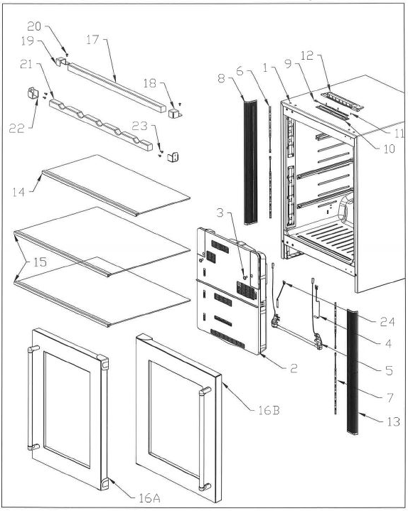
NO | PART NUMBER | PART DESCRIPTION (ENG) | QTY | Notes
1 | (reference only) | Foamed Cabinet Assembly |  | cannot order
2 | ARBFCA800011 | Cover EVA Assy PR5181WR |  | Special Order
3 | ARAJTM305030 | Truss 4 TS 12 (Pointed-Black) |  | Special Order
4 | ARAGSD100140 | Sensor Defrost
5 | 833S530510000 | Holder&Heater Defrost Serv Kit
6 | ARBHLD200010 | LED Assy 200
7 | ARBHLD100020 | LED Assy 300
8 | ARAHCFC00021 | Cover LED L
9 | ARBRYLB00050 | LED Assy
10 | ARAHCFB00011 | Cover LED
11 | ARAJTM305030 | Truss 4 TS 12 (Pointed-Black) |  | Special Order
12 | ARBCTB700010 | Trim T Assy |  | Special Order
13 | ARAHCFD00021 | Cover LED R
14 | ARBHTB300281 | Tray PCT Assy
15 | ARBHTB200191 | Tray PC Assy
16A | ARBDDMQ00010 | Door Assy (CMPT)R
16B | ARBDDMS00010 | Door Assy (CMPT)L
17 | ARAHWD300010 | Wood Bar F
18 | ARAHHBN00010 | Holder Wood Bar R
19 | ARAHHBM00010 | Holder Wood Bar L
20 | ARAJTM305030 | Truss 4 TS 12 (Pointed-Black) |  | Special Order
21 | ARAHWD300021 | Wood Bar B
22 | ARAHHBP00010 | Holder Wood Wine
23 | ARAJTM305030 | Truss 4 TS 12 (Pointed-Black) |  | Special Order
24 | ARBGTA300062 | Temp Fuse Assy PR5181WR

Figure 2, Door |  |  |  |  | Figure 2, Door
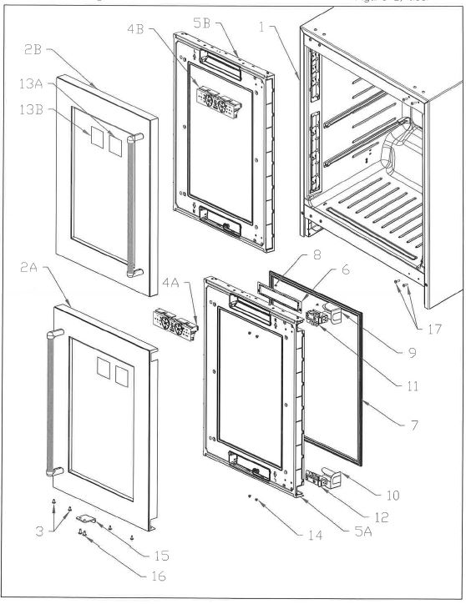
NO | PART NUMBER | PART DESCRIPTION (ENG) | QTY | Notes
1 | (reference only) | Foamed Cabinet Assembly |  | cannot order
2A | ARBDSB600010 | Stainless Wrap R Assy |  | Special Order
2B | ARBDSB700010 | Stainless Wrap L Assy |  | Special Order
3 | SM2PN50060UL- | Screw M5X6 Phillips Pan Head |  | Special Order
4A | ARBGHE600011 | Holder PCB R Assy
4B | ARBGHE500011 | Holder PCB L Assy
5A | ARBDDMR00011 | Door Assy (Foam) R |  | Special Order
5B | ARBDDMT00011 | Door Assy (Foam) L |  | Special Order
6 | ARADCCB00040 | Cover PCB Control
7 | ARADGCD00030 | Gasket Door
8 | ARAJFE500010 | Flate H.4 TS8 |  | Special Order
9 | ARAECA105291 | Cover Hinge T(RHinge All Model
 | ARAECA500021 | Cover Hinge B(LHinge All Model
10 | ARAECA500021 | Cover Hinge B(RHinge All Model
 | ARAECA105291 | Cover Hinge T(LHinge All Model
11 | 8332313121600A | LatchHingeK08 (Right hinge)
 | 8332313121700A | LatchHingeK08 (Left hinge)
12 | 8332313121700A | LatchHingeK08 (Right hinge)
 | 8332313121600A | LatchHingeK08 (Left hinge)
13A | 8336460621500 | EnergyGuideLabel PR5181SRR-US |  | Special Order
13B | 8336460625000 | EnergyGuideLabel PR5181SRR-CAN |  | Special Order
14 | SM2PN50060UL- | Screw M5X6 Phillips Pan Head |  | Special Order
15 | ARAHPF100050 | Push Plate SW
16 | ARAJTM305030 | Truss 4 TS 12 (Pointed-Black) |  | Special Order
17 | ARAJTMB05030 | Truss 4 TS 10 (Pointed-White) |  | Special Order

Figure 3, Bottom |  |  |  |  | Figure 3. Bottom
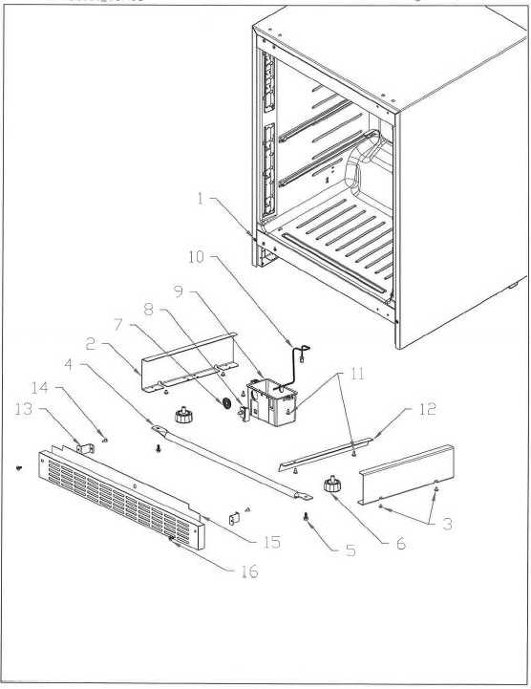
NO | PART NUMBER | PART DESCRIPTION (ENG) | QTY | Notes
1 | (reference only) | Foamed Cabinet Assembly |  | cannot order
2 | ARACPBH00020 | Piece Reinforce Side |  | Special Order
3 | ARAJTMB05030 | Truss 4 TS 10 (Pointed-White) |  | Special Order
4 | ARACRBK00011 | Reinforce bottom Center |  | Special Order
5 | ARAJTE105010 | Hexagon H.5 TS 12 (W/F) White |  | Special Order
6 | 8332111013505 | Leg DR6180K*
7 | ARBGHK000100 | Harness Speaker Assy |  | Special Order
8 | ARAGDB200010 | Door Switch (Black) (D3D-123)
9 | ARACBE100012 | Box SW |  | Special Order
10 | ARBGHAH00530 | Harness As Wire Control C |  | Special Order
11 | ARAJTM305020 | Truss 4 TS 12 (Pointed-White) |  | Special Order
12 | ARACSCD00010 | Seal Sash Outer Condenser |  | Special Order
13 | ARACBK100011 | Kick Plate Bracket
14 | ARAJTM305030 | Truss 4 TS 12 (Pointed-Black) |  | Special Order
15 | ARAHKB100021 | Kick Plate
16 | SM2CN50080SZ- | M5x8 Socket Head Cap Screw |  | Special Order

Figure 4, Rear |  |  |  |  | Figure 4, Rear
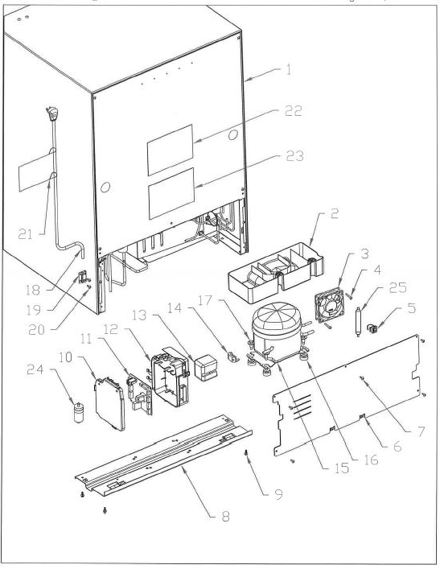
NO | PART NUMBER | PART DESCRIPTION (ENG) | QTY | Notes
1 | (reference only) | Foamed Cabinet Assembly |  | cannot order
2 | ARAFPB105110 | Pan Water EVA
3 | ARBGFA100030 | Fan Motor
4 | ARAJTMM00020 | Truss 4 TS30 (FlatPoint-White) |  | Special Order
5 | ARAFCE205020 | Dryer Holder |  | Special Order
6 | ARBFEA300011 | Evaporator Assy
7 | ARAJTMB05030 | Truss 4 TS 10 (Pointed-White) |  | Special Order
8 | ARBFCC100080 | Crossrail Rear Assy |  | Special Order
9 | ARAJTE105010 | Hexagon H.5 TS 12 (W/F) White |  | Special Order
10 | ARAGCB100051 | Cover Box PCB |  | Special Order
11 | ARBPC2A00445 | Pas - Control PCB PR5181SRRG
12 | ARAGBA100051 | Box PCB |  | Special Order
13 | 8332533250910 | Relay Cover |  | Special Order
14 | 8334523210400 | Overload Relay 5TM181NHB
15 | 8338030453100 | Compressor SF30C44RAU6
16 | 8312430683101C | #10195 Gromment, COMP.MTNG |  | Special Order
17 | SB2HY60240SZ- | Compressor Bolt |  | Special Order
18 | ARBGPB10001 | Power Cord Assy
19 | 8312532784100 | Cord Clamp |  | Special Order
20 | ARAJTM305020 | Truss 4 TS 12 (Pointed-White) |  | Special Order
21 | 8336460843200B | Power Cord Label |  | Special Order
22 | ARAHLCF05510 | Label Wiring PR5181SRR |  | Special Order
23 | 8336460843100 | Warning Label |  | Special Order
24 | 8334238013007 | Running Capacitor 10uF CBB65
25 | 8330420250300 | Single Dryer 8G HFC-134A

Figure 5, Cover EVA Assy. |  |  |  |  | Figure 5, Cover EVA Assy.
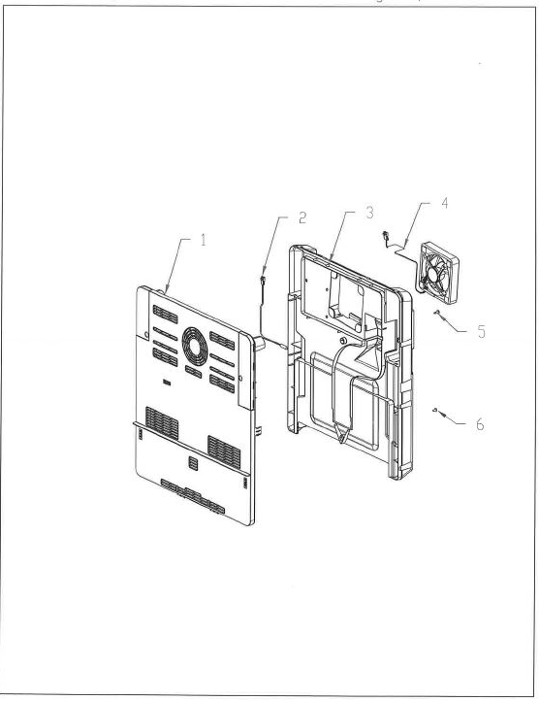
NO | PART NUMBER | PART DESCRIPTION (ENG) | QTY | Notes
1 | ARAFCA900014 | Cover EVA F |  | Special Order
2 | ARAGSB100160 | Sensor PCC
3 | 833S230900100 | Cover EVA Service Kit |  | Special Order
4 | ARBGFA100030 | Fan Motor
5 | ARAJTM305020 | Truss 4 TS 12 (Pointed-White) |  | Special Order
6 | ARAJTMH05010 | Truss 4 TS 8 |  | Special Order

