PART CD
Danby Model: EDR050BAUW
Factory Model: MDUK-50AEN1-BB0
Effective Date: 01/03/2017
Revision:
NO | PART NUMBER | PART DESCRIPTION (ENG) | QTY | PARTS SPECIFICATION | Notes
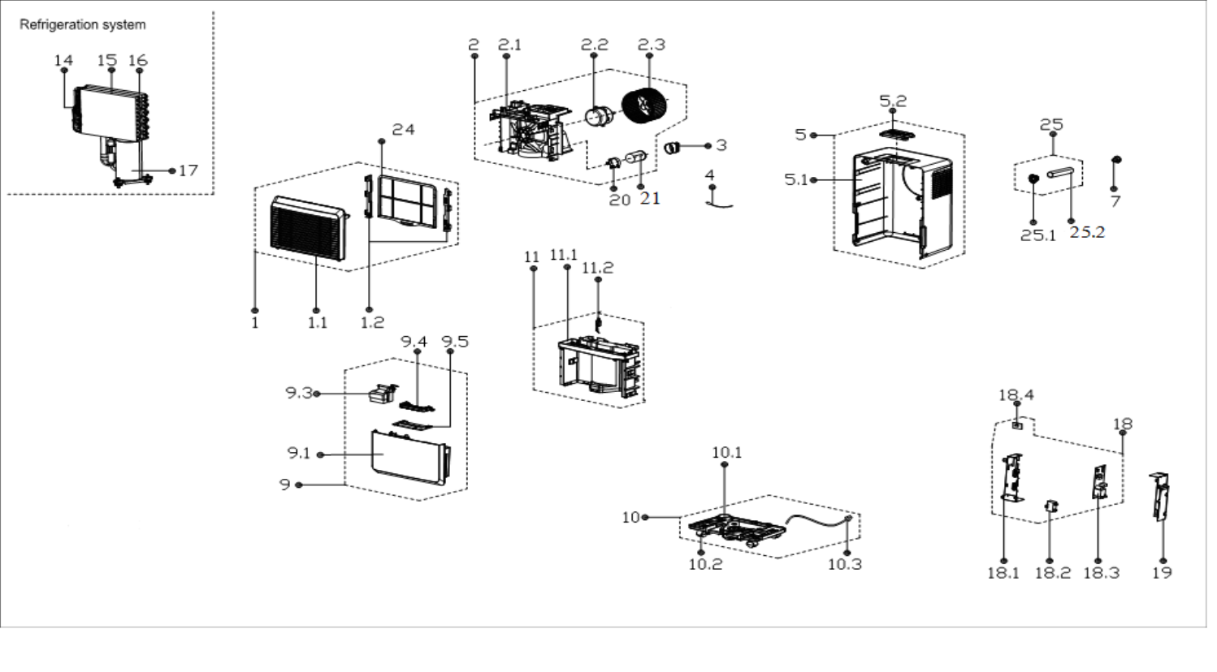
1 | 12120100A00222 | Front panel assembly | 1 | HIPS | Special Order
1.1 | 12120100A00163 | Front Panel | 1 | HIPS | Special Order
1.2 | 12120100000489 | Filter Guiding Strip | 2 | HIPS | Special Order
2 | 12120100A09381 | Volute shell assembly | 1 | HIPS | Special Order
2.1 | 12120100001577 | VoluteScroll | 1 | HIPS | Special Order
2.2 | 11002012A03393 | Single phase asynch. motor | 1 | Rating V, A, Hz 115, 0.56, 60
2.3 | 12100103000075 | Centrifugal Fan | 1 | LX-180*85*8-60C
3 | 12600901000017 | Capacitor Cap | 1 |  | Special Order
4 | 11201007000245 | Temperature Sensor | 1 | CGQ-WD/GW4100-L1000-XAP2-P950
5 | 12120100000342 | Rear Panel assembly | 1 | HIPS | Special Order
5.1 | 12120100000365 | Rear Panel Subassembly | 1 | HIPS | Special Order
5.2 | 17220100000075 | Display box assembly | 1 | HIPS
7 | 12600801000037 | Drain Stopper | 1 | Gray
9 | 12120100A09140 | Water tank assembly | 1
9.1 | 12120100A00351 | Water Tank Subassembly | 1 | HIPS+MBS | Special Order
9.3 | 12120100002228 | Dobber | 1 | ABS
9.4 | 12120100000984 | Handle for Tank | 1 | HIPS
9.5 | 12120100000942 | Water Tank Cover | 1 | HIPS | Special Order
10 | 12120100003737 | Chassis Assembly | 1 |  | Special Order
10.1 | 12120100003736 | Chassis Subassembly | 1 | PP | Special Order
10.2 | 12620100000015 | Universal wheel | 4
10.3 | 17401202004423 | Power Supply Cable Subassembly | 1 | 125V, 15A; AWG No.16x3 | Special Order
11 | 12120100003733 | Parts of middle clapboard | 1 |  | Special Order
11.1 | 12120100003732 | Separating board | 1 | HIPS | Special Order
11.2 | 17400512000013 | Micro Switch | 1 | MS-12
14 | 15120100000507 | Capillary Assembly | 1 | φ2.5 *1.1*800 | Special Order
15 | 15820100000355 | Condenser Assembly | 1 | US-CFZ1.2BD/N1-K(B0).ZL.1 | Special Order
16 | 15820100000041 | Evaporator, Gas valve assembly | 1 | CAN-CFZ1.4BD/N1-NK(A9)-B[J].ZL[AL].1 | Special Order
17 | 11103010010829 | Fixed Speed Rotary Compressor | 1 | Rating V, Hz, Phase 115, 60, 1 | Special Order
18 | 17220100A02743 | Electronic control box assly. | 1 | US-CFZ1.4BD/N1-K.JD.CS.NK.DK1.22-01 | Special Order
18.1 | 12220100000013 | Electrical Control Box | 1 | Galvanized plate 0.5mm | Special Order
18.2 | 17400101000071 | Capacitor | 1 | 6uF 250/206V | Special Order
18.3 | 17120100A02452 | Main control board assembly | 1 | US-CFZ1.4BD/N1-K.JD.CS.NK.NK2.23-01
18.4 | 17120100000344 | Humidity sensor | 1 | CE-CFZ0.8BD-F1A..D.31.SCG.12
19 | 12220100000070 | Elec. Ctrl. Box Cover Sub. | 1 | Galvanized plate 0.5mm | Special Order
20 | 12200203000012 | Capacitor Clamp | 1 |  | Special Order
21 | 17400103000067 | Compressor Capacitor(Round) | 1 | 35 uF/250V | Special Order
24 | 12120100A08243 | Air filter | 1 | US-CFZ1.4BD/N1-K3(A8).1-2
25 | 12100510000015 | Drain connector | 1
25.1 | 12100510000020 | Water Connector | 1
25.2 | 12100509000055 | Water Connector | 1

