PART CD
Danby Model: DWM12C1WDB-6
Factory Model: MAS120-2006PS/01M-US
Effective Date: 12/10/2020
Revision: 00
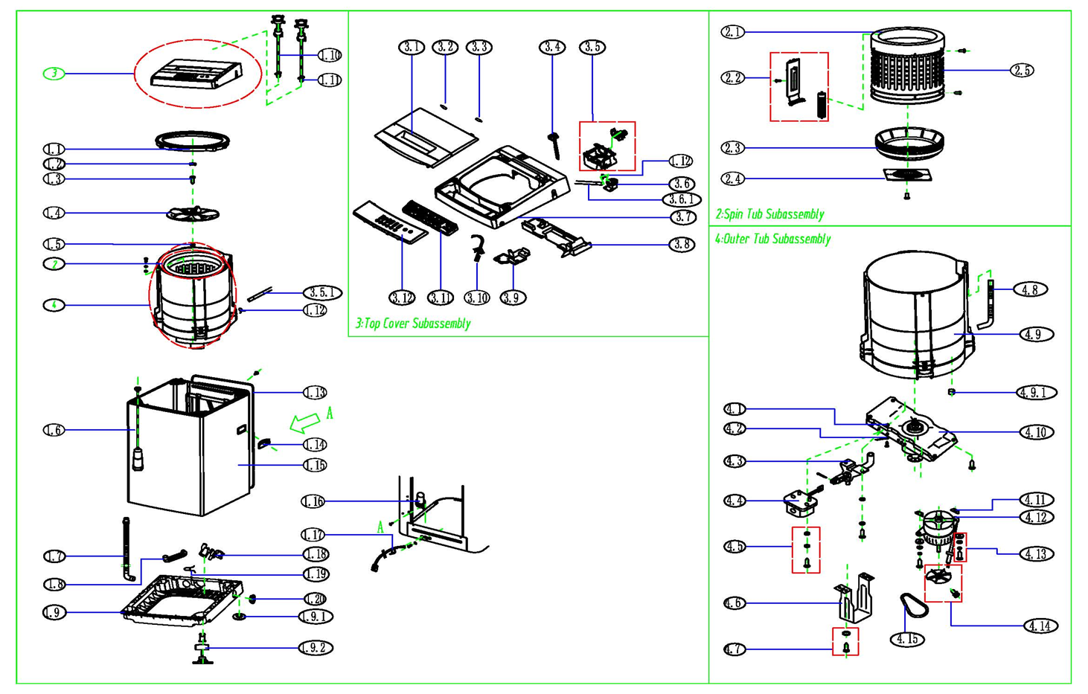
NO | PART NUMBER | PART DESCRIPTION (ENG) | QTY | PARTS SPECIFICATION | Notes
1.1 | 12138000039067 | Outer Tub Cover | 1.0
1.2 | 12138000039033 | Impeller Cover | 1.0
1.3 | 11301002000313 | Hexagon head bolt and washer | 2.0
1.4 | 12138000039060 | Impeller | 1.0
1.5 | 11300414000006 | Impeller Adjusting Washer | 1.0 |  | Special Order
1.6 | 12938000000164 | Suspend System | 1.0
1.7 | 12138000002882 | The Drainage Overflow Hose | 1.0
1.8 | 12638000000763 | Middle Hose Assembly | 1.0 |  | Special Order
1.9 | 12138000039038 | Cabinet Base Assembly | 1.0 |  | includes castors, cannot be replaced separately
1.9.1 | 12638000000055 | Stationary Foot | 3.0
1.9.2 | 12138000039064 | Adjustable Foot Assembly | 1.0
1.10 | 12038000000004 | Water Inlet Hose Assembly (cold) | 1.0
1.11 | 12038000000036 | Water Inlet Hose Assembly (hot) | 1.0 | includes quick connect
1.12 | 12900101000356 | Clip Spring | 1.0 |  | Special Order
1.13 | 12138000039022 | Rear Cover | 1.0
1.14 | 12138000039028 | Handle | 2.0
1.15 | 12238000000829 | Cabinet Subassembly | 1.0 |  | Special Order
1.16 | 17438000000102 | Capacitor Assembly | 1.0 | CBB65
1.17 | 17438000001850 | power line | 1.0 | SJT
1.18 | 11001011000307 | Permanent magnet synchronous pump | 1.0 | PX3516-27
1.19 | 12900101000334 | Clip Spring | 2.0 |  | Special Order
1.20 | 12138000039052 | Hole Cover | 2.0 |  | Special Order
2 | 12238000011351 | Spin Tub Subassembly | 1.0
2.1 | 12138000002922 | Down Balance Ring | 1.0 |  | Special Order
2.1 | 12138000002554 | Up Balance Ring | 1.0 |  | Special Order
2.2 | 12138000039051 | Filtering Cover Assembly | 1.0
2.3 | 12138000039050 | Tub Bottom Base | 1.0 |  | Special Order
2.4 | 12238000000275 | Coupling Plate | 1.0 |  | Special Order
2.5 | 12238000004962 | Stainless Steel Tub | 1.0 |  | Special Order
3 | 12138000037008 | Top Cover And Door Cover Assembly | 1.0
3.2 | 12938000000634 | Damper | 1.0
3.3 | 12938000000631 | Damper | 1.0
3.4 | 17438000001313 | Impact Switch | 1.0 | MK-3268
3.5 | 12238000003982 | Water Inlet Valve Cover Assembly | 1.0
3.6 | 17438000005262 | Water Level Sensor Assembly | 1.0 | Q4N9-277
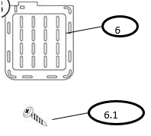
3.8 | 12138000037009 | Breakwater Plate | 1.0 |  | Special Order
3.9 | 12138000039066 | Breakwater Plate | 1.0 |  | Special Order
3.10 | 17438000007182 | Internal Wire Assembly | 1.0 |  | Special Order
3.11 | 17138000022365 | PCB | 1.0
3.12 | 12138000039061 | Control Panel Assembly | 1.0
4.1 | 11301609000030 | Nut | 3.0 |  | Special Order
4.2 | 17401108000478 | Earth Wire Subassembly | 1.0 |  | Special Order
4.3 | 12138000039062 | Drain Valve Subassembly | 1.0
4.4 | 17438000007081 | Retractor | 1.0
4.5 | 11301225000012 | Cross groove six angle head screw | 4.0 |  | Special Order
4.6 | 12238000000477 | Bracket | 1.0
4.7 | 11301225000012 | Cross groove six angle head screw | 4.0 |  | Special Order
4.8 | 12138000002909 | Overflow Hose | 1.0 |  | Special Order
4.9 | 12138000010038 | Outer Tub Subordinate Assembly | 1.0 |  | Special Order
4.9.1 | 12138000001551 | Hole cover of outer tub | 1.0 |  | Special Order
4.10 | 12938000000386 | Clutch Body Subassembly | 1.0
4.11 | 12138000002864 | Lower Cushion | 2.0 |  | Special Order
4.12 | 11002012025002 | Single phase asynchronous motor | 1.0 | YXB-300-4- 248
4.13 | 11301002000313 | Hexagon head bolt and washer | 2.0 |  | Special Order
4.14 | 12338000000036 | Motor Pulley Assembly | 1.0
4.15 | 12638000000109 | Cone belt | 1.0
5.1 | 16038000A47374 | Control Panel sticker- English | 1.0
5.2 | 16038000A47833 | Control Panel sticker- French | 1.0
6 | 12138000002804 | Bottom Cover Plate | 1.0
6.1 | 16338000000712 | Bottom Cover Plate screw | 2.0

