PART CD
Danby Model:DWC1534BLS
Factory Model:
Effective Date:2010/07
Revision: | New | Nov 20 2015
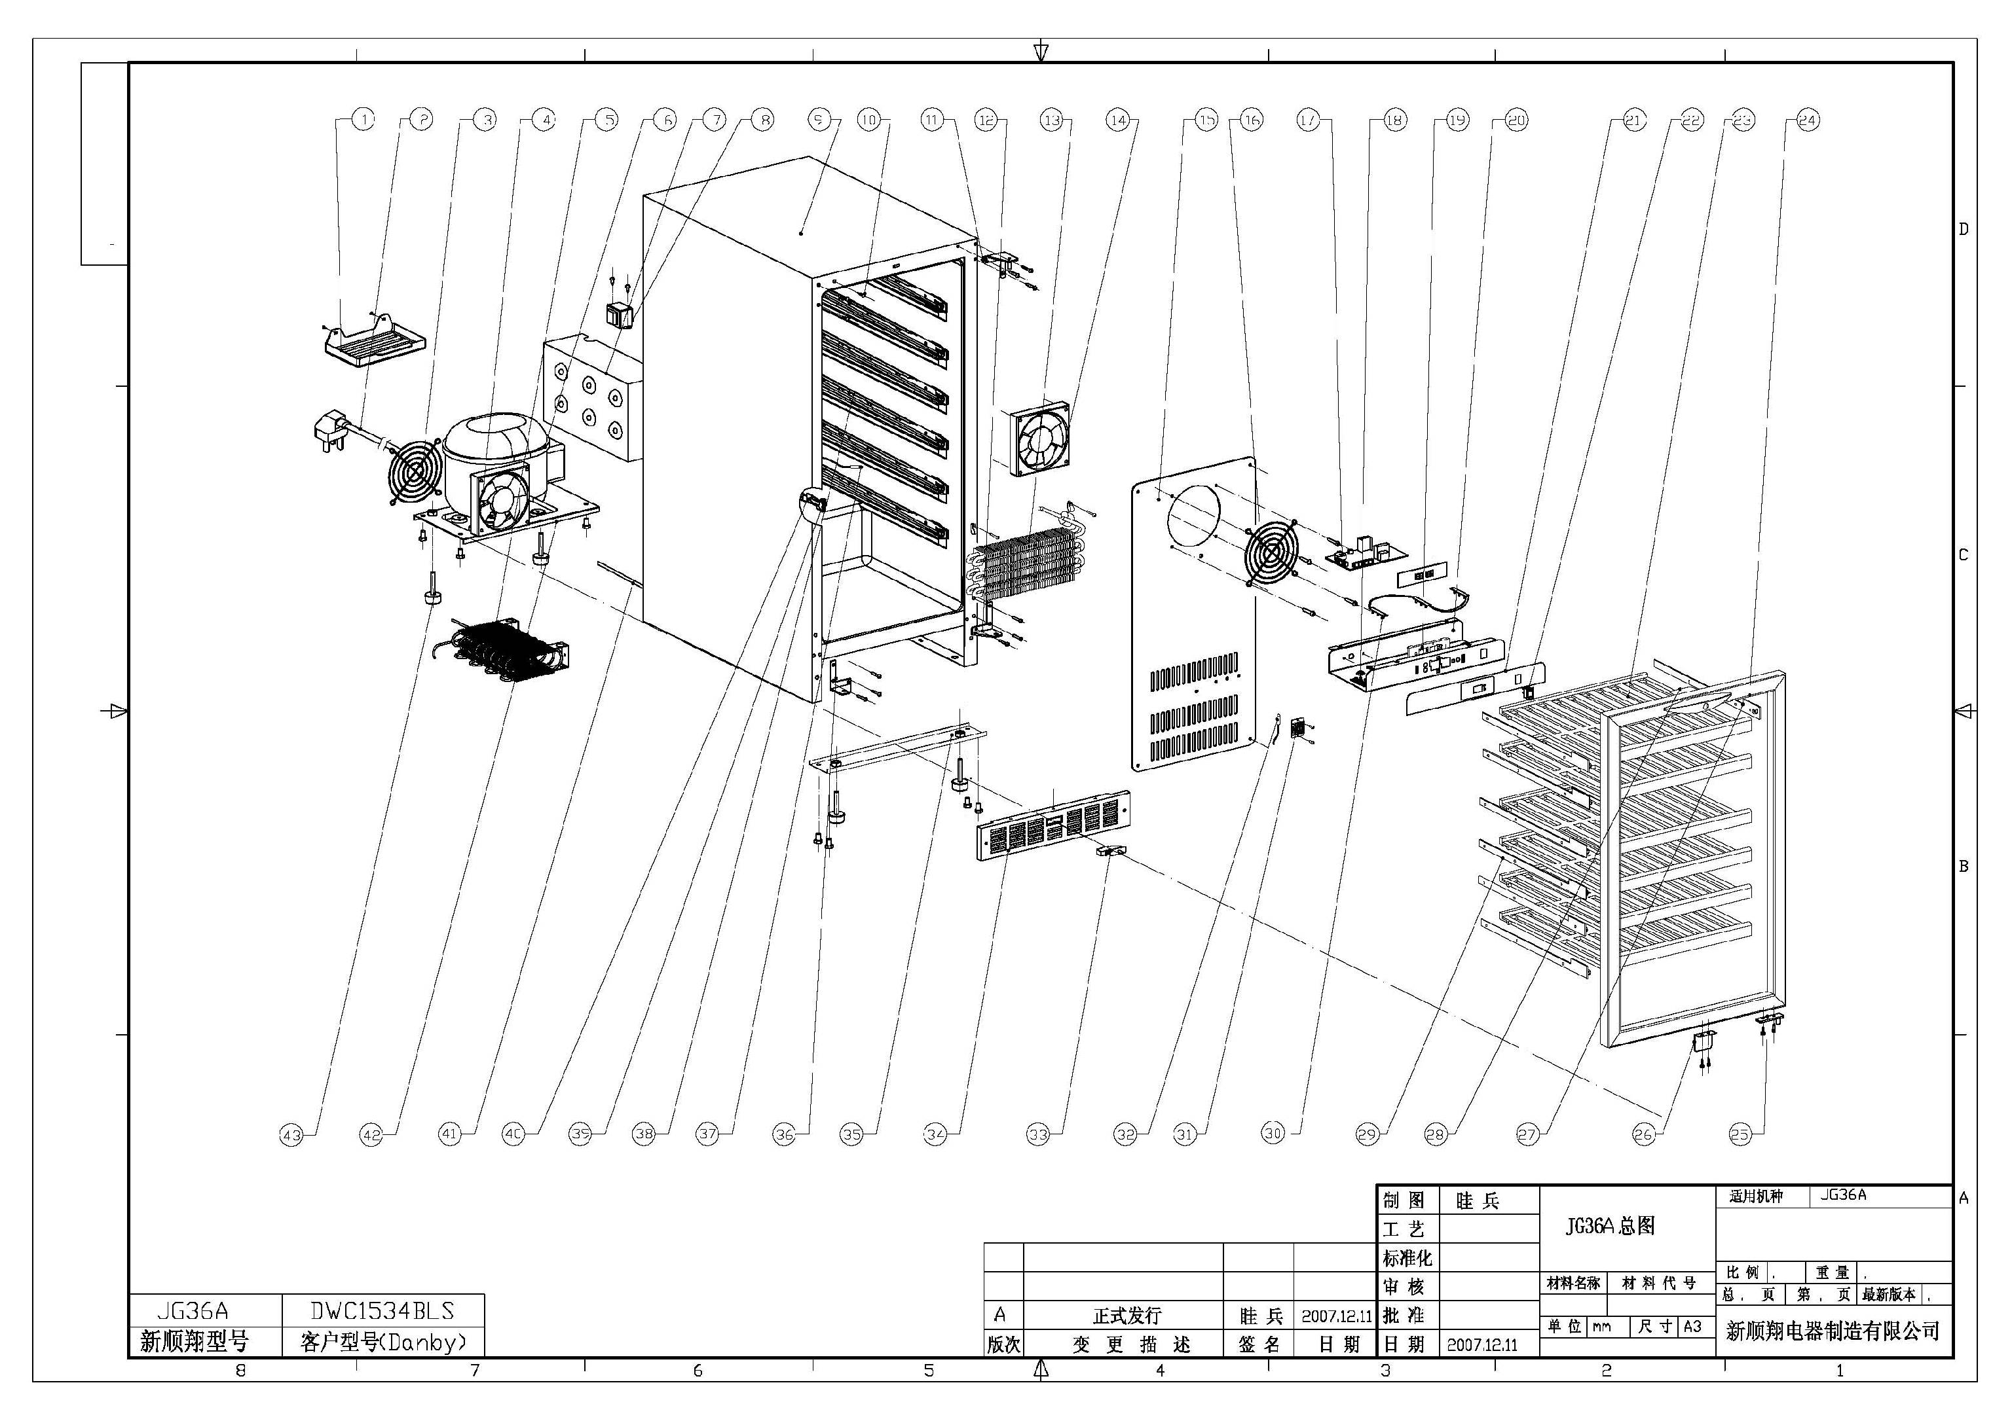
NO | PART NUMBER | UPDATED PART NUMBER | PART DESCRIPTION (ENG) | QTY | Notes
1 | DG2-11 |  | Power cord | 1
2 | DG13-199 |  | Water tank | 1
3 | DG19-1 | DG19-3 | Fan cover | 1
4 | DG1-73 |  | Compressor | 1
 | QP2-4.7/4R7 | PJ1-004-A | Startup organ | 1
 | B75-120 | PJ1-021-B | Safeguard | 1
5 | DG7-3.2-H | DG7-3.2-BH | Condenser fan | 1
6 | DG22-299 |  | Power Box | 1
7 | DG6-8 |  | Transformer | 1
8 | DG22-289 |  | Cabinet | 1
9 | DG13-268 |  | Decorative nail | 3
10 | DG14-15.2-R | DG14-15.2-BR | Top hinge module-(Right) | 1
11 | DG7-3.1-H | DG7-48 | Evaporator fan | 1
12 | DG13-257 |  | Fixer | 2
13 | DG12-44 |  | Evaporator | 1
14 | DG18-64 |  | Foam | 2
15 | DG8-7-R |  | Senser | 1
16 | DG22-293 |  | Air duct board | 1
17 | DG19-6 |  | Fan cover | 1
18 | DG3-71 |  | PCB board | 1
19 | DG13-127 |  | LED Lamp holder | 3
20 | DG3-12-B |  | LED Light | 1
21 | DG13-32 |  | Display support | 1
22 | DG22-297 |  | Electrical box | 1
23 | DG20-114 | DG20-244 | Display panel | 1
24 | DG9-3 |  | Switch | 1
25 | DG15-175 | DG15-184 | Wooden shelves new F | 6
 |  |  | SS trim
26 | DG14-20 |  | Cover of Lock arm | 1
27 | DG23-90 |  | Cabinet door | 1
28 | DG14-149-R |  | Door axis | 1
29 | DG14-3.1 |  | Extrusion-board of lamp switch | 1
30 | DG14-174-R |  | Small Track-(Right) | 1
31 | DG14-174-L |  | Small Track(Left) | 1
32 | DG14-173-R |  | Track-(Right) | 5
33 | DG14-173-L |  | Track-(Left) | 5
34 | DG13-198 |  | Senser cover | 1
35 | DG8-8 |  | Senser | 1
36 | DG9-9 |  | Door switch | 1
37 | DG22-291 |  | DWC1534 KICKPLATE | 1
38 | DG12-3 |  | Condenser | 1
39 | DG22-292 |  | Support bracket of front legs | 1
40 | DG14-16.2-R | DG14-16.2-BR | Lower hinge module-(Right) | 1
41 | DG14-16.2-L | DG14-16.2-BL | Lower hinge module-(Left) | 1
42 | DG12-6.1 | DG12-58 | Capillary tube | 1
43 | DG22-300 |  | Compressor bracket | 1
44 | DG13-6.4 | DG13-6.3 | Cabinet leg, type BC50N | 4
45 | DG14-23.1 | DG14-23 | Handle | 5
46 | M184-011 |  | Door seal | 6
 | DG14-15.2L | DG14-15.2-BL | top left hinge
 | DG14-5.1 |  | DWC DOOR LOCK KEY LONG

