PART CD
Danby Model:DWC140D1BSSPR
Factory Model:JG166BSS
Effective Date:30/Jul/14
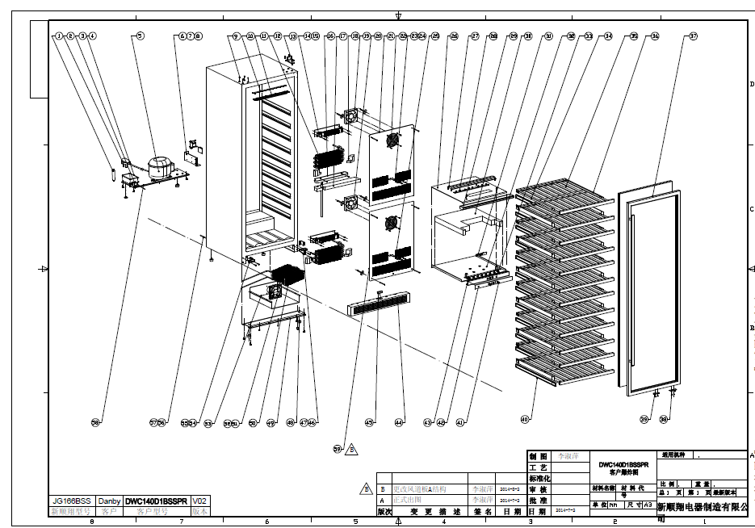
Revision: | New | UPDATED PART NUMBER, March 2016 | Updated Part Number, July 2017, Build Code 10
NO | PART NUMBER |  |  | PART DESCRIPTION (ENG) | QTY | Notes
1 | DG11-4.1 |  | DG11-46 | Drier filter | 1
2 | DG2-11 |  |  | Power cord | 1
3 | DG12-37 |  |  | Refrigerrant valve | 1
4 | DG13-1 |  |  | Water tank | 1
5 | DG1-76 |  | DG1-113 | Compressor | 1
5.1 | PJ1-004-A |  | PJ1-023-A | Start Device | 1
5.1 | PJ1-004-A |  |  | Start Device | 1
5.2 | PJ1-006-B |  | PJ1-045-B | Overload Protector | 1
5.2 | PJ1-006-B |  |  | Overload Protector | 1
6 | DG22-302 |  | DG22-3338 | Junction box | 1
7 | DG3-201 | DG3-201-3 | DG3-301-2 | PCB board | 1
 |  |  | DG3-002 | DWC140D1BSSPR Control Board
8 | DG6-13 |  |  | Transformer | 1
9 | DG13-8 |  |  | Decorative nail | 4
10 | DG3-13-W |  |  | LED light | 1
11 | DG13-3116 |  |  | LED cover | 1
12 | DG12-50-1 |  |  | Evaporator | 2
13 | DG14-227-SR |  |  | Top hinge module_Right | 1
14 | DG11-1.1 |  |  | Heater | 2
15 | DG14-24 |  |  | heat insulation panel | 2
16 | DG13-458 |  |  | Water tank | 1
17 | DG18-110 |  |  | Foam | 1
18 | DG18-64 |  | DG18-112 | Evaporator Foam | 4
19 | DG7-3.2-BH |  | DG7-51 | Evaporator fan | 1
19 | DG7-3.2-BH |  | DG7-48 | Evaporator fan | 1
19 | DG7-3.2-BH |  |  | Evaporator fan | 1
20 | DG7-3.2-BH |  | DG7-51 | Evaporator fan | 1
20 | DG7-3.2-BH |  | DG7-48 | Evaporator fan | 1
20 | DG7-3.2-BH |  |  | Evaporator fan | 1
21 | DG13-3123 |  |  | Air duct board-upper | 1
22 | DG19-6 |  |  | Fan cover | 2
23 | DG8-21-1 |  | DG8-25-B | Senser | 1
24 | DG13-198 |  |  | Senser cover | 2
25 | DG8-21 |  | DG8-25-B | Senser | 1
26 | DG22-3236 |  |  | Upper panel of middle airway-board | 1
27 | DG13-3116 |  |  | LED Light Cover | 1
28 | DG3-13-W |  |  | LED Light | 1
29 | DG13-3115 |  |  | LED Light holder | 1
30 | DG18-60 |  | DG18-113 | Foam | 1
31 | DG13-32-1 |  |  | Display support | 1
32 | DG22-3241 |  |  | Lower panel middle airway-board | 1
33 | DG13-3117 |  |  | Display support | 1
34 | DG22-3225-L |  |  | shelf bracket - left | 12
35 | DG15-244-B |  |  | wooden shelf | 12
36 | DG22-3225-R |  |  | shelf bracket - right | 12
37 | DG23-295 |  | DG23-295-1 | Door | 1
37.1 | DG22-3242 |  |  | Handle (screws not incl.) | 1
37.2 | GB6-030 |  |  | Handle screw | 2
37.3 | M160-057 |  |  | door gasket | 1
38 | DG14-228-SR |  |  | Door axis | 1
39 | DG9-16-1 | DG22-3350, Tablet of door light switch |  | Megnet | 1
40 | DG22-3232 |  |  | Full extension ball bearing glide | 24
41 | DG13-130-S |  |  | Button | 4
42 | DG20-371 |  |  | Display panel | 1
43 | DG3-18-W |  |  | LED light | 1
44 | DG22-3244 | DG22-3244-1, Bottom grill |  | Bottom grill | 1
45 | DG9-16 | DG9-1, Mechanical switch |  | Reed switch | 1
46 | DG14-229-SR |  |  | Lower hinge module right | 1
47 | DG22-3245 |  |  | Bottom grill bracket | 2
48 | DG13-6-16 |  |  | Cabinet leg, type BC50 | 4
49 | DG22-240 |  |  | Support bracket of front legs | 1
50 | DG12-91-1 |  |  | Condenser | 1
51 | DG7-3.2-BH |  | DG7-50 | Condenser fan | 1
51 | DG7-3.2-BH |  | DG7-47 | Condenser fan | 1
51 | DG7-3.2-BH |  |  | Condenser fan | 1
52 | DG19-3 |  |  | Fan cover | 1
53 | DG19-9 |  |  | Condenser cover | 1
54 | DG14-229-SL |  |  | Lower hinge module,lift | 1
55 | DG13-366-B |  |  | Door support | 1
56 | DG12-111 |  |  | Air-circulating pipe | 1
57 | DG12-110-1 |  | DG12-110-2 | Air-circulating pipe | 1
58 | DG22-239 |  |  | Compressor bracket | 1
59 | DG13-3123-1 |  |  | Air duct board-lower | 1
Spare | DG22-3227 |  |  | Anti-tip bracket with screws | 2
 | DG14-227-SL |  |  | Top Left Hinge | 1
 |  |  | DG13-500-S | hinge sleeve | 1

