PART CD
Danby Model: DWC018A1BDB
Factory Model: LSC-52
Effective Date: May 5th,2017
Revision: '00 |  | Updated, Sept. 2018
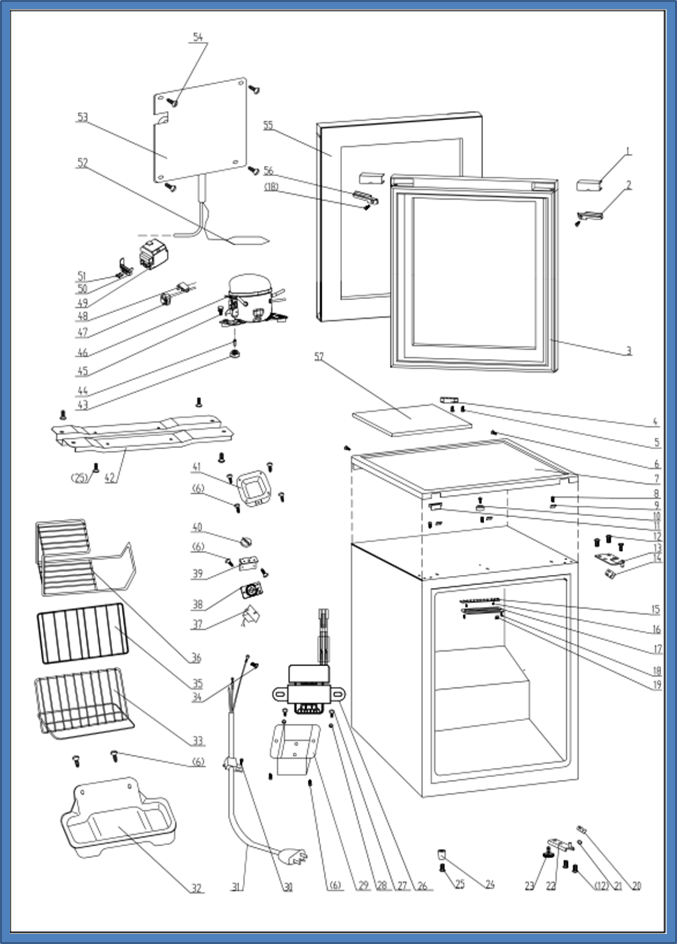
NO | PART NUMBER |  | PART DESCRIPTION (ENG) | QTY | PARTS SPECIFICATION | Notes
1 | 1.02.01.12.053 |  | Upper Door Handle Cover | 1 | ABS, black
2 | 1.25.02.01.12.047 |  | Upper Door Handle Left Cover | 1 | ABS, black
3 | 1.05.35.02.076 |  | Door Gasket | 1 | black
4 | 1.02.12.07.011 |  | Door Projection | 1 | ABS, black
5 | 1.05.01.02.008R |  | Tapping Screw(ST4.2*13) | 2 | tapping screw,ST4.2×13 | Special Order
6 | 1.05.03.02.001 |  | Worktop Tapping Screw(4*12) | 12 | JIS tapping Screw, 4×12 | Special Order
7 | 1.25.02.01.08.560 |  | Worktop | 1 | ABS, black
8 | 1.05.03.04.012 |  | Triangle Lock Screw(4*12) | 4 | Triangle lock screw, 4X12 | Special Order
9 | 3.5.2.06.011 |  | Worktop Hook | 3 | t1.5/Q235-A | Special Order
10 | 1.25.02.01.08.557 |  | Worktop Limit Ring | 1 | ABS, black | Special Order
11 | 1.25.02.01.08.556 |  | Worktop Cover | 1 | ABS, black
12 | 1.05.03.03.019 |  | Bolt Assy(M5*16,Big washer) | 5 | M5×16(Big washer) | Special Order
13 | 3.5.2.04.178 |  | Upper Hinge | 1 | t3.0/Q235-A（black）
14 | 1.04.12.03.057 |  | Upper Hinge Busher | 1 | rubber, t=0.8, black
15 | 1.01.03.03.080R |  | LED Light Panel | 1 | BC126.4.3
16 | 1.05.01.02.002R |  | Fix Tapping Screw(ST2.9*6.5) | 2 | GB/T845,2.9X6.5 | Special Order
17 | 1.02.11.03.078 |  | LED Light Cover | 1 | PS, transparent
18 | 1.05.02.02.003 |  | Fix Tapping Screw(ST3.5*6.5) | 3 | GB/T845, screw, 3.5X9.5 | Special Order
19 | 1.01.01.07.022R |  | LED Light Switch Assy | 1 | KCD1-108 3A 250VAC
20 | 1.04.12.03.013 |  | Bottom Hinge Rubber Washer | 1 | rubber, t=1.6, black
21 | 1.25.02.12.02.001 |  | Door Spindle Washer(black) | 1 | ABS, black
22 | 3.5.2.02.0775 |  | Bottom Hinge(black) | 1 | t2.5/Q235-A（black）
23 | 1.25.02.12.06.009 |  | Adjustable Foot | 1 | ABS, black
24 | 1.25.02.12.06.001 |  | Foot | 1 | ABS, black
25 | 1.05.03.03.002 |  | Bolt Assy(M6*14) | 5 | 13 bolt assay, M6×14 | Special Order
26 | 1.01.07.01.024 |  | Transformer | 1 | YLB-1213
27 | 1.05.01.01.001R |  | Fix Bolt(M4*8) | 3 | GB/T818,M4×8 | Special Order
28 | 1.05.03.04.001 |  | Fix Nut(M4) | 2 | M4 | Special Order
29 | 3.2.02.35.001 |  | Transformer Box | 1 | t0.5/Q235-A（black） | Special Order
30 | 1.05.03.02.006 |  | Tapping Screw(4*12) | 1 | JIS tapping screw, 4×12 | Special Order
31 | 1.01.01.01.204R |  | Power Supply Cord | 1 | E465601 XYP-204 SJT 18AWG×3C
32 | 3.2.02.15.017 | 3.2.02.15.002 | Drip Tray | 1 | t0.5/DC03, black
33 | 1.05.08.04.004 |  | Upper Shelf | 1 | 45# wire,black
34 | 1.05.03.01.001 |  | Bolt Assy(M4*8,copper) | 1 | GB/T818 screw, M4*8 | Special Order
35 | 1.05.08.04.005 |  | Middle Shelf | 1 | 45# wire, black
36 | 1.05.08.04.006 |  | Bottom Shelf | 1 | 45# wire, black
37 | 1.03.02.01.121 |  | Thermostat | 1 | WDF24.5X-100-024E
38 | 1.01.20.01.302 |  | Thermostat Panel | 1 | aluminium plate,with no letters
39 | 3.2.02.33.002 |  | Thermostat Fixing Plate | 1 | B-1.0/Q235-A（black） | Special Order
40 | 1.25.02.15.06.006 |  | Thermostat Knob | 1 | ABS, black
41 | 3.2.02.16.002 |  | Thermostat Cover | 1 | t0.5/DC03, black | Special Order
42 | 3.2.02.07.006 | 3.5.2.02.0041 | Compressor Support | 1 | t0.9/Q235-A,black | Special Order
43 | 1.03.01.01.332B |  | Compressor Rubber Washer | 4 | rubber | Special Order
44 | 1.03.01.01.332A |  | Compressor Sleeve | 4 | CTE943-2 | Special Order
45 | 1.03.01.01.332D |  | Compressor Screw(M6*28) | 4 | GB/T5780 ,M6×28 | Special Order
46 | 1.03.01.01.332 |  | Compressor | 1 | FZ40C1J-U | Special Order
47 | 1.03.01.01.332F |  | OLP | 1 | DRB20T61A1
48 | 1.03.01.01.332PTC |  | PTC Starter | 1 | QP2-4R7
49 | 1.03.01.01.332G |  | PTC Cover | 1 | ABS,black | Special Order
50 | 1.03.01.01.332H |  | Clamp | 1 | PC/ABS mixture | Special Order
51 | 1.03.01.01.332M |  | Tapping Screw(ST3.5*19) | 2 | GB/T845,ST3.5×19 | Special Order
52 | 1.03.30.03.024 |  | Filter | 1 | BC122.3.0 | Special Order
53 | 1.05.20.01.015 |  | Evaporator | 1 | LSC52 | Special Order
54 | 1.05.02.02.022 | 1.05.02.07.002 | Tapping Screw(ST4.2*13) | 4 | GB/T845,ST4.2×13 | Special Order
55 | 1.05.30.07.050 |  | Glass Door | 1 | Tempered glass
56 | 1.25.02.01.12.048 |  | Upper Door Handle Right Cover | 1 | ABS, black
57 | 1.06.15.09.003 |  | Worktop EPS Foam | 1 | EPS, white | Special Order

