PART CD
Danby Model: DVAC100B1WDB
Factory Model: MWHUL-10CRN1-BCJ4
Effective Date: 12/12/2019
Revision: 00
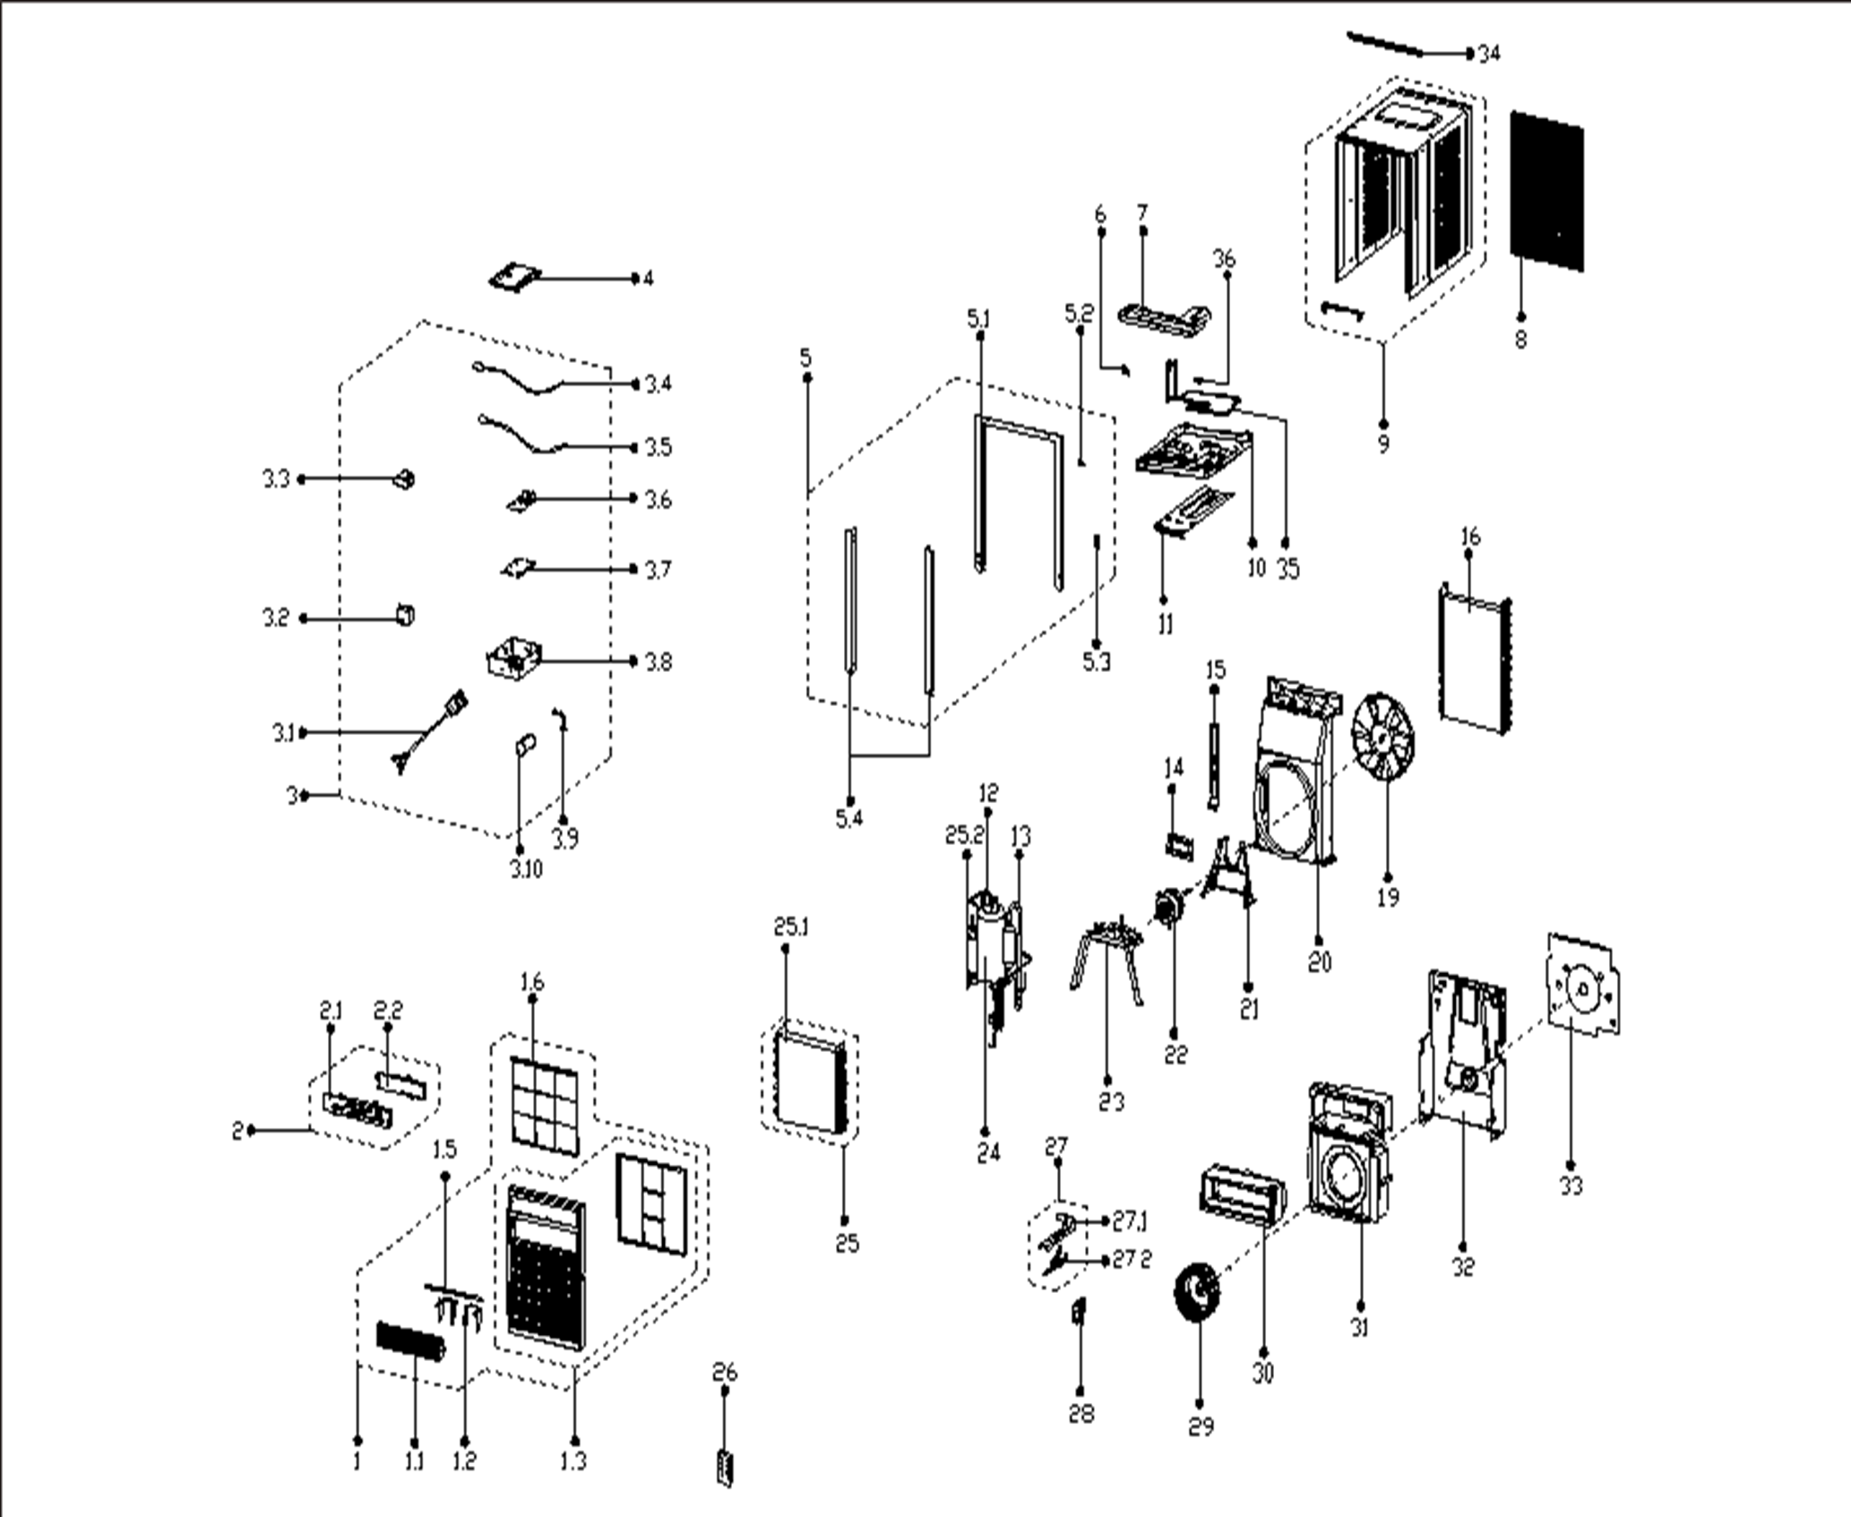
NO | PART NUMBER | PART DESCRIPTION (ENG) | QTY | PARTS SPECIFICATION | Notes
1 | 12120300005264 | panel subassembly | 1 | ABS+White
1.1 | 12120300004588 | Air outlet frame | 1 |  | Special Order
1.2 | 12120300004590 | Horizontal louver | 4 |  | Special Order
1.3 | 12120300004546 | panel subassembly | 1 | ABS+White | Special Order
1.5 | 12120300004591 | Connecting rod of louver | 1 |  | Special Order
1.6 | 12120300004584 | Air filter | 1 | UL-KC30L/Y-A3.1-5
2 | 17220300A17269 | Display box subassembly | 1 | UL-KC23L/Y-A2.D.04.XK1.3 | Special Order
2.1 | 12120300004604 | Control panel | 1 | UL-KC30L/Y-A3.1-7
2.2 | 12120300004632 | Cover of control panel | 1 | White | Special Order
3 | 17220300003870 | Electronic control box subassembly | 1 | US-KC30L/N1Y-HBF(CJ4).JD.WS.NK.DK1.1 | Special Order
3.1 | 17401202000174 | Power cord subassembly | 1 | 0651513LY or L15515 or L15515W
3.2 | 17400101A00464 | Capacitor of fan motor | 1 | 15UF/250V
3.3 | 11203103001314 | Linear Transformer | 1 | TF110-EI41-11.2/40-F2
3.4 | 11201007003444 | Pipe Temperature Sensor | 1 | CGQ-WD/GW4100-L700-XACP2-P650
3.5 | 11201007003440 | Room Temperature Sensor | 1 | CGQ-WD/SW4100-L500-XHBCP2BL-P450
3.6 | 17120300003823 | Main control board subassembly | 1 | US1-KC53/N1Y-KB(K2).Z.JD.WS.NK.NK1.57
3.7 | 12120300003724 | Bracket of main control board | 1 | Black | Special Order
3.8 | 12220300000512 | Electronic control box subassembly | 1 |  | Special Order
3.9 | 12200203000007 | Capacitor clip | 1 |  | Special Order
3.10 | 17400103000364 | Capacitor of compressor | 1 | 50UF/250V
4 | 12220300000499 | Cover of electronic control box | 1 |  | Special Order
5 | 12020300000807 | Installation accessory | 1 | White
5.1 | 12120300004844 | Installation accessory | 1 | White | Special Order
5.2 | 12220300003862 | Fixing plate | 1 | White | Special Order
5.3 | 12220300003863 | Fixing board | 1 | White | Special Order
5.4 | 12220300003865 | Side shutter frame | 2 | White | Special Order
6 | 12220300000531 | Fixing plate | 1 |  | Special Order
7 | 12820300000027 | Condenser water tray | 1 |  | Special Order
8 | 12120300000929 | Rear net | 1 |  | Special Order
9 | 12220300003719 | Cabinet | 1 | White | Special Order
10 | 12220300003727 | Chassis Assembly | 1 | White | Special Order
11 | 12220300003721 | Installation Board | 1 | White
12 | 15120300000773 | Discharge pipe | 1 |  | Special Order
13 | 15120300002837 | Suction pipe assembly | 1 |  | Special Order
14 | 12220300000445 | Cover of motor | 1 |  | Special Order
15 | 12220300003731 | Support plate | 1 | White | Special Order
16 | 15820300000667 | Condenser Assembly | 1 | ELUS-KC30L/N1Y-DBF(CJ4).ZL.2 | Special Order
19 | 12100105000012 | Axial flow fan | 1 | ZL-300*62.5*12.7-6FN
20 | 12120300000566 | Rear barrier board subassembly | 1 |  | Special Order
21 | 12220300001107 | Supporter of fan motor | 1 |  | Special Order
22 | 11002012001843 | Single phase asynchronous motor | 1 | Y6L464C801 or YKSS-90-4-60,115V,90W,1.18FLA,60Hz
23 | 12220300001106 | Bracket of compressor assembly | 1 |  | Special Order
24 | 11103010002309 | Fixed speed rotary compressor | 1 | ASN84E12VBDB1, 115V, 60Hz | Special Order
25 | 15820300002508 | Evaporator assembly | 1 | ELUS-KC30L/N1Y-DBF(CJ4).ZL.1(J) | Special Order
25.1 | 15820300002509 | Evaporator | 1 | ELUS-KC35L/N1Y-BF(I5)-[J5].ZL.1.1(J) | Special Order
25.2 | 15120300002828 | Capillary subassembly | 1 | φ1.1*850+φ1.1*1150 | Special Order
26 | 17317000A56560 | Remote controller | 1
27 | 12120300005047 | Fresh air door subassembly | 1 | White
27.1 | 12120300004609 | Bracket of fresh air door | 1 | White | Special Order
27.2 | 12120300004623 | Connecting rod of fresh air door | 1 | White | Special Order
28 | 12120300000231 | Fresh air door | 1
29 | 12100103000167 | centrifuge fan | 1 | LX-180*77*12.7-60
30 | 12820300000100 | Volute shell (above) | 1 |  | Special Order
31 | 12820300000070 | Volute | 1 |  | Special Order
32 | 12220300000570 | Front separating board subassembly | 1 |  | Special Order
33 | 12820300000037 | Volute | 1 |  | Special Order
34 | 12120300004637 | Top shutter frame subassembly | 1 | White
35 | 15120300002832 | Cooling coil assembly | 1 |  | Special Order
36 | 12100303000050 | Fixing clamp | 3 |  | Special Order

