PART CD
Danby Model: DTAC120F1WDB
Factory Model: CYW-35C1A-X09A
Effective Date: 22/12/2018
Revision: '00
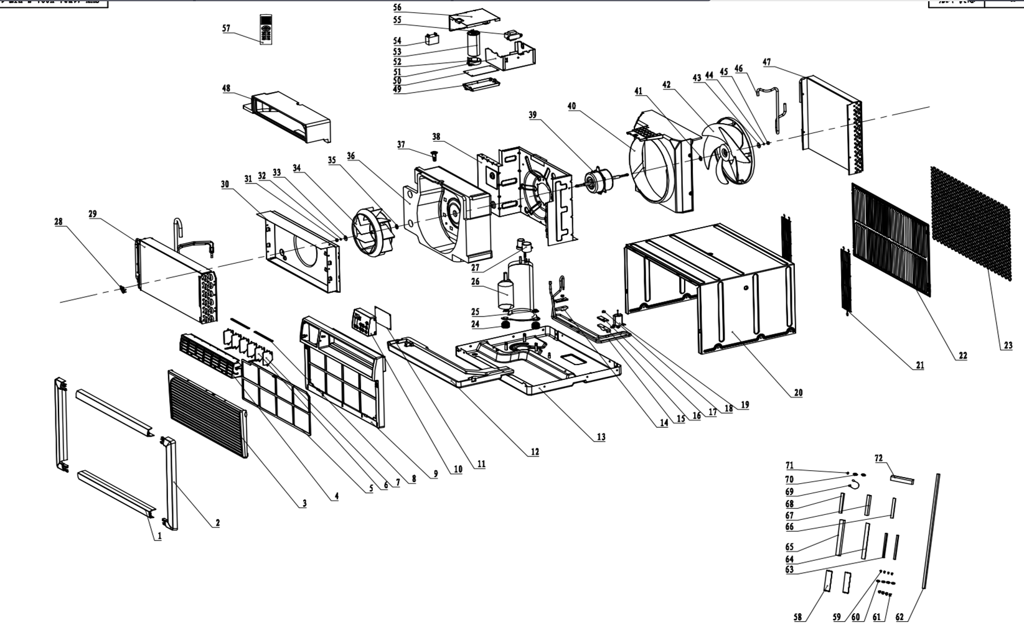
NO | PART NUMBER | PART DESCRIPTION (ENG) | QTY | PARTS SPECIFICATION | Notes
1 | A050702000002-R0 | BAFFLE PALTE MOUNTING | 2 | Plastic, white
2 | A050702000003-R0 | BAFFLE PALTE MOUNTING | 2 | Plastic, white
3 | A050607000261-R0 | AIR INTAKE GRILL | 1 | Plastic, white
4 | A050966000165-R0 | AIR OUTLET ASSY | 1 | Plastic, white | Special Order
5 | A050607000262-R0 | AIR FILTER | 1 | CYW-41E2A-X09A+7.3.1-2
6 | A050607000269-R0 | SWING LOVER A | 2 | Plastic, white | Special Order
7 | A050607000270-R0 | SWING LOVER b | 4 | Plastic, white | Special Order
8 | A050607000271-R0 | SWING LOUVER CONNECTION ROD | 2 | Plastic, white | Special Order
9 | A050607000260-R0 | FRONT PANLE | 1 | Plastic, white | Special Order
10 | A050932001311-R0 | CONTROL PANEL | 1 | Plastic, white
11 | A050932001311-R0 | CONTROL DISPLAY BOARD | 1 | CYW-30C1A-X09A+7.2.2
12 | A050614000141-R0 | GUIDING GUTTER | 1 | CYW-41E2A-X09A+7-1 | Special Order
13 | A050935000310-R0 | BASE | 1 | CYW-30C1A-X09A+7.2.2 | Special Order
14 | A050615000035-R0 | RUBBER PRESS | 1 | Rubber | Special Order
15 | A050405005090-R0 | TUBE | 1 | copper | Special Order
16 | A050615000036-R0 | RUBBER PRESS | 1 | Rubber | Special Order
17 | A050608000200-R0 | RUBBER PRESS | 2 | Rubber | Special Order
18 | 150020019R | NUT | 2 | Metal M6 | Special Order
19 | A050702000004-R0 | EXPANSION PLUG | 1 | Rubber | Special Order
20 | A050608000191-R0 | SHELL | 1 | CYW-41E2A-X09A+7.7-1 | Special Order
21 | A050608000187-R0 | BACK GRILL | 2 | CYW-41E2A-X09A+7-2 | Special Order
22 | A050702000001-R0 | GUIDE WIND PANEL ASSY | 1 | Plastic, white | Special Order
23 | A050607000272-R0 | GRILL | 1 | CYW-41E2A-X09A+7.9-14
24 | A050401001460-R0 | Anti-vibration pad | 3 | Rubber | Special Order
25 | 150020019R | NUT | 3 | Metal M6 | Special Order
26 | A050901000769-R0 | COMPRESSOR ASSY | 1 | ASN84E12VBDB1 | Special Order
27 | A050401001171-R0 | COMPRESSOR COVER | 1 | MC11720211 | Special Order
28 | 100280105R | SENSOR HOLDER | 1 | Plastic, | Special Order
29 | 372100825R | EVAPORATOR | 1 | CYW-41E2A-X09A+7.11.1.1(JQ) | Special Order
30 | A050915000031-R0 | FAN FRAME | 1 | Plastic, white | Special Order
31 | A050104000003-R0 | NUT | 1 | Metal 8-15 | Special Order
32 | 150030005R | WASHER | 1 | Metal φ6 | Special Order
33 | 150030227R | WASHER | 1 | Metal Φ8×Φ20×1.5mm | Special Order
34 | A050613000053-R0 | CENTRIFUGAL FAN | 1 | Plastic φ230×85
35 | 150030009R | WASHER | 1 | Metal φ6.5×φ22×1.5 | Special Order
36 | A050614000137-R0 | DUCT VOLUTE FOAM | 1 | foam, white | Special Order
37 | 100280105R | SENSOR HOLDER | 1 | Plastic, | Special Order
38 | A050608000192-R0 | PARTITION BAORD | 1 | metal, white | Special Order
39 | A050501000347-R0 | MOTOR | 1 | YSLA-65-4-B021-B002
40 | A050942000036-R0 | FAN FRAME | 1 | Plastic, white | Special Order
41 | 150030009R | WASHER | 1 | Metal φ6.5×φ22×1.5 | Special Order
42 | A050613000054-R0 | AXIAL FLOW FAN | 1 | Plastic φ320×89
43 | 150030009R | WASHER | 1 | Metal φ6 | Special Order
44 | 150030005R | WASHER | 1 | Metal φ6 | Special Order
45 | A050104000001-R0 | NUT | 1 | Metal 8-15 | Special Order
46 | A050405006305-R0 | COMPRESS DISCHARGE TUBE | 1 | copper | Special Order
47 | 372100774R | CONDENSER | 1 | CYW-41E2A-X09A+7.12.1.1(JQ) | Special Order
48 | A050614000138-R0 | OUTLET FOAM | 1 | foam, white | Special Order
49 | A050607000264-R0 | PROWER BOARD HOLDER | 1 | metal, white | Special Order
50 | 334100160R | PROWER BOARD | 1 | ZCCX-09-D1E
51 | A050608000189-R0 | ELECTRIC BOX | 1 | CYW-41E2A-X09A+7.6-1 | Special Order
52 | A050607000265-R0 | COMPRESSOR CAPACITY HOLDER | 1 | Metal | Special Order
53 | 320120259R | COMPRESSOR CAPACITY | 1 | 55uF\450V\Φ50*125 P1
54 | 320110061R | FAN MOTOR CAPACITY | 1 | F/250V/P2\47×20×33
55 | 321620043R | TRANSFORMER | 1
56 | A050608000190-R0 | ELECTRIC BOX COVER | 1 | CYW-41E2A-X09A+7.6-2 | Special Order
57 | A050505000239-R0 | REMOTE CONTROLER | 1 | TL-05-EN-A
58 | A050607000279-R0 | PLASTIC BOARD | 2 | Plastic
59 | 150010018R | SCREW1 | 4 | metal,
60 | A050105000008-R0 | WASHER | 4 | metal,
61 | A050702000004-R0 | EXPANSION PLUG | 4 | Plastic
62 | A050616000886-R0 | COTTON 6 | 1 | COTTON
63 | A050699000397-R0 | COTTON 1-1 | 2 | COTTON | Special Order
64 | A050616000884-R0 | COTTON 4 | 1 | COTTON | Special Order
65 | A050616000883-R0 | COTTON 3 | 1 | COTTON | Special Order
66 | A050616000885-R0 | COTTON 5 | 1 | COTTON | Special Order
67 | A050616000882-R0 | COTTON 2 | 1 | COTTON | Special Order
68 | A050616000881-R0 | COTTON 1 | 1 | COTTON | Special Order
69 | A050510000236-R0 | GROUND WIRE | 1 | WIRE
70 | A050105000008-R0 | WASHER | 2 | metal,
71 | 150010018R | SCREW1 | 1 | metal,
72 | A050699000396-R0 | COTTON 2-1 | 1 | COTTON | Special Order
73 | 341121124R | POWER CORD | 1 | KY-35/b, Min. 10A, 120V

