PART CD
Danby Model: DPF073C2BSLDB
Factory Model: MRF-220
Effective Date: 25/04/2017
Revision: 00_20180425
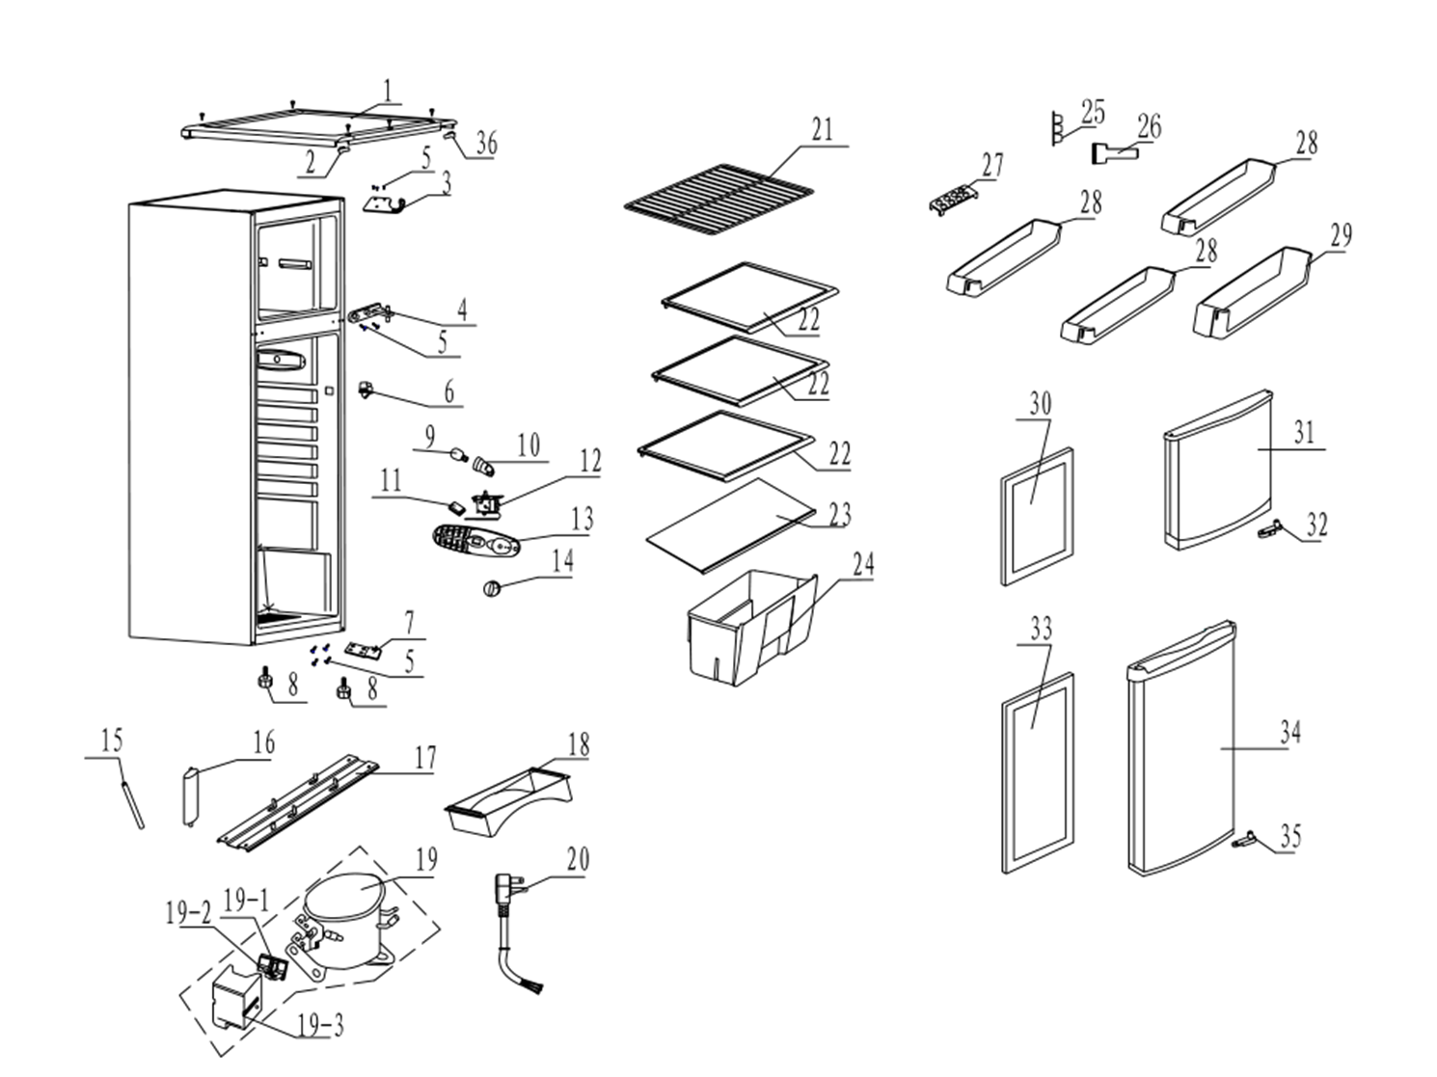
NO | PART NUMBER | Updated Feb.22, 2019 | PART DESCRIPTION (ENG) | QTY | PARTS SPECIFICATION | Notes
1 | 890128231 |  | Top Plate | 1 | POM
2 | 890129532 |  | Hole Cover | 1 | HIPS
3 | 890112199 |  | Upper Hinge | 1 | Q235-A.F
4 | 890057346 |  | Middle Hinge | 1 | ZZnAl4-1
5 | 800001112 |  | Bolt | 7 | M5×18 | Special Order
6 | 800004513 | 890209450 | Lamp Switch | 1 | KAN3-1
7 | 890035691 |  | Low Hinge | 1 | Assembly
8 | 890088406 |  | Adjustable Foot | 2 | Assembly
9 | 890078648 |  | LAMP | 1 | Assembly
10 | 800003459 | 890204740 | LAMP SOCKET | 1 | E12-1 or 606/38E12
11 | 800004768 |  | Temperature control hole cover | 1 | ABS | Special Order
12 | 890057901 | 890205654 | THERMOSTAT | 1 | WDF28B-290-Ex/WDF28X-920-128E/WDF28C-2D0CC-Ex
13 | 890085646 |  | LAMP BOX | 1
14 | 890099387 |  | Temperature control knob | 1 | Assembly
15 | 890053904 |  | Connecting Pipe | 1 | T2M | Special Order
16 | 890026124 |  | filter | 1 | Q/MLKT-206 | Special Order
17 | 890074269 |  | Compressor Plate | 1 | B-1.2/DC51D+Z | Special Order
18 | 890096809 |  | Water Tray | 1 | Flame Rating：5VA
19 | 890193236 | 890111508 | Compressor | 1 | B52C5BL | Special Order
19-1 | 890193236-P | 890111508-P | Overload protector | 1 | BT48-125 or DRB186P61A2 or BT48-125A61D3
19-2 | 890193236-S | 890111508-S | PTC starter | 1 | JPQII-4.7 or QP2-4R7 or QP2-4.7
19-3 | 890193236-C | 890111508-C | Junction Box | 1 |  | Special Order
20 | 890106318 | 890115586 | Plug | 1 | YS-05A
21 | 800001672 |  | Freezer Shelf | 1 | Q235-A.F.F
22 | 800010842 |  | Glass Shelf | 3 | TEMPERED GLASS
23 | 800003706 |  | Vegetable Box Cover | 1 | Assembly
24 | 890044189 |  | Vegetable Box | 1 | GPPS
25 | 890012313 |  | Egg Rack | 1 | GPPS
26 | 890166000 |  | Ice Spatula | 1 | HIPS
27 | 890042992 |  | Ice Box | 1 | PP
28 | 890039714 |  | Upper Storage Shelf | 3 | GPPS
29 | 890039717 |  | Bottle Storage Shelf | 1 | GPPS
30 | 890201769 |  | freezer door gasket | 1 | Assembly
31 | 890201758 |  | Freezer Door | 1 | Assembly
32 | 890174482 |  | STOPER | 1 | POM
33 | 890201768 |  | refrigerator door gasket | 1 | Assembly
34 | 890201749 |  | Refrige Door | 1 | Assembly
35 | 890016576 |  | STOPER | 1 | POM
36 | 890128233 |  | Hole Cover- Right | 1 | HIPS

