PART CD
Danby Model: DPF073C1BDB
Factory Model: MRF-220
Effective Date: 09/03/2017
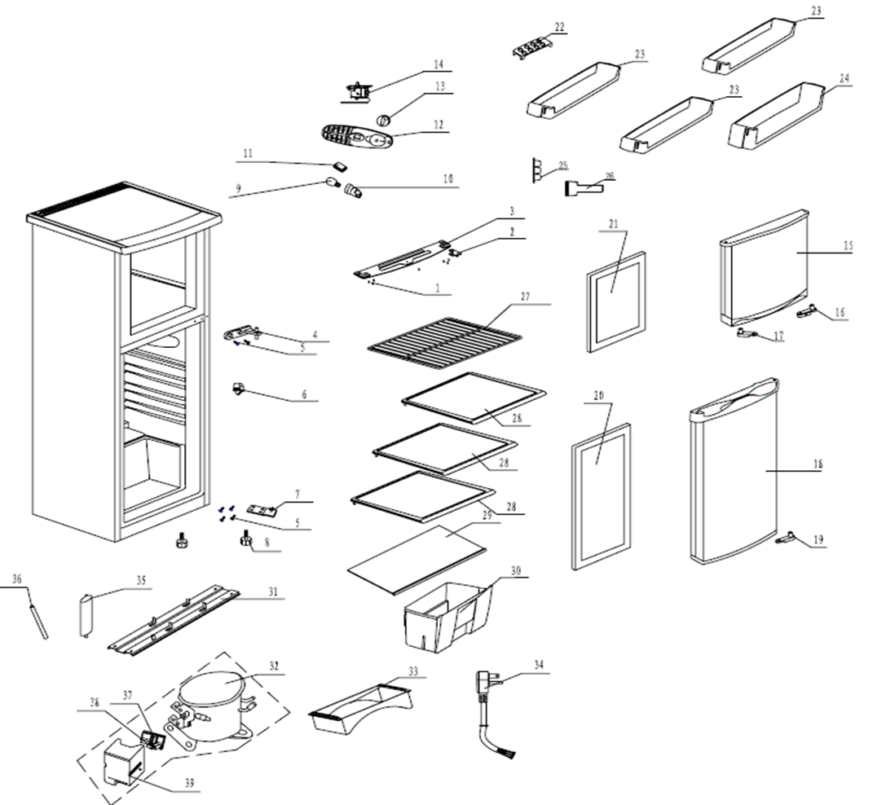
Revision:
NO | PART NUMBER | PART DESCRIPTION (ENG) | QTY | PARTS SPECIFICATION | Notes
1 | 800012042 | Screw | 7 | ST4×12 | Special Order
2 | 890014499 | Upper hinge | 1 | Q235-A.F
3 | 890041681 | Fill plate | 1 | HIPS | Special Order
4 | 890057346 | Middle hinge | 1 | ZZnAl4-1
5 | 800001112 | Bolt | 6 | M5×18 | Special Order
6 | 800004513 | Door switch | 1 | P29
7 | 890035691 | Lower hinge | 1 | Assembly
8 | 890088406 | Front feet | 2 | Assembly
9 | 890078648 | Lamper | 1 | E12-1
10 | 800003459 | Lamper socket | 1 | 38 E12 | Special Order
11 | 800004768 | Hole Cover | 1 | ABS | Special Order
12 | 890099342 | Thermostat box | 1 | Flame Rating：V0
13 | 890099387 | Thermostat Knob | 1 | Assembly
14 | 890057901 | Thermostat | 1 | WDF28X-920-128E
15 | 890103312 | Freezer door assembly | 1 | Assembly
16 | 890017060 | Door Stopper | 1 | POM
17 | 890019828 | Left door Stopper | 1 | POM
18 | 890103309 | Fride door | 1 | Assembly
19 | 890016576 | Fride door Stopper | 1 | PA Nylon 1010
20 | 890120732 | Fride door gasket | 1 | Assembly
21 | 890120735 | Freezer door gasket | 1 | Assembly
22 | 890012313 | Egg Tray | 1 | GPPS
23 | 890044201 | Upper bottle rack | 3 | GPPS
24 | 890044202 | Lower bottle rack | 1 | GPPS
25 | 890042992 | Ice Box | 1 | PP
26 | 800003391 | ICE SCRAPER | 1 | HIPS | Special Order
27 | 800001672 | WIRE SHELF | 1 | Q235-A.F.F
28 | 800010842 | GLASS SHELF | 3 | TEMPERED GLASS
29 | 800003706 | CRISPER COVER ASS. | 1 | Assembly
30 | 890044189 | Crisper | 1 | GPPS
31 | 890074269 | Compressor Traverse | 1 | B-1.2/DC51D+Z | Special Order
32 | 890111508 | COMPRESSOR ASSEMBLY | 1 | FZ50E1G | Special Order
33 | 890096809 | Water tray | 1 | YS-05A
34 | 890106318 | Power cord | 1 | Q/MLKT-206 | Special Order
35 | 890026124 | DRIER-FILTER | 1 | Q/MLKT-206 | Special Order
36 | 890053904 | CONNECTING PIPE | 1 | T2M | Special Order
37 | 890111508-P | OVERLOAD PROTECTOR | 1 | DRB18T61A1
38 | 890111508-S | PTC STARTER | 1 | QP2-4R7
39 | 890111508-C | PTC & OLP OF Cover | 1 | Classification:5VA | Special Order

