PART CD
Danby Model:DPAC13012H
Factory Model:WAP-35DTH
Effective Date:01/15/2013
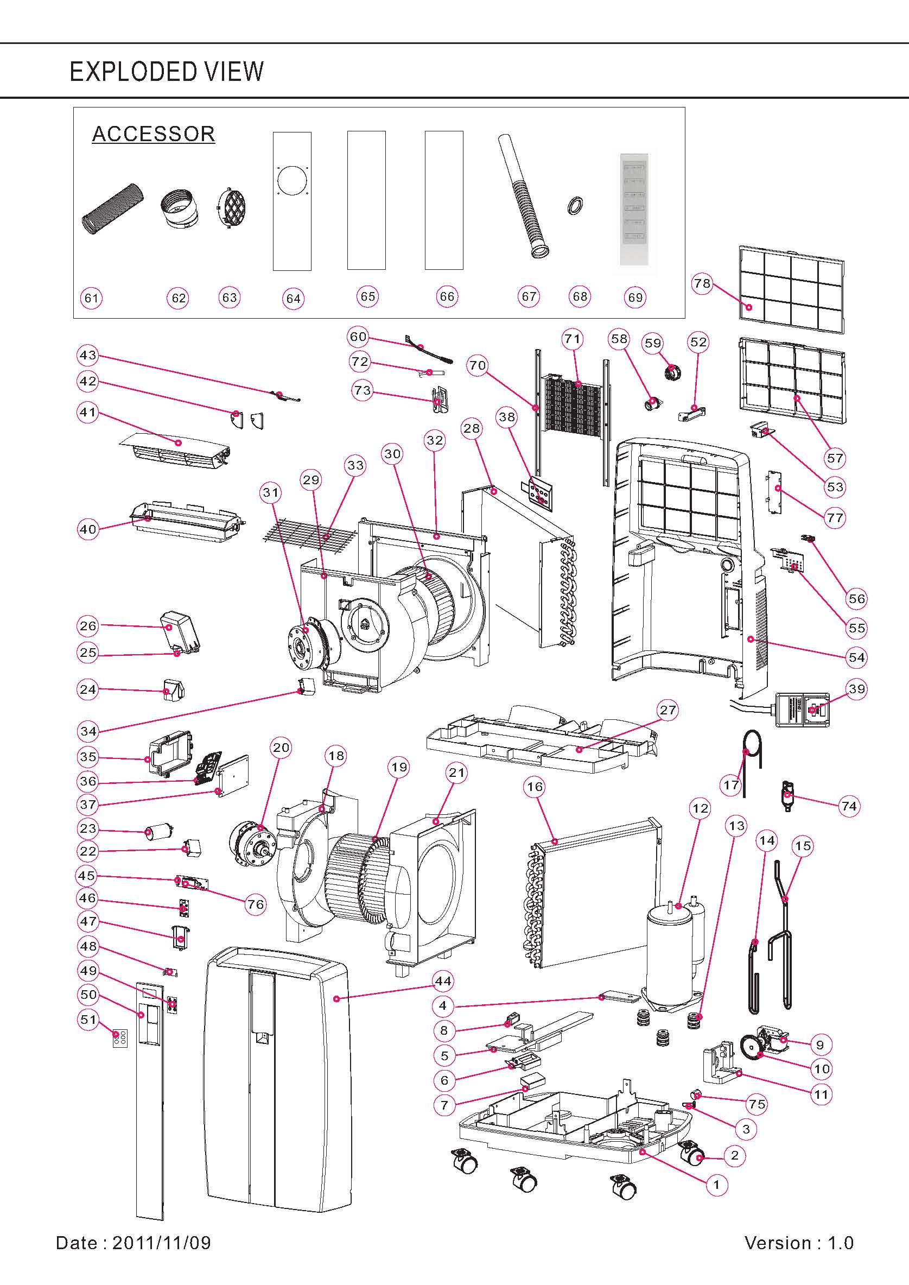
Revision: | New
NO | PART NUMBER | UPDATED PART NUMBER | PART DESCRIPTION (ENG) | QTY | Notes
1 | A4805-220-A-11 |  | BASE PAN | 1 | Special Order
2 | A7402-020 |  | TURNING WHEEL | 4
3 | D7324-020 |  | SOFT CAP | 1
4 | A5408-250-H-11 |  | DRAIN BUCKET COVER-B | 1
5 | A5408-230-H-11 |  | DRAIN BUCKET COVER-A | 1
6 | A5405-110-H-11 |  | FLOAT | 1
7 | A5404-090 |  | FLOAT | 1
8 | A2506-040 |  | MICRO SWITCH | 1
9 | A3003-200 |  | FAN MOTOR(WT-15T1-02) | 1
10 | A5311-030-A-11 |  | BLADE | 1
11 | A5812-630-X-11 |  | FIXTURE | 1 | Special Order
12 | A3203-130 |  | COMPRESSOR ASS'Y
 | DA440100801 |  | COMPRESSOR ( 44N100-A2 ) | 1 | Special Order
 | DA440400101 |  | OVER LOAD PLOTECTOR (B470-135-241C) | 1
13 | A5600-170 |  | GROMMETS | 3 | Special Order
14 | A6209-580 |  | DISCHARGE PIPE | 1 | Special Order
15 | A6228-750 |  | SUCTION PIPE | 1 | Special Order
16 | A3422-540 | A3422-542 | CONDENSER ASS'Y | 1 | Special Order
17 | A6204-300 |  | CAPILLARY | 1 | Special Order
18 | A5301-610-AB-22 |  | FAN CASING | 1 | Special Order
19 | A5304-470-I-11 |  | BLOWER WHEEL | 1
20 | A3003-040 |  | FAN MOTOR(LS-53T2-4P) | 1
21 | A5301-620-AB-22 |  | FAN CASING | 1 | Special Order
22 | A2509-410 |  | CAPACITOR (9uF/250V) for motor | 1
23 | A2509-940 |  | CAPACITOR for compressor | 1
24 | A6101-920-AF-11 |  | COVER | 1 | Special Order
25 | A5825-050-AF-11 |  | FIXTURE | 2 | Special Order
26 | A6101-800-AF-11 |  | COVER | 2 | Special Order
27 | A5702-080-A-22 |  | PLATE | 1 | Special Order
28 | A3419-540 | A3419-541 | EVAPORATOR ASS'Y | 1 | Special Order
29 | A5301-590-AF-22 |  | FAN CASING | 1 | Special Order
30 | A5304-310-AF-22 |  | BLOWER WHEEL | 1
31 | A3002-220 |  | FAN MOTOR(LS-23T3-6P) | 1
32 | A5301-74A-AF-22 |  | FAN CASING | 1 | Special Order
33 | A7204-130 |  | SCREEN | 1 | Special Order
34 | A2509-130 |  | CAPACITOR(8uF/250V) for motor | 1
35 | A6101-510-AF-11 |  | COVER | 1 | Special Order
36 | A2516-820 |  | CONTROL BOARD | 1
37 | A5812-570-AF-11 |  | FIX TURE | 1 | Special Order
38 | A5812-540-P-11 |  | FIX TURE | 1 | Special Order
39 | A3700-940 |  | POWER SUPPLY CORD COMPLETE | 1
40 | A4239-070-AH-22 |  | DISCHARGE GRILLE | 1 | Special Order
41 | A4244-290-A-A5 |  | VAN-AIR DEFLECTOR | 1 | Special Order
42 | A4244-100-H-22 |  | VAN-AIR DEFLECTOR | 2 | Special Order
43 | A4251-570-H-A5 |  | BAR | 1 | Special Order
44 | A4202-270-A-A5 |  | FRONT PANEL | 1 | Special Order
45 | A2523-190 |  | DISPLAY BOARD | 1
46 | A2521-720 |  | PC BOARD | 1
47 | A5812-800-H-22 |  | FIXTURE | 1 | Special Order
48 | A6105-060-A-T |  | COVER | 1 | Special Order
49 | A5825-080-H-22 |  | FIXTURE | 1 | Special Order
50 | A4230-312-A-T | A4230-313-A-T | DECORATING PLATE | 1 | Special Order
51 | A6931-510-L1 | A6931-511-L1 | CONTORL PANEL | 1
52 | A5805-400-A-11 |  | STRIKE-R | 1 | Special Order
53 | A5805-390-A-11 |  | STRIKE-L | 1 | Special Order
54 | A4219-900-A-A5 |  | REAR PANEL | 1 | Special Order
55 | A5802-070-A-A5 |  | PLATE | 1 | Special Order
56 | A4251-690-A-A5 |  | BAR | 1 | Special Order
57 | A7301-650-A-A5 |  | AIR FILTER | 1
58 | D7324-030 |  | SOFT CAP | 1
59 | D7306-110-H-22 |  | PLUG | 1
60 | A2524-190 |  | SENSOR | 1
61 | A6200-280 |  | HEAT EXHAUST HOSE | 1
62 | A5815-090-H-A5 |  | HEAT EXHAUST HOSE CONNECTOR | 2
63 | A5812-210-H-A5 |  | FIX TURE | 1
64 | A5700-380-V-A5 |  | PLATE 720 MM, 1 HOLE | 0
65 | A5700-390-V-A5 |  | PLATE, 720 MM | 0
66 | A5700-400-V-A5 |  | PLATE, 720 MM WITH SCREW HOLE | 0
67 | D7216-020 |  | DRAINAGE PIPE | 1
68 | D3204-060 |  | WASHER | 1
69 | A2530-450-AH03 | A2530-450-AH04 | REMOTE CONTROL ASS'Y | 1
70 | A5802-560 |  | STRIKE | 1 | Special Order
71 | A7420-030 |  | HEATER ASS'Y | 1
72 | A2524-120 |  | SENSOR for eva copper temperature | 1
73 | D5806-040 |  | FIX METAL | 1
74 | D6210-060 |  | Y TUBE | 1 | Special Order
75 | A7305-010-A-22 |  | PLUG | 1
76 | A6101-830-X-AF |  | FIXTURE | 1 | Special Order
77 | A6101-690-A-A5 |  | COVER | 1 | Special Order
78 | A7315-130-A-A5 |  | FILTER FRAME | 1
 |  | A5700-380/390/400-V-A5

