PART CD
Danby Model: DPA140HB1BDB-6
Factory Model: MPPDB-09HRN1-BCG5
Effective Date: 12/01/2019
Revision: 00
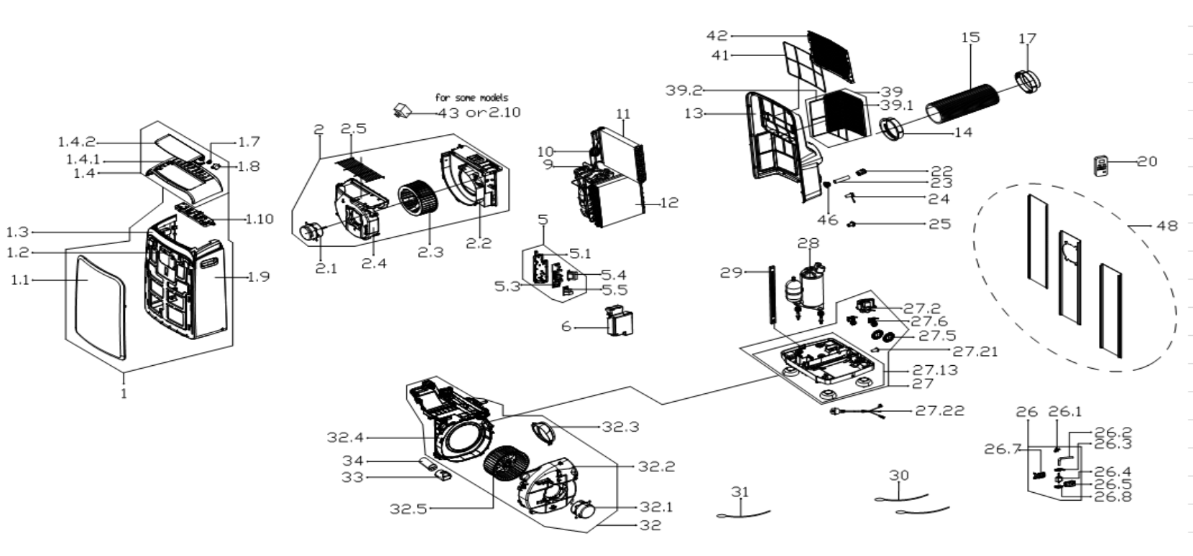
NO | PART NUMBER | PART DESCRIPTION (ENG) | QTY | PARTS SPECIFICATION | Notes
1 | 12120600A21657 | Front panel assembly | 1 | ABS | Special Order
1.1 | 12120600A19041 | Front panel | 1 | ABS | Special Order
1.2 | 17120600000020 | Signal receiving board asbly | 1 | US-KCD30Y1/N1-N2(H9).D.06.JS1.2 | Special Order
1.3 | 12120600A19061 | Adorn board | 1 | ABS | Special Order
1.4 | 12120600A19859 | Upper panel | 1 | ABS | Special Order
1.4.1 | 12120600A18188 | Upper panel | 1 | ABS | Special Order
1.4.2 | 12122000A65689 | Horizontal louver | 1 |  | Special Order
1.7 | 12120600000004 | Gear wheel | 1 |  | Special Order
1.8 | 11002010000176 | stepper motor | 1 | SM-30-17-12-2 /MP30EA6
1.9 | 12120600A18195 | middle panel subassembly | 1 | ABS | Special Order
1.10 | 17220600A05015 | Display board subassembly | 1 | US-KCR35Y1/N1-PD(PDH)(FLZ)(WIFI).ZY001.JD.YD.XS.XK1.1
2 | 12120600A21265 | Exhaust volute cover assly. | 1 |  | Special Order
2.1 | 11002012031695 | Single phase asynch. motor | 1 | YKT-27-6-213L, 115V 60Hz
2.2 | 12120600000898 | Air outlet volute shell | 1 |  | Special Order
2.3 | 12100103000099 | Centrifugal Fan | 1 | LX-222*95*8-39JN
2.4 | 12120600000926 | Cover-Air outlet volute shell | 1 |  | Special Order
2.5 | 12220600000039 | Outdoor air inlet grille | 1
5 | 17220600A05012 | Electronic control box subasly | 1 | US-KCR35Y1/N1-PD(PDH)(FLZ).ZY001.JD.YD.NK.DK1.1 | Special Order
5.1 | 12120600004042 | Electronic control box subasly | 1 |  | Special Order
5.3 | 17120600A02457 | Main control board subassembly | 1 | US-KCR35Y1/N1-PD(PDH)(FLZ).ZY001.JD.YD.NK.NK2
5.4 | 11203103000067 | Linear Transformer | 1 | TT110-EI48-11/70-F4 or DB48-A16
5.5 | 17122000040152 | Capacitor aux. board subassbly | 1 | US-CAP(6+6).D.30.JD1.4 | Special Order
6 | 12120600004045 | Electronic control box cover | 1 |  | Special Order
9 | 15420600000291 | 4-way Valve Assembly | 1 | STF-01AN1 | Special Order
10 | 15120600002238 | Capillary Assembly | 1 | US-KCR26Y1/N1-PDB(CG5).ZL.3, φ2.2*0.9*500*2 | Special Order
11 | 15820600000797 | Evaporator assembly | 1 | US-KCD26Y1/N1-PDB(CG0).ZL.5(J) | Special Order
12 | 15820600000757 | Condenser Assembly | 1 | US-KCR26Y1/N1-PDB(CG5).ZL.1 | Special Order
13 | 12120600A18816 | Rear Panel assembly | 1 | ABS | Special Order
14 | 12120600A12679 | Connector, air exchaust duct | 1 | Black
15 | 12120600A12677 | Exhaust hose subassembly | 1 | Black
17 | 12120600A12680 | Connecter, air excaust duct | 1 | Black
20 | 17317000A53422 | Order remote controller | 1 | RG57H2(B)/BGEF
22 | 12120600A00746 | Drain connection | 1
23 | 12100509000040 | Drain pipe | 1
24 | 12600801000036 | Drainage plug | 2
25 | 12100510000005 | Drain connection | 1
26 | 17400802000233 | Motor subassembly | 1 | US-KCR41Y1/N1-PFB.1 | Special Order
26.1 | 12100510000013 | Drain connection | 1 | Black
26.2 | 12620600000011 | Rubber tube | 1
26.3 | 12600701000010 | Waterproof rubber ring | 1 |  | Special Order
26.4 | 17400802000014 | Water pump | 1 | NME or EP11-1, Rating, 120V,60 Hz, 6W
26.5 | 12220600000465 | Bracket | 1 |  | Special Order
26.7 | 12220600000464 | Bracket | 1 |  | Special Order
26.8 | 12600701000008 | Waterproof rubber ring | 1 |  | Special Order
27 | 12120600004465 | Chassis assembly | 1 |  | Special Order
27.2 | 11002017000545 | Shaded-pole motor | 1 | YZ-61-16-2-25, Rating 120V,
27.5 | 12120600000251 | Water Wheel | 1
27.5 | 12120600004464 | Water Wheel | 1
27.6 | 17400511000164 | Water Level Switch | 1 | SWKG-105B
27.6 | 17400511000604 | Water Level Switch | 1 | SWKG-109B
27.13 | 12120600004463 | Chassis Subassembly | 1 |  | Special Order
27.13.1 | 12620600000019 | Universal wheel | 4
27.21 | 12600801000048 | Drain Stopper | 1 | Black
27.22 | 17401202000174 | Power cord subassembly | 1 | 30380,AWM,21571;Plug:V125,A15;Cord:V120,A15;AWG14
28 | 11103010000581 | Fixed Speed Rotary Compressor | 1 | ASM106E2VEZ | Special Order
29 | 12220600000082 | Supporting bar | 1 |  | Special Order
30 | 11201007003444 | Pipe Temperature Sensor | 1 | CGQ-WD/GW4100-L700-XACP2-P650
31 | 11201007003425 | Room Temperature Sensor | 1 | CGQ-WD/SW4100-L500-XHBCP2BL-P450-HT1.0
32 | 12120600004468 | Exhaust volute shell subassbly | 1 |  | Special Order
32.1 | 11002012031714 | Single phase asynch. motor | 1 | YKT-50-6-220L, Rating 115V, 60Hz
32.2 | 12120600004243 | Cover, exhaust volute(outdoor) | 1 |  | Special Order
32.3 | 12120600003639 | Exhaust fixed joint subassly | 1 |  | Special Order
32.4 | 12120600004467 | Partition board | 1 |  | Special Order
32.5 | 12100103000027 | Centrifugal Fan | 1 | LX-239*110*8-39JN
33 | 12100601000126 | Capacitor box | 1 |  | Special Order
34 | 17400103000090 | Capacitor of compressor | 1 | 70UF/250V-50-P2
39 | 12120600A18189 | Outside inlet air frame assbly | 1 |  | Special Order
39.1 | 12120600A18190 | Outside inlet air frame unit | 1
39.2 | 12120600000721 | Down filter | 1 | EU-KCD35Y1/N1-PD.15-2
41 | 12100204000257 | inside filte | 1 | Black
42 | 12120600A18193 | Indoor air inlet grille | 1 | Black
46 | 12120600001495 | Drain connection | 1
48 | 12020600A00081 | Window Sealing Board Assembly | 1

