PART CD
Danby Model: DPA140B1WDB-6
Factory Model: MPPDB-09CRN1-BCG5
Effective Date: 13/01/2019
Revision: 00
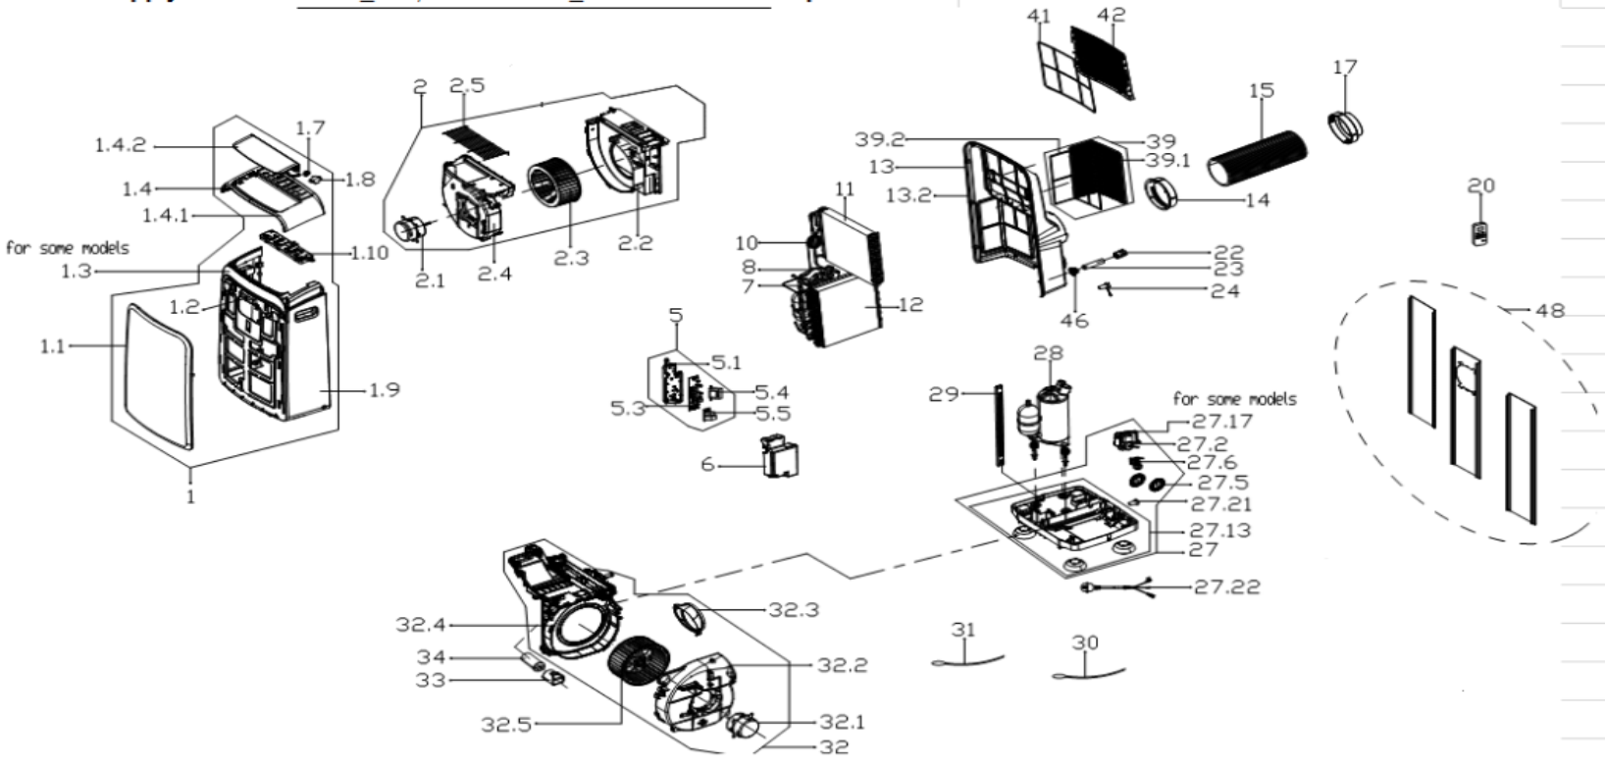
NO | PART NUMBER | PART DESCRIPTION (ENG) | QTY | PARTS SPECIFICATION | Notes
1 | 12120600A21658 | Front panel assembly | 1 | ABS | Special Order
1.1 | 12120600001078 | Front panel | 1 | ABS | Special Order
1.2 | 17120600000020 | Signal receiving board asbly | 1 | US-KCD30Y1/N1-N2(H9).D.06.JS1.2 | Special Order
1.3 | 12120600000759 | Adorn board | 1 | ABS | Special Order
1.4 | 12120600004383 | Upper panel | 1 | ABS | Special Order
1.4.1 | 12120600001249 | Upper panel | 1 | ABS | Special Order
1.4.2 | 12120600000009 | Horizontal louver | 1 |  | Special Order
1.7 | 12120600000004 | Gear wheel | 1 |  | Special Order
1.8 | 11002010000176 | stepper motor | 1 | SM-30-17-12-2 /MP30EA6
1.9 | 12120600002939 | middle panel subassembly | 1 | ABS | Special Order
1.10 | 17220600A05016 | Display board subassembly | 1 | US-KC23Y1/N1-PDA(PDH).ZY001.JD.YD.XS.XK1.1
2 | 12120600A21265 | Exhaust volute cover assly. | 1 |  | Special Order
2.1 | 11002012031695 | Single phase asynch. motor | 1 | YKT-27-6-213L, 115V 60Hz
2.2 | 12120600000898 | Air outlet volute shell | 1 |  | Special Order
2.3 | 12100103000099 | Centrifugal Fan | 1 | LX-222*95*8-39JN
2.4 | 12120600000926 | Cover-Air outlet volute shell | 1 |  | Special Order
2.5 | 12220600000039 | Outdoor air inlet grille | 1
5 | 17220600A05011 | Electronic control box subasly | 1 | US-KC26Y1/N1-PD(PDH)(FLZ).ZY001.JD.YD.NK.DK1 | Special Order
5.1 | 12120600004042 | Electronic control box subasly | 1 |  | Special Order
5.3 | 17120600001910 | Main control board subassembly | 1 | US-KC35Y1/N1-PD(PDH)(FLZ).ZY001.JD.YD.NK.NK2.5
5.4 | 11203103000067 | Linear Transformer | 1 | TT110-EI48-11/70-F4 or DB48-A16
5.5 | 17122000040152 | Capacitor aux. board subassly. | 1 | US-CAP(6+6).D.30.JD1.4 | Special Order
6 | 12120600004045 | Electronic control box cover | 1 |  | Special Order
7 | 15120600002246 | Suction pipe assembly | 1 | copper | Special Order
8 | 15120600002244 | Discharge pipe assembly | 1 | copper | Special Order
10 | 15120600002238 | Capillary Assembly | 1 | US-KCR26Y1/N1-PDB(CG5).ZL.3, φ2.2*0.9*500*2 | Special Order
11 | 15820600000797 | Evaporator assembly | 1 | US-KCD26Y1/N1-PDB(CG0).ZL.5(J) | Special Order
12 | 15820600000761 | Condenser Assembly | 1 | US-KC26Y1/N1-PDB(CG5).ZL.1 | Special Order
13 | 12120600000540 | Rear Panel assembly | 1 | ABS | Special Order
13.2 | 12120600004725 | Rear Panel assembly | 1 | ABS | Special Order
14 | 12120600003049 | Connector, air exchaust duct | 1
15 | 12120600A12675 | Exhaust hose subassembly | 1
17 | 12120600A12674 | Connecter, air excaust duct | 1
20 | 17317000A53421 | Order remote controller | 1 | RG57H2(B)/BGCEF
22 | 12120600001499 | Cover of Drain connection | 1
23 | 12100509000040 | Drain pipe | 1
24 | 12600801000036 | Drainage plug | 2
27 | 12120600004471 | Chassis assembly | 1 |  | Special Order
27.2 | 11002017000545 | Shaded-pole motor | 1 | YZ-61-16-2-25, Rating 120V,
27.5 | 12120600000251 | Water Wheel | 1
27.5 | 12120600004464 | Water Wheel | 1
27.6 | 17400511000164 | Water Level Switch | 1 | SWKG-105B
27.13 | 12120600004463 | Chassis Subassembly | 1 |  | Special Order
27.13.1 | 12620600000019 | Universal wheel | 4
27.21 | 12600801000048 | Drain Stopper | 1 | Black
27.22 | 17401202000174 | Power cord subassembly | 1 | 30380,AWM21571;Plug:V125,A15;Cord:V120,A15;AWG14
28 | 11103010000581 | Fixed Speed Rotary Compressor | 1 | ASM106E2VEZ | Special Order
29 | 12220600000082 | Supporting bar | 1 |  | Special Order
30 | 11201007003439 | Pipe Temperature Sensor | 1 | CGQ-WD/GW4100-L1000-XACP2-P950
31 | 11201007003423 | Pipe Temperature Sensor | 1 | CGQ-WD/SW4100-L700-XHBCP2BL-P650-HT1.0
32 | 12120600004468 | Exhaust volute shell subassly. | 1 |  | Special Order
32.1 | 11002012031714 | Single phase asynch. motor | 1 | YKT-50-6-220L, Rating 115V, 60Hz
32.2 | 12120600004243 | Air exhaust volute shell cover | 1 |  | Special Order
32.3 | 12120600003639 | Exhaust fixed joint subassly | 1 |  | Special Order
32.4 | 12120600004467 | Partition board | 1 |  | Special Order
32.5 | 12100103000027 | Centrifugal Fan | 1 | LX-239*110*8-39JN
33 | 12100601000126 | Capacitor box | 1 |  | Special Order
34 | 17400103000090 | Capacitor of compressor | 1 | 70UF/250V-50-P2
39 | 12120600000563 | Outdoor air inlet grille asbly | 1 |  | Special Order
39.1 | 12120600000583 | Outside inlet air frame unit | 1
39.2 | 12120600000721 | Down filter | 1 | EU-KCD35Y1/N1-PD.15-2
41 | 12100204000257 | inside filte | 1
42 | 12120600000611 | Indoor air inlet grille | 1
46 | 12120600001495 | Drain connection | 1
48 | 12020600A00083 | Window Sealing Board Assembly | 1
 | 12100801000019 | Plastic Bolt | 2

