PART CD
Danby Model:DPA140B1WB
Factory Model:US-KC41Y1/N1-PD(H9)
Effective Date:5/19/2014
Revision: |  | A1
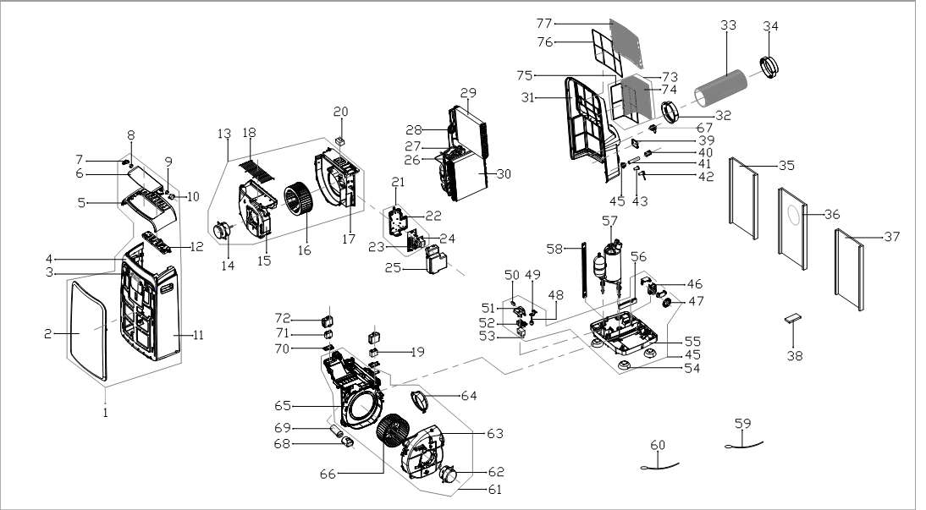
NO | PART NUMBER | UPDATED NUMBER |  | PART DESCRIPTION (ENG) | QTY | Notes
1 |  | 2011254A0719 |  | Front panel assembly | 1 | Special Order
2 |  | 201125490652 |  | Front panel | 1 | Special Order
3 |  | 201325390041 |  | Signal receiving board assembly | 1 | Special Order
4 |  | 201125490650 |  | Adorn board | 1 | Special Order
5 |  | 201125490648 |  | Upper panel | 1 | Special Order
6 |  | 201125490649 |  | Horizontal louver | 1 | Special Order
7 |  | 201125490646 |  | Bracket | 1 | Special Order
8 |  | 201125490645 |  | Gear wheel | 1
9 |  | 201125490647 |  | Gear wheel | 1
10 |  | 202400200067 |  | Louver motor | 1
11 |  | 201125490651 |  | Mid panel | 1 | Special Order
12 |  | 203325490277 |  | Display box assembly | 1
13 |  | 201125490655 |  | Air outlet volute shell assembly | 1 | Special Order
14 |  | 202400401435 |  | Asynchronous motor | 1
15 |  | 201125490629 |  | Air outlet volute shell | 1 | Special Order
16 |  | 201100100838 |  | Centrifugal fan | 1 | Special Order
17 |  | 201125490628 |  | Cover of Air outlet volute shell | 1 | Special Order
18 |  | 201225490132 |  | Air outlet grille | 1 | Special Order
19 |  | 202401100354 |  | Capacitor of fan motor | 1
20 |  | 202225490007 |  | Float | 1
21 | 203325490278 | 2033254A0284 |  | Electronic control box assembly | 1 | Special Order Update material code. The old and new one can be exchanged.
22 |  | 201125490621 |  | Electronic control box | 1 | Special Order
23 | 201325490310 | 2013254A0112 |  | Main control board assembly | 1 | Update material code. The old and new one can be exchanged.
24 |  | 202300900193 |  | Transformer | 1
25 |  | 201125490631 |  | Cover of electronic control box | 1 | Special Order
26 |  | 201625290276 |  | Suction pipe assembly | 1 | Special Order
27 |  | 201625290274 |  | Discharge pipe assembly | 1 | Special Order
28 |  | 201625690028 |  | Capillary assembly | 1 | Special Order
29 |  | 201525690013 |  | Evaporator coil assembly | 1 | Special Order
30 |  | 201525690012 |  | Condenser assembly | 1 | Special Order
31 |  | 201125490637 |  | Rear panel assembly | 1 | Special Order
32 |  | 201125490642 |  | Connector of air exchaust duct (unit end) | 1
33 |  | 2011251A0310 |  | Flexible air exhaust hose | 1
34 | 2011256A0025 | 201125490373 | 12100506A00013 | Air exhaust passage (window end) | 1 | Parts are not interchangeable 2011256A0025 is oval 201125490373 is round
35 | 2011251A0309 | 2011252A0323 |  | Window sealing board I | 0 | Order as Kit Parts are not interchangeable
36 | 2011251A0308 | 2011252A0321 |  | Window sealing board II | 0
37 | 2011251A0307 | 2011252A0322 |  | Window sealing board III | 0
38 | 2033550A8045 | 2033550A9886 |  | Remote controller | 1 | Parts are not interchangeable
39 |  | 201125490668 |  | Power cord cover | 1 | Special Order
40 |  | 201125190292 |  | Cover of drain connector | 1
41 |  | 201125490605 |  | Drain pipe | 1
42 | 202725490013 | 202725490017 |  | Drain stopper | 1
43 |  | 202725190001 |  | Drain stopper | 1
44 |  | 201125490271 |  | Drain connector | 1
45 |  | 201125490671 |  | Chassis assembly | 1 | Special Order
46 |  | 202400700021 |  | Shaded pole motor | 1
47 |  | 201125190046 |  | Water wheel | 1
48 |  | 202301800917 |  | Water level sensor | 1
49 |  | 201225490059 |  | Bracket of water level sensor | 1 | Special Order
50 |  | 202301830114 |  | Micro switch | 1
51 |  | 201125490624 |  | Bracket of Micro switch | 1 | Special Order
52 |  | 201125490623 |  | Floatcase | 1
53 |  | 202225490007 |  | Float | 1
54 |  | 202725100004 |  | Universal wheel | 4
55 |  | 201125490625 |  | Chassis | 1 | Special Order
56 |  | 202225290002 |  | Waterproof foam | 1 | Special Order
57 |  | 201400601090 |  | Compressor | 1 | Special Order
58 |  | 201225490101 |  | Supporting bar | 1 | Special Order
59 |  | 202301300445 |  | Pipe temperature sensor assembly | 1
60 |  | 202301310072 |  | Indoor temperature sensor assembly | 1
61 |  | 201125490654 |  | Air exhaust volute shell assembly | 1 | Special Order
62 |  | 202400401434 |  | Asynchronous motor | 1
63 |  | 201125490619 |  | Cover of air exhause volute shell | 1 | Special Order
64 |  | 201125490618 |  | Connector of air exchaust duct | 1
65 | 201125490620 | 201125490748 |  | Middle partition board | 1 | Special Order
66 |  | 201100100837 |  | Centrifugal fan | 1
67 |  | 202402290006 |  | Power cord | 1
68 |  | 201125490630 |  | Capacitor box | 1 | Special Order
69 |  | 202401000002 |  | Capacitor of compressor | 1
70 |  | 201125490633 |  | Fasten board of Capacitor | 1 | Special Order
71 |  | 202401100977 |  | Capacitor of fan motor | 1
72 |  | 201125490632 |  | Capacitor box | 1 | Special Order
73 |  | 201125490634 |  | Outdoor air inlet grille assembly | 1
74 |  | 201125490635 |  | Outdoor air inlet grille | 1
75 |  | 201125490636 |  | filter | 1
76 |  | 201125490639 |  | Top filter | 1
77 |  | 201125490640 |  | Indoor air inlet grille | 1
78 |  | 2020254A1547 |  | Control panel lebel | 1 | Special Order
79 |  | 260K00000388 |  | Window sealing board assembly | 1
 |  | 12100801000019 |  | Plastic Plug | 2
 |  | 12420600000419 |  | Foam Kit for DPA sealing | 1

