PART CD
Danby Model: DPA120DBAUGDB
Factory Model: MYPD-12CRN1-BH9
Effective Date: 19/12/2017
Revision: 00
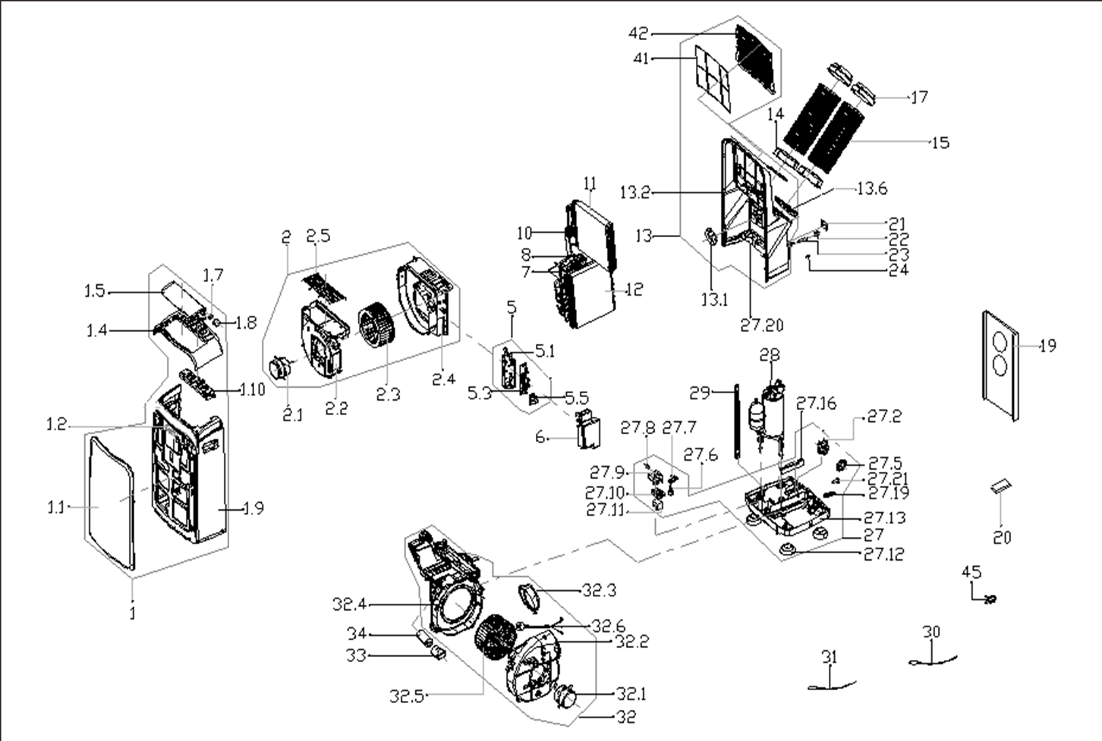
NO | PART NUMBER | PART DESCRIPTION (ENG) | QTY | PARTS SPECIFICATION | Notes
1 | 12120600A18795 | Front panel assembly | 1 | HIPS | Special Order
1.1 | 12120600A10395 | Front panel | 1 | HIPS | Special Order
1.2 | 17120600000020 | Signal receiving board asbly | 1 | US-KCD30Y1/N1-N2(H9).D.06.JS1.2
1.4 | 12120600001249 | Upper panel | 1 | HIPS | Special Order
1.5 | 12120600000009 | Horizontal louver | 1 | HIPS | Special Order
1.7 | 12120600000004 | Gear wheel | 1 |  | Special Order
1.8 | 11002010000176 | stepper motor | 1 | SM-30-17-12-2 /MP30EA6
1.9 | 12120600002939 | middle panel subassembly | 1 | HIPS | Special Order
1.10 | 17220600A00078 | Display box | 1 | CAN-KC35Y1/N1-PD(H9).D.06.XK1.5
2 | 12120600002062 | Air outlet volute shell asbly | 1 |  | Special Order
2.1 | 11002012010724 | Asynchronous motor | 1 | YDK27-6(YSLB-33-6-0001), 115V 60Hz
2.2 | 12120600000898 | Air outlet volute shell | 1 |  | Special Order
2.3 | 12100103000099 | Centrifugal Fan | 1 | LX-222*95*8-39JN
2.4 | 12120600000926 | Cover for Air outlet volute shell | 1 |  | Special Order
2.5 | 12220600000039 | Outdoor air inlet grille | 1 |  | Special Order
5 | 17220600000583 | Elec. control box subassly. | 1 | US-KC35Y1/N1-PD(FASTER).D.06.DK1.1 | Special Order
5.1 | 12120600003259 | Electronic control box | 1 |  | Special Order
5.3 | 17120600000888 | Main control board subassembly | 1 | US-KC35Y1/N1-PD(FASTER).ZJD.JYD.NK.NK2.1
5.5 | 17122000019901 | Capacitor aux. board subassly | 1 | US-CAP.D.30.JD1.2 | Special Order
6 | 12120600003819 | Electronic control box cover | 1 |  | Special Order
7 | 15120600001632 | Suction pipe assembly | 1 |  | Special Order
8 | 15120600001630 | Discharge pipe assembly | 1 |  | Special Order
10 | 15120600000460 | Capillary Assembly | 1 | φ2.5*1.1*600*2 | Special Order
11 | 15820600000081 | Evaporator assembly | 1 | US-KC35S1/N1-PD(H9).ZL[A].1 | Special Order
12 | 15820600000249 | Condenser Assembly | 1 | EU-KC35Y1/N1-PD(B6).ZL.1 | Special Order
13 | 12120600000532 | Rear Panel assembly | 1 | HIPS | Special Order
13.1 | 12120600000552 | Cover for exhaust | 1 |  | Special Order
13.2 | 12120600000487 | Rear panel | 1 | HIPS | Special Order
13.6 | 12120600001516 | Protective grille | 2 | Gray | Special Order
14 | 12120600003049 | Connector, air exchaust duct | 2 | HIPS
15 | 12120600A12675 | Exhaust hose subassembly | 2 | White
17 | 12120600A12674 | Connecter, air excaust duct | 2 | White
19 | 12020600A00201 | Sealling board assembly | 1 | Include three boards
 | 12100801000019 | Plastic Plug | 2
 | 12420600000419 | Foam Kit for DPA sealing | 1
20 | 17317000A49817 | Remote controller | 1 | RG57H(B)/BGCEU1
21 | 12120600000032 | Power box cover | 1 |  | Special Order
22 | 12120600001497 | Drain connection | 1 | HIPS
23 | 12100509000040 | Drain pipe | 1
24 | 12600801000036 | Drain Stopper | 1
27 | 12120600002493 | Chassis assembly | 1 | HIPS | Special Order
27.2 | 11002017000725 | Shaded-pole motor | 1 | YJF617-61-05(PLD61-120LP01), 115V 60Hz
27.5 | 12120600000250 | Water Wheel | 1
27.6 | 17400511000003 | Water Level Switch | 1 | SWKG-80B
27.7 | 12220600000265 | Bracket | 1 | Black | Special Order
27.8 | 17400512000001 | Micro Switch | 1 | KW3A-5 or LF-10-02
27.9 | 12120600001417 | Bracket of Micro switch | 1 |  | Special Order
27.10 | 12120600001259 | Dobber case | 1
27.11 | 12820600000007 | Dobber | 1
27.12 | 12620600000019 | Universal wheel | 4
27.13 | 12120600001650 | Chassis Subassembly | 1 | HIPS | Special Order
27.16 | 12820600000003 | Waterproof foam | 1 |  | Special Order
27.19 | 12120600001470 | Drain pipe | 1 | Black
27.20 | 12120600000265 | Chassis connction plate | 1 | Black | Special Order
27.21 | 12600801000048 | Drain Stopper | 1 | Black
28 | 11103010008211 | Fixed Speed Rotary Compressor | 1 | ASM106E4UCZD | Special Order
29 | 12220600000082 | Supporting bar | 1 |  | Special Order
30 | 11201007000069 | Pipe Temperature Sensor | 1 | CGQ-WD/GW4100-L650-SMP3B-P600
31 | 11201007000073 | Room Temperature Sensor | 1 | CGQ-WD/SW4100-L250-SMP2-P190
32 | 12120600A04875 | Air exhaust volute subassly | 1 |  | Special Order
32.1 | 11002012010725 | Asynchronous motor | 1 | YDK50-6ES(YSLB-50-6-0013), 115V 60Hz
32.2 | 12120600004243 | Air ex. volute cover(outdoor) | 1 |  | Special Order
32.3 | 12100506000031 | Exhaust fixed joint subassly | 1 |  | Special Order
32.4 | 12120600000831 | Partition board | 1 | HIPS | Special Order
32.5 | 12100103000027 | Centrifugal Fan | 1 | LX-239*110*8-39JN
32.6 | 17401202000174 | Power cord subassembly | 1 | AWM Style JLL301-14;V 120, A 15;AWG 14#
33 | 12100601000126 | Capacitor box | 1 |  | Special Order
34 | 17400103000090 | Capacitor of compressor | 1 | 70UF/250V-50-P2
41 | 12120600002161 | inside filte | 1 | EU-KCD35Y1/N1-PD.8-3A
42 | 12120600000611 | Indoor air inlet grille | 1 | HIPS
45 | 12220600000074 | Supporting bar | 1 |  | Special Order

