PART CD
Danby Model: DPA080BBUWDB
Factory Model: MPPH-08CRN1-BI0
Effective Date: 15/12/2017
Revision: 00
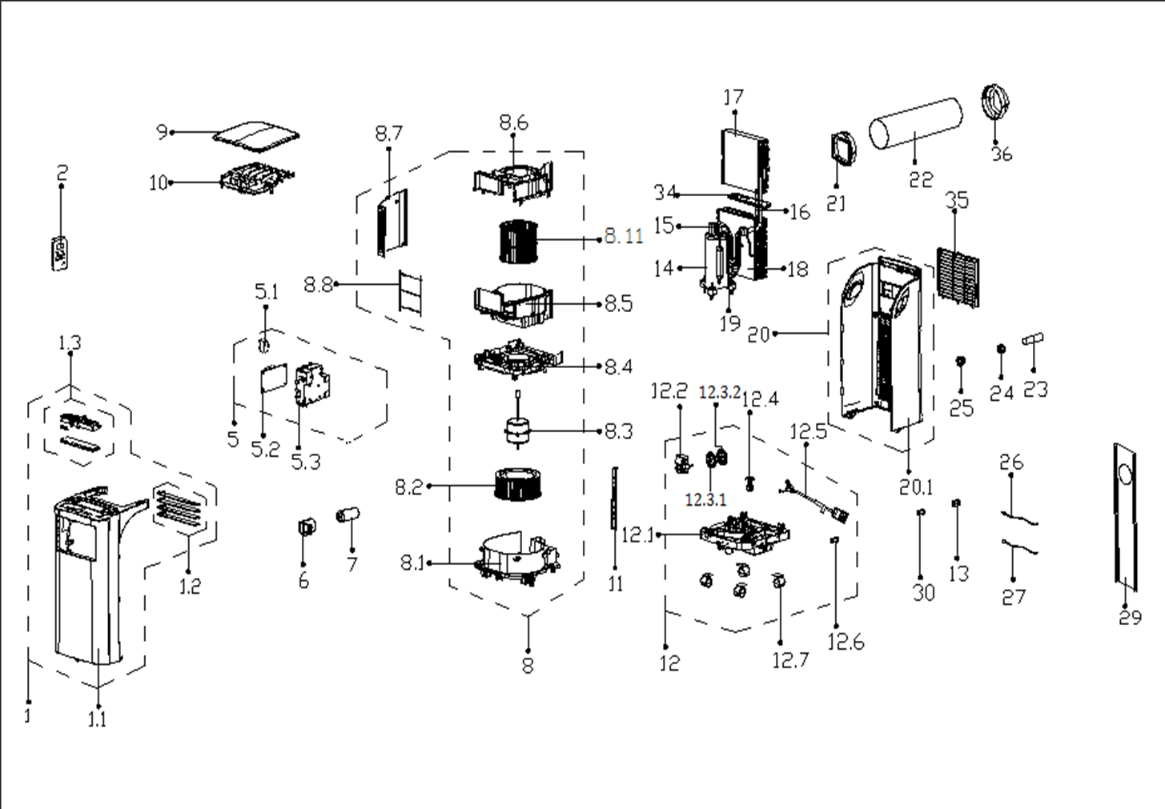
NO | PART NUMBER | PART DESCRIPTION (ENG) | QTY | PARTS SPECIFICATION | Notes
1 | 12120600A04154 | Front panel assembly | 1 | HIPS | Special Order
1.1 | 12120600001220 | Front panel subassembly | 1 | HIPS | Special Order
1.2 | 12120600000150 | Connecting rod of louver assly | 1 |  | Special Order
1.3 | 17220600000226 | Display board subassembly | 1 | US-KC30Y1/N1-PH(I0).JD.YD.XS.XK1.1
2 | 17317000A49777 | Remote controller | 1 | RG57H1(B)/BGCEU1-M
5 | 17220600001122 | E-control box subassly | 1 | US-KC30Y1/N1-PH(I0).ZJD.JYD.NK.DK1.2 | Special Order
5.1 | 17400101000037 | Capacitor of fan motor | 1 | 15UF/250V-P0
5.2 | 17120600001490 | Main control board subassembly | 1 | US-KC30Y1/N1-PH(I0)(XH).ZJD.JYD.NK.NK2.1
5.3 | 12120600003085 | Electronic control box | 1 |  | Special Order
6 | 12100601000106 | Capacitor box | 1 |  | Special Order
7 | 17400103000052 | Capacitor of compressor | 1 | 45UF/250V
8 | 12120600002919 | Air outlet volute shell assly | 1 | Gray | Special Order
8.1 | 12120600002920 | Air exhaust volute subassly | 1 | Gray | Special Order
8.2 | 12100103000043 | Centrifugal Fan | 1 | LX-218*84*8-76JN(A)
8.3 | 11002012004749 | Single phase asynch. motor | 1 | YSK90-4E(YSLA-80-4-B001)
8.4 | 12120600003539 | Air exhause volute shell cover | 1 | Gray | Special Order
8.5 | 12120600000900 | Air outlet volute shell | 1 | Gray | Special Order
8.6 | 12120600000907 | Air outlet volute shell | 1 | Gray | Special Order
8.7 | 12120600000431 | Sealing Board | 1 |  | Special Order
8.8 | 12220600000016 | Air outlet grille | 1
8.11 | 12100103000025 | Centrifugal Fan | 1 | LX-175*142*10-40J
9 | 12120600001236 | Upper panel | 1 | HIPS | Special Order
10 | 12120600000427 | Sealing Board | 1 |  | Special Order
11 | 12220600000079 | Supporting bar | 2 |  | Special Order
12 | 12120600A12914 | Chassis assembly | 1 | HIPS | Special Order
12.1 | 12120600004183 | Chassis subassembly | 1 | HIPS | Special Order
12.2 | 11002017000545 | Shaded-pole motor | 1 | YJF617-61-05(PLD61-120LP01)
12.3.1 | 12120600000250 | Water Wheel | 1 | HIPS
12.3.2 | 12120600002923 | Water Wheel | 1 | Gray
12.4 | 17400511000002 | Water Level Switch | 1 | SWKG-104B
12.5 | 17401202000109 | Power cord subassembly | 1
12.6 | 12600801000048 | Drain Stopper | 1 | Black
12.7 | 12620600000019 | Universal wheel | 4
13 | 12120600001499 | Cover of Drain connector | 1
14 | 11103010010810 | Fixed Speed Rotary Compressor | 1 | ASK68E11VZZX | Special Order
15 | 15120600001932 | Discharge pipe assembly | 1 | Black | Special Order
16 | 15120600000402 | Capillary Assembly | 1 | φ2.5*1.3*800 | Special Order
17 | 15820600000057 | Evaporator assembly | 1 | US-KC23Y1/N1-PH(I0).ZL.1 | Special Order
18 | 15820600000476 | Condenser Assembly | 1 | EU-KC26Y1/N1-PH(B6)-G1.ZL.2A REACH-6 | Special Order
19 | 15120600001930 | Suction pipe assembly | 1 |  | Special Order
20 | 12120600000515 | Rear Panel assembly | 1 | HIPS | Special Order
20.1 | 12120600000491 | Rear panel | 1 | HIPS | Special Order
21 | 12120600003048 | Connector, air exchaust duct | 1 | White
22 | 12120600A12675 | Exhaust hose subassembly | 1 | White
23 | 12100509000040 | Drain pipe | 1
24 | 12120600001492 | Drain connection | 1
25 | 12100510000017 | Drain connection | 1 | HIPS
26 | 11201007001006 | Pipe Temperature Sensor | 1 | CGQ-WD/GW4100-L1000-SMP3-P950
27 | 11201007002561 | Room Temperature Sensor | 1 | CGQ-WD/SW4100-L800-SMP2-P750-H1.0
29 | 12020600A00083 | Sealing Board | 1 | I.clude three boards
 | 12100801000019 | Plastic Plug | 2
 | 12420600000419 | Foam Kit for DPA sealing | 1
30 | 12600801000048 | Drain Stopper | 1 | Black
35 | 12120600000634 | Indoor air inlet grille | 1 | White
36 | 12120600A12674 | Connecter, air excaust duct | 1 | White

