PART CD
Danby Model: DPA080BAUWDB
Factory Model: MPPHA-08CRN1-BH9
Effective Date: 15/12/2017
Revision: 00
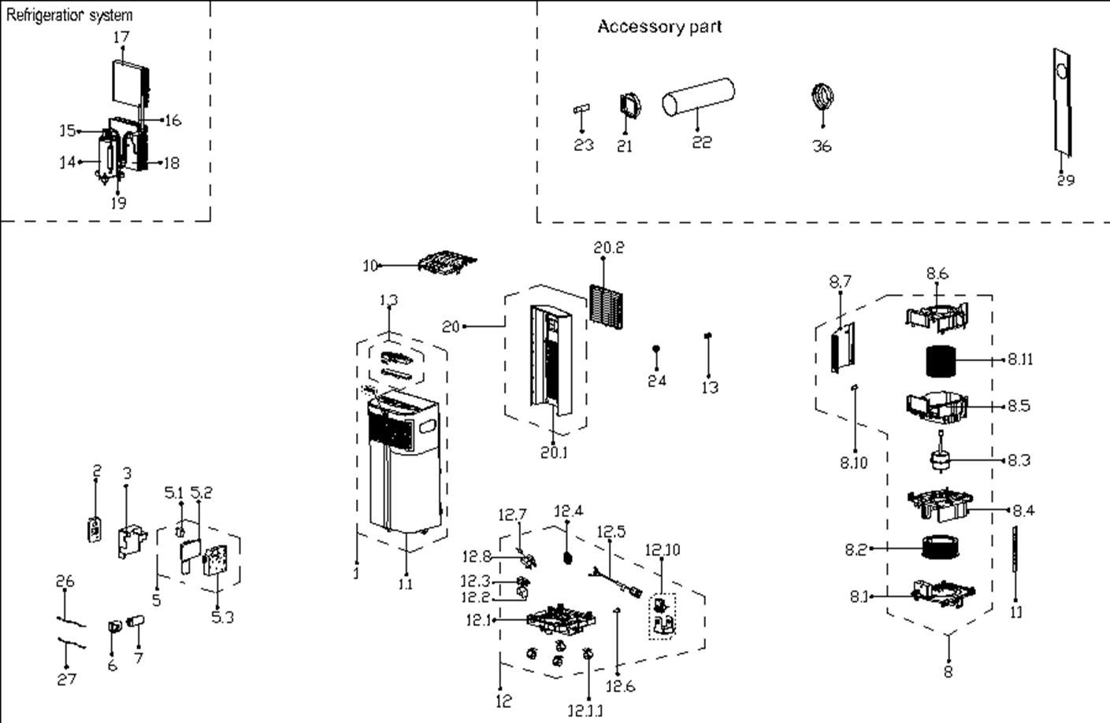
NO | PART NUMBER | PART DESCRIPTION (ENG) | QTY | PARTS SPECIFICATION | Notes
1 | 12120600A18775 | Front panel assembly | 1 | HIPS | Special Order
1.1 | 12120600003089 | Front panel subassembly | 1 | HIPS | Special Order
1.3 | 17220600000861 | Display board subassembly | 1 | US-KC23Y1/N1-PHA.JD.YD.XS.XK1.1
2 | 17317000A49777 | Remote controller | 1 | RG57H1(B)/BGCEU1-M
3 | 12220600000643 | Fireproof E-control box cover | 1 |  | Special Order
5 | 17220600000860 | E-control box subassly | 1 | US-KC23Y1/N1-PHA.4.JD.YD.NK.DK1.1 | Special Order
5.1 | 17400101000061 | Capacitor of fan motor | 1 | 10UF/250V-P0
5.2 | 17120600001490 | Main control board subassembly | 1 | US-KC30Y1/N1-PH(I0)(XH).ZJD.JYD.NK.NK2.1
5.3 | 12120600003085 | Electronic control box | 1 |  | Special Order
6 | 12100601000126 | Capacitor box | 1 |  | Special Order
7 | 17400103000055 | Capacitor of compressor | 1 | 35UF/450V-50-P2(2000h)
8 | 12120600003088 | Air exhaust volute shell assly | 1 | Gray | Special Order
8.1 | 12120600003091 | Exhaust Volute Subassembly | 1 | Gray | Special Order
8.2 | 12100103000705 | centrifuge fan | 1 | LX-200*75*8-60JN PP-28GF
8.3 | 11002012026042 | Single phase asynch. motor | 1 | YKTS-64-4-51L, Rating (V) 115
8.4 | 12120600003399 | Air exhause volute shell cover | 1 | Gray | Special Order
8.5 | 12120600003087 | Air outlet volute shell | 1 | Gray | Special Order
8.6 | 12120600003093 | Air outlet volute shell | 1 | Gray | Special Order
8.7 | 12120600003092 | Sealing board | 1 | Gray | Special Order
8.10 | 12600801000048 | Drain Stopper | 1 | Black
8.11 | 12100103000704 | centrifuge fan | 1 | LX-150*114*10-40J
10 | 12120600003084 | Top clapboard | 1 |  | Special Order
11 | 12220600000642 | Supporting bar | 2 |  | Special Order
12 | 12120600A12858 | Chassis assembly | 1 | HIPS | Special Order
12.1 | 12120600003082 | Chassis subassembly | 1 | Gray | Special Order
12.2 | 12820600000007 | Dobber | 1
12.3 | 12120600001259 | Dobber case | 1
12.4 | 12120600000250 | Water Wheel | 1
12.5 | 17401202000109 | Power cord subassembly | 1
12.6 | 12600801000048 | Drain Stopper | 1 | Black
12.7 | 17400512000001 | Micro Switch | 1 | MS-16
12.8 | 12120600001417 | Bracket of Micro switch | 1 |  | Special Order
12.10 | 17400801001134 | Motor Subassembly | 1 | US-KC23Y1/N1-PHA.1.1 YZ-61-13-2-10 /YJF617-61-07 | Special Order
12.10.1 | 11002017000032 | Splash motor | 1 | YJF617-61-07(PLD61-120 LP01), 115, 60 Hz, 0.24A
12.11 | 12620100000015 | Universal wheel | 4
13 | 12120600001499 | Cover of Drain connector | 1
14 | 11103010000405 | Fixed Speed Rotary Compressor | 1 | 39B171HA&amp;FUKB | Special Order
15 | 15120600001572 | Discharge pipe assembly | 1 |  | Special Order
16 | 15120600001594 | Capillary Assembly | 1 | φ2.5*1.1*450 | Special Order
17 | 15820600000516 | Evaporator Assembly | 1 | US-KC23Y1/N1-PHA(H9).ZL[AL].2 | Special Order
18 | 15820600000518 | Condenser Assembly | 1 | US-KC23Y1/N1-PHA(H9).ZL.1 | Special Order
19 | 15120600001591 | Suction pipe assembly | 1 |  | Special Order
20 | 12120600003080 | Rear Panel assembly | 1 | HIPS | Special Order
20.1 | 12120600003079 | Rear panel | 1 | HIPS | Special Order
20.2 | 12120600003081 | Indoor air inlet grille | 1 | HIPS
21 | 12120600003563 | Connector, air exchaust duct | 1 | White
22 | 12120600A13766 | Exhaust hose subassembly | 1 | White
23 | 12100509000040 | Drain pipe | 1 | White
24 | 12120600001492 | Drain connection | 1
26 | 11201007001006 | Pipe Temperature Sensor | 1 | CGQ-WD/GW4100-L1000-SMP3-P950
27 | 11201007002561 | Room Temperature Sensor | 1 | CGQ-WD/SW4100-L800-SMP2-P750-H1.0
29 | 12020600A00083 | Sealling board assembly | 1 | Include three board
 | 12100801000019 | Plastic Plug | 2
 | 12420600000419 | Foam Kit for DPA sealing | 1
36 | 12120600A13765 | Connector, air exchaust duct | 1 | White

