PART CD
Danby Model: DPA080BACBDB
Factory Model: MPPHA-08CRN1-BH9
Effective Date: 02/03/2017
Revision:
NO | PART NUMBER | Updated Part Number, May 2018 (changing colour) | PART DESCRIPTION (ENG) | QTY | PARTS SPECIFICATION | Notes
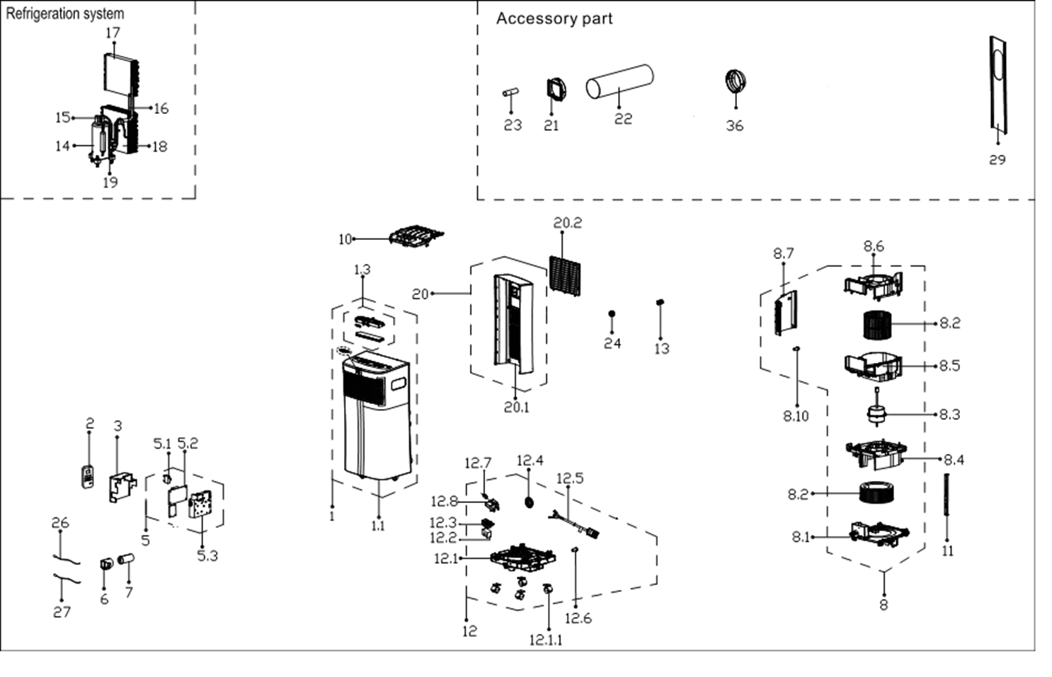
1 | 12120300A16156 | 12120300A20643 | Front panel assembly | 1 | ABS | Special Order
1.1 | 12120600A13761 | 12120600A19188 | Front panel assembly | 1 | ABS+Black | Special Order
1.3 | 17220600000861 |  | Display box components | 1 | US-KC23Y1/N1-PHA.JD.YD.XS.XK1.1
2 | 17317000A35082 |  | Remote controller | 1 | RG57H1(B)/BGCE-M
3 | 12220600000643 |  | Fireproof E-control box cover | 1 | Galvanized plate 0.6mm | Special Order
5 | 17220600A03765 |  | Electronic control box assly. | 1 | US-KC23Y1/N1-PHA.4.JD.YD.NK.DK1.1-01 | Special Order
5.1 | 17400101000061 |  | Capacitor | 1 | Rating, uF, V 10, 250 | Special Order
5.2 | 17120600A01572 |  | Main control board assembly | 1 | US-KC30Y1/N1-PH(I0).ZJD.JYD.NK.NK2.1
5.3 | 12120600003085 |  | Electronic control box | 1 | ABS | Special Order
6 | 12100601000126 |  | Capacitor box | 1 |  | Special Order
7 | 17400103000055 |  | Capacitor for compressor | 1 | Rating, uF, Min. V 35, 250 | Special Order
8 | 12120600A13077 | 12120600003088 | Air exhaust volute shell assy | 1 |  | Special Order
8.1 | 12120600003091 |  | Exhaust Volute Subassembly | 1 | HIPS | Special Order
8.2.1 | 12100103000704 |  | Centrifugal fan | 1 | LX-150*114*10-40J | upper fan
8.2.2 | 12100103000705 |  | Centrifugal fan | 1 | LX-200*75*8-60JN | lower fan
8.3 | 11002012A03113 | 11002012026042 | Single phase asynch. motor | 1 | Rating (V, RLA) 115, 1.57
8.4 | 12120600003399 |  | Air exhause volute shell cover | 1 | ABS | Special Order
8.5 | 12120600003087 |  | Air outlet volute shell | 1 | HIPS | Special Order
8.6 | 12120600003093 |  | Air outlet volute shell cover | 1 | HIPS | Special Order
8.7 | 12120600003092 |  | Right clapboard | 1 | HIPS | Special Order
8.10 | 12600801000048 |  | Drain Stopper | 1 | Black
10 | 12120600003084 |  | Top clapboard | 1 | HIPS | Special Order
11 | 12220600000642 |  | Supporting bar | 2 | Galvanized plate 1.2mm | Special Order
12 | 12120600003083 | 12120600A12858 | Chassis Assembly | 1 | PP | Special Order
12.1 | 12120600003082 |  | Chassis assembly | 1 | PP | Special Order
12.1.1 | 12620100000015 |  | Universal wheel | 1
12.2 | 12820600000007 |  | Floater foam | 1 |  | Special Order
12.3 | 12120600001259 |  | Floater box | 1
12.5 | 17401202000085 |  | Power Supply Cable Subassembly | 1 | Cord Set Rating, V, A 120, 15 | Special Order
12.6 | 12600801000048 |  | Drain Stopper | 1 | Black
12.7 | 17400512000001 |  | Micro Switch | 1 | EU-KCD26Y1/N1-PD(B6)-G1.ZL.5
12.8 | 12120600001417 |  | Micro switch support | 1 |  | Special Order
13 | 12120600A00746 |  | Drain connector(bottom) | 1
14 | 11103010000405 |  | Fixed speed rotary compressor | 1 | Volts 115 Phase 1 Cycle 60 | Special Order
15 | 15120600001572 |  | Compressor exhaust pipe Assly. | 1 |  | Special Order
16 | 15120600001594 |  | Capillary Assembly | 1 | φ2.5*1.1*450 | Special Order
17 | 15820600000516 |  | Evaporator Assembly | 1 | US-KC23Y1/N1-PHA(H9).ZL[AL].2 | Special Order
18 | 15820600000518 |  | Condenser Assembly | 1 | US-KC23Y1/N1-PHA(H9).ZL.1 | Special Order
19 | 15120600001591 |  | Compressor suction pipe Assly. | 1 |  | Special Order
20 | 12120600A13757 | 12120600A19184 | Rear panel assembly | 1 | ABS+Black | Special Order
20.1 | 12120600A13755 | 12120600A19185 | Rear panel | 1 | ABS+Black | Special Order
20.2 | 12120600A13758 | 12120600A19186 | Air inlet grille | 1 | ABS+Black
21 | 12120600A13770 |  | Connector, air exchaust duct | 1
22 | 12120600A13768 |  | Flexible air exhaust hose | 1
23 | 12100509000040 |  | Drain pipe | 1
24 | 12120600A00839 |  | Drain connector(up) | 1
26 | 11201007001006 |  | Temperature Sensor | 1 | CGQ-WD/GW4100-L1000-SMP3-P950
27 | 11201007001000 |  | Room Temperature Sensor | 1 | CGQ-WD/GW4100-L1000-SMP3-P950
29 | 12020600A00081 |  | Window Sealing Board Assembly | 1 | Contains three seal plates
 | 12100801000019 |  | Plastic Plug | 2
 | 12420600000419 |  | Foam Kit for DPA sealing | 1
36 | 12120600A13767 |  | Connector, air exchaust duct | 1 | Black
 | 12220300000863 |  | Security brack | 1
 | 11303125000177 |  | Self-trap screw | 2

