PART CD
Danby Model: DPA060B7BDB
Factory Model: MPPHA-06CRN1-BH9
Effective Date: 08/01/2019
Revision: 00
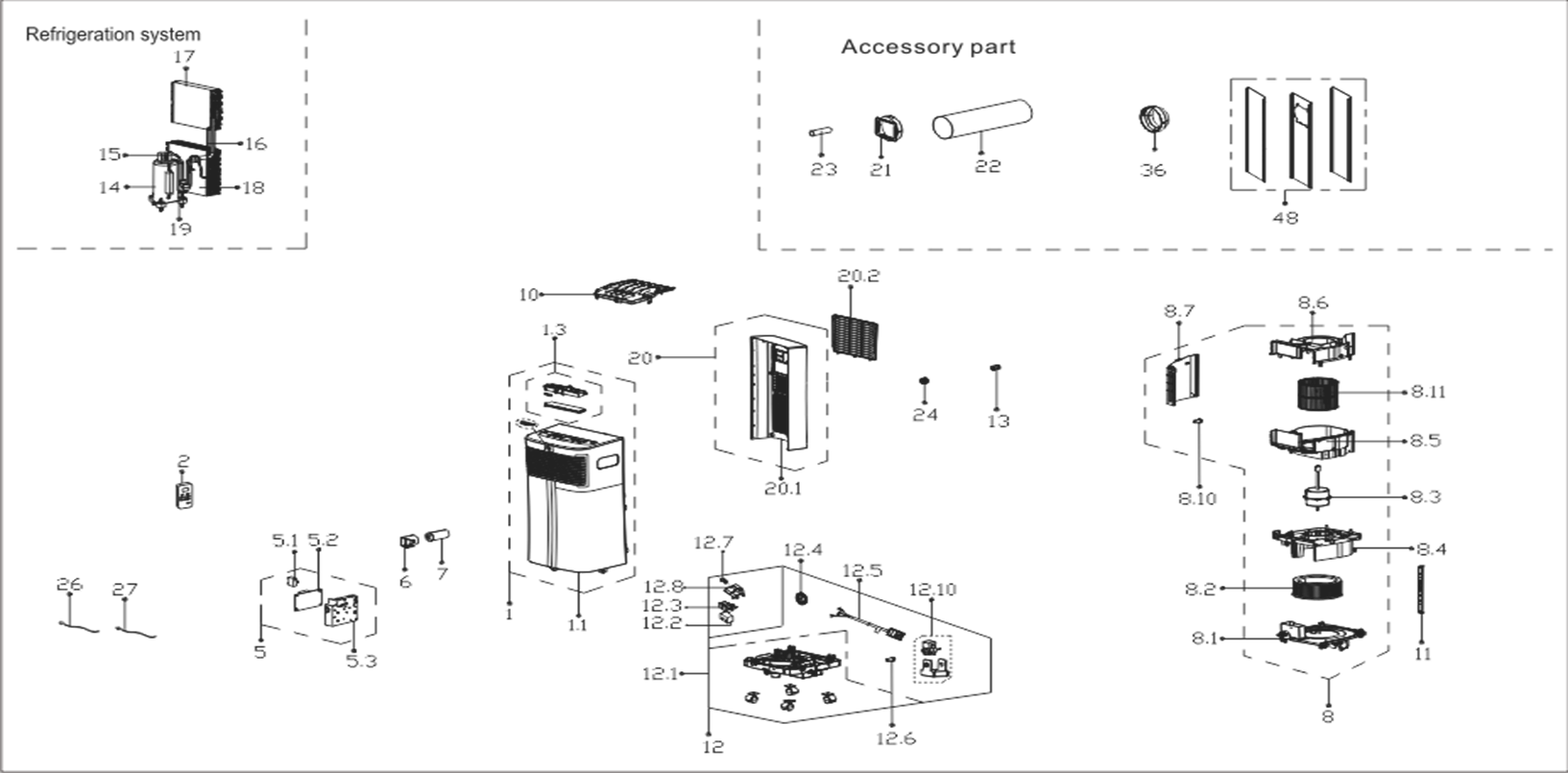
NO | PART NUMBER | PART DESCRIPTION (ENG) | QTY | PARTS SPECIFICATION | Notes
1 | 12120600A21359 | Front panel assembly | 1 |  | Special Order
1.1 | 12120600A19188 | Front panel assembly | 1 | ABS | Special Order
1.3 | 17220600001364 | Display box components | 1 | US-KC23Y1/N1-PHA(PHD).JD.YD.XS.XK1.1
2 | 17317000A53123 | Remote controller | 1 | RG57H1(B)/BGCE-M
5 | 17220600001361 | Electronic control box assly. | 1 | US-KC23Y1/N1-PHA.ZY001.JD.YD.NK.DK1.1 | Special Order
5.1 | 17400101000061 | Capacitor | 1 | Rating, uF, V 10, 250
5.2 | 17120600001729 | Main control board assembly | 1 | US-KC30Y1/N1-PH(PHD).ZY001.JD.YD.NK.NK2.1
5.3 | 12120600004403 | Electronic control box | 1 | ABS | Special Order
6 | 12100601000126 | Capacitor box | 1 |  | Special Order
7 | 17400103000055 | Capacitor for compressor | 1 | Rating, uF, Min. V 35, 250
8 | 12120600004985 | Air exhaust volute shell assly | 1 | HIPS | Special Order
8.1 | 12120600004568 | Exhaust Volute Subassembly | 1 | HIPS | Special Order
8.2 | 12100103000705 | Centrifugal fan | 1 | LX-200*75*8-60JN
8.3 | 11002012032735 | Single phase asynch. motor | 1 | YKTS-64-4-51L-2, Rating (V) 115
8.4 | 12120600004565 | Air exhause volute shell cover | 1 | ABS | Special Order
8.5 | 12120600004566 | Air outlet volute shell | 1 | HIPS | Special Order
8.6 | 12120600004569 | Air outlet volute shell cover | 1 | HIPS | Special Order
8.7 | 12120600004567 | Right clapboard | 1 | HIPS | Special Order
8.10 | 12600801000048 | Drain Stopper | 1
8.11 | 12100103000704 | Centrifugal fan | 1 | LX-150*114*10-40J
10 | 12120600004572 | Top clapboard | 1 | HIPS | Special Order
11 | 12220600000642 | Supporting bar | 2 | 热镀锌板1.2毫米 | Special Order
12 | 12120600004983 | Chassis Assembly | 1 |  | Special Order
12.1 | 12120600004570 | Chassis assembly | 1 |  | Special Order
12.1.1 | 12620100000015 | Universal wheel | 4
12.2 | 12820600000007 | Floater foam | 1
12.3 | 12120600001259 | Floater box | 1
12.4 | 12120600000250 | Water wheel | 1
12.5 | 17401202000109 | Power Supply Cable Subassembly | 1 | 30380,21571,AWG 14x3,Plug V125,A15,Cord V120,A15
12.6 | 12600801000048 | Drain Stopper | 1
12.7 | 17400512000001 | Micro Switch | 1 | MS-16
12.8 | 12120600001417 | Micro switch support | 1 |  | Special Order
12.10 | 11002017002207 | Shaded-pole motor | 1 | YZ-61-13-2-10-1, 115V 60Hz
13 | 12120600A00839 | Drain connector | 1
14 | 11103010010829 | Fixed speed rotary compressor | 1 | ASK49E11VZZX,V115,Phase1,Cycle60 | Special Order
15 | 15120600001610 | Compressor exhaust pipe Assly. | 1 |  | Special Order
16 | 15120600001594 | Capillary Assembly | 1 | 2.5*1.1*450 | Special Order
17 | 15820600000809 | Evaporator Assembly | 1 | US-KC23Y1/N1-PHA(H9).ZL[AL].2(J) | Special Order
18 | 15820600000518 | Condenser Assembly | 1 | US-KC23Y1/N1-PHA(H9).ZL.1 | Special Order
19 | 15120600001591 | Compressor suction pipe Assly. | 1 |  | Special Order
20 | 12120600A19184 | Rear panel assembly | 1 |  | Special Order
20.1 | 12120600A19185 | Rear panel | 1 | ABS | Special Order
20.2 | 12120600A19186 | Air inlet grille | 1
21 | 12120600A13770 | Connector, air exchaust duct | 1
22 | 12120600A13768 | Flexible air exhaust hose | 1
23 | 12100509000040 | Drain pipe | 1
24 | 12120600A00746 | Drain connector | 1
26 | 11201007003441 | Temperature Sensor | 1 | CGQ-WD/GW4100-L1200-XACP2-P1150
27 | 11201007003426 | Room Temperature Sensor | 1 | CGQ-WD/SW4100-L1000-XHBCP2BL-P950-HT1.0
36 | 12120600A13767 | Connector, air exchaust duct | 1
48 | 12020600A00081 | Window Sealing Board Assembly | 1 | including 3pcs sealing plate
 | 12420600000419 | Foam Kit for DPA sealing | 1
 | 12100801000019 | Plastic Bolt | 2
 | 12220300000863 | Security Bracket | 1
 | 11303125000177 | Security Bracket Screw | 2

