PART CD
Danby Model: DPA060B1WDB
Factory Model: 'MPPDA-06CRN8-BCF5
Effective Date: 2020-12-24
Revision: 00
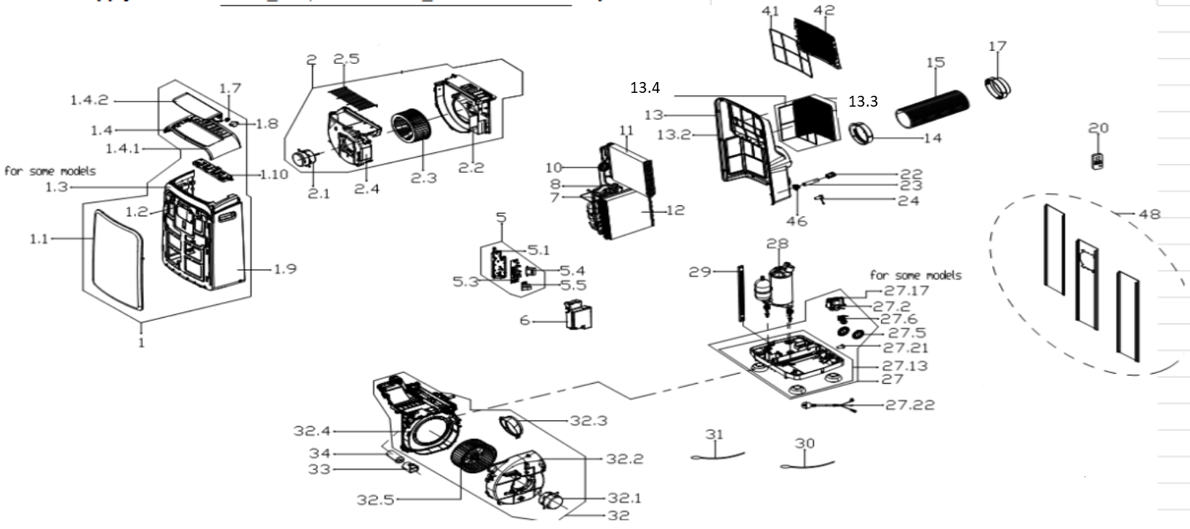
NO | PART NUMBER | PART DESCRIPTION (ENG) | QTY | PARTS SPECIFICATION | Notes
1 | 12120600A27226 | Front panel assembly | 1 | ABS | Special Order
1.1 | 12120600001065 | Front panel | 1 | ABS | Special Order
1.2 | 17120600000020 | Signal receiving board | 1 | US-KCD30Y1/N1-N2(H9).D.06.JS1.2 | Special Order
1.3 | 12120600000751 | Adorn board | 1 | ABS | Special Order
1.4 | 12120600004384 | Upper panel | 1 | ABS | Special Order
1.4.1 | 12120600001244 | Upper panel | 1 | ABS | Special Order
1.4.2 | 12120600000007 | Horizontal louver | 1 |  | Special Order
1.7 | 12120600000004 | Gear wheel | 1 |  | Special Order
1.8 | 11002010000176 | stepper motor | 1 | SM-30-17-12-2 /MP30EA6
1.9 | 12120600000749 | middle panel subassembly | 1 | ABS | Special Order
1.10 | 17220600001821 | Display board subassembly | 1 | US-KC35Y1/N8-PDA(PDH).ZY001.JD.YD.XS.XK1
2 | 12120600005526 | Cover of Air exhaust volute shell | 1 |  | Special Order
2.1 | 11002012030246 | Single phase asynch. motor | 1 | YKT-18-6-215L-2, 115V 60Hz
2.2 | 12120600004446 | Air outlet volute shell | 1 |  | Special Order
2.3 | 12100103000044 | Centrifugal Fan | 1 | LX-208*95*8-45JN
2.4 | 12120600000926 | Cover for Air outlet volute shell | 1 |  | Special Order
2.5 | 12220600000039 | Outdoor air inlet grille | 1 |  | Special Order
5 | 17220600001822 | Electronic control box | 1 | US-KC23Y1/N8-PD(PDH).ZY001.JD.YD.NK.DK1.1 | Special Order
5.1 | 12120600005863 | Electronic control box | 1 |  | Special Order
5.3 | 17120600002210 | Main control board subassembly | 1 | US-KC35Y1/N8-PD(PDH).ZY001.JD.YD.NK.NK2.1
5.4 | 11203103000067 | Linear Transformer | 1 | TT110-EI48-11/70-F4 or DB48-A16
5.5 | 17122000040152 | Capacitor auxiliary board | 1 | US-CAP(6+6).D.30.JD1.4 | Special Order
6 | 12120600004045 | Electronic control box cover | 1 |  | Special Order
7 | 15120600002106 | Suction pipe assembly | 1 | copper | Special Order
8 | 15120600002637 | Discharge pipe assembly | 1 | copper | Special Order
10 | 15120600002639 | Capillary Assembly | 1 | ф2.2*0.9*600 | Special Order
11 | 15820600000836 | Evaporator assembly | 1 | US-KCD35Y1/N1-PD(I0).ZL.1(J) | Special Order
12 | 15820600001037 | Condenser Assembly | 1 | US-KC18Y1/N8-PDA(CF5).ZL.1 | Special Order
13 | 12120600006426 | Rear Panel assembly | 1 | ABS | Special Order
13.2 | 12120600005708 | Rear Panel assembly | 1 | ABS | Special Order
13.3 | 12120600005703 | Outside inlet air frame unit | 1
13.4 | 12120600000661 | inside filter | 1
14 | 12120600003049 | Connector, air exhaust duct | 1
15 | 12120600A12675 | Exhaust hose subassembly | 1
17 | 12120600A12674 | Connecter, air exhaust duct | 1
20 | 17317000A60193 | remote controller | 1 | RG57H4(B)/BGCEF
22 | 12122000026164 | Drain connection cap | 1
23 | 12100509000040 | Drain pipe | 1
24 | 12600801000048 | Drainage plug | 2
27 | 12120600005549 | Chassis assembly | 1 |  | Special Order
27.2 | 11002017000725 | Shaded-pole motor | 1 | YZ-61-13-2-131 (YJ61-14E-BZ02-C),115V
27.5 | 12120600000250 | Water Wheel | 1
27.5 | 12120600000250 | Water Wheel | 1
27.6 | 17400511000164 | Water Level Switch | 1 | SWKG-105B
27.13 | 12120600005323 | Chassis Subassembly | 1 |  | Special Order
27.13.1 | 12620600000019 | Universal wheel | 4
 | 12120600001499 | Cover of Drain connector | 1
27.21 | 12600801000048 | Drain Stopper | 1 | Black
27.22 | 17401202006809 | Power cord subassembly | 1 | Cat.Nos.30380,Style 21571;120V,15A
28 | 11103010014611 | Fixed Speed Rotary Compressor | 1 | KSN78E11VBZC1 | Special Order
29 | 12220600000075 | Supporting bar | 1 |  | Special Order
30 | 11201007003442 | Pipe Temperature Sensor | 1 | CGQ-WD/GW4100-L850-XACP2-P800
31 | 11201007003425 | Pipe Temperature Sensor | 1 | CGQ-WD/SW4100-L500-XHBCP2BL-P450-HT1.0
32 | 12120600005684 | Air exhaust volute shell | 1 |  | Special Order
32.1 | 11002012026562 | Single phase asynch. motor | 1 | YKT-62-4-6-1(YSLB-62-4-007)115V, 60Hz
32.2 | 12120600000886 | Cover of Air exhaust volute shell | 1 |  | Special Order
32.3 | 12120600003639 | Exhaust fixed joint component | 1 |  | Special Order
32.4 | 12120600004443 | Partition board | 1 |  | Special Order
32.5 | 12100103000069 | Centrifugal Fan | 1 | LX-224*115*8-64JN
33 | 12120600001477 | Capacitor box | 1 |  | Special Order
34 | 17400103000364 | Capacitor of compressor | 1 | 50UF/250V
41 | 12100204000251 | inside filter | 1
42 | 12120600005707 | Indoor air inlet grille | 1
46 | 12120600001495 | Drain connection | 1
48 | 12020600A00083 | Installation kit subassembly | 1
 | 12420600000419 | Foam Kit for DPA sealing | 1
 | 12100801000019 | Plastic Bolt | 1
 | 12220300000863 | Security Bracket | 1
 | 11303125000177 | Security Bracket Screw | 2

