PART CD
Danby Model: DMW09A2BDB
Factory Model: P90D23AP-ST
Effective Date: 12/07/2017
Revision:
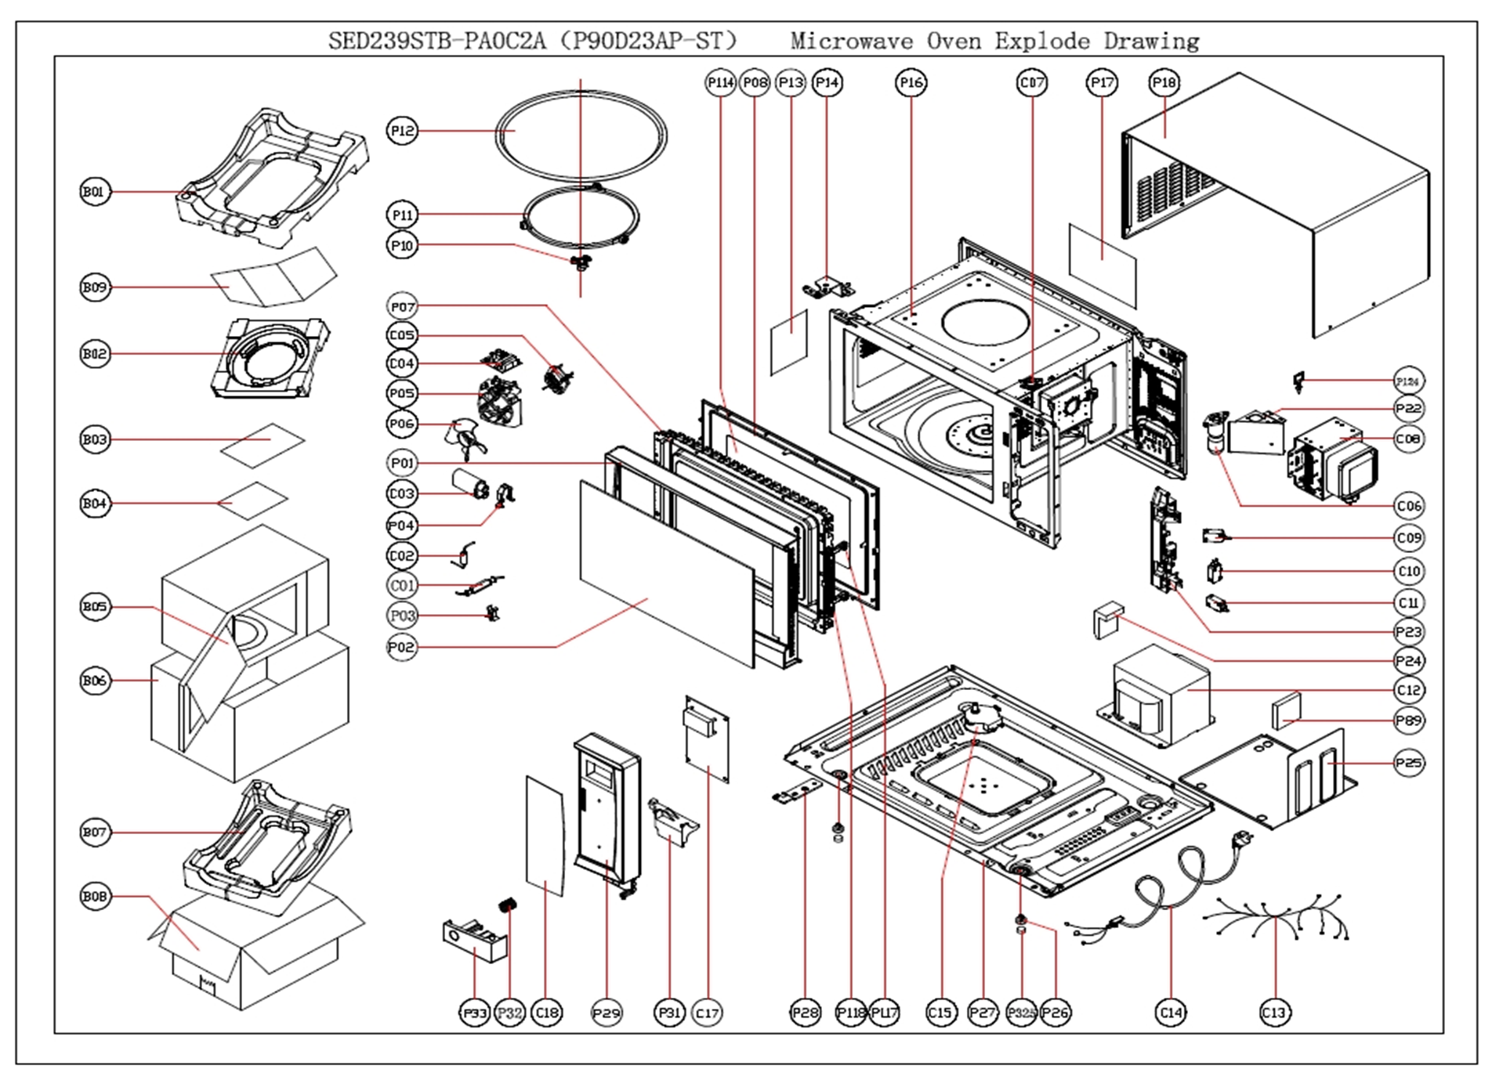
NO | PART NUMBER | PART DESCRIPTION (ENG) | QTY | PARTS SPECIFICATION | Notes
P01 | 223019004977 | door (with inlaids) | 1 |  | Special Order
P02 | 243029001531 | door window | 1 |  | Special Order
P03 | 223249000026 | fuse socket | 1 |  | Special Order
P04 | 213149000023 | capacitor holder | 1 |  | Special Order
P05 | 223139000053 | fan bracket | 1 |  | Special Order
P06 | 223149000014 | fan blade | 1 |  | Special Order
P07 | 403029000025 | door frame | 1 |  | Special Order
P08 | 223049000024 | shielding board | 1 |  | Special Order
P10 | 223159000035 | shaft | 1 | P90D23AL-D4(4110-127)\SPS004
P11 | 203059000045 | roller ring | 1 | WP700-23L(014-018)\SPS004\Φ14
P12 | 243017000017 | glass tray | 1 | (4110-105)\径270mm\630g
P13 | 243409000008 | splash shield | 1 | (4110-145)
P14 | 213129000015 | upper hinge | 1 |  | Special Order
P16 | 403019000070 | cavity | 1 |  | Special Order
P18 | 213099002888 | outer enclosure | 1 |  | Special Order
P22 | 213139000145 | air duct | 1 |  | Special Order
P23 | 223109000163 | microswitch mounting | 1 |  | Special Order
P24 | 593209000079 | shockproof rubber | 1 |  | Special Order
P25 | 213189000015 | transformer bracket | 1 |  | Special Order
P26 | 593999000050 | foot | 2 | SN0004-150
P27 | 213089000023 | base plate | 1 |  | Special Order
P28 | 213129000219 | lower hinge | 1 |  | Special Order
P29 | 223029002705 | face board | 1 |  | Special Order
P31 | 223099000010 | lever | 1 |  | Special Order
P32 | 575000090054 | button spring | 1 |  | Special Order
P33 | 223089002047 | button | 1 |  | Special Order
P89 | 593209000006 | rubber stab | 1 |  | Special Order
P114 | 515059000120 | flake(in door frame) | 1 | 门贴\268.5*147.9(4110-146)
P117 | 223129000006 | door hook | 1 |  | Special Order
P118 | 575000090062 | door hook spring | 1 |  | Special Order
C01 | 253109000026 | H.V.fuse | 1 | \.8A\16082-0024\13362-0025
C02 | 253089000101 | h.v. diode | 1 | 12KV-450mA\CL04-12
C03 | 253059000104 | h.v. capacitor | 1 | 0.85UF-2100V | Special Order
C04 | 263029001170 | wave filter | 1 | FN0-5C00 | Special Order
C05 | 278009000038 | fan motor | 1 | GAL6309U-ZD\2558DMLC01-GLZ | Special Order
C06 | 253079000014 | lamp | 1 | T22\Z187\125V-20W
C07 | 253099000228 | thermostat | 1 | T1\11-105
C08 | 253017000112 | magnetron | 1 | M24FB-610A(GEMCS)\G03 | Special Order
C09 | 253039000008 | microswitch | 1 | W-15-202C\UL | Special Order
C10/C11 | 253039000013 | microswitch | 2 | W-15-302C\UL | Special Order
C12 | 253029000834 | transformer | 1 | GAL-900U-2\96120XB-1\GCC2 | Special Order
C13 | 253169002204 | wiring harness | 1 | MHSED239-F0A1 | Special Order
C14 | 253159001959 | power cord | 1 | 16#\MPC77B-414X\L=1010MM | Special Order
C15 | 278019000073 | turntable motor | 1 | SM-16U\50AP0-GLZ | Special Order
C17 | 263019009359 | p.c board | 1 | MEL648-SAD9V(EUP) | Special Order
C18 | 253069006132 | thin film switch | 1 | B22415E01B

