PART CD
Danby Model: DH016A1W
Factory Model: YC-48D
Effective Date: 20180822
Revision: 00
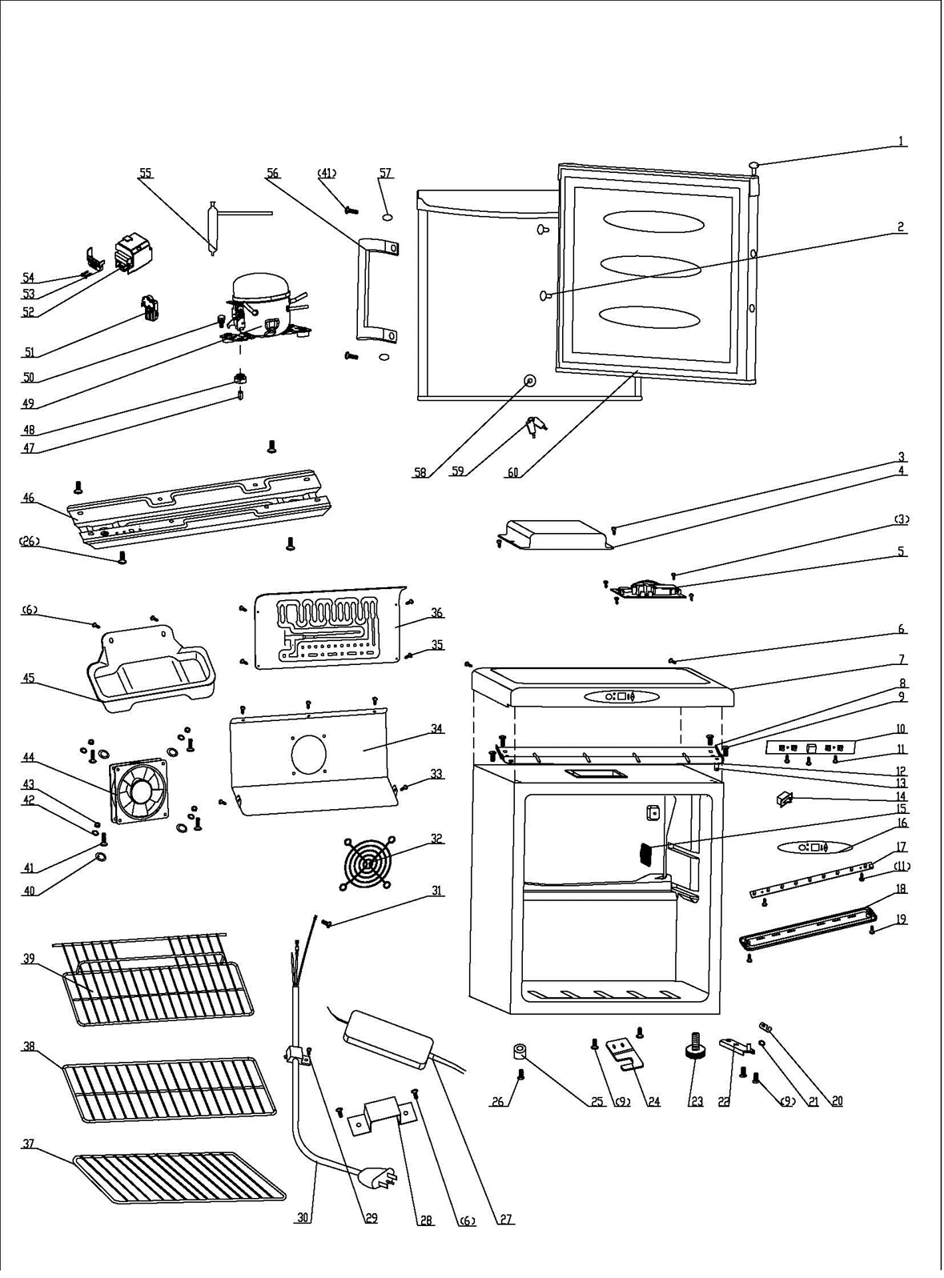
NO | PART NUMBER | PART DESCRIPTION (ENG) | QTY | PARTS SPECIFICATION | Notes
1 | 1.25.02.12.05.002 | Hinge Plug(Door, white) | 1 | ABS, white
2 | 1.02.12.03.001 | Door Screw (small) | 2 | PP, white | Special Order
3 | 1.05.01.02.012R | Self-tapping Screw(ST4.2×9.5) | 6 | GB/T845,4.2X9.5 | Special Order
4 | 3.5.2.02.0531 | Electric Control Box Cover | 1 | t0.5/Q235-A(white) | Special Order
5 | 1.01.07.04.043 | Power Supply Board | 1 | YC91D
6 | 1.05.03.02.001 | Lentil-headed SS Screw | 7 | JIS tapping screw, 4×12 | Special Order
7 | 1.25.02.01.08.502 | Worktop | 1 | ABS, white
8 | 3.2.02.09.054 | Support Board | 1 | t1.5/Q235-A(white) | Special Order
9 | 1.05.03.03.019 | Screw Component(M5×16,washer) | 8 | GB/T9074.13 bolt assay, M5×16 | Special Order
10 | 1.01.02.03.044R | Display Board | 1 | YC91D
11 | 1.05.01.02.002R | Screw(ST2.9×6.5) | 5 | GB/T845,2.9X6.5 | Special Order
12 | 1.05.03.06.003 | Spring Washer | 1 | Spring Washer 5
13 | 1.05.06.08.002 | Upper Door Spindle | 1 | 1Cr18Ni9
14 | 1.01.03.02.015R | Fan-shaped Light Switch | 1 | HC-050K.4
15 | 1.25.02.15.05.020 | Thermostat Cover | 1 | ABS, white
16 | 1.01.03.10.031R | Control Panel | 1 | YC91D
17 | 1.01.03.03.076R | LED Light | 1 | BC126.4.3
18 | 1.02.11.03.074 | LED Light Cover | 1 | PP, 50%transparency
19 | 1.05.02.02.003 | Self-tapping Screw ss | 2 | GB/T845, screw, 3.5X9.5 | Special Order
20 | 1.04.12.03.013 | Rubber Washer(1.6mm) | 1 | black
21 | 1.25.02.12.02.002 | Door Spindle Washer | 1 | ABS, white
22 | 3.2.02.12.001 | Bottom Hinge | 1 | t2.5/Q235-A(white)
23 | 1.25.02.12.06.009 | Adjustable Foot | 1 | ABS, black
24 | 3.2.02.34.005 | Lock Seat | 1 | t2.5/Q235-A(white)
25 | 1.25.02.12.06.001 | Foot | 1 | ABS, black
26 | 1.05.03.03.002 | Screw Component (M6×14) | 5 | GB/T9074.13 bolt assay, M6×14
27 | 1.01.07.01.052 | Transformer | 1 | YLS0301D-T120100
28 | 3.5.2.01.1315 | Transformer Bracket | 1 | t=0.4/galvanized board | Special Order
29 | 1.05.03.02.006 | ST Screw(4×12,end-milling) | 1 | JIS tapping screw, 4×12 | Special Order
30 | 1.01.01.01.428R | Power Supply Cord | 1 | E67000 Hospital Grade
31 | 1.05.01.01.019R | 818 Screw M4×8 (Galvanized ) | 2 | GB/T818 screw, M4×8 | Special Order
32 | 1.01.03.02.020R | Protective Cover | 1 | YLG-90
33 | 1.05.02.02.021 | Screw(ST4.2×13,SS) | 5 | GB/T845, screw, 4.2X13 | Special Order
34 | 3.2.02.24.028 | Fan Motor Dam-board | 1 | t=0.5/galvanized board, white | Special Order
35 | 1.05.03.02.016 | Dacro Tapping Screw | 4 | 4×16 | Special Order
36 | 1.05.20.01.107 | Evaporator | 1 | YC48D | Special Order
37 | 1.05.08.04.184 | Half Shelf | 1 | 45# steel, white
38 | 1.05.08.04.251 | Lower Shelf | 1 | 45# steel, white
39 | 1.05.08.02.095 | Wire Shelf Ⅰ | 1 | 46# steel, white
40 | 1.04.12.03.039 | Sealed Gasket | 4 | white | Special Order
41 | 1.05.02.01.011 | 818 Stainless Steel M4×16 | 4 | JIS tapping screw, 4×16 | Special Order
42 | 1.05.02.05.002 | SS Spring Washer | 4 | M4 | Special Order
43 | 1.05.02.05.008 | SS Nut | 4 | M4 | Special Order
44 | 1.01.06.04.008R | Fan Motor | 1 | KD1208PTB1
45 | 3.2.02.15.001 | Drip Tray | 1 | t0.5/DC03, white
46 | 3.5.2.02.0041 | Compressor Baseplate | 1 | t0.8/galvanized sheet | Special Order
47 | 1.03.01.01.450B | Compressor Rubber Washer | 4 | black | Special Order
48 | 1.03.01.01.450A | Sleeve | 4 | CTE943-2 | Special Order
49 | 1.03.01.01.450 | Compressor | 1 | DG40BY1A | Special Order
50 | 1.03.01.01.450D | Compressor Screw | 4 | GB/T5780 bolt assay, M6×28 | Special Order
51 | 1.03.01.01.450J | PTC & OLP Combination | 1 | ZHB60-120P4.7
52 | 1.03.01.01.450G | PTC Cover | 1 | ABS, black | Special Order
53 | 1.03.01.01.450H | Clamp | 1 | PC/ABS mixture | Special Order
54 | 1.03.01.01.450M | ST Screw | 2 | GB/T845,ST3.5×19 | Special Order
55 | 1.03.30.03.024 | Filter | 1 | BC122.3.0 | Special Order
56 | 1.31.06.069 | Handle | 1 | original part, no painting
57 | 1.02.20.07.104R | Plug(Door, color golden) | 2 | color golden
58 | 1.05.06.01.086 | Lock | 1 | Chromeplate lock
59 | 1.05.06.01.083 | Key | 2 | steel
60 | 1.05.35.03.108 | Door Gasket | 1 | light grey
61 | 1.01.01.07.133R | Temperature sensor | 1 | YC91D

