PART CD
Danby Model: DFF180E1WDB
Factory Model: HD-663FWEN
Effective Date: 4/26/2018
Revision: 00 |  | Updated Part Number, Jan. 2021
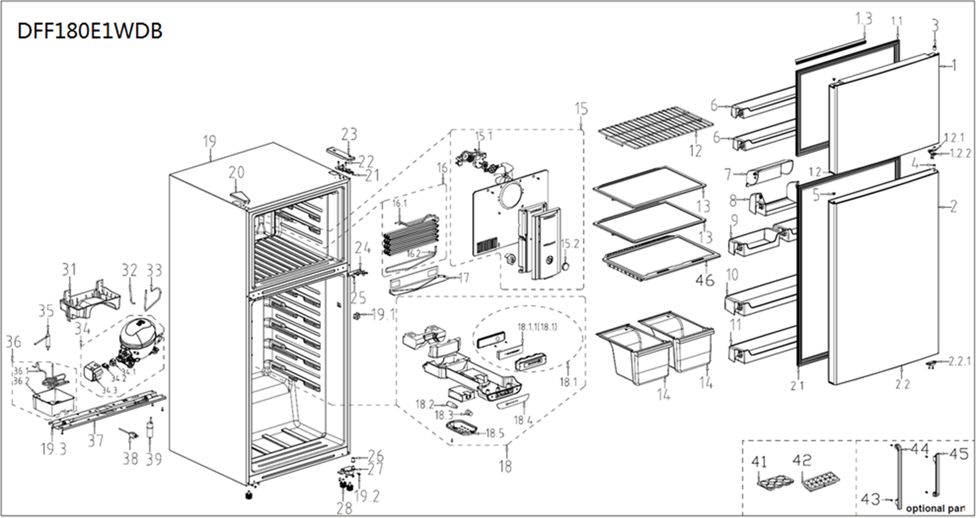
NO | PART NUMBER |  | PART DESCRIPTION (ENG) | QTY | PARTS SPECIFICATION | Notes
1 | 12831000007834 |  | Freezer door assembly | 1 | ASSEMBLY
1.1 | 12131000016124 |  | Door gasket assembly of freezer | 1 | PVC
1.2 | 12131000013512 |  | End cap assembly of freezer | 1 | ABS | Special Order
1.2.1 | 12131000003413 |  | Door self-locking | 1 | POM
1.2.2 | 12231000006546 |  | Stopper | 1 | STEEL
1.3 | 12131000010188 |  | Inner door gasket, upper | 1 | ASSEMBLY
1.4 | 12131000009524 |  | Inner door gasket, lower | 1
2 | 12831000006624 |  | Refrigerator door assembly | 1 | ASSEMBLY
2.1 | 12131000016674 |  | Door gasket assembly of refrigerator | 1 | ASSEMBLY
2.2 | 12131000012865 |  | end cap assembly of refrigerator | 1 | ASSEMBLY | Special Order
2.2.1 | 12231000006572 |  | Stopper | 1 | STEEL
3 | 12131000006238 |  | Shaft sleave | 1 | M6P0-363, POM
4 | 12131000006214 |  | Shaft sleave | 1 | POM
5 | 12131000000573 | 12131000000637 | Hole cap | 1 | PP
6 | 12131000005985 |  | F large tray | 2 | HIPS
7 | 12131000001264 |  | Box cover | 1 | GPPS
8 | 12131000001705 |  | Mounting box | 1 | HIPS
9 | 12131000005323 |  | R small tray | 2 | HIPS
10 | 12131000005546 |  | R large tray | 1 | HIPS
11 | 12131000005562 |  | R large tray | 1 | HIPS
12 | 12931000000165 |  | steel wire shelf of refrigerator | 1 | STEEL
13 | 12531000001055 |  | Glass shelf | 2 | PP+Tempered glass
14 | 12131000000065 |  | Fruits and vegetables box | 2 | GPPS
15 | 12131000A09624 | 12131000A10384 | Air duct assembly of freezer | 1 | ASSEMBLY | Special Order
15.1 | 11002015007021 |  | fan motor | 1 | ZWF-11-4, 12V 4W
15.2 | 12131000003582 |  | Button | 1 | ABS | Special Order
16 | 15831000002845 |  | Component supplying fin evaporator | 1 | ASSEMBLY | Special Order
16.1 | 15831000000033 |  | Oblique fin evaporator | 1 | Cu+Al | Special Order
16.2 | 17431000019183 |  | Defrost heater | 1 | JRQ-0062, 115V 180W 304
17 | 12231000006712 |  | Drain tray | 1 | AL | Special Order
18 | 12131000A09625 |  | air duct assembly of refrigerator | 1 | ASSEMBLY | Special Order
18.1 | 12131000073289 |  | Main control board mounting box assembly | 1 | A0023-103 | Special Order
18.1.1 | 17131000000177 |  | Main control board | 1 | BCD510W-S
18.2 | 17431000000176 |  | LED lamp | 1 | 115V 3.5W
18.3 | 17431000000041 |  | Lamp holder | 1 | N9C7-507, 125V 1A | Special Order
18.4 | 16031000000615 |  | Display control panel surface | 1 | PC
18.5 | 12131000005482 |  | Lamp cover | 1 | GPPS
18.6 | 11201007000795 |  | Temperature Sensor | 1
19 | 12831000A03482 |  | Cabinet assembly | 1 | A0023-223 | Special Order
19.1 | 17431000000392 |  | Sector-shaped switch | 1 | P29/LTK-12/HC-050K.4/HC-050K.5,125V 6A/5A
19.2 | 11303305000045 |  | tapping locking screw | 5 | GBT6563 M6*16-F 1018A , STEEL
19.3 | 11303305000004 |  | tapping locking screw | 3 | GBT6563 M5*16-F, STEEL | Special Order
20 | 12131000000585 | 12131000014610 | Hole cap | 1 | PP
21 | 12231000006970 |  | Upper hinge | 1 | STEEL
22 | 11303305000004 |  | tapping locking screw | 3 | GBT6563 M5*16-F, STEEL
23 | 12131000005146 |  | Hinge cover | 1 | ABS
24 | 12231000007086 |  | Middle hinge assemblies | 1 | ASSEMBLY
25 | 11303305000045 |  | tapping locking screw | 2 | GBT6563 M6*16-F 1018A, STEEL
26 | 12131000006217 |  | Shaft sleave | 1 | POM
27 | 12231000007012 |  | Lower hinge assembly | 1 | STEEL
28 | 12131000000986 |  | Levelling feet | 3 | M030-104, PP
31 | 12131000004386 |  | Drain tray | 1 | PP
32 | 15531000000065 |  | Processing tubes | 1 | Cu | Special Order
33 | 15531000000641 |  | Component supplying pipe connector | 1 | ASSEMBLY | Special Order
34 | 11101010008725 |  | Compressor | 1 | EZ75E1A-USCL(MD#) | Special Order
34.1 | 12031000001063 |  | PTC Starter | 1 | QP2-4R7
34.2 | 12031000001312 |  | OL Protector | 1 | DRB31T61A1
34.3 | 12031000001171 |  | Cover | 1 | BK10924810, ABS | Special Order
35 | 15531000000127 |  | Dry filter | 1 | GLQ-0015 , Φ19×0.5 8g
36 | 15531000000010 |  | Component supplying pipe connector | 1 | ASSEMBLY | Special Order
36.1 | 15531000001621 |  | Venting Connection tube | 1 | Cu | Special Order
36.2 | 12131000004276 |  | Drain tray | 1 | PP
37 | 12231000005886 |  | Compressor mounting panel assembly | 1 | STEEL | Special Order
38 | 17431000000297 |  | Power cord | 1 | DYX-UL06-S1850
39 | 17431000001253 |  | Capacitor | 1 | CBB65*, 250V 8μF
41 | 12131000006168 | 12131000018837 | Egg tray | 1 | GPPS
42 | 12131000000168 |  | Ice box | 1 | PP
43 | 11301803000002 |  | bolt | 4 | Medium carbon steel 40#
44 | 12131000004082 |  | Door handles | 1 | ABS
45 | 12131000004083 |  | Door handles | 1 | ABS
46 | 12531000001025 | 12531000A01241 | Glass shelf | 1 | PP+Tempered glass
 | 12131000003026 |  | screw hole plugs | 4
117.1 | 12131000003339 |  | Left door self-locking | 1 | POM | 12231000011274, Door Reversal Kit
117.2 | 12231000006555 |  | Left stopper | 1 | STEEL
117.3 | 12231000007146 |  | Left middle hinge assembly | 1 | STEEL
117.4 | 12231000007076 |  | Left upper hinge | 1 | STEEL
117.5 | 12131000005018 |  | Left hinge cover | 1 | ABS

