PART CD
Danby Model: |  | DFF070B1BSLDB-6
Factory Model: |  | FC2-26
Effective Date: |  | 27-Jun-19
Revision: |  | '00
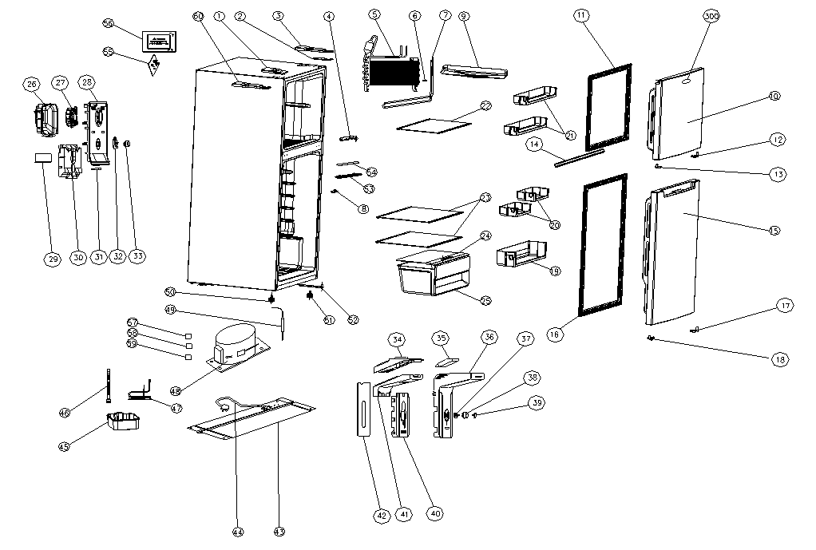
NO | PART NUMBER | PART DESCRIPTION (ENG) | QTY | PARTS SPECIFICATION | Notes
1 | 2208100413 | Door hinge screw hole cover | 1 | Black, plastic
2 | 2301400035 | Upper door hinge | 1 | Metal
3 | 2208100722 | Upper door hinge cover | 1 | Black, plastic
4 | 2301400036 | Middle door hinge | 1 | Metal
5 | 2400300014 | Fin evaporator | 1 | Aluminum tube | Special Order
6 | 3059900038 | Temperature sensor | 1 | Plastic
7 | 2500700021 | Defrost heater | 1 | W28-62, 115 V, 150 W
8 | 2501100010 | Door switch | 1 | GN-0.5,AC250V,0.5AorHC-050K.4,AC125V,5A
9 | 2305700047 | Water tank of heater | 1 | Plastic
10 | 2100290997 | Freezer door | 1 | SS Look Door
11 | 2200200145 | Freezer door gasket | 1 | Black
12 | 2208510008 | Freezer door closer, right | 1 | Plastic
13 | 2208510009 | Freezer door closer, left | 1 | Plastic
14 | 2200200089 | Inner door gasket | 1 | Whtie
15 | 2100291075 | Refrigerator door | 1 | SS Look Door
16 | 2200200146 | Refrigerator door gasket | 1 | Black
17 | 2208510071 | Fridge door closer, right | 1 | Plastic
18 | 2208510072 | Fridge door closer, left | 1 | Plastic
19 | 20122050479 | Lower Rack | 1 | Transparent, plastic
20 | 2207501438 | Small Rack | 2 | Transparent, plastic
21 | 2207501075 | Door rack, freezer | 2 | Transparent, plastic
22 | 2106100217 | Freezer wire shelf | 1 | White, wire
23 | 2106100539 | Refrigerator shelf | 2 | Glass, Danby printing
24 | 2106120481 | Crisper cover | 1 | Glass, Danby printing
25 | 2207400513 | Crisper drawer | 1 | Transparent, plastic
26 | 2208500039 | Fan motor cover | 1 | Plastic | Special Order
27 | 2501000015 | Fan motor | 1 | DC 12V
28 | 2208500260 | Front cover of freezer air duct | 1 | White, plastic | Special Order
29 | 2305700046 | Water fender | 1 | Plastic | Special Order
30 | 2701000176 | Foam of freezer air duct | 1 | Foam | Special Order
31 | 3080100090 | Sealing foam | 1 | Foam | Special Order
32 | 2208100562 | Freezer control knob | 1 | White, plastic
33 | 2208100561 | Freezer control knob cover | 1 | White, plastic | Special Order
34 | 2701000177 | Fridge air duct upper foam | 1 | Foam | Special Order
35 | 2208500094 | Fridge air duct drain pan | 1 | Plastic | Special Order
36 | 2208500261 | Cover of fridge air duct | 1 | White, plastic | Special Order
37 | 3050300057 | Potentiometer | 1 | W27-57
38 | 2208100324 | Fridge control knob | 1 | White, plastic
39 | 2207100141 | Fridge control knob cover | 1 | White, plastic | Special Order
40 | 2701000180 | Fridge air duct lower foam | 1 | Foam | Special Order
41 | 2701000178 | Fridge air duct middle foam | 1 | Foam | Special Order
42 | 2800100040 | Rear cover of fridge air duct | 1 | White, plastic | Special Order
43 | 2107100003 | Compressor support | 1 | Metal | Special Order
44 | 3050100135 | Power cord | 1 | DTⅡ-3P-15, UL 3-Pin Plug, 2000+50 mm
45 | 2207700058 | Drain pan | 1 | Black, plastic
46 | 2207700024 | Drain pipe | 1 | Metal | Special Order
47 | 2402400013 | Evaporative condenser | 1 | FN2-300.00.14.01-00 | Special Order
48 | 2400100270 | Compressor | 1 | UKT75YAX, 110-120 V, 60 Hz | Special Order
49 | 3040500011 | Drier filter | 1 | W15-06
50 | 20122990026 | Long adjustable foot, left | 1 | Black
51 | 20122990019 | Long adjustable foot, right | 1 | Black
52 | 2301400034 | Lower door hinge | 1 | Metal
53 | 3050400018 | LED light | 1 | W27-35
54 | 20122010104 | LED light cover | 1 | Transparent
55 | 2500300150 | Electric control board | 1 | W19-80
56 | 2208100428 | Electric control board cover | 1 | Plastic
57 | 3990100443 | Relay/PTC Starter | 1 | QP2-4R7 or QP2-4R7K or JPQII-4.7
58 | 3990100444 | Overload protector | 1 | DRB35P61A1 or BT125-120
59 | 3990100445 | Capacitor | 1 | CBB65, 10μ F/250VAC
60 | 2208100721 | Upper door hinge cover, left | 1 | Black, plastic

