PART CD
Danby Model:DDR45A3GDB
Factory Model:WDH-930EI-45N
Effective Date:1/16/2014
Revision: | New
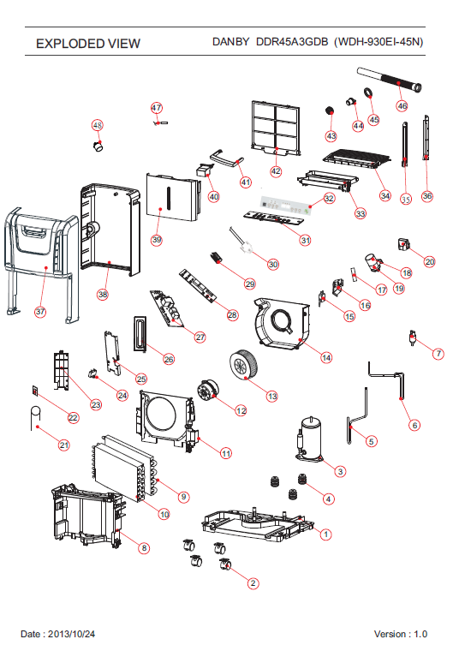
NO | PART NUMBER | UPDATED PART NUMBER | PART DESCRIPTION (ENG) | QTY | Notes
1 | D4801-330-A-A5 |  | BASE PAN | 1 | Special Order
2 | D7402-100 |  | TURING WHEEL ASS'Y | 4
3 | D3200-430 |  | COMPRESSOR ASS'Y (35D042-A2-ABDA) | 1
4 | D5600-140 |  | RUBBER | 3 | Special Order
5 | D6224-530 |  | SUCTION PIPE | 1 | Special Order
6 | D6230-220 |  | DISCHARGE PIPE | 1 | Special Order
7 | D6211-440 |  | Y TUBE | 1 | Special Order
8 | D5701-26B-A5 |  | PLATE | 1 | Special Order
9 | D3420-280 |  | EVAPORATOR ASS'Y | 1 | Special Order
10 | D3423-030 |  | CONDENSER ASS'Y | 1 | Special Order
11 | D5300-13A-A-22 |  | FAN CASING | 1 | Special Order
12 | D3002-880 | D3002-870 | FAN MOTOR | 1
13 | D5304-110-A-22 |  | BLOWER WHEEL | 1
14 | D5300-140-A-22 |  | FAN CASING | 1 | Special Order
15 | A2506-040 |  | MICRO SWITCH | 1
16 | D5812-330-A-11 |  | FIXTURE | 1 | Special Order
17 | D4246-010-M-11 |  | BAR | 1 | Special Order
18 | A2510-190 |  | CAPACITOR for compressor | 1
19 | A5806-130 |  | FIX METAL | 1 | Special Order
20 | A6101-920-AF-11 |  | COVER | 1 | Special Order
21 | D6202-210 |  | CAPILLARY TUBE | 1 | Special Order
22 | D2522-280 |  | SENSOR for Humidity | 1
23 | D5812-440-AF-11 |  | FIX TURE | 1 | Special Order
24 | A2509-900 | D2507-700 | CAPACITOR for motor | 1
25 | D7700-030 |  | FIXTURE | 1 | Special Order
26 | D7710-030 |  | COVER | 1 | Special Order
27 | D2514-830 |  | CONTROL BOARD | 1
28 | D2519-050 |  | PC BOARD | 1 | Special Order
29 | D5806-040 |  | FIX METAL | 1 | Special Order
30 | D3702-930 |  | POWER SUPPLY CORD COMPLETE | 1
31 | D4253-510-H-11 |  | CONTROL PLATE | 1
32 | D6934-510 |  | CONTROL PANEL | 1
33 | D5812-450-A-22 |  | FIX TURE | 1 | Special Order
34 | D4237-210-A-A5 |  | DISCHARGE GRILLE | 1 | Special Order
35 | D5800-110-H-11 |  | RAIL | 1 | Special Order
36 | D5800-130-H-11 |  | RAIL | 1 | Special Order
37 | D4202-030-A-A5 |  | FRONT PANEL | 1 | Special Order
38 | D4224-570-A-A5 |  | REAR PANEL | 1 | Special Order
39 | D5401-810-A-A5 |  | DRAIN BUCKET | 1
40 | D5405-250-H-A5 |  | TANK LID | 1
41 | D4251-370-H-A5 |  | HANDLE | 1
42 | D7301-330-H-A5 |  | AIR FILTER | 1
43 | D7306-110-H-A5 |  | PLUG | 1
44 | D7324-030 |  | SOFT CAP | 1
45 | D3204-060 |  | WASHER | 1
46 | D7216-020 |  | DRAINAGE PIPE | 1
47 | D2522-390 |  | SENSOR for Evap copper | 1
48 | DA350200102 |  | OVER LOAD PROTECTOR(MRA12228-12095 | 1

