PART CD
Danby Model: DDR070BDPWDB
Factory Model: MDUDP-70AEN1-BB0B
Effective Date: 22/12/2016
Revision:
NO | PART NUMBER | Updated Part Number, Feb. 2018 | PART DESCRIPTION (ENG) | QTY | PARTS SPECIFICATION | Notes
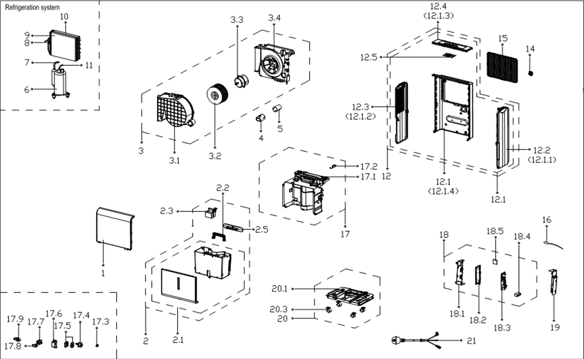
1 | 12120100A06826 |  | Front panel | 1 | 阻燃PC/ABS | Special Order
2 | 12120100A07701 |  | Water Tank Assembly | 1 | HIPS+ABS+PP
2.1 | 12120100A00638 |  | Water Tank Subassembly | 1 | HIPS+PP | Special Order
2.2 | 12120100000984 |  | Handle for Tank | 1 | HIPS
2.3 | 12120100002228 |  | Dobber case | 1 | ABS
2.5 | 12120100A00838 |  | Winding Eyebolt | 1 | HIPS | Special Order
3 | 12120100003454 |  | Scroll assembly | 1 | 阻燃PC/ABS | Special Order
3.1 | 12120100003453 |  | VoluteScroll | 1 | 阻燃PC/ABS | Special Order
3.2 | 12100103000075 |  | Centrifugal Fan | 1 | LX-180*85*8-60C
3.3 | 11002012024502 |  | Single phase asynchronous motor | 1 | YKT-18-4-29L
3.4 | 12120100003455 |  | Fan Motor Holder Subassembly | 1 | 阻燃PC/ABS | Special Order
4 | 12120600001477 |  | Capacitor Cap | 1 | Black | Special Order
5 | 17400103000052 |  | Compressor Capacitor(Round) | 1 | 45uF/250V
6 | 11103010010810 | 11103010000073 | Fixed Speed Rotary Compressor | 1 | ASK68E11VZZX | Special Order
7 | 15120100000350 |  | Parts of compressor return pipe | 1 |  | Special Order
8 | 15120100001532 | 15120100000712 | Capillary assembly | 1 | ф2.2*1.1*700 | Special Order
9 | 15820100000415 | 15820100000033 | Evaporator Assembly | 1 | CAN-CFZ1.4BD/N1-DP(B0).ZL.1 | Special Order
10 | 15820100000207 |  | Condenser Assembly | 1 | CAN-CFZ1.4BD/N1-DP(A9).ZL.1 | Special Order
11 | 15120100000303 |  | Parts of compressor exhaust pipe | 1 |  | Special Order
12 | 12120100A07602 |  | Rear Panel assembly | 1 | 阻燃PC/ABS | Special Order
12.1 | 12120100A06818 |  | Rear panel | 1 | 阻燃PC/ABS | Special Order
12.2 | 12120100A06822 |  | Right Side Plate | 1 | 阻燃PC/ABS | Special Order
12.3 | 12120100A06821 |  | Left Side Floor | 1 | 阻燃PC/ABS | Special Order
12.4 | 12120100A06820 |  | Top cover | 1 | 阻燃PC/ABS | Special Order
12.5 | 17220100000078 |  | Display box assembly | 1 | US-CFZ1.4BD/N1-K6.D.05.XK1.3
14 | 12120100A00782 |  | Cover for drain connector | 1 | PA66+ABS
15 | 12120100A00634 |  | Filter | 1 | CAN-CFZ1.4BD/N1-DP1(A9)-2 HIPS
16 | 11201007001005 |  | Temperature Sensor | 1 | CGQ-WD/GW4100-L900-XAP2-P850
17 | 12120100003457 |  | Partition board assembly | 1 | 阻燃PC/ABS | Special Order
17.1 | 12120100003456 |  | Parts of middle clapboard | 1 | 阻燃PC/ABS | Special Order
17.2 | 17400512000009 |  | Micro Switch | 1 | MS-18
17.3 | 12122000017061 |  | Drain connection | 1
17.4 | 17400802000014 |  | I-Water Pump | 1 | NME 2(REUZ2, 8)
17.5 | 12600701000008 |  | Waterproof Ring | 1 | Rubber | Special Order
17.5 | 12600701000010 |  | Waterproof Ring | 1 | Rubber | Special Order
17.6 | 12120100001442 |  | Installing Box for Pump | 1 | ABS+Black | Special Order
17.7 | 12120100000594 |  | Installation Bracket Subassembly | 1 | POM | Special Order
17.8 | 12620100000003 |  | Water Pipe Subassembly of Pump | 1 | Rubber
17.9 | 12100510000010 |  | Water Drain Connector for pump | 1 | ABS
18 | 17220100A01983 |  | Electronic control box assembly | 1 | CAN-CFZ1.4BD/N1-DP-B.JD.CS.NK.DK1.7 | Special Order
18.1 | 12220100000013 |  | Electrical Control Box | 1 | 热镀锌板0.5 | Special Order
18.2 | 12120100001598 |  | Mounting rack of main control panel | 1 | ABS+Black | Special Order
18.3 | 17120100A01792 |  | Main control board assembly | 1 | US-CFZ1.4BD/N1-DP.JD.CS.NK.NK2.10
18.4 | 17400101000071 |  | Capacitor | 1 | Rating, uF, V minimum 6, 250
18.5 | 17120100000344 |  | Humidity Sensor Board Subassembly | 1 | CE-CFZ0.8BD-F1A..D.31.SCG.12
19 | 12220100000070 |  | Electrical Control Box Cover Subassembly | 1 | 热镀锌板0.5 | Special Order
20 | 12120100003461 |  | Chassis Assembly | 1 | 阻燃PP | Special Order
20.1 | 12120100003460 |  | Chassis assembly | 1 | 阻燃PP | Special Order
20.3 | 12620100000015 |  | Universal wheel | 4 | PA66+Φ30+Black
21 | 17401202004342 |  | Power cord(with plug) | 1
 | 12600501000024 |  | Drain pipe | 1 | Φ4.191*5000 1/4"

