PART CD
Danby Model: DDR050BLPBDB-ME
Factory Model: MDUDP-50AEN1-BA8B
Effective Date: 27/11/2020
Revision: '00
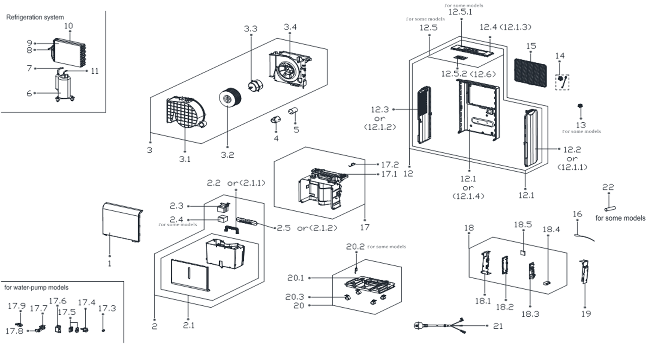
NO | PART NUMBER | PART DESCRIPTION (ENG) | QTY | PARTS SPECIFICATION | Notes
1 | 12120100A19097 | Front panel | 1 | ABS | Special Order
2 | 12120100A08280 | Water Tank Assembly | 1 | HIPS+ABS+PP
2.1 | 12120100A08281 | Water Tank Subassembly | 1 | HIPS+PP | Special Order
2.2 | 12120100000993 | Handle for Tank | 1 | HIPS | Special Order
2.3 | 12120100A06952 | Dobber case | 1 | ABS
2.5 | 12120100A13183 | Winding Eyebolt | 1 | HIPS
3 | 12120100005605 | Scroll assembly | 1 | 阻燃PC/ABS | Special Order
3.1 | 12120100001124 | VoluteScroll | 1 | 阻燃PC/ABS | Special Order
3.2 | 12100103000075 | Centrifugal Fan | 1 | LX-180*85*8-60C
3.3 | 11002012033875 | Single phase asynchronous motor | 1 | YKT-27-4-32L
3.4 | 12120100000613 | Fan Motor Holder Subassembly | 1 | 阻燃PC/ABS | Special Order
4 | 12120600001477 | Capacitor Cap | 1 | Black | Special Order
5 | 17400103000060 | Compressor Capacitor(Round) | 1 | 40uF/250V
6 | 11103010019038 | Fixed Speed Rotary Compressor | 1 | KSK66E11VZZX | Special Order
7 | 15120100001774 | Parts of compressor return pipe | 1 |  | Special Order
8 | 15120100002038 | Capillary assembly | 1 | ф2.5*1.1*550 | Special Order
9 | 15820100000739 | Evaporator Assembly | 1 | US-CFZ1.0BD/N1-DP(A8).ZL.1 | Special Order
10 | 15820100000737 | Condenser Assembly | 1 | CAN-CFZ1.4BD/N1-DP(A9).ZL.1 | Special Order
11 | 15120100002152 | Parts of compressor exhaust pipe | 1 |  | Special Order
12 | 12120100A19096 | Rear Panel assembly | 1 |  | Special Order
12.1 | 12120100A08104 | Rear panel | 1 |  | Special Order
12.2 | 12120100A08107 | Right Side Plate | 1 |  | Special Order
12.3 | 12120100A08112 | Left Side Floor | 1 |  | Special Order
12.4 | 12120100A08113 | Top cover | 1 |  | Special Order
12.5 | 17120100A02732 | Display box assembly | 1 | CAN-CFZ1.4BD/N1-DP3.JD.CS.XS.XS1.1
14 | 12120100A00782 | Cover for drain connector | 1 | PA66
15 | 12120100A08103 | Filter | 1 | CAN-CFZ1.4BD/N1-DP3(A9).1-2
16 | 11201007003439 | Pipe temperature sensor assembly | 1 | CGQ-WD/GW4100-L1000-XACP2-P950
17 | 12120100006282 | Partition board assembly | 1 | PC/ABS | Special Order
17.1 | 12120100006599 | Parts of middle clapboard | 1 | PC/ABS | Special Order
17.2 | 17400512000009 | Micro Switch | 1 | MS-18
17.3 | 12122000017061 | Drain connection | 1
17.4 | 17400802000014 | Water pump | 1 | EP11-1
17.5 | 12600701000010 | Waterproof rubber ring | 2 |  | Special Order
17.6 | 12120100001442 | Installation box of water pump | 1 |  | Special Order
17.7 | 12120100000594 | Installation bracket | 1 |  | Special Order
17.8 | 12620100000020 | Rubber pipe | 1 |  | Special Order
17.9 | 12100510000010 | Drain connection | 1
18 | 17220100A04325 | Electronic control box assembly | 1 | US-CFZ1.0BD/N1-DP(A8)-B.JD.CS.NK.DK1.15 | Special Order
18.1 | 12220100000013 | Electrical Control Box | 1 | 热镀锌板0.5 | Special Order
18.2 | 12120100001598 | Mounting rack of main control panel | 1 | ABS+Black | Special Order
18.3 | 17120100A04094 | Main control board assembly | 1 | US-CFZ1.0BD/N1-DP(A8)-B.JD.CS.NK.NK2.19
18.4 | 17400101000499 | Capacitor | 1 | Rating, uF, V minimum 6, 250
18.5 | 17120100000344 | Humidity Sensor Board Subassembly | 1 | CE-CFZ0.8BD-F1A..D.31.SCG.12
19 | 12220100000070 | Electrical Control Box Cover Subassembly | 1 | 热镀锌板0.5 | Special Order
20 | 12120100005440 | Chassis assembly | 1 | PP | Special Order
20.1 | 12120100005439 | Chassis assembly | 1 | PP | Special Order
20.3 | 12620100000015 | Universal wheel | 4 | PA66+Φ30+Black
21 | 17401202004342 | Power cord(with plug) | 1 | SJT Plug, 125V,15A
22 | 12600501000024 | Drain pipe | 1 | Φ4.191*5000 1/4"

