PART CD
Danby Model: DDR040BJWDB
Factory Model: MDUDP-40AEN1-BA8
Effective Date: 10/19/2019
Revision: 00
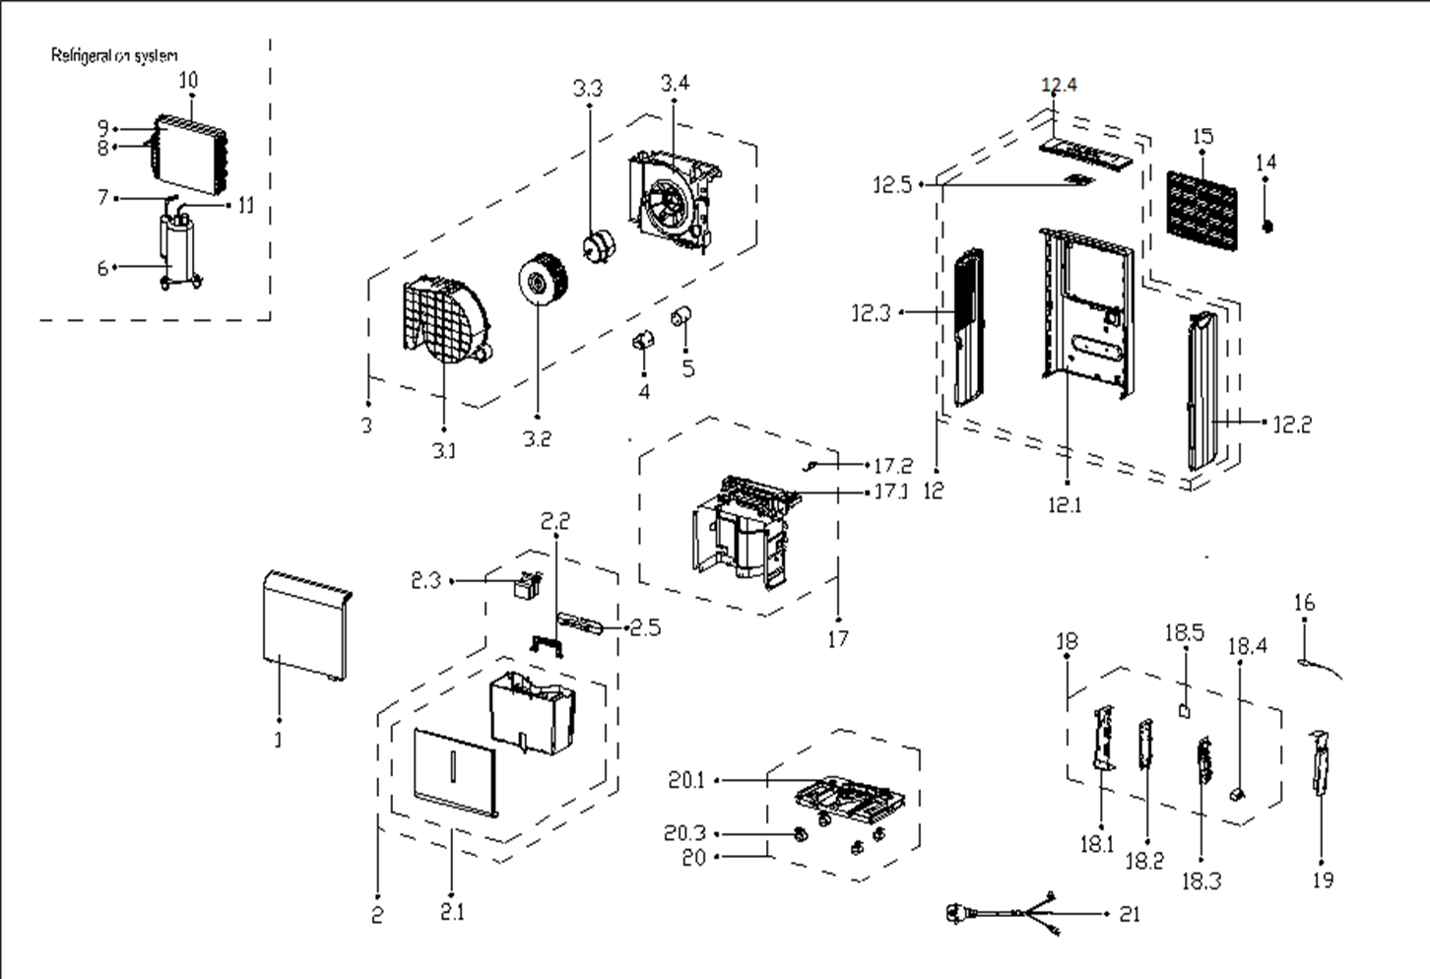
NO | PART NUMBER | PART DESCRIPTION (ENG) | QTY | PARTS SPECIFICATION | Notes
1 | 12120100A17077 | Front panel assembly | 1 | HIPS | Special Order
2 | 12120100A15979 | water tank assembly | 1 | HIPS
2.1 | 12120100A15978 | Water tank assembly | 1 | HIPS | Special Order
2.2 | 12120100005563 | Handle of water tank | 1 | HIPS | Special Order
2.3 | 12120100002228 | Dobber case | 1 | HIPS
2.5 | 12120100A13183 | Bobbin winder | 1 | HIPS
3 | 12120100003408 | Volute shell assembly | 1 | Black | Special Order
3.1 | 12120100001124 | Volute Shell | 1 | Black | Special Order
3.2 | 12100103000075 | Centrifugal Fan | 1 | LX-180*85*8-60C
3.3 | 11002012024502 | Fan motor | 1 | YKT-18-4-29L,115V 60Hz
3.4 | 12120100000613 | Supporter of fan motor | 1 |  | Special Order
4 | 12120600001477 | Capacitor cap | 1 |  | Special Order
5 | 17400103000060 | Capacitor of compressor | 1 | 40UF/250V-45-P2
6 | 11103010016854 | Compressor | 1 | ASK56E11VZZX | Special Order
7 | 15120100001774 | Suction pipe assembly | 1 |  | Special Order
8 | 15120100001975 | Capillary assembly | 1 | φ2.5*1.1*800 | Special Order
9 | 15820100000635 | Evaporator assembly | 1 | US-CFZ0.7BD/N1-DP(A8).ZL.1 | Special Order
10 | 15820100000207 | Condenser Assembly | 1 | CAN-CFZ1.4BD/N1-DP(A9).ZL.1, D.1 | Special Order
11 | 15120100000303 | Discharge pipe assembly | 1 |  | Special Order
12 | 12120100A17079 | Rear panel assembly | 1 | HIPS | Special Order
12.1 | 12120100A13180 | Rear panel | 1 | HIPS | Special Order
12.2 | 12120100A00821 | Right side plate | 1 | HIPS | Special Order
12.3 | 12120100A00818 | Left supporter | 1 | HIPS | Special Order
12.4 | 12120100A00815 | Top cover | 1 | HIPS | Special Order
12.5 | 17120100000401 | Display box assembly | 1 | US-CFZ1.4BD/N1-K6.D.05.XK1.2
14 | 12120100A00782 | Cover for drain connector | 1
15 | 12120100A13184 | Air filter | 1 | CAN-CFZ1.4BD/N1-DP1(A9)-2
16 | 11201007003439 | Pipe Temperature Sensor | 1 | CGQ-WD/GW4100-L1000-XACP2-P950, B.1
17 | 12120100005579 | Partition board assembly | 1 | Gray | Special Order
17.1 | 12120100005619 | Partition board | 1 | Gray | Special Order
17.2 | 17400512000009 | Micro Switch | 1 | MS-18
18 | 17220100001241 | Electric control box assembly | 1 | CAN-CFZ1.4BD/N1-DP.JD.CS.NK.DK1.16 | Special Order
18.1 | 12220100000013 | Electronic control box | 1 | Galvanized plate 0.5 | Special Order
18.2 | 12120100001598 | Main control board holder | 1 |  | Special Order
18.3 | 17120100002589 | Main control board assembly | 1 | US-CFZ0.8BD/N1-DP.JD.CS.NK.NK5.14
18.4 | 17400101000499 | Capacitor of fan motor | 1 | 6UF/250V-S3-B
18.5 | 17120100000344 | Humidity sensor assembly | 1 | CE-CFZ0.8BD-F1A..D.31.SCG.12
19 | 12220100000070 | Cover of electric control box | 1 | Galvanized plate 0.8 | Special Order
20 | 12120100005440 | Chassis Assembly | 1 | Gray | Special Order
20.1 | 12120100005439 | Chassis Subassembly | 1 | Gray | Special Order
20.3 | 12620100000015 | Universal wheel | 4 | PA66+Φ30+Black
21 | 17401202004342 | Power cord subassembly | 1 | 125V,15A

