PART CD
Danby Model: DCR044A4BBSL
Factory Model: BC-122CC
Effective Date: May 26th, 2018
Revision: 00 |  | Updated, Sept. 2018
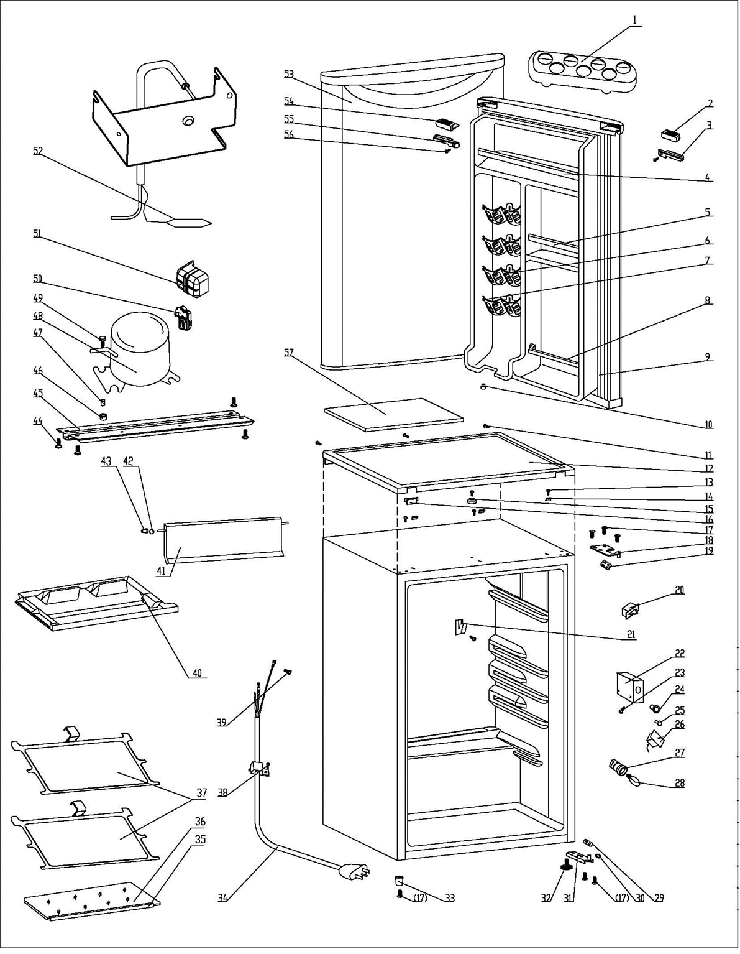
NO | PART NUMBER |  | PART DESCRIPTION (ENG) | QTY | PARTS SPECIFICATION | Notes
1 | 1.02.03.12.003 |  | Egg Rack | 1 | PS, transparenct
2 | 1.25.02.01.12.045 |  | Upper Door Frame Left CoverI | 1 | ABS, black
3 | 1.25.02.01.12.047 |  | Upper Door Frame Left CoverII | 1 | ABS, black
4 | 1.02.02.12.011 |  | Door Upper Shelf Bar | 1 | PVC, black
5 | 1.02.02.12.319 |  | Door Middle Shelf Bar | 1 | PVC, black
6 | 1.25.02.07.01.070 |  | Canstor | 4 | ABS, black
7 | 1.25.02.09.01.017 |  | Bushing | 12 | ABS, black
8 | 1.25.02.07.01.105 |  | Curve Shelf | 1 | ABS, black
9 | 1.05.35.03.515 |  | Door Gasket(black)-Push | 1 | black
10 | 1.05.05.01.018 |  | Upper Door Limit Cap | 1 | Q235A
11 | 1.05.03.02.001 |  | Lentil-headed SS Screw | 3 | JIS tapping Screw, 4×12 | Special Order
12 | 1.25.02.01.08.555 |  | Worktop | 1 | ABS, black
13 | 1.05.03.04.012 |  | Triangular Locking Screw | 4 | triangle lock screw, 4X12 | Special Order
14 | 3.5.2.06.011 |  | Hook | 3 | t1.5/Q235-A | Special Order
15 | 1.25.02.01.08.557 |  | Worktop Limit Ring | 1 | ABS, black | Special Order
16 | 1.25.02.01.08.556 |  | Worktop Cover | 1 | ABS, black
17 | 1.05.03.03.019 |  | Screw Assy M5×16(big washer) | 5 | M5×16(big washer φ16)
18 | 3.2.02.11.045 |  | Upper Hinge | 1 | t3.0/Q235-A, black
19 | 1.04.12.03.057 |  | Upper Hinge Rubber Washer | 1 | rubber, t=0.8, black
20 | 1.01.03.02.035R |  | Light Switch (black) | 1 | HC-050K.4
21 | 1.25.02.12.07.030 |  | Stop Block for Shelf | 1 | ABS, black | Special Order
22 | 1.25.02.15.05.018 |  | Thermostat Cover(black) | 1 | ABS, black | Special Order
23 | 1.05.03.02.002 |  | JIS tapping Screw, 4×16 | 3 | JIS tapping screw, 4×16 | Special Order
24 | 1.25.02.15.06.059 |  | Thermostat Knob | 1 | ABS, black
25 | 1.25.02.15.07.002 |  | Defrost Button | 1 | ABS, red
26 | 1.03.02.01.141 |  | Thermostat | 1 | WSF23S-101-024N (WSF23S-L(E))
27 | 1.01.03.06.015 |  | Lamp Seat | 1 | E12-1.2-00
28 | 1.01.03.03.108R |  | LED Bulb | 1 | E12
29 | 1.04.12.03.013 |  | Bottom Hinge Rubber Washer | 1 | rubber,t=1.6, black
30 | 1.25.02.12.02.001 |  | Door Spindle Washer(black) | 1 | ABS, black | Special Order
31 | 3.2.02.12.049 |  | Bottom Hinge(black) | 1 | t2.5/Q235-A, black
32 | 1.25.02.12.06.009 |  | Adjustable Foot | 1 | black
33 | 1.25.02.12.06.002 |  | Foot | 1 | ABS, black
34 | 1.01.01.01.203R |  | Power Supply Cord | 1 | SJT 18AWG×3C
35 | 1.02.02.14.021 |  | Glass Shelf Trim | 1 | PVC, black
36 | 1.05.31.11.006 |  | Half Glass Shelf | 1 | t4/toughened glass
37 | 1.05.31.11.081 |  | Glass Shelf (plus hook) | 2 | toughened glass/ABS
38 | 1.05.03.02.006 |  | tapping Screw,4×12(milling) | 1 | end-milling | Special Order
39 | 1.05.03.01.001 |  | Brass Tappibg Machine, M4×8 | 2 | GB/T818 brass screw, M4×8 | Special Order
40 | 1.02.03.04.060 |  | Drip Tray | 1 | PP, black
41 | 1.25.02.03.02.014 |  | Evaporator Door | 1 | ABS,black
42 | 1.25.02.09.02.054 |  | Washer | 1 | ABS, black | Special Order
43 | 1.02.09.01.019 |  | Evaporator Door Bushing | 1 | PP,black | Special Order
44 | 1.05.03.03.002 |  | Bolt Assy, M6×14 | 4 | GB/T9074.13 Bolt Assy, M6×14 | Special Order
45 | 3.2.02.07.011 | 3.5.2.02.0042 | Compressor Support(black) | 1 | t1.0/Q235-A, black | Special Order
46 | 1.03.01.01.324B |  | Rubber Mat | 4 | black | Special Order
47 | 1.03.01.01.324A |  | Compressor Sleeve | 4 | CTE943-2 | Special Order
48 | 1.03.01.01.324 |  | Compressor | 1 | DK40BY1 | Special Order
49 | 1.03.01.01.324D |  | Compressor Screw | 4 | GB/T5780,bolt assay,M6×28 | Special Order
50 | 1.03.01.01.324J |  | PTC & OLP Combination | 1 | ZHB54-120P4.7
51 | 1.03.01.01.324G |  | PTC Cover | 1 | ABS, black | Special Order
52 | 1.03.30.03.024 |  | Filter | 1 | BC122.3.0 | Special Order
53 | 3.2.05.1.476 |  | Door Assy(JC580 D3) | 1 | JC580 D3
54 | 1.25.02.01.12.046 |  | Upper Door Frame Right CoverI | 1 | ABS, black
55 | 1.25.02.01.12.048 |  | Upper Door Frame RightCoverII | 1 | ABS, black
56 | 1.05.02.02.003 |  | Screw(ST3.5×9.5,SS) | 1 | SS ST screw 3.5X9.5 | Special Order
57 | 1.06.15.09.003 |  | Worktop Support EPS Foam | 1 | EPS, white | Special Order

