PART CD
Danby Model: DCFM177C2WDB
Factory Model: BD-500G
Effective Date: 12/4/2019
Revision: 00
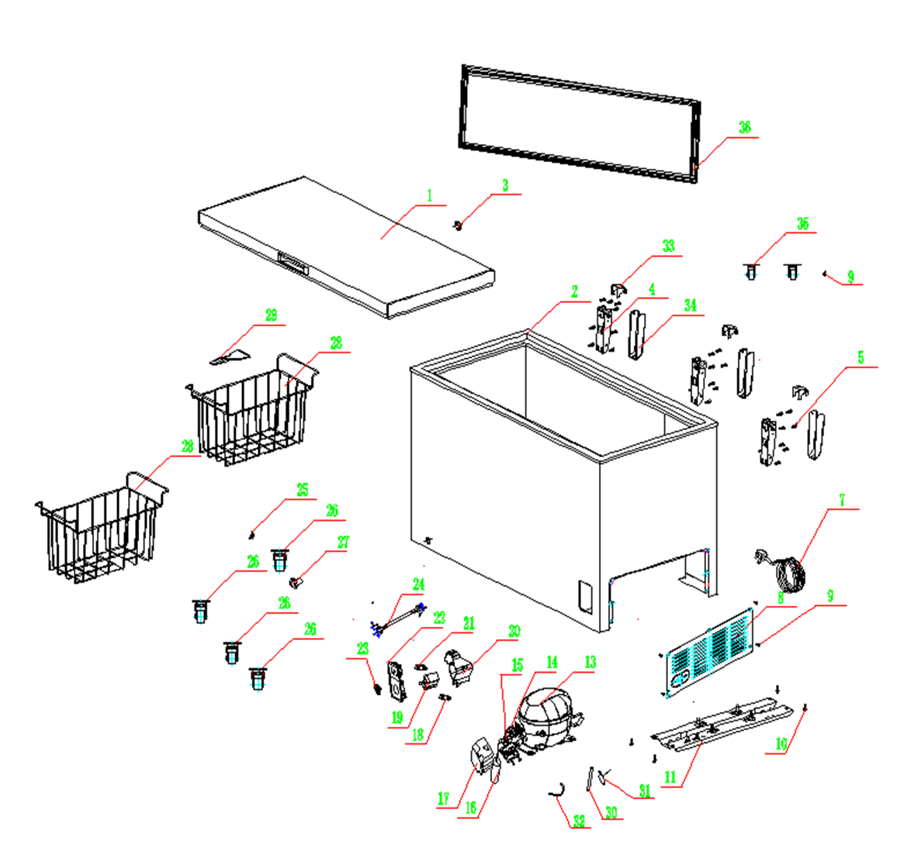
NO | PART NUMBER | PART DESCRIPTION (ENG) | QTY | PARTS SPECIFICATION | Notes
1 | 890176826 | Foamed Door | 1 | Component white
2 | 890177035 | Foamed Cabinet | 1 | Component white | Special Order
4 | 890132335 | Hinge Assembly | 3 | Component
5 | 800010965 | Bolt M5×16 | 24 | 15# M5×16
7 | 890211964 | Power Cord | 1 | DTII-3P-15/UL(105℃) or YS-05A
8 | 890039294 | Ventilation Mask | 1 | Painted Steel SPCC-0.45(JIS)
9 | 800001124 | Hole M4×8 | 10 | 22A ST4×12 | Special Order
10 | 800001112 | Bolt M5×18 | 4 | 35# M5×18 | Special Order
11 | 890118689 | Compressor Plate | 1 | Steel,DC51D+Z100-F-SC(B1.2) | Special Order
13 | 890249198 | Compressor | 1 | EZ80H1A-U | Special Order
14 | 890249198-P | Overload Protector | 1 | DRB31T61A1
15 | 890249198-S | PTC Starter | 1 | QPE2-A4R7MD3 or QPE2-B4R7MD3
16 | 890249198-RC | Run Capacitor | 1 | CBB65, 12μF
17 | 890249198-C | Compressor Cover | 1 | NORYL PPO PX9406 | Special Order
18 | 890204764 | Indicator Light (Green) | 1 | H0589
19 | 890205657 | Thermostat | 1 | WPF28D-EX or WPF28-2D2CC-EX
20 | 890226945 | Control Box Back Cover | 1 | ABS white HF606 | Special Order
21 | 890204850 | Indicator Light ( Red) | 1 | H0589
22 | 890098620 | Control Panel | 1 | Component white
23 | 890096024 | Thermostat Knob | 1 | Highlight HIPS
24 | 890204760 | Thermostat Wire | 1 | G1009.4-1/DU | Special Order
25 | 890090452 | Drain pipe cover( inside ) | 1 | Rubber 2#
26 | 890037860 | Universal wheel | 4 | Component black
27 | 890037430 | Drain pipe cover ( outside ) | 1 | ABS white HI-121H or DG-417
28 | 890039257 | Wire Basket | 2 | Q235-A.F white
29 | 890166000 | Defrost shovel | 1 | HIPS white 476L | Special Order
30 | 890053904 | Connecting Pipe | 1 | T2M | Special Order
31 | 890053805 | Drier Filter | 1
32 | 890051066 | Connecting Pipe | 1 | Copper T2Y2Ø6.0X0.5 | Special Order
33 | 890047274 | Upper hinge cover | 3 | ABS white HI-121H or DG-417
34 | 800011549 | Under hinge cover | 3 | ABS white HI-121H or DG-417
35 | 890037858 | Directional wheel | 2 | Component black
36 | 890170800 | Door gasket | 1 | Component white

