PART CD
Danby Model: DCFM033KA1WDB
Factory Model: BD-95JA
Effective Date: 03/09/2018
Revision: 00 |  | Updated Part Number, March 2019
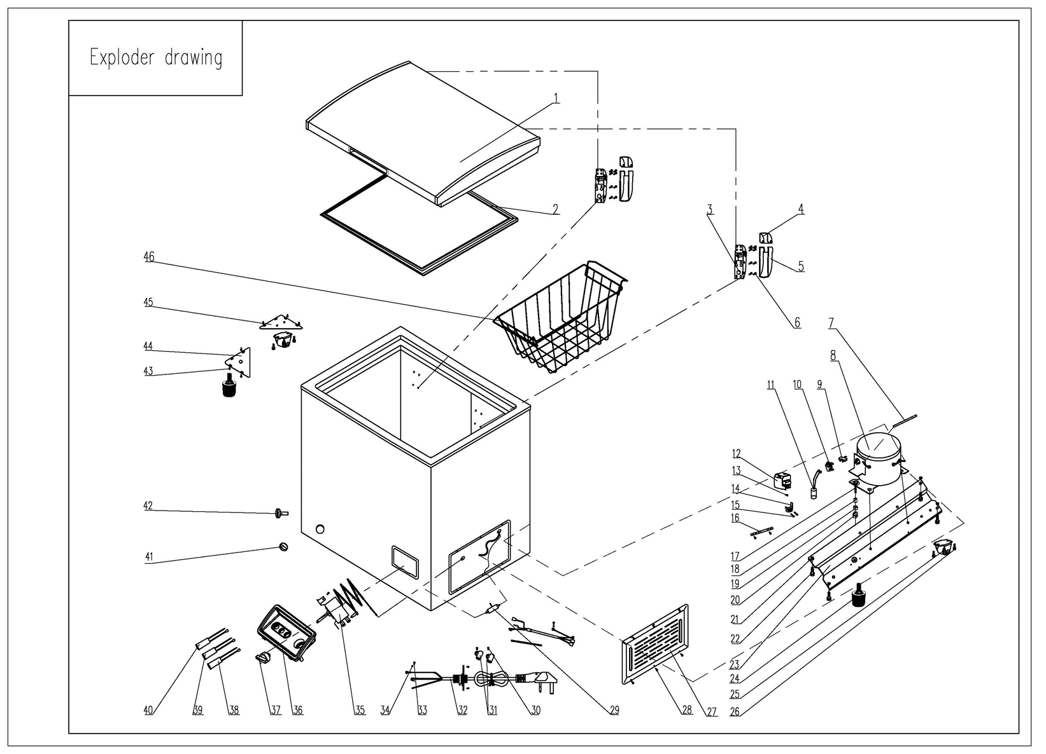
NO | PART NUMBER |  | PART DESCRIPTION (ENG) | QTY | PARTS SPECIFICATION | Notes
1 | 3.1.06.2.1.1037 |  | Door Assy (white) | 1 | Cold Rolled Plate, white
2 | 1.05.35.02.040 |  | Door gasket | 1 | SPVC，grey
3 | 1.05.06.07.004 |  | Door Hinge | 2 | Zinc Plated, white
4 | 1.25.02.15.01.009U |  | Upper Hinge Cover (white) | 2 | ABS, white
5 | 1.25.02.15.01.009B |  | Bottom Hinge Cover(white) | 2 | ABS, white
6 | 1.05.03.03.013 |  | Hinge Fixing Screw | 16 | M5×16
7 | 3.5.3.05.016 |  | Compressor Pipe | 1 | 6*0.65*110 | Special Order
8 | 1.03.01.01.191 |  | Compressor | 1 | PZ45E1C | Special Order
9 | 1.03.01.01.191F |  | OLP | 1 | DRB07R61A1
10 | 1.03.01.01.191PTC |  | PTC Starter | 1 | QP2-15
11 | 1.03.01.01.191C |  | Capacitor | 1 | CBB65/CBB65A-2 2.0μF
12 | 1.03.01.01.191G |  | Cover | 1 | anti-flaming PC/ABS, black | Special Order
13 | 1.03.01.01.191K |  | Fixing Screw | 1 | M4×8 | Special Order
14 | 1.03.01.01.191L |  | Compressor Wire Clamp | 1 | anti-flaming PC/ABS, black | Special Order
15 | 1.03.01.01.191M |  | Compressor Wire Clamp Screw | 2 | ST3.5×19 | Special Order
16 | 3.5.2.01.0793 |  | Capacitor Bracket | 1 | Galvanized Platet 0.3 | Special Order
17 | 1.03.01.01.191D |  | Compressor Screw | 4 | GB/T5780 Bolt Assembly, M6×28 | Special Order
18 | 1.03.01.01.191A |  | Compressor Sleeve | 4 | CTE943-2 | Special Order
19 | 1.03.01.01.191B |  | Compressor Rubber Washer | 4 | NBR, black | Special Order
20 | 1.03.01.01.191I |  | Nut | 4 | GB/T6170 Nut M6 | Special Order
21 | 1.05.03.04.011 |  | Hexagon Nuts With Flange | 4 | M5 | Special Order
22 | 1.05.03.03.027 |  | Screw With Flange | 4 | M5×16 | Special Order
23 | 3.1.02.09.001 |  | Compressor Support(white) | 1 | Cold Rolled Plate, white | Special Order
24 | 1.02.08.04.004 |  | Adjustable Foot | 2 | black(PP)
25 | 3.5.2.01.0503 |  | Roller | 2 | BD/BC100, black
26 | 1.05.03.03.001 |  | Screw | 4 | M5×16 | Special Order
27 | 3.1.02.16.062 |  | Compressor Cabin Cover(white) | 1 | Cold Rolled Plate, white
28 | 1.05.03.04.012 |  | Triangle Lock Screw | 6 | 4×12 | Special Order
29 | 1.03.30.03.014 |  | Filter | 1 | BC312W.3.0 | Special Order
30 | 1.05.03.02.006 |  | Self-Tapping Screw | 4 | 4×12 | Special Order
31 | 1.02.09.03.032 |  | Wire Clamp | 2 | PP, white | Special Order
32 | 1.01.01.01.437R |  | Power Cord Assy | 1 | YSD-02 (Plug) H05VV-F
33 | 1.05.03.01.001 |  | Cooper Screw | 2 | M4×8 | Special Order
34 | 1.05.04.01.002 |  | Cooper Outer Gear Washer | 2 | M4 | Special Order
35 | 1.03.02.01.139 |  | Thermostat | 1 | WPF29A-103-222-EX
36 | 1.02.15.04.061 |  | Temperature Control Panel | 1 | anti-flaming ABS, white
37 | 1.02.15.06.048 |  | Thermostat Knob | 1 | anti-flaming ABS, white
38 | 1.01.03.01.040R |  | Indicator Lamp(red) | 1 | 220V120MM Single terminal
39 | 1.01.03.01.036R |  | Indicator Lamp(blue) | 1 | 220V120MM Single terminal
40 | 1.01.03.01.037R |  | Indicator Lamp(green) | 1 | 220V120MM Single terminal
41 | 1.25.02.07.02.004 | 1.02.07.02.055 | Drain Plug(white) | 1 | ABS, white
42 | 1.25.02.07.02.006 | 1.02.07.02.057 | Drain Hole Plug(white) | 1 | ABS, white
43 | 1.05.03.02.003 |  | Screw | 7 | 5×13 | Special Order
44 | 3.5.2.01.1323 |  | Front Triangle Iron | 1 | Galvanized Platet 1.2 | Special Order
45 | 3.5.2.01.1324 |  | Back Triangle Iron | 1 | Galvanized Platet 1.2 | Special Order
46 | 1.05.08.10.041 |  | Basket | 1 | 45# Steel, φ3 & φ2 white,

