PART CD
Danby Model: DCF071A4WDD / DCF071A5WDD
Factory Model: BD-199JD
Effective Date: March 6th, 2017
Revision:
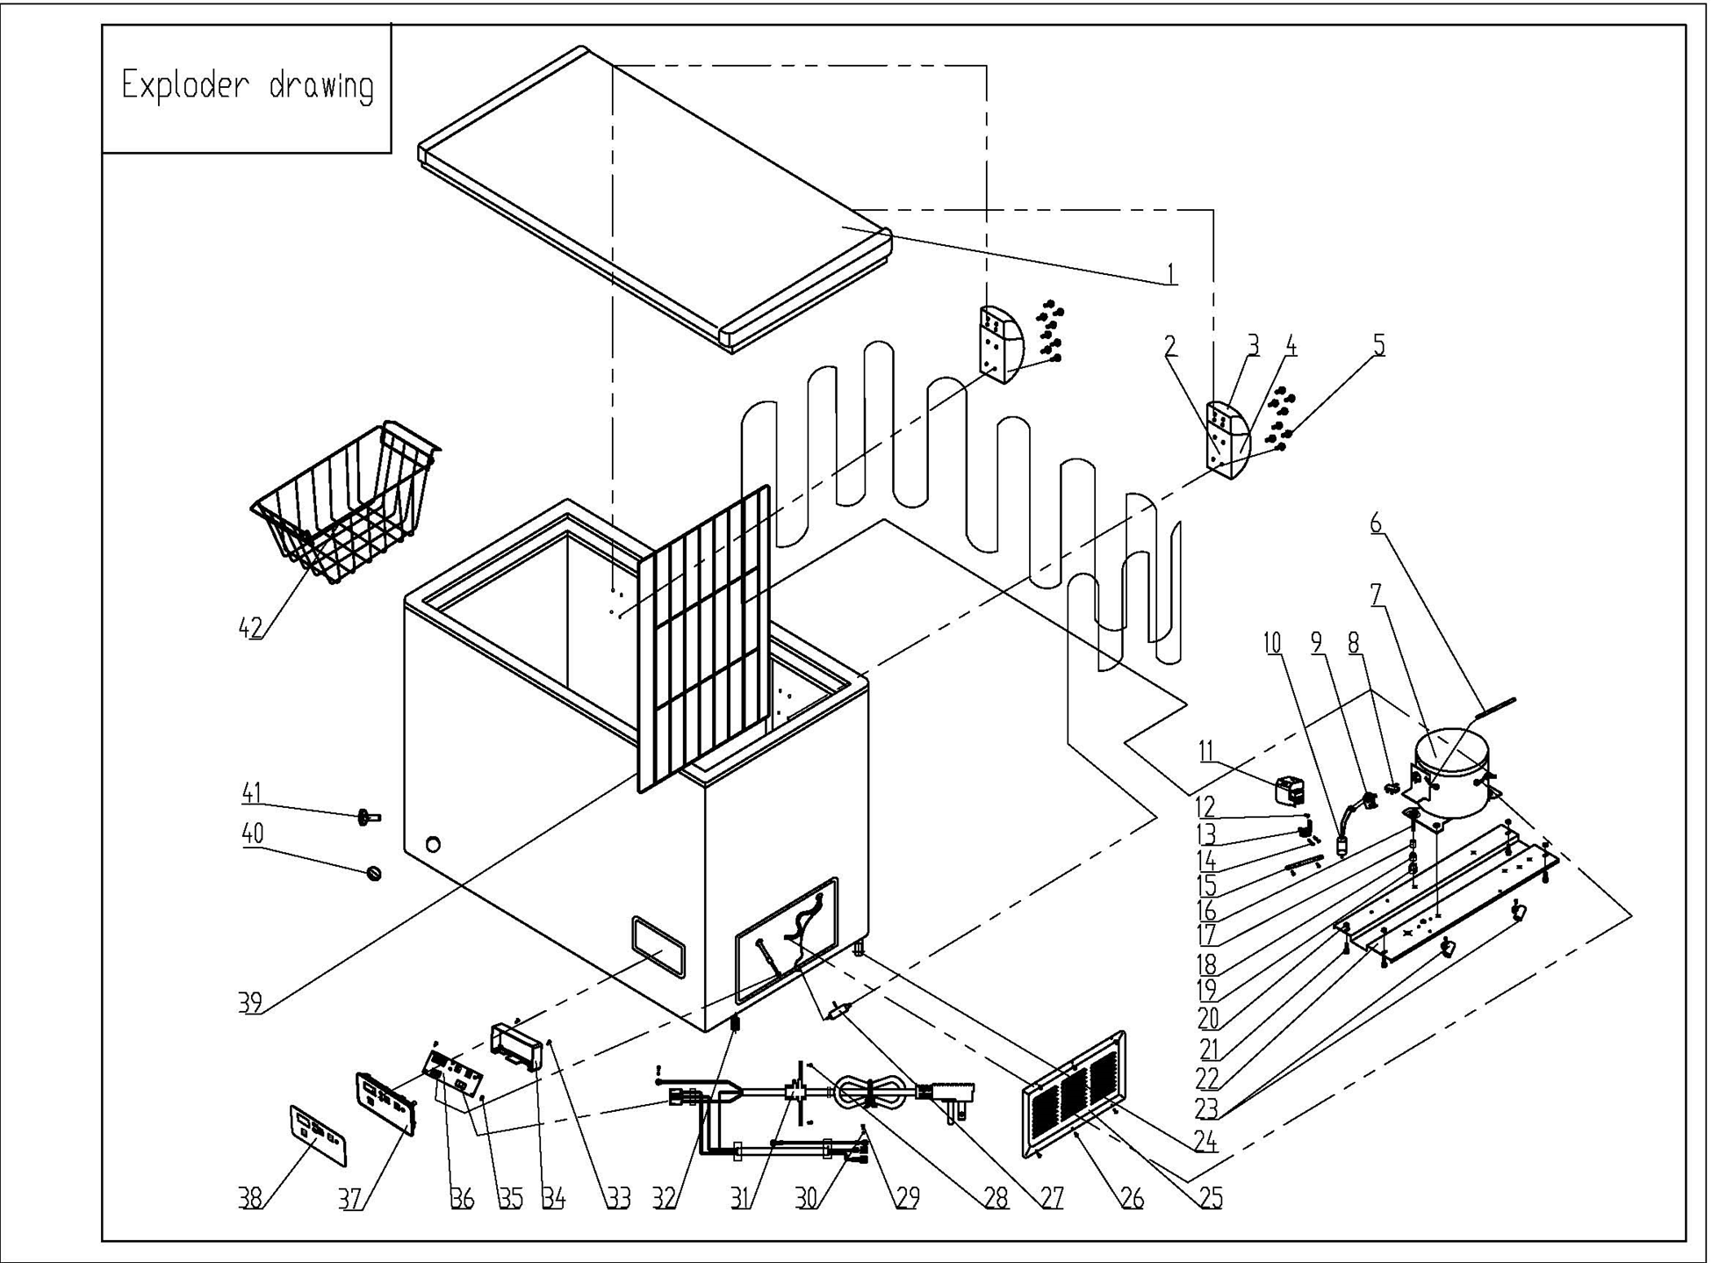
NO | PART NUMBER | PART DESCRIPTION (ENG) | QTY | PARTS SPECIFICATION | Notes
1 | 3.1.06.2.1.0209 | Door Assy(white) | 1 | Cold Rolled Plate, white
2 | 1.05.06.07.013 | Door Hinge | 2 | Zinc Plated, white
3 | 1.25.02.15.01.009U | Upper Hinge Cover (white) | 2 | ABS, white
4 | 1.25.02.15.01.009B | Bottom Hinge Cover(white) | 2 | ABS, white
5 | 1.05.03.03.013 | Hinge Fixing Screw | 16 | M5×16 | Special Order
6 | 3.5.3.05.016 | Compressor Pipe | 1 | 6*0.65*110 | Special Order
7 | 1.03.01.01.194 | Compressor | 1 | EZ59E1C | Special Order
8 | 1.03.01.01.194F | OLP | 1 | DRB18R61A1
9 | 1.03.01.01.194PTC | PTC Starter | 1 | QP2-4R7
10 | 1.03.01.01.194C | Capacitor | 1 | 8.0μF/250V
11 | 1.03.01.01.194G | Cover | 1 | anti-flaming PC, black | Special Order
12 | 1.03.01.01.194K | Fixing Screw | 1 | M4×8 | Special Order
13 | 1.03.01.01.194L | Compressor Wire Clamp | 1 | anti-flaming PC, black | Special Order
14 | 1.03.01.01.194M | Compressor Wire Clamp Screw | 2 | ST3.5×19 | Special Order
15 | 3.1.01.20.003 | Capacitor Bracket | 1 | Galvanized Platet 0.3 | Special Order
16 | 1.03.01.01.194D | Compressor Screw | 4 | GB/T5780 Bolt Assembly, M6×28 | Special Order
17 | 1.03.01.01.194A | Compressor Sleeve | 4 | CTE943-2 | Special Order
18 | 1.03.01.01.194B | Compressor Rubber Washer | 4 | NBR, black | Special Order
19 | 1.03.01.01.194I | Nut | 4 | GB/T6170 Nut M6 | Special Order
20 | 1.05.03.04.011 | Hexagon Nuts With Flange | 4 | M5 | Special Order
21 | 1.05.03.03.001 | Screw | 8 | M5×16 | Special Order
22 | 3.1.02.09.001 | Compressor Support(white) | 1 | Cold Rolled Plate, white | Special Order
23 | 1.02.09.03.032 | Wire Clamp | 2 | PP, white | Special Order
24 | 3.5.2.01.0503 | Roller | 2 | BD/BC100, black
25 | 3.1.02.16.001 | Compressor Cabin Cover(white) | 1 | Cold Rolled Plate, white
26 | 1.05.03.04.012 | Triangle Lock Screw | 6 | 4×12 | Special Order
27 | 1.03.30.03.014 | Filter | 1 | BC312W.3.0
28 | 1.05.03.02.006 | Self-Tapping Screw | 4 | 4×12 | Special Order
29 | 1.05.03.01.001 | Cooper Screw | 2 | M4×8 | Special Order
30 | 1.05.04.01.002 | Cooper Outer Gear Washer | 2 | M4 | Special Order
31 | 1.01.01.01.806R | Power Cord Assy | 1 | E465601 XYP-204 SJT 18AWG×3C | Special Order
32 | 1.02.08.04.004 | DCFM ADJUSTABLE FOOT | 2 | black(PP)
33 | 1.05.01.02.001R | Screw | 2 | GB/T845 SS ST screw 2.9×13 | Special Order
34 | 1.02.15.04.105 | Control Panel Back Cover | 1 | anti-flaming ABS, white | Special Order
35 | 1.05.02.02.026 | Screw | 2 | GB/T845 SS ST screw 2.9×9.5 | Special Order
36 | 1.01.02.02.019R | Main control panel | 1 | BD143-272JD
37 | 1.02.15.04.104 | Temperature control panel | 1 | anti-flaming ABS,white
38 | 1.01.03.10.018R | Electric control panel sticker | 1 | PC，3 m adhesive tape
39 | 1.05.08.02.053 | Compartment Divider | 1 | 45# Steel, φ4 & φ2.2 white
40 | 1.25.02.07.02.004 | Drain Plug(white) | 1 | ABS, white
41 | 1.25.02.07.02.006 | Drain Hole Plug(white) | 1 | ABS, white
42 | 1.05.08.02.063 | Basket | 1 | 45# Steel, φ4 & φ2.2 white,

