PART CD
Danby Model: DBMW1120BBB
Factory Model: EM031MNN-P00K00
Effective Date: Dec. 2019
Revision:
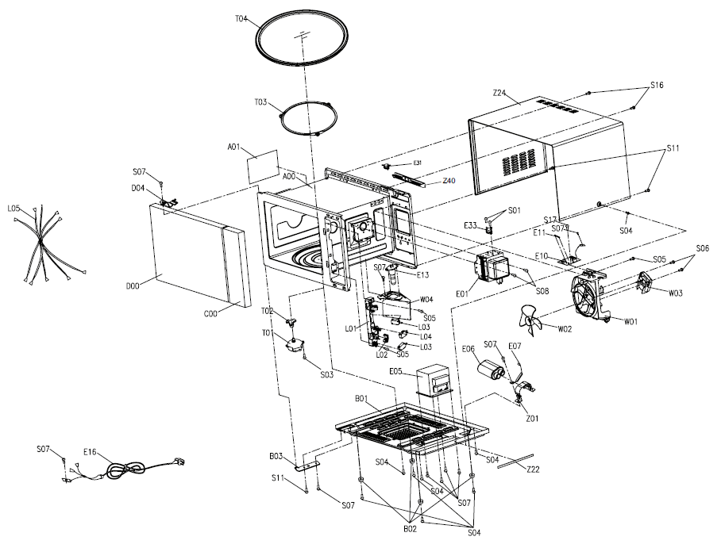
NO | PART NUMBER | PART DESCRIPTION (ENG) | QTY | PARTS SPECIFICATION | Notes
A00 | 12270000004689 | Cavity Assembly | 1 | Desktop stove cavity assembly M31L single function SPCC powder white 01 | Special Order
A01 | 12570000001036 | Splash Cover | 1 | Desktop stove splash guard G31L mica sheet T=0.35mm 118*99
B01 | 12270000001514 | Baseplate Assembly | 1 | E31L CL01-12 Gaoxin CH85 1.00uF 2100V Bicai | Special Order
C00 | 17270000B72186 | Control Panel Assembly | 1 | M31L C1,Black | Special Order
C05 | 16070000B32720 | Membrane Decoration | 1 | EM031MNN-P00A-B EM028ENN03-05 Black background
C05 | 16070000B33191 | Membrane Decoration | 1 | EM031MNN-P00A-B EM028ENN03-05 Black,French
C26 | 17170000001326 | Membrane Switch Circuit | 1 | Single function and barbecue 24 keys EM030ENF0301-03 PET 70*135mm E25L NF | Special Order
D00 | 12270000B42322 | Door Assembly | 1 | M31L NN,black 01 MO-391902 (01) | Special Order
E01 | 17470000000805 | Magnetron | 1 | Magnetron 2M319J 1050W | Special Order
E05 | 17470000003937 | H.V.Transformer | 1 | High voltage transformer MD-903AMS-1 GWLA | Special Order
E06 | 17470000000694 | H.V.Capacitor | 1 | CH85 1.00μF | Special Order
E07 | 17470000001006 | H.V.Diode | 1 | CL01-12 12V,0.35A
E10+E11 | 17170000002951 | Noise Fliter Assembly | 1 | (MDFLT12B-2) 611 20A 125V Glass 6*30 Bet | Special Order
E13 | 17470000000773 | Lamp Assembly | 1 | A28 T22 125V 20W,A28L SGCC T=0.5
E16 | 17470000000183 | Power Cord | 1 | AM78G-111OG,3G14AWG 1000 gray 187,T001 | Special Order
E31 | 17470000001490 | Thermostat | 1 | KSD201 Action 100°C Reset 90°C 250 10 187,A28L,T011
E35 | 17470000001509 | Thermostat | 1 | KSD201 action 160 ° C reset 95 ° C 250 10 187,T005
L00 | 17470000002256 | Interlock Assembly | 1 | E25L KW3A-16T0-C200K 16A/KW3A 16A 2,KW3A 16A,EM028E-P00A-H2 UL&CUL,V0 UL&CUL | Special Order
S01 |  | SCREW | 2 | CT3*8BBHC | Special Order
S03 |  | SCREW | 1 | ST4*8PBHC | Special Order
S04 |  | SCREW | 8 | ST4*10TBHC | Special Order
S05 |  | SCREW | 3 | ST4*12PwBHC | Special Order
S06 |  | SCREW | 2 | ST4*20TBHC | Special Order
S07 |  | SCREW | 9 | CT4*8TBHC | Special Order
S08 |  | SCREW | 2 | CT4*10HwBHC | Special Order
S11 |  | SCREW | 3 | CT4*10TBHC | Special Order
S16 |  | SCREW | 2 | ST4*10TDB | Special Order
S17 |  | SCREW | 1 | ST3*10PWTHC | Special Order
T01 | 11002014000014 | Synchronous Motor | 1 | Synchronous Motor RoHS TB-64-16-8-5 TYJ50-8A19 100-120V
T02 | 12170000000425 | Coupler | 1 | Desktop stove plastic drive shaft C23L PPS+30%GF H=20.7
T03 | 12170000004310 | Swivel Assembly | 1 | Desktop stove swivel assembly A28L PPS φ=15 φ=222mm
T04 | 12570000A25475 | Glass Turntable | 1 | A28L borosilicate glass 1260g Φ315mm
W00 | 17470000000277 | Fan Assembly | 1 | C23L MDT-08A WLA1 120V | Special Order
Z22 | 12670000000420 | Shockproof Bar | 1 | A21L PU,Black 267*10*8mm | Special Order
Z22 | 12670000000424 | Shockproof Bar | 1 | A15L PU sponge Black,200*10*5mm | Special Order
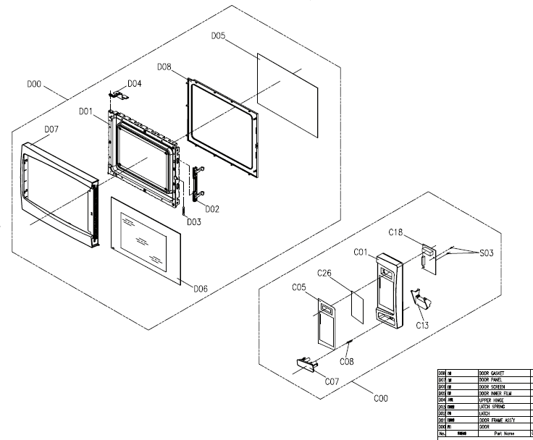
Z22 | 12670000000439 | Shockproof Bar | 1 | Embedded Shock Bar E25L PU Sponge Black 340*30*8mm Rear Plate Sponge | Special Order
Z24 | 12270000005935 | Cover | 1 | E25L,SPCC T=0.5mm Powdered Black | Special Order

