PART CD
Danby Model: DBMW0920BBB
Factory Model: EM923A-P00K00
Effective Date: 20/04/2020
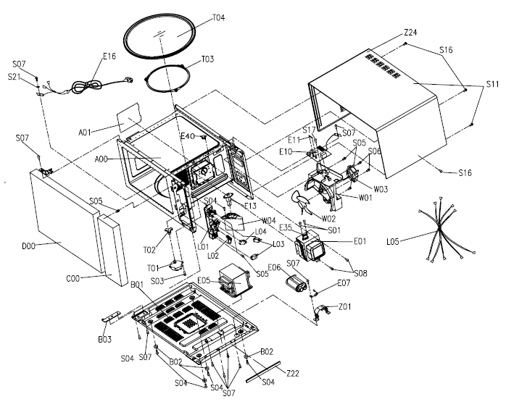
Revision: First release
NO | PART NUMBER | PART DESCRIPTION (ENG) | QTY | PARTS SPECIFICATION | Notes
A00 | 12270000012903 | Cavity Assembly | 1 | A23L single function SPCC dusting white 01 U | Special Order
A01 | 12570000001036 | Splash Cover | 1 | Desktop stove splash plate G31L mica sheet T = 0.35mm 118 * 99
B01 | 12270000013576 | Baseplate Assembly | 1 | A25L CL01-12 0.35A,CH85 0.95μf | Special Order
C00 | 17270000B74550 | Control Panel Assembly | 1 | A25L EM925AZE-P00K,Black 01 MO-A45830 (01) | Special Order
C05 | 16070000B32722 | Membrane Decoration | 1 | English, EM925ANN-P00A -B-em925ann03-05 black | English
C05 | 16070000B33626 | Membrane Decoration | 1 | French, black | French
C26 | 17170000001279 | Membrane Switch Circuit | 1 | 24 keys,PET 70 * 120mm | Special Order
D00 | 12270000B57911 | Door Assembly | 1 | Microwave oven door assembly A25L NN black 01 MO-A45926 (01) PZ-SS | Special Order
E01 | 17470000000809 | Magnetron | 1 | Magnetron 2M219J 945W Witt T001 | Special Order
E05 | 17470000004343 | H.V.Transformer | 1 | High-voltage transformer MD-803AMS-1 GWLA | Special Order
E06 | 17470000000681 | H.V.Capacitor | 1 | High Voltage Capacitor CH85 0.95 Withstand Voltage 2100V Bicolor Paper Nameplate | Special Order
E07 | 17470000001006 | H.V.Diode | 1 | High voltage diode CL01-12 0.35 gaoxin with heat shrinkable tube T001 | Special Order
E10+E11 | 17170000002951 | Noise Fliter Assembly | 1 | (MDFLT12B-2)611 20A 125V glass 6*30 | Special Order
E13 | 17470000000752 | Lamp Assembly | 1 | Microwave Oven Bulb Assembly T22 125V 20W New Age Air Duct A28L SGCC T = 0.5
E16 | 17470000000184 | Power Cord | 1 | AM77G-112OG,SJT 3G16AWG 1000 gray 187,T004
E35 | 17470000001509 | Thermostat | 1 | KSD201 action 160℃ reset 95℃ 250 10 187,T005 or KSD1 Action 110°C Reset 70°C 250 10 187,T003
E40 | 17470000001507 | Thermostat | 1 | KSD1 Action 110°C Reset 70°C 250 10 187,T003 or KSD201 action 160℃ reset 95℃ 250 10 187,T005
L00 | 17470000001783 | Interlock Assembly | 1 | A23L KW3A 16A Normally open 2 Southeast KW3A 16A 1 Normally closed Southeast EM925RSL-P00A | Special Order
L03 | 17470000002311 | Microswitch | 2 | KW3A 250 16 T105 normally open 187,CQC-VDE-UL Southeast T001 | Special Order
L04 | 17470000002299 | Microswitch | 1 | KW3A 250 16 T105 normally closed 187,CQC-VDE-UL Southeast T002 | Special Order
T01 | 11002014A00326 | Synchronous motor | 1 | TB-64-16-8-5-D,TYJ50-8A19,100-120V
T02 | 12170000000425 | Coupler | 1 | Table top furnace Plastic drive shaft C23L PPS + 30% GF H = 20.7
T03 | 12170000004335 | Swivel Assembly | 1 | Table Top Swivel Assembly A17L SPS φ = 12 φ = 178
T04 | 12570000A25472 | Glass Turntable | 1 | A23L Borosilicate Glass 780g Φ270mm Linuo L
W00 | 17470000000591 | Fan Assembly | 1 | A17L MDT-08A WLA1 120V Welling | Special Order
Z22 | 12670000000424 | Shockproof Bar | 1 | A15L PU,Black 200 * 10 * 5mm | Special Order
Z24 | 12270000005959 | Cover | 1 | SPCC T = 0.5mm,black 04,A13,MM821ABE-06F | Special Order
 | 11300403000001 | Spring Washers | 1 | Spring washer RoHS MJ14-00042 Φ4.1 * 6.6 * 1.2 SGCC white zinc plated | Special Order
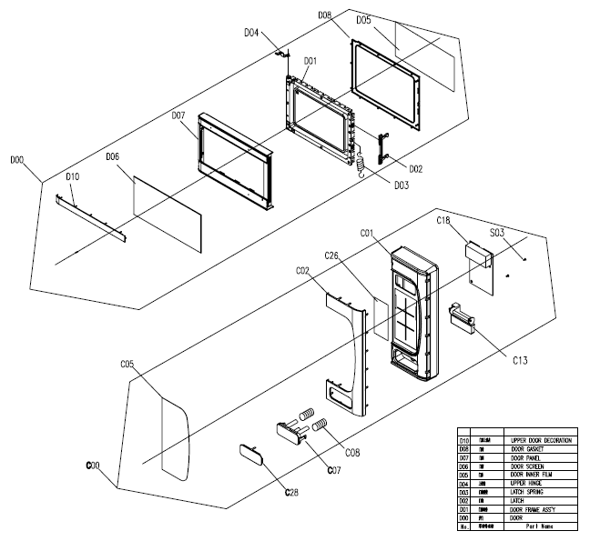
 | 12170000003919 | Wire Clamp | 1 | Desktop stove wire clamp T44L PA66FG430 injection primary color small plastic parts | Special Order
 | 12470000000055 | Sponge | · | Embedded sponge strip B25L PE sponge 65 * 36 * 6 display mirror sealing sponge | Special Order
 | 12570000000646 | Door Screen | 1 | Midea version door and window silk screen A25L NN EM925ANN02-01 black | Special Order
 | 16070000B37157 | Nameplate | 1 | EM925ANN-P00A -B-em925ann03-05 2, 16070000001432 Matching circuit 17170000001279 | Special Order

