PART CD
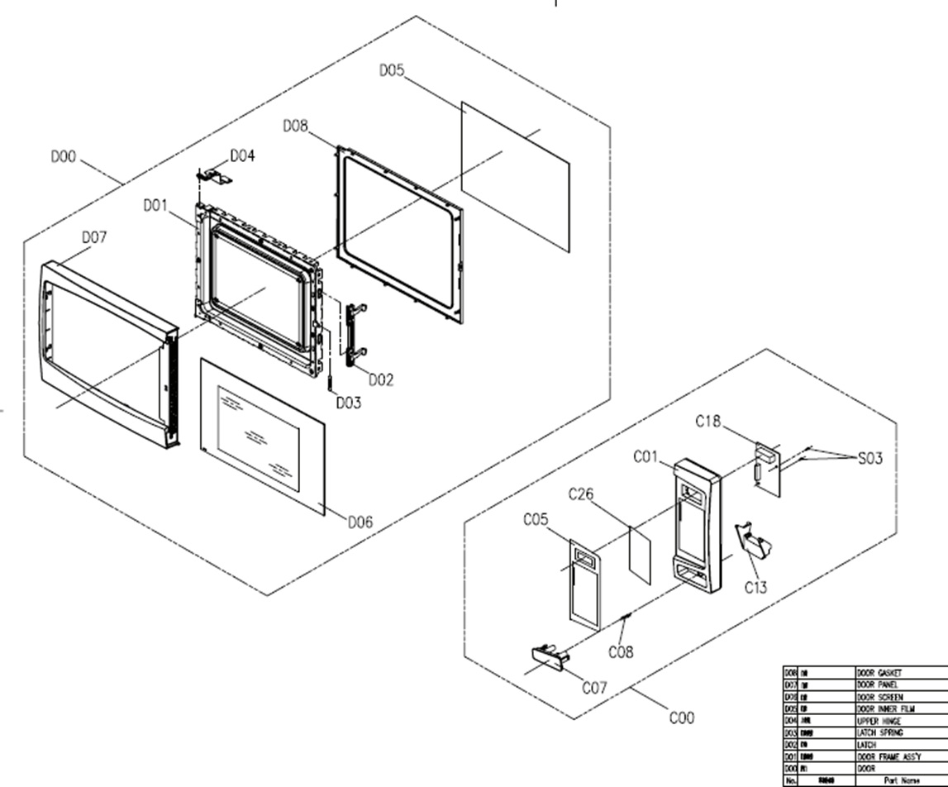
Danby Model: DBMW0720BWW
Factory Model: EM720CNN-P00K00
Effective Date: Feb. 19, 2020
Revision:
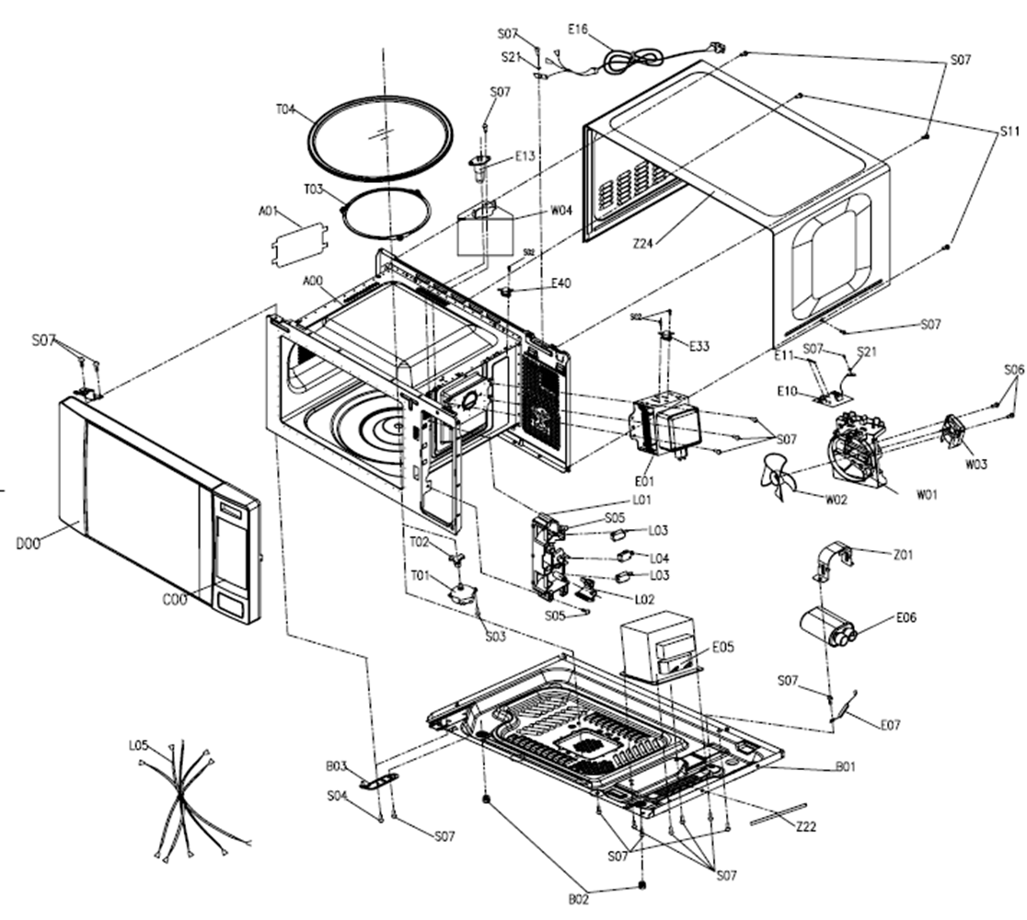
NO | PART NUMBER | PART DESCRIPTION (ENG) | QTY | PARTS SPECIFICATION | Notes
A00 | 12270000013825 | Cavity Assembly | 1 | M20L Single Function SPCC Powder White | Special Order
A01 | 12570000001034 | Splash Cover | 1 | Desktop stove splash guard C17L mica
B01 | 12270000013523 | Baseplate Assembly | 1 | M20L CL01-12 0.35A/Gaoxin CH85 0.75μF | Special Order
C00 | 17270000B71657 | Control Panel Assembly | 1 | M20L EM720CWA-PM0A00, Black 01 MO-886172(01) FW-MD(US) | Special Order
C05 | 16070000B32649 | Membrane Decoration | 1 | EM720CNN-PM0K EM720CNN03-05 black background 3 color
C05 | 16070000B33132 | Membrane Decoration | 1 | EM720CNN-PM0K EM720CNN03-05 black background 2 color Danby French
C26 | 17170000001300 | Membrane Switch Circuit | 1 | 24 keys EG820CTB03-05 PET 55*120mm E25L TB | Special Order
D00 | 12270000B42421 | Door Assembly | 1 | M20L EM720C-PM0A00 NN exterior black | Special Order
E01 | 17470000000807 | Magnetron | 1 | Magnetron 2M217J 580W | Special Order
E05 | 17470000000880 | H.V.Transformer | 1 | High voltage transformer MD-601AMR-1 GYLD | Special Order
E06 | 17470000000674 | H.V.Capacitor | 1 | CH85 0.75μF | Special Order
E07 | 17470000001006 | H.V.Diode | 1 | CL01-12 12V,0.35A
E10+E11 | 17170000002928 | Noise Fliter Assembly | 1 | MDFLT12B-2, 611 15A 125V Glass 6*30 Bet | Special Order
E13 | 17470000000746 | Lamp Assembly | 1 | T22 125V 20W new era air duct M20L SGCC T=0.4
E16 | 17470000000057 | Power Cord | 1 | AM77G-512EG UL Triple Plug SJT 3G16AWG 1500 Gray 187
E33 | 17470000001472 | Thermostat | 1 | KSD201 action 160 ° C reset 95 ° C 250 10 187
E40 | 17470000001470 | Thermostat | 1 | KSD201 action 110°C reset 70°C 250 10 187, T003
L00 | 17470000001927 | Interlock Assembly | 1 | M20L KW3A Normally open southeast 2 KW3A Normally closed southeast 1 | Special Order
S21 | 11300403000001 | Spring Washers | 2 | MJ14-00042 Φ4.1*6.6*1.2 SGCC white | Special Order
T01 | 11002014A00326 | Synchronous motor | 1 | TB-64-16-8-5-D Hengxing TYJ50-8A19, 100-120V
T02 | 12170000000424 | Coupler | 1 | Tabletop furnace plastic drive shaft C23L SPS130 H=22.5mm
T03 | 12170000004331 | Swivel Assembly | 1 | M20L SPS φ=Φ16 φ=Φ178
T04 | 12570000000990 | Glass Turntable | 1 | C17L borosilicate glass 630g Φ255mm
W00 | 17470000000280 | Fan Assembly | 1 | M20L MDT-08A JCA 120V | Special Order
Z22 | 12670000000424 | Shockproof Bar | 1 | A15L PU sponge Black 200*10*5mm | Special Order
Z22 | 12670000000441 | Shockproof Bar | 1 | A26L PE sponge Gray 40*12*4.5mm Anti-vibration strip | Special Order
Z24 | 12270000005676 | Cover | 1 | M20L Grill SPCC T=0.4mm Powder Black | Special Order

