PART CD
Danby Model: DBM187E1WDB
Factory Model: BCD520
Effective Date: 2021-06-29
Revision: ’00
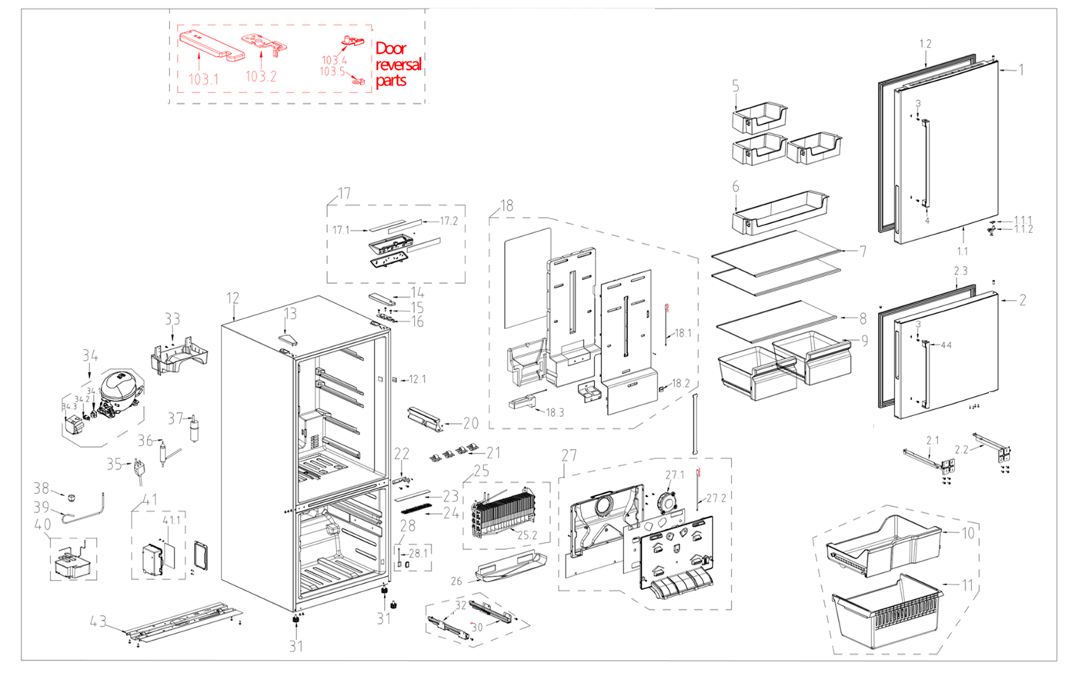
NO | PART NUMBER | PART DESCRIPTION (ENG) | QTY | PARTS SPECIFICATION | Notes
1 | 12831000A06665 | Refrigerator door assembly | 1
1.1 | 12131000073560 | end cap assembly of refrigerator | 1 |  | Special Order
1.1.1 | 12231000006546 | Stopper | 1
1.1.2 | 12131000003413 | Door self-locking | 1
1.2 | 12131000073491 | Door gasket assembly of refrigerator | 1
 | 12131000000637 | Hole cap | 2 | PP
2 | 12831000042784 | Freezer door assembly | 1
2.1 | 12231000040426 | Slide rail support | 1 |  | Special Order
2.2 | 12231000040427 | Slide rail support | 1 |  | Special Order
2.3 | 12131000073490 | Door gasket assembly of freezer | 1
3 | 11301803000002 | Handle bolt | 8 | MJ05-00326
4 | 12131000034301 | Door handle of refrigerator compartment | 1
5 | 12131000073588 | R small tray | 3
6 | 12131000073586 | R large tray | 1
7 | 12531000013017 | Glass shelf assembly of refrigerator | 2
8 | 12531000013016 | Glass shelf assembly of refrigerator | 1
9 | 12131000073599 | Fruits and vegetables box component | 2
10 | 12131000073606 | F upper drawer assembly | 1
11 | 12131000073602 | F bottom drawer | 1
12 | 12831000A06671 | Cabinet assembly | 1 |  | Do Not Order
12.1 | 17431000000392 | Sector-shaped switch | 1 | B157.0.1-1
13 | 12131000014610 | Hinge cover | 1
14 | 12131000005146 | Hinge cover | 1
15 | 11303305000004 | tapping locking screw | 13 | MJ03-20000
16 | 12231000042667 | Upper hinge | 1
17 | 12131000073597 | Lamp mounting box assembly | 1 |  | Special Order
17.1 | 17431000009581 | LED lamp | 1 | LED-0035
17.2 | 17131000011602 | Display control panel | 1 | XKB-0178
18 | 12131000073607 | air duct assembly of refrigerator | 1 |  | Special Order
18.1 | 11201007001540 | Temperature Sensor | 1 | CGQ-WD/3839-L680-351510210-P650
18.2 | 12131000073589 | Adjustment block of damper | 1 |  | Special Order
18.3 | 17431000000888 | Electric damper | 1 |  | Special Order
20 | 12131000073585 | Fixed base | 1 |  | Special Order
21 | 12131000073587 | Support component | 4 |  | Special Order
22 | 12231000040846 | Middle hinge assemblies | 1
23 | 17431000008201 | LED lamp | 1 | LED-0027
24 | 12131000073545 | Lamp cover (freezer) | 1
25 | 15831000003962 | Component supplying fin evaporator | 1 | ZFQ-0520 | Special Order
25.2 | 17431000028611 | Defrost heater | 1 | JRQ-0089
25.3 | 11201007000795 | Temperature Sensor | 1
26 | 12231000040428 | Drain tray | 1 |  | Special Order
27 | 12131000073603 | Air duct assembly of freezer | 1 |  | Special Order
27.1 | 11002015005301 | Brushless DC Motor | 1 | ZBYP-3-8-51
27.2 | 11201007001840 | Temperature Sensor | 1 | CGQ-WD3839-L550-351510210
28 | 12131000058031 | Cover assembly | 1
28.1 | 17431000000121 | Magnetism control switch | 1
30 | 12931000004181 | Slide rail assembly | 1 |  | Special Order
31 | 12131000000986 | Levelling feet | 2 | M030-104
32 | 12931000004182 | Slide rail assembly | 1 |  | Special Order
33 | 12131000004386 | Drain tray | 1
34 | 11101010002225 | Fixed Speed Reciprocating Compressor | 1 | YJ-MZ-1015 | Special Order
34.1 | 12031000001063 | Starter | 1 | 100-127V, QP2-4R7
34.2 | 12031000001312 | Protector | 1 | DRB31T61A1
34.3 | 12031000001171 | Electric appliance shield | 1 | BK10924810 | Special Order
35 | 17431000002477 | Power cord | 1
36 | 15531000001761 | Dry filter | 1 | GJ-0994
37 | 17431000001252 | Capacitor | 1
38 | 12631000000256 | Water pipe connector | 1 | M7G7-116 | Special Order
39 | 15531000000641 | Component supplying pipe connector | 1 |  | Special Order
40 | 15531000000010 | Component supplying pipe connector | 1 |  | Special Order
41 | 12131000075152 | Main control board mounting box assembly | 1 |  | Special Order
41.1 | 17131000010802 | Main control board | 1 | ZKB-0178
43 | 12231000005886 | Compressor mounting panel assembly | 1 |  | Special Order
44 | 12131000083908 | Door handle of freezer compartment | 1
 | 12131000003026 | screw hole plugs | 4
103.1 | 12131000005018 | Hinge cover | 1
103.2 | 12231000048330 | Upper hinge | 1
103.4 | 12131000003339 | Door self-locking | 1
103.5 | 12231000006555 | Stopper | 1

