PART CD
Danby Model: DBC026A1BSSDB
Factory Model: LSC-72
Effective Date: 20170428
Revision: | PART NUMBER | Updated, Sept. 2018
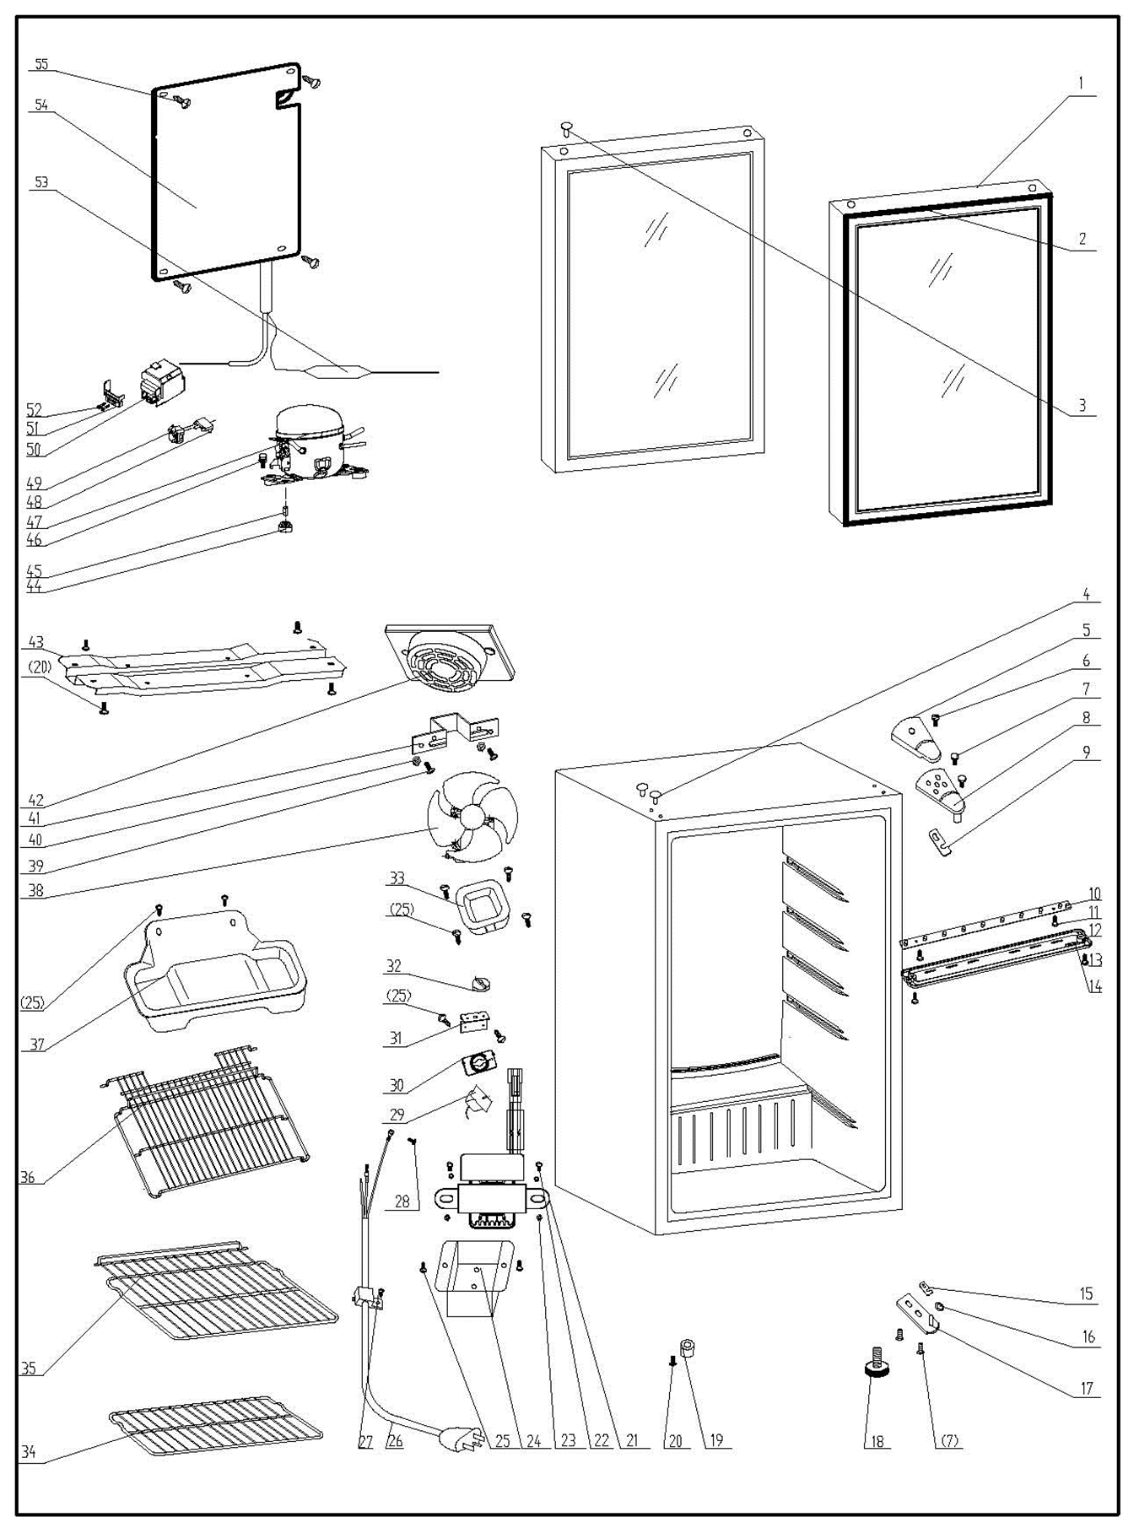
NO |  |  | PART DESCRIPTION (ENG) | QTY | PARTS SPECIFICATION | Notes
1 | 3.2.05.2.04.111 |  | Glass Door | 1 | Tempered glass
2 | 1.05.35.03.014 |  | Door Gasket(black)-Push | 1 | black
3 | 1.25.02.12.05.009 |  | Hinge Plug (door) | 1 | ABS, silver grey
4 | 1.25.02.12.03.001 |  | Hinge Plug(cabinet) | 2 | ABS, black
5 | 1.25.02.12.04.008 |  | Door Hinge Cover(black) | 1 | ABS, black
6 | 1.05.02.01.001 |  | 818 Stainless Steel M4×6 | 1 | GB/T818, screw, M4X6 | Special Order
7 | 1.05.03.03.019 |  | Screw Component(M5×16,washer) | 4 | GB/T9074.13 bolt assay, M5×16 | Special Order
8 | 3.2.02.11.022 |  | Upper Hinge Board | 1 | t2.5/Q235-A(black)
9 | 1.04.12.03.012 |  | Upper Hinge Busher | 1 | black | Special Order
10 | 1.01.03.03.080R |  | LED Light | 1 | BC126.4.3
11 | 1.05.01.02.002R |  | Screw(ST2.9×6.5) | 2 | GB/T845,2.9X6.5 | Special Order
12 | 1.02.11.03.078 |  | LED Light Cover | 1 | PS, transparent
13 | 1.05.02.02.003 |  | Screw(ST3.5×9.5,SS) | 2 | GB/T845, screw, 3.5X9.5 | Special Order
14 | 1.01.01.07.022R |  | LED Light Switch Assy | 1 | KCD1-108 3A 250VAC
15 | 1.04.12.03.013 |  | Bottom Hinge Rubber Washer | 1 | black
16 | 1.05.03.05.005 |  | Door Spindle Washer(black) | 1 | φ10 | Special Order
17 | 3.2.02.12.025 |  | Bottom Hinge(black) | 1 | t2.5/Q235-A(black)
18 | 1.25.02.12.06.009 |  | Adjustable Foot | 1 | ABS, black
19 | 1.25.02.12.06.001 |  | Foot | 1 | ABS, black
20 | 1.05.03.03.002 |  | Screw Component (M6×14) | 5 | GB/T9074.13 bolt assay, M6×14 | Special Order
21 | 1.01.07.01.024 |  | Transformer | 1 | YLB-1213
22 | 1.05.01.01.001R |  | 818 Screw M4×8 | 2 | GB/T818, M4×8 | Special Order
23 | 1.05.03.04.001 |  | Nut (M4) | 2 | M4 | Special Order
24 | 3.2.02.35.001 |  | Transformer Box | 1 | t0.5/Q235-A(black) | Special Order
25 | 1.05.03.02.001 |  | Lentil-headed SS Screw | 10 | JIS tapping screw, 4×12 | Special Order
26 | 1.01.01.01.203R |  | Power Supply Cord | 1 | E465601 XYP-204 SJT 18AWG×3C
27 | 1.05.03.02.006 |  | ST Screw(4×12,Milling Tail) | 1 | JIS tapping screw, 4×12 | Special Order
28 | 1.05.03.01.001 |  | 818 Screw M4×8(Copper) | 2 | GB/T818 screw, M4×8 | Special Order
29 | 1.03.02.01.120 |  | Thermostat | 1 | WDF 13K-100-024(E) (WDF13K-100-024E)
30 | 1.01.20.01.302 |  | Thermostat Panel | 1 | aluminium plate | Special Order
31 | 3.2.02.33.002 |  | Thermostat Fixing Plate | 1 | B-1.0/Q235-A(black) | Special Order
32 | 1.25.02.15.06.006 |  | Thermostat Knob | 1 | ABS, black
33 | 3.2.02.16.002 |  | Thermostat Back Cover | 1 | t0.5/DC03, black | Special Order
34 | 1.05.08.04.222 |  | Bottom Shelf | 1 | 45# steel, black
35 | 1.05.08.04.226 |  | Shelf Ⅱ | 1 | 45# steel, black
36 | 1.05.08.04.223 |  | Shelf Ⅰ | 1 | 45# steel, black
37 | 3.2.02.15.017 | 3.2.02.15.002 | Drip Tray | 1 | t0.5/DC03, black
38 | 1.01.06.01.504R |  | Fan Motor(115V) | 1 | BC312W.0.1(ZYD-2J SERIES)
39 | 1.05.02.01.007 |  | 818 SS Screw M3×15 | 2 | GB/T818,M3×15 | Special Order
40 | 1.05.02.05.007 |  | Stainless Steel Nut M3 | 2 | M3 | Special Order
41 | 3.5.2.02.0622 |  | Fan Motor Bracket | 1 | t1.5 aluminum | Special Order
42 | 1.25.02.11.03.025 |  | Fan Motor Cover | 1 | ABS, black | Special Order
43 | 3.2.02.07.006 | 3.5.2.02.0041 | Compressor Support(black) | 1 | t0.9/Q235-A(black) | Special Order
44 | 1.03.01.01.332B |  | Compressor Rubber Washer | 4 | black | Special Order
45 | 1.03.01.01.332A |  | Sleeve | 4 | CTE943-2 | Special Order
46 | 1.03.01.01.332D |  | Compressor Screw | 4 | GB/T5780 bolt assay, M6×28 | Special Order
47 | 1.03.01.01.332 |  | Compressor | 1 | FZ40C1J-U | Special Order
48 | 1.03.01.01.332F |  | OLP | 1 | DRB20T61A1
49 | 1.03.01.01.332PTC |  | PTC Starter | 1 | QP2-4R7
50 | 1.03.01.01.332G |  | PTC Cover | 1 | ABS, black | Special Order
51 | 1.03.01.01.332H |  | Clamp | 1 | PC/ABS mixture | Special Order
52 | 1.03.01.01.332M |  | ST Screw | 2 | GB/T845,ST3.5×19 | Special Order
53 | 1.03.30.03.024 |  | Filter | 1 | BC122.3.0
54 | 1.05.20.01.072 |  | Evaporator | 1 | LSC-72W | Special Order
55 | 1.05.02.07.002 |  | Lentil-headed SS Screw | 4 | SS lentil-headed screw 4×16 | Special Order

