PART CD
Danby Model: DAR170A2WDD
Factory Model: BC-500W
Effective Date: Dec 2nd, 2016
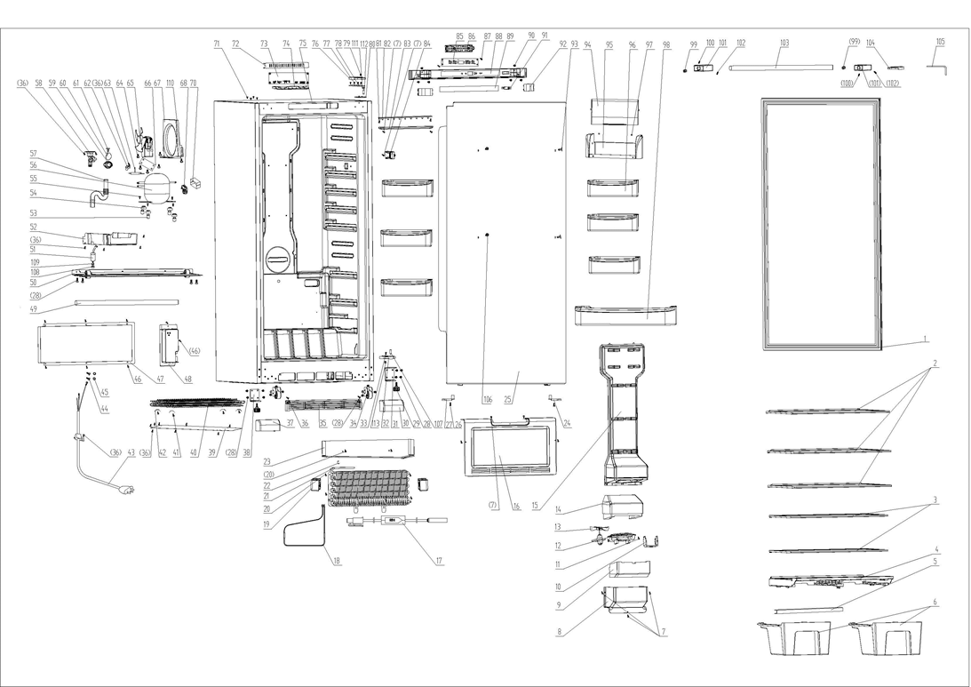
Revision: |  | UPDATED PART NUMBER, May 2017 | UPDATED PART NUMBER, Jan. 2021
NO | PART NUMBER |  |  | PART DESCRIPTION (ENG) | QTY | PARTS SPECIFICATION | Notes
1 | 1.05.35.03.534 |  | 1.05.35.03.557 | Door Gasket(Gray) | 1 | Gray
2 | 1.05.31.11.059 |  |  | Glass Shelf (White) | 3 | White
3 | 1.05.31.11.058 |  |  | Half Glass Shelf (White) | 2 | White
4 | 1.02.03.11.038 |  |  | Crisper Frame(White) | 1 | HIPS White
5 | 3.5.2.02.0788 |  |  | Crisper Strengthen Bar | 1 | t=1.2/iron, white coating
6 | 1.02.03.11.037 |  |  | Crisper | 2 | GPPS
7 | 1.05.02.02.007 |  |  | Screw, 845 SS, 3.9x16 | 10 | GB/T845 stainless steel ST screw 3.9×16 | Special Order
8 | 1.02.04.02.010 |  |  | Air Outlet Plate Ⅱ(White) | 1 | ABS White | Special Order
9 | 1.06.15.11.047 |  |  | Air Outlet Foam Guard Ⅱ | 1 | EPS | Special Order
10 | 1.02.12.07.033 |  |  | Evaporative Fan Motor Bracket(White) | 1 | HIPS White | Special Order
11 | 1.05.02.02.010 |  |  | Screw, 845 SS, 4.2x13 | 2 | GB/T845 stainless steel ST screw 4.2×13 | Special Order
12 | 1.02.12.07.032 |  |  | Evaporative Fan Motor Fixing Bracket | 1 | HIPS White | Special Order
13 | 1.01.06.01.037R |  |  | Evaporative Fan Motor | 1 | JYF-11-3
14 | 1.06.15.11.046 |  |  | Air Outlet Foam GuardⅠ | 1 | EPS | Special Order
15 | 1.02.04.02.009 |  |  | Air Outlet Plate Ⅰ(White) | 1 | ABS White | Special Order
16 | 3.2.02.28.002 |  |  | Wind Deflector Assy(White) | 1 | B-0.5/08F White | Special Order
17 | 1.01.07.04.036 |  |  | Temperature Protector | 1 | G4A 72C
18 | 1.01.03.09.030 |  |  | Heating Tube | 1 | 115V 320W
19 | 1.06.15.11.049 |  |  | Evaporator Foam | 2 | EPS | Special Order
20 | 1.05.02.02.015 |  |  | Screw, 845 SS, 4.2x16 | 6 | GB/T845 stainless steel ST screw 4.2×16 | Special Order
21 | 1.05.20.01.084 |  |  | Evaporator | 1 | BC500W | Special Order
22 | 1.05.06.03.022 |  |  | Probe Stator | 1 | no longer in use, factory now using a nylon cable tie | not available
23 | 3.5.2.02.0801 |  |  | Glide Plate | 1 | B-0.4/aluminium plate | Special Order
24 | 1.02.20.07.094RL |  |  | Door Left Limit Block | 1 | POM White
25 | 3.2.05.1.464 |  |  | Refrigerator Door Assy (White) | 1 | White
26 | 1.05.01.01.007R |  |  | Screw, 818 machine tapping, 5x16 | 2 | GB/T818 screw M5×16 | Special Order
27 | 1.02.20.07.094RR |  |  | Door Right Limit Block | 1 | POM White
28 | 1.05.03.03.002 |  |  | Screw, machine tapping with pad, 6x14 | 18 | GB/T9074.13 Bolt assembly M6×14 | Special Order
29 | 1.02.12.06.005 |  |  | Foot | 2 | Polyamide,1010 black
30 | 1.25.02.01.03.704R |  |  | Front Right End Cover (White) | 1 | ABS White
31 | 3.2.02.12.072 |  |  | Right Bottom Hinge | 1 | t=5.0/Q235A White
32 | 1.05.06.03.029 |  |  | door stop | 1 | Zinc base alloy, chromed surface | Special Order
 | 1.05.03.05.014 |  |  | Bottom Hinge Washer | 1
33 | 1.05.02.06.001 |  |  | Screw, 819 SS, 5x16 | 1 | GB/T819 SS screw M5 ×16 | Special Order
34 | 1.05.06.03.027 |  |  | Pulley Bracket Assy | 2 | t=2.5/Q235A
35 | 1.25.02.07.03.307 |  |  | Front Compressor Cabin Cover(white) (Kickplate) | 1 | ABS White
36 | 1.05.03.02.001 |  |  | Screw, self-tapping, 4X12 | 18 | JIS 4×12 | Special Order
37 | 1.25.02.01.03.704L |  |  | Front Left End Cover (White) | 1 | ABS White
38 | 3.2.02.12.071 |  |  | Left Bottom Hinge | 1 | t=5.0/Q235A White
39 | 3.2.02.28.001 |  |  | Condenser Cover | 1 | t=0.4/08F | Special Order
40 | 1.05.21.02.040 |  |  | Condenser | 1 | BC500W | Special Order
41 | 1.05.01.02.011R |  |  | Screw, 845 self-tapping, 4X20 | 4 | GB/T845 ST screw 4×20 | Special Order
42 | 1.05.06.03.023 |  |  | Condenser Stator | 4 | t=0.5/galvanized plate
43 | 1.01.01.01.318R |  |  | Power Supply Cord | 1 | E215500 302-1 SJT 18AWG×3C | Special Order
44 | 1.05.03.01.001 |  |  | Earthing Screw, copper machine tapping, 4X8 | 2 | GB/T818 screw M4×8 | Special Order
45 | 1.05.04.01.002 |  |  | Lock Washer | 2 | GB/T 862.1 | Special Order
46 | 1.05.03.04.012 |  |  | Screw, triangle lock, 4X12 | 8 | Triangle lock screw 4×12 | Special Order
47 | 3.2.02.07.213 |  |  | Compressor Back Cover(White) | 1 | t=0.5/08F White
48 | 1.02.11.02.068 |  |  | Power Supply Cord Cover Box(White) | 1 | ABS White | Special Order
49 | 1.01.11.02.008 |  |  | Heat Preservation Tube | 1 | EPE,￠13×9×260, Black | Special Order
50 | 3.2.02.07.214 |  |  | Compressor Support (White) | 1 | t=1.2/Q235A White | Special Order
51 | 1.03.01.01.353C |  |  | Capacitor | 1 | MKP (UL) 12μF±5%
52 | 1.02.03.04.045 |  |  | Drip Tray (White) | 1 | PP White
53 | 1.03.01.01.353A |  |  | Compressor Sleeve | 4 | CTE943-2 | Special Order
54 | 1.03.01.01.353B |  |  | Compressor Rubber Washer | 4 | Rubber, black | Special Order
55 | 1.03.01.01.353D |  |  | Compressor Screw, M6X27 | 4 | M6×27 | Special Order
56 | 1.03.01.01.353 |  |  | Compressor | 1 | NH1114HZ | Special Order
57 | 1.02.10.01.016 | 1.01.11.05.014 |  | Drain Tube | 1 | PE transparent | Special Order
58 | 1.02.20.07.091R |  |  | Drain Connecting Hose | 1 | HIPS White | Special Order
59 | 1.02.05.01.002 |  |  | Air Exhaust Cover | 1 | ABS White | Special Order
60 | 1.04.12.03.068 |  |  | Air Exhaust Cover Plate | 1 | Rubber, t=1.0 black | Special Order
61 | 1.02.05.01.123 |  |  | Air Exhaust Cover Fixing Leg | 1 | Nylon, white | Special Order
62 | 3.5.2.06.014 |  |  | Filter Bracket | 1 | B-0.5/08F, surface galvanization | Special Order
63 | 1.03.30.03.014 |  |  | Filter | 1 | BCD312W
64 | 1.05.03.03.008 |  |  | Screw | 4 | GB/T9074.13 Bolt assemblyM5×12 | Special Order
65 | 1.01.06.01.052R |  |  | Condenser Fan Motor | 1 | EC-2P
66 | 3.5.2.02.0812 |  |  | Condenser Fan Washer | 1 | HIPS White | Special Order
67 | 1.02.04.02.003 |  |  | Fan Motor Dam-board (White) | 1 | ABS White | Special Order
68 | 1.03.01.01.353J |  |  | OLP+PTC Starter | 1 | TY-QZ-109-02 JX007, B110-120
69
70 | 1.03.01.01.353G |  |  | PTC Cover | 1 | ABS black | Special Order
71 | 1.25.02.12.03.009 |  |  | Hinge Plug | 4 | ABS white
72 | 1.02.09.01.016 |  |  | Electric Separator | 1 | anti-flaming ABS,Flame rating UL94 5VA
73 | 1.01.02.02.001R |  |  | PC Board | 1 | MIBC-500XX
74 | 1.02.11.02.065 |  |  | PC Board Fixing Box | 1 | anti-flaming ABS，Flame rating UL94 5VA | Special Order
75 | 3.2.04.2.1.508 |  |  | Cabinet (White) | 1 | White | Special Order
76 | 1.25.02.12.04.025 |  |  | Right Upper Hinge Cover(White) | 1 | ABS White (this part number represents a set of both right and left hinge covers)
77 | 1.05.03.07.002 |  |  | Hexagon Bolt, 6X30, chromed | 4 | GB 29.2 Bolt assemblyM6×30 | Special Order
78 | 1.05.06.03.024 |  |  | Upper Hinge Assy(White) | 1 | t=4.0/Q235A
79 | 1.05.02.06.004 |  |  | Screw, 819 SS, 4X8 | 1 | GB/T819 stainless steel M4×8 | Special Order
80 | 1.02.09.01.014 |  |  | Upper Hinge Washer | 1 | HIPS White | Special Order
81 | 1.05.02.02.004 |  |  | Screw, 845 SS, 3.5X13 | 2 | GB/T845 ST screw 3.5×13 stainless steel | Special Order
82 | 1.01.03.03.102R |  |  | LED Light Panel | 1 | 36 beads, 6000-6500K, 200lm, BC500W.4.4.12V
83 | 1.02.11.03.101 |  |  | LED Light Cover (semi-ransparent) | 1 | PP, semi-transparent White
84 | 1.02.20.07.093R |  |  | Temperature Control Probe cover (White) | 1 | HIPS White
85 | 1.01.02.03.001R |  |  | Display Board | 1 | MIXBC/BD-500LED
86 | 1.02.11.02.064 |  |  | Display Board Fixing Box | 1 | HIPS White | Special Order
87 | 1.05.03.03.003 |  |  | Sleeve Gasket, 2.9X9.5 | 2 | GB/T845ST screw2.9×9.5 | Special Order
88 | 1.25.02.04.04.001 |  |  | Display Cover | 1 | ABS White
89 | 1.01.03.10.003RW |  |  | Display Board Film | 1 | PET t=0.5 30mm*380mm, White
90 | 1.05.01.01.002R |  |  | Screw, 818 machine tapping, 4X12 | 6 | GB/T 818 M4×12 | Special Order
91 | 1.01.03.02.037R |  |  | Fan Motor / Light Switch (White) | 1 | HC-056K
92 | 1.02.01.12.066 |  |  | Left/Right Cover (White) | 2 | ABS White
93 | 1.25.02.12.03.002 |  |  | Hinge Plug | 2 | ABS White
94 | 1.02.03.11.033 |  |  | Sealing Shelf Flip (Transparent) | 1 | GPPS semi-transparent
95 | 1.02.03.11.032 |  |  | Sealing Shelf (White) | 1 | HIPS White
96 | 1.02.03.11.035 |  |  | Half Plastic Shelf (White) | 6 | HIPS White
97 | 1.04.12.03.065 |  |  | Rubber Washer | 2 | Rubber White | Special Order
98 | 1.02.03.11.034 |  |  | Plastic Shelf(White) | 1 | HIPS White
99 | 1.05.06.01.089 |  |  | Door Handle Fixing Column | 2 | Iron, surface galvanization
100 | 1.05.06.01.090 |  |  | Door Handle Plug Fixing Screw | 3 | GB/T78 Stainless steel M5X6
101 | 1.05.06.01.091 |  |  | Door Handle Plug (White ) | 2 | Zinc base alloy, white coating
102 | 1.05.06.01.092 |  |  | Door Handle Fixing Screw | 3 | GB/T78 Stainless steel M5X8
103 | 1.05.06.01.093 |  |  | Door Handle(White ) | 1 | SS, White painting
104 | 1.25.02.12.04.025 |  |  | Left Upper Hinge Cover (White) | 1 | ABS White (this part number represents a set of both right and left hinge covers)
105 | 1.05.06.01.094 |  |  | Inner Hexagon Spanner | 1 | GB/T5356 45# Nickel plated steel | Special Order
106 | 1.05.03.03.022 |  |  | Screw | 2 | GB/T9074.13 M5X20
107 | 1.05.06.08.028 |  |  | Bottom Door Spindle | 1 | Stainless steel
108 | 1.03.01.01.353N |  |  | Nut | 1 | Nut M8 | Special Order
109 | 1.05.03.05.006 |  |  | Flat Washer | 1 | t=3.0/Q235A galvanize surface | Special Order
110 | 1.05.01.01.005R |  |  | 818 Screw | 2 | GB/T818 screw M5×8 | Special Order
111 | 1.05.03.06.004 |  |  | Spring Washer | 1 | Stainless steel M6 | Special Order
112 | 1.05.06.08.026 |  |  | Upper Door Spindle | 1 | Stainless steel
113 | 1.05.03.04.011 |  |  | Hexagon Nut | 1 | M5 | Special Order
114 | 1.01.01.08.011R |  |  | Temperature Sensor | 1 | LSC-123A/BF-163C

