PART CD
Danby Model: DAR055D1BSSPR
Factory Model:BC50A
Effective Date:5/9/2014
Revision: | PART NUMBER | Updated Part Number, Aug.,2017, Build Code 10, SN: 5417083000001
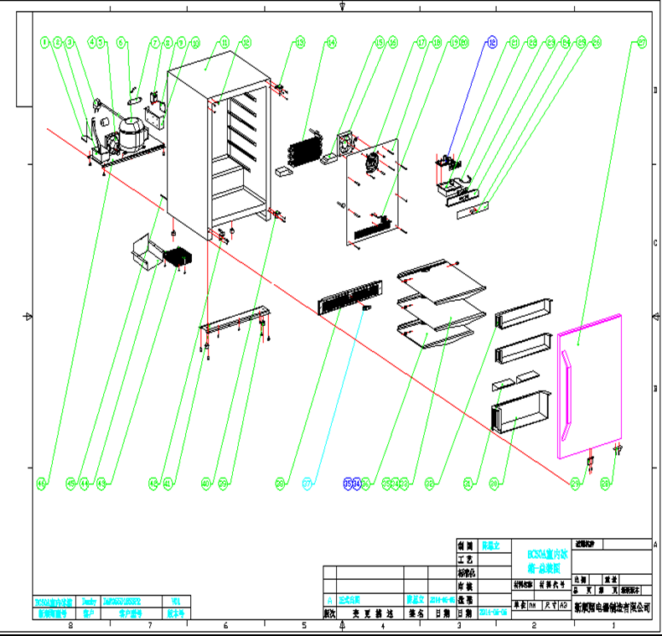
NO |  |  | PART DESCRIPTION (ENG) | QTY | Notes
1 | DG12-22 |  | connecting tube | 1
2 | DG13-1 |  | Water tank | 1
3 | DG2-11 |  | Power cord | 1
4 | DG7-47 |  | Fan | 1
5 | DG19-3 |  | Fan cover | 1
6 | DG1-100 | DG1-104 | Compressor | 1
 |  | PJ2-007 | starting capacitor | 1
 | QP2-4.7G12 | PJ1-021-A | Start Device | 1
 | BT62-120 | PJ1-043-B | Overload Protector | 1
7 | DG11-4 | DG11-45 | Drier filter | 1
8 | DG6-8 |  | Transformer | 1
9 | DG3-200-2 | DG3-310-6 | PCB board | 1
 |  | DG3-001 | DAR055 Display Control Board | 1
10 | DG22-3044 | DG22-272-1 | junction box | 1
11 | DG26-121 |  | Cabinet | 1
12 | DG13-268 |  | Decorative nail | 3
13 | DG14-15.2-SR |  | Top hinge module_Right | 1
14 | DG12-59 | DG12-59-1 | Evaporator | 1
15 | DG18-94 |  | Foam | 2
16 | DG7-47 |  | Evaporator fan | 1
17 | DG19-1-W | DG19-1 | Fan cover | 1
18 | DG22-84-W | DG22-84 | Air duct board | 1
19 | DG13-198-W |  | Senser cover | 1
20 | DG8-8 | DG8-25-B | Senser | 1
21 | DG22-395-W |  | Electrical box | 1
22 | DG3-12-W |  | LED light | 1
23 | DG13-327 |  | Display fixing support | 1
24 | DG22-3014 |  | Panel of electrical box | 1
25 | DG13-130-S |  | Button | 4
26 | DG20-370 |  | Display panel | 1
27 | DG23-153-2 |  | Door | 1
 |  | DG22-3237 | Door Handle | 1
 |  | GB6-030 | Screws for handle | 2
 |  | M160-046 | Door Gasket | 1
28 | DG14-149-SR |  | Door axis | 1
29 | DG14-3.1-S |  | Extrusion-board of lamp switch | 1
30 | DG15-172 | DG15-172-B | Milk bottle box | 1
31 | DG15-173 | DG15-173-B | Baffle plate | 2
32 | DG13-419 | DG13-419-B | Storage box | 2
33 | DG15-182 | DG28-22 | Full glass shelves | 2
34 | DG15-170 |  | Front bar | 3
35 | DG13-21-W |  | Back bar | 3
36 | DG15-183 | DG28-23 | Half glass shelf | 1
 |  | DG13-7-W | Shelf Stopper | 6
37 | DG9-9 |  | Door switch | 1
38 | DG22-3234 | DG22-3466 | Decorative frame | 1
39 | DG13-6.3 |  | Cabinet leg | 4
40 | DG14-185 | DG14-253-SR | Lower hinge module, Right | 1
41 | DG22-455-1 |  | Support bracket of front legs | 1
42 | DG14-186 |  | “L” shape steel | 1
43 | DG12-91 |  | Condenser | 1
44 | DG19-9 |  | Condenser cover | 1
 |  | DG7-47 | Condenser fan | 1
 |  | DG19-3 | Condenser Fan Guard | 1
45 | DG12-111 |  | Air-circulating pipe,lower | 1
 | DG12-67 |  | compressor connecting tube | 1
46 | DG22-454 | DG22-454-1 | Compressor bracket | 1

