PART CD
Danby Model: DAR044A6LDB / DAR044XA6LDB
Factory Model: BC-126
Effective Date: May 28th,2016
Revision: |  | Updated Part Number, Nov. 2018
NO | PART NUMBER |  | PART DESCRIPTION (ENG) | QTY | PARTS SPECIFICATION | Notes
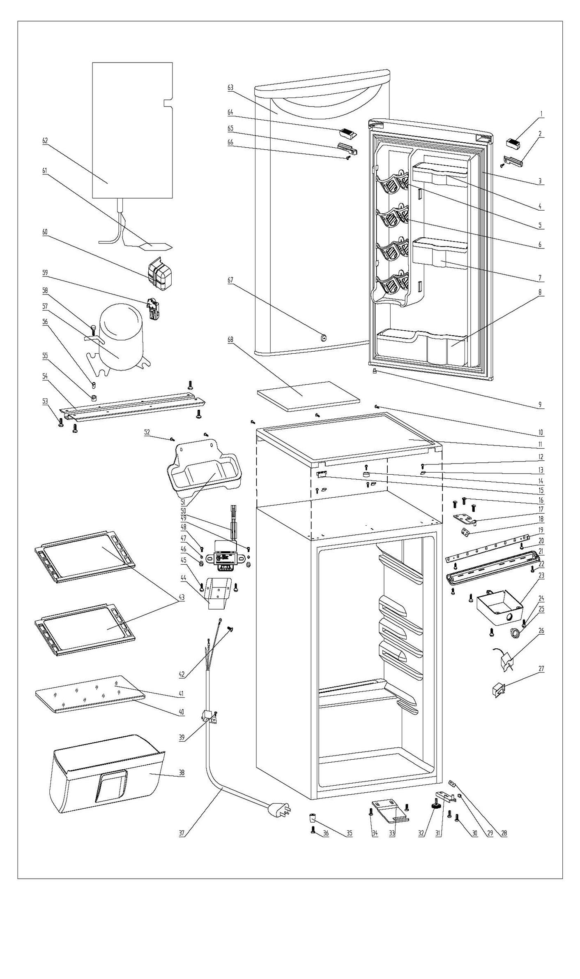
1 | 1.02.01.12.055 |  | Upper Door Handle Left Cover I | 1 | ABS, spray metallic
2 | 1.02.01.12.058 |  | Upper Door Handle Left Cover II | 1 | ABS, spray metallic
3 | 1.05.35.03.515 |  | Door Gasket(black)-Push | 1 | black
4 | 1.25.02.04.03.004 |  | Upper Storage Bin | 1 | ABS, black
5 | 1.25.02.07.01.070 |  | Canstor | 4 | ABS, black
6 | 1.25.02.09.01.018 |  | Bushing | 12 | ABS, black | Special Order
7 | 1.25.02.04.03.005 |  | Middle Storage Bin | 1 | ABS, black
8 | 1.25.02.04.03.006 |  | Bottom Storage Bin | 1 | ABS, black
9 | 1.05.05.01.018 |  | Upper Door Limit Cap | 1 | Q235A
10 | 1.05.03.02.001 |  | Worktop Screw | 3 | JIS tapping Screw, 4×12 | Special Order
11 | 1.25.02.01.08.564 |  | Worktop | 1 | ABS(chromeplate)
12 | 1.05.03.04.012 |  | Hook Screw | 4 | Triangle lock screw, 4X12 | Special Order
13 | 1.05.05.01.011 |  | Hook | 3 | t1.5/Q235-A | Special Order
14 | 1.25.02.01.08.557 |  | Worktop Limit Ring | 1 | ABS, black | Special Order
15 | 1.25.02.01.08.565 |  | Worktop Cover | 1 | ABS(chromeplate) | Special Order
16 | 1.05.03.03.019 |  | Upper Hinge Screw Assy | 3 | M5×16(big washer φ16)
17 | 3.2.02.11.047 |  | Upper Hinge | 1 | t3.0/Q235-A, red
18 | 1.04.12.03.057 |  | Upper Hinge Rubber Washer | 1 | rubber, t=0.8, black
19 | 1.01.03.03.073R |  | LED Light Panel | 1 | 10000K
20 | 1.05.01.02.002R |  | LED Light Panel Screw | 2 | GB/T45 tapping screw, 2.9×6.5 | Special Order
21 | 1.02.11.03.076 |  | LED Light Cover | 1 | PP, 100% transparency
22 | 1.05.02.02.003 |  | LED Light Cover Screw | 2 | GB/T45 Stainless steel tapping screw, 3.5×9.5 | Special Order
23 | 1.25.02.15.05.013 |  | Thermostat Cover(black) | 1 | ABS, black | Special Order
24 | 1.25.02.15.06.049 |  | Thermostat Knob | 1 | ABS, black
25 | 1.05.03.02.002 |  | Thermostat Screw | 3 | JIS tapping Screw, 4×16 | Special Order
26 | 1.03.02.01.101 |  | Thermostat | 1 | WDF18D-102-024E (WDF18D-L3(E))
27 | 1.01.03.02.035R |  | Light Switch | 1 | HC-050K.4
28 | 1.04.12.03.013 |  | Bottom Hinge Rubber Washer | 1 | rubber, t=1.6, black
29 | 1.25.02.12.02.001 |  | Door Spindle Washer(black) | 1 | ABS, black | Special Order
30 | 1.05.03.03.019 |  | Bottom Hinge Screw Assy | 2 | M5×16(big washer φ16)
31 | 3.2.02.12.051 |  | Bottom Hinge(red) | 1 | t2.5/Q235-A, red
32 | 1.25.02.12.06.009 |  | Adjustable Foot | 1 | black
33 | 3.2.02.34.018 |  | Lock Seat(red) | 1 | t2.5/Q235-A, red
34 | 1.05.03.03.019 |  | Lock Seat Screw | 2 | M5×16(big washer φ16) | Special Order
35 | 1.25.02.12.06.002 |  | Foot | 1 | ABS, black
36 | 1.05.03.03.019 |  | Foot Screw | 1 | M5×16(big washer φ16)
37 | 1.01.01.01.204R |  | Power Supply Cord Assy | 1 | E465601 XYP-204 SJT 18AWG×3C | Special Order
38 | 1.02.03.11.029 |  | Crisper (smoky-gray) | 1 | PS, smoky-gray
39 | 1.05.03.02.006 |  | Wire Clamp Screw | 1 | JIS tapping Screw, 4×12(milling) | Special Order
40 | 1.02.02.14.022 |  | Glass Shelf Trim | 1 | PVC（spray metallic）
41 | 1.05.31.12.030 |  | Crisper Glass Shelf Cover | 1 | t4/tempered glass
42 | 1.05.03.01.001 |  | Earthing Screw | 2 | GB/T818 brass screw, M4×8 | Special Order
43 | 1.05.31.11.047 |  | Glass Shelf | 2 | tempered glass/ABS
44 | 3.2.02.35.002 |  | Transformer Box | 1 | t0.5/Q235-A, black | Special Order
45 | 1.05.03.02.001 |  | Transformer Box Screw | 2 | JIS tapping Screw, 4×12 | Special Order
46 | 1.05.03.04.001 |  | Transformer Fixed Nut | 2 | nut M4 | Special Order
47 | 1.05.03.06.002 |  | Transformer Fixed Spring Washer | 1 | gasket 4 | Special Order
48 | 1.05.01.01.001R |  | Transformer Fixed Screw | 2 | GB/T818 screw, M4×8 | Special Order
49 | 1.05.04.01.002 |  | Transformer Fixed Lock Washer | 1 | gasket 4(copper） | Special Order
50 | 1.01.07.01.024 |  | Transformer | 1 | YLB-1213
51 | 3.2.02.15.035 | 3.2.02.15.050 | Drip Tray Assy(red) | 1 | red
52 | 1.05.03.02.001 |  | Drip Tray Screw | 2 | JIS tapping Screw, 4×12 | Special Order
53 | 3.2.02.07.068 | 3.2.01.09.001 | Compressor Support | 1 | t1.0/Q235-A, red | Special Order
54 | 1.05.03.03.002 |  | Compressor Support Screw | 4 | GB/T9074.13 Bolt Assy, M6×14 | Special Order
55 | 1.03.01.01.324B |  | Compressor Rubber Washer | 4 | black | Special Order
56 | 1.03.01.01.324A |  | Compressor Sleeve | 4 | CTE943-2 | Special Order
57 | 1.03.01.01.324D |  | Compressor Screw | 4 | GB/T9074.13 Bolt Assy, M6×28 | Special Order
58 | 1.03.01.01.324 |  | Compressor | 1 | DG40BY1 | Special Order
59 | 1.03.01.01.324J |  | PTC & Overload Protector Combination | 1 | ZHB60-120P4.7
60 | 1.03.01.01.324G |  | PTC Cover | 1 | ABS, black | Special Order
61 | 1.03.30.03.024 |  | Filter | 1 | BC122F.3.0 | Special Order
62 | 1.05.20.01.077 |  | Evaporator | 1 | BC126 | Special Order
63 | 3.2.05.1.435 |  | Door Assy(red VCM ) | 1 | RZ-1106
64 | 1.02.01.12.057 |  | Upper Door Handle Right Cover I | 1 | ABS, spray metallic
65 | 1.02.01.12.059 |  | Upper Door Handle Right Cover II | 1 | ABS, spray metallic
66 | 1.05.02.02.003 |  | Upper Door Handle Right Cover II Screw | 1 | ST screw 3.5X9.5, stainless steel | Special Order
67 | 1.05.06.01.074 |  | Lock(with key) | 1 | Chromeplate lock
 | 1.05.06.01.086 |  | Lock | 1 | Chromeplate lock
 | 1.05.06.01.083 |  | Key | 1 | steel
68 | 1.06.15.09.003 |  | Worktop Support EPS Foam | 1 | EPS, white | Special Order

