PART CD
Danby Model: DAR044A1SSO-6
Factory Model: BC-126
Effective Date: 2021-02-02
Revision: 0
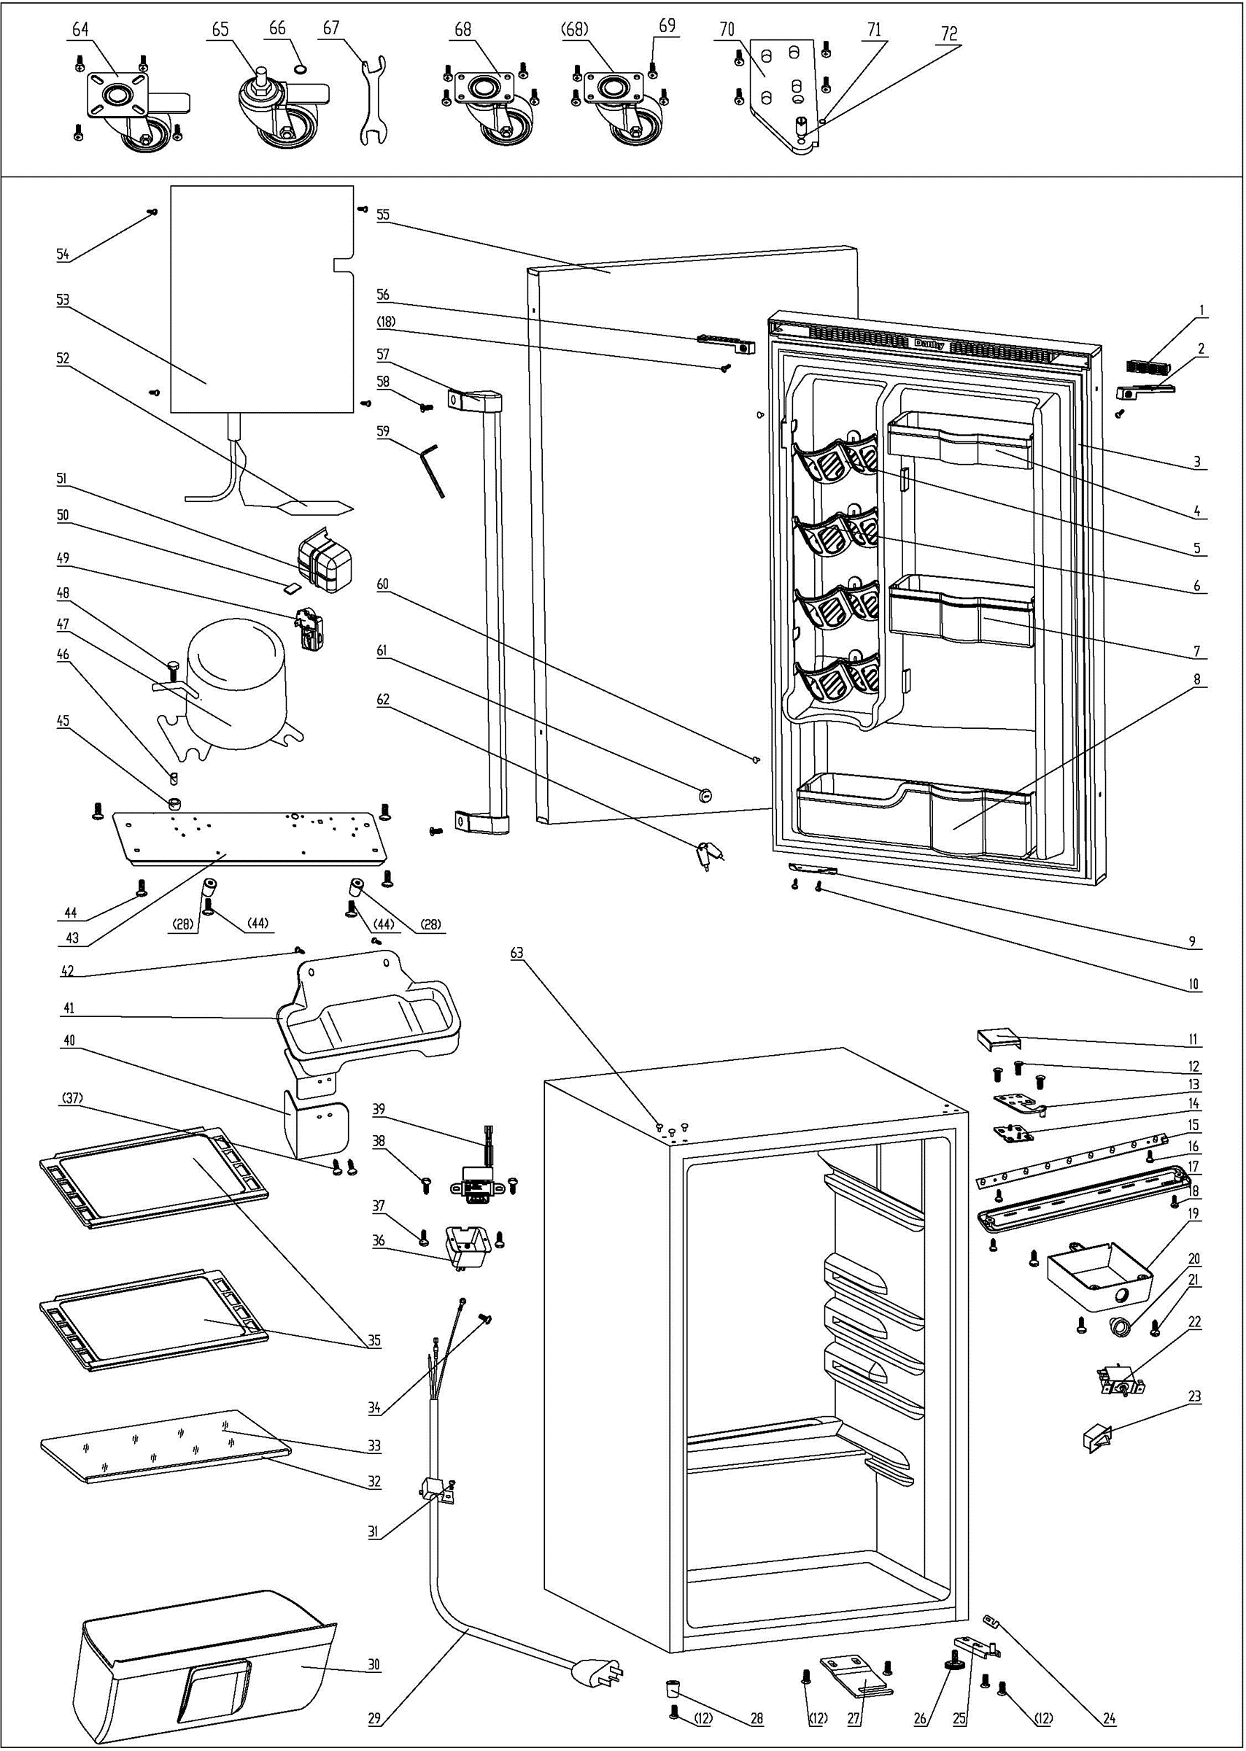
NO | PART NUMBER | PART DESCRIPTION (ENG) | QTY | PARTS SPECIFICATION | Notes
1 | 1.02.01.12.177 | Hole Cover of door cover I | 1 | ABS, black
2 | 1.02.01.12.179 | Left door spindle cover II | 1 | ABS, black
3 | 1.05.35.03.515 | Door Gasket(black) | 1 | black
4 | 1.02.04.03.004 | Upper Storage Bin | 1 | ABS,black
5 | 1.02.01.06.147 | Canstor | 4 | ABS,black
6 | 1.02.09.01.024 | Bushing | 12 | ABS,black
7 | 1.02.04.03.005 | Middle Storage Bin | 1 | ABS,black
8 | 1.02.04.03.006 | Bottom Storage Bin | 1 | ABS,black
9 | 3.2.02.32.014 | Door Angle Limit Block | 1 | t1.5/Q235-A, black
10 | 1.05.03.02.009 | Self-tapping screw 4×12 | 5 | Dacromet bolt 4×12 | Special Order
11 | 1.02.12.04.031 | Upper Hinge Cover | 1 | ABS, black
12 | 1.05.03.03.025 | Bolt M5×16 | 9 | Dacromet M5×16(big washer φ16)
13 | 3.5.7.08.01.023 | Upper Hinge(black) | 1 | t3.0/Q235-A, black
14 | 1.02.12.04.032 | Fix Plate for upper hinge | 1 | ABS, black
15 | 1.01.03.03.073R | LED Light Panel (bead) | 1 | BC126.4.3, 10000K
 | 1.01.03.03.178R | LED Light Panel (patch) | 1 | BC126.4.3, 10000K
16 | 1.05.01.02.002R | Self-tapping screw 2.9×6.5 | 2 | self-tapping screw, 2.9×6.5 | Special Order
17 | 1.02.11.03.076 | LED Light Cover | 1 | PP, 100% transparency
18 | 1.05.02.02.003 | Self-tapping screw 3.5×9.5 | 2 | Stainless steel 3.5×9.5 | Special Order
19 | 1.02.11.02.096 | Thermostat Cover(black) | 1 | ABS, black | Special Order
20 | 1.02.15.06.107 | Thermostat Knob | 1 | ABS, black
21 | 1.05.03.02.002 | Flat Tapping Screw 4×16 | 3 | JIS tapping Screw, 4×16 | Special Order
22 | 1.03.02.01.101 | Thermostat | 1 | WDF18D-102-024E or WDF18D-L3-E
23 | 1.01.03.02.035R | Light Switch | 1 | HC-050K.4
24 | 1.04.12.03.013 | Bottom Hinge Rubber Washer | 1 | rubber, t=1.6, black
25 | 3.2.02.12.049 | Bottom Hinge(black) | 1 | t2.5/Q235-A, black
26 | 1.02.12.06.033 | Adjustable Foot | 1 | black
27 | 3.2.02.34.012 | Lock Seat | 1 | t2.5/Q235-A, black
28 | 1.02.12.06.026 | Foot | 3 | ABS, black
29 | 1.01.01.01.297R | Power Cord | 1 | E465601 or E215500 or E313201 or E3060121
30 | 1.02.03.11.029 | Crisper | 1 | PS
31 | 1.05.03.02.013 | Wire Clamp Screw 4×12 | 1 | Dacromet Screw, 4×12 | Special Order
32 | 1.02.02.14.022 | Glass Shelf Trim | 1 | PVC, silvery
33 | 1.05.31.12.050 | Crisper Glass Shelf Cover | 1 | t4/tempered glass
34 | 1.05.03.01.001 | Earthing Screw M4×8 | 2 | GB/T818 brass screw, M4×8 | Special Order
35 | 1.05.31.11.116 | Glass Shelf (big) | 2 | tempered glass/ABS
36 | 1.02.09.03.047 | Transformer Box | 1 | Fireproof ABS,black | Special Order
37 | 1.05.03.02.009 | Self-tapping Screw 4×12 | 5 | Dacromet Screw, 4×12 | Special Order
38 | 1.05.01.02.012R | Transformer Fixed Screw4.2×9.5 | 2 | tapping screw, 4.2×9.5 | Special Order
39 | 1.01.07.01.069R | Transformer | 1 | ETS-AD050L-U120040 or HX05-1200400-LB or YLB-1213
40 | 3.2.02.36.024 | Terminal Cover Panel | 1 | t0.5/Q235-A, black | Special Order
41 | 3.2.02.15.002 | Drip Tray Black | 1 | black
42 | 1.05.03.04.017 | Lock Knob 4×12 | 2 | Dacromet Triangle lock screw | Special Order
43 | 3.2.02.07.211 | Support Board of Compressor(B) | 1 | t1.5/Q235-A, black | Special Order
44 | 1.05.03.03.024 | Compressor Support Screw | 6 | Dacromet Bolt Assy, M6×14 | Special Order
45 | 1.03.01.01.334B | Compressor Rubber Washer | 4 | black | Special Order
46 | 1.03.01.01.334A | Compressor Sleeve | 4 | CTE943-2 | Special Order
47 | 1.03.01.01.334 | Compressor | 1 | DK40BY1 | Special Order
48 | 1.03.01.01.334D | Compressor Screw M6×28 | 4 | Dacromet Bolt Assy, M6×28 | Special Order
49 | 1.03.01.01.334J | PTC&Protector Combination | 1 | ZHB54-120P4.7
50 | 1.04.12.02.021 | Terminal Cover Rubber Plug | 1 | NR,black | Special Order
51 | 1.03.01.01.334G | PTC Cover (outdoor special) | 1 | ABS, black | Special Order
52 | 1.03.30.03.024 | Filter | 1 | BC122.3.0 | Special Order
53 | 1.05.20.01.077 | Evaporator | 1 | BC126 | Special Order
54 | 1.05.03.02.017 | Dacro Tapping Screw | 4
55 | 3.2.05.1.479 | Door Assembly (stainless) | 1 | Stainless steel
56 | 1.02.01.12.178 | Right door spindle cover II | 1 | ABS, black
57 | 1.05.06.01.139 | Door Handle | 1
58 | 1.05.06.14.006 | Inner-hexagon Bolt M6x16 | 2 | Stainless steel ,6×16
59 | 1.05.06.14.005 | Hex key | 1
60 | 1.02.12.03.057 | Cap of screw hole | 2 | ABS,silvery
61 | 1.05.06.01.140 | Lock | 1 | Stainless steel lock
62 | 1.05.06.01.083 | key | 1 | steel
63 | 1.25.02.12.03.001 | Hinge Plug(Cabinet) | 3 | ABS, black
64 | 1.02.08.02.013 | Caster1(with brake,left front） | 1 | Galvanized Plate/PU
65 | 1.02.08.02.014 | Caster2(with bolt,right front） | 1 | Galvanized Plate/PU
66 | 1.05.03.06.009 | Spring Washer | 1 | M8 | Special Order
67 | 1.05.05.01.019 | Spanner | 1 |  | Special Order
68 | 1.02.08.02.015 | Caster3(no brake,back） | 2 | Galvanized Plate/PU
69 | 1.05.03.03.026 | Fix Screw of Caster M5×16 | 16 | M5×16(big washerφ12)
70 | 3.2.02.12.062 | Bottom Hinge Plate | 1 | t5/Galvanized Plate
71 | 1.05.03.06.008 | Spring Washer | 1 | dacromet,M5
72 | 1.05.06.08.025 | Door Spindle | 1 | 1Cr18Ni9

