PART CD
Danby Model: DAR017A3WDB
Factory Model: BC-48
Effective Date: Mar 25th, 2016
Revision: | PART NUMBER | Updated Sept. 2018
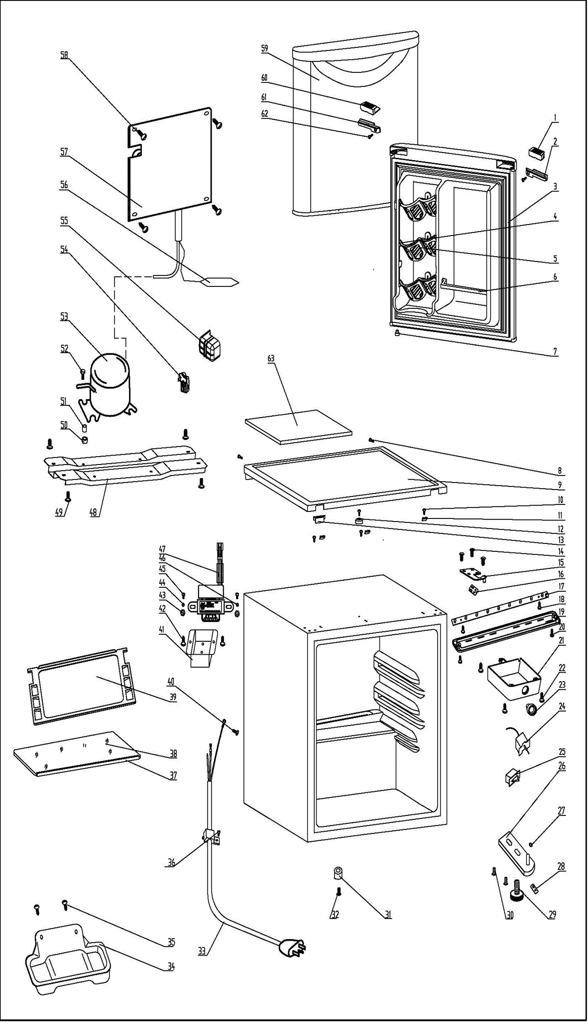
NO |  |  | PART DESCRIPTION (ENG) | QTY | PARTS SPECIFICATION | Notes
1 | 1.02.01.12.061 |  | Upper Door Handle Left Cover I | 1 | ABS, white
2 | 1.25.02.01.12.062 |  | Upper Door Handle Left Cover II | 1 | ABS, white
3 | 1.05.35.03.108 |  | Door Gasket-Push | 1 | gray
4 | 1.25.02.09.01.017 |  | Bushing | 9 | ABS, white | Special Order
5 | 1.25.02.07.01.032 |  | Canstor | 3 | ABS, white
6 | 1.25.02.07.01.049 |  | Curve Shelf | 1 | ABS, white
7 | 1.05.05.01.018 |  | Upper Door Limit Cap | 1 | Q235A | Special Order
8 | 1.05.03.02.001 |  | Worktop Screw | 2 | JIS tapping screw, 4×12 | Special Order
9 | 1.25.02.01.08.569 |  | Worktop | 1 | ABS(white)
10 | 1.05.03.04.012 |  | Hook Screw | 4 | Triangle lock screw, 4×12 | Special Order
11 | 3.5.2.06.011 |  | Hook | 3 | B-1.5/Q235-A（galvanize） | Special Order
12 | 1.25.02.01.08.557 |  | Worktop Limit Ring | 1 | ABS, black | Special Order
13 | 1.25.02.01.08.563 |  | Worktop Cover | 1 | ABS(white)
14 | 1.05.03.03.019 |  | Upper Hinge Screw Assy | 3 | M5×16(big washer φ16) | Special Order
15 | 3.2.02.11.048 |  | Upper Hinge(white) | 1 | t3.0/Q235-A, white
16 | 1.04.12.03.057 |  | Upper Hinge Rubber Washer | 1 | rubber, t=0.8, black
17 | 1.01.03.03.076R |  | LED Light Panel | 1 | BC126.4.3, 2900K
18 | 1.05.01.02.002R |  | LED Light Panel Screw | 2 | GB/T45 tapping screw, 2.9×6.5 | Special Order
19 | 1.02.11.03.074 |  | LED Light Cover | 1 | PP, 50%transparency
20 | 1.05.02.02.003 |  | LED Light Cover Screw | 2 | GB/T45 steel tapping screw, 3.5×9.5 | Special Order
21 | 1.25.02.15.05.015 |  | Thermostat Cover(white) | 1 | ABS,white | Special Order
22 | 1.05.03.02.002 |  | Thermostat Screw | 3 | JIS tapping screw, 4×16 | Special Order
23 | 1.25.02.15.06.051 |  | Thermostat Knob | 1 | ABS, white
24 | 1.03.02.01.105 |  | Thermostat | 1 | WDF28X-108-024(E)
25 | 1.01.03.02.013R |  | Light Switch | 1 | HC-050K.4
26 | 3.2.02.12.056 |  | Bottom Hinge(white) | 1 | t2.5/Q235-A, white
27 | 1.25.02.12.02.002 |  | Door Spindle Washer(white) | 1 | ABS, white | Special Order
28 | 1.04.12.03.013 |  | Bottom Hinge Rubber Washer | 1 | rubber, t=1.6, black
29 | 1.25.02.12.06.009 |  | Adjustable Foot | 1 | ABS, black
30 | 1.05.03.03.019 |  | Bottom Hinge Screw Assy | 2 | M5×16(big washer φ16) | Special Order
31 | 1.25.02.12.06.001 |  | Foot | 1 | ABS, black
32 | 1.05.03.03.002 |  | Foot Screw | 1 | GB/T9074.13 bolt assay, M6×14 | Special Order
33 | 1.01.01.01.204R |  | Power Supply Cord Assy | 1 | E465601 XYP-204 SJT 18AWG×3C
34 | 3.2.02.15.022 | 3.2.02.15.001 | Drip Tray Assy(white) | 1 | white
35 | 1.05.03.02.001 |  | Drip Tray Screw | 2 | JIS tapping screw, 4×12 | Special Order
36 | 1.05.03.02.006 |  | Wire Clamp Screw | 1 | JIS tapping screw, 4×12(milling) | Special Order
37 | 1.02.02.14.012 |  | Glass Shelf Trim | 1 | PVC（white）
38 | 1.05.31.11.053 |  | Half Glass Shelf | 1 | t4/tempered glass
39 | 1.05.31.11.057 |  | Glass Shelf | 1 | tempered glass/ABS
40 | 1.05.03.01.001 |  | Earthing Screw | 2 | GB/T818 screw, M4×8 | Special Order
41 | 3.2.02.35.005 |  | Transformer Box | 1 | t0.5/Q235-A,white | Special Order
42 | 1.05.03.02.001 |  | Transformer Box Screw | 2 | JIS tapping screw, 4×12 | Special Order
43 | 1.05.03.04.001 |  | Transformer Fixed Nut | 2 | nut M4 | Special Order
44 | 1.05.03.06.002 |  | Transformer Fixed Spring Washer | 1 | gasket 4 | Special Order
45 | 1.05.01.01.001R |  | Transformer Fixed Screw | 2 | GB/T818 screw, M4×8 | Special Order
46 | 1.05.04.01.002 |  | Transformer Fixed Lock Washer | 1 | gasket 4(copper） | Special Order
47 | 1.01.07.01.024 |  | Transformer | 1 | YLB-1213
48 | 3.2.02.07.005 | 3.5.2.02.0041 | Compressor Support(white) | 1 | t0.9/Q235-A,white | Special Order
49 | 1.05.03.03.002 |  | Compressor Support Screw | 4 | GB/T9074.13 bolt assay, M6×14 | Special Order
50 | 1.03.01.01.324B |  | Compressor Rubber Washer | 4 | black | Special Order
51 | 1.03.01.01.324A |  | Compressor Sleeve | 4 | CTE943-2 | Special Order
52 | 1.03.01.01.324D |  | Compressor Screw | 4 | GB/T5780, bolt assay, M6×28 | Special Order
53 | 1.03.01.01.324 |  | Compressor | 1 | DK40BY1 | Special Order
54 | 1.03.01.01.324J |  | PTC & OLP Combination | 1 | ZHB54-120P4.7
55 | 1.03.01.01.324G |  | PTC Cover | 1 | ABS, black | Special Order
56 | 1.03.30.03.024 |  | Filter | 1 | BC122F.3.0
57 | 1.05.20.01.009 |  | Evaporator | 1 | LSC-52 | Special Order
58 | 1.05.02.02.021 | 1.05.02.07.001 | Evaporator Screw | 4 | GB/T845 tapping screw, 4.2×13 | Special Order
59 | 3.2.05.1.446 |  | Door Assy(white) | 1 | white
60 | 1.25.02.01.12.061 |  | Upper Door Handle Right Cover I | 1 | ABS, white
61 | 1.25.02.01.12.063 |  | Upper Door Handle Right Cover II | 1 | ABS, white
62 | 1.05.02.02.003 |  | Upper Door Handle Right Cover II Screw | 1 | ST screw 3.5X9.5, stainless steel
63 | 1.06.15.09.003 |  | Worktop Support EPS Foam | 1 | EPS, white | Special Order

