PART CD
Danby Model: DAR017A3BDB
Factory Model: BC-48
Effective Date: Aug 14th, 2018
Revision: Aug 14th, 2018
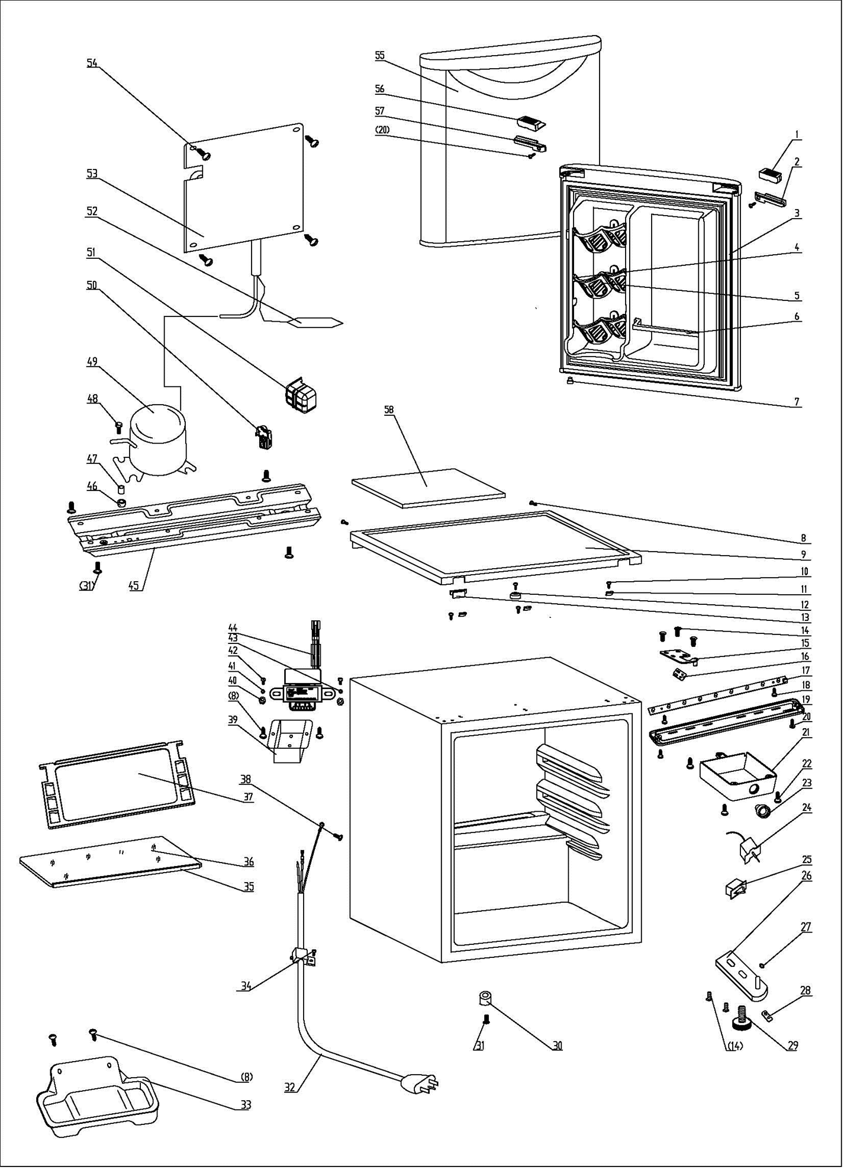
NO | PART NUMBER | PART DESCRIPTION (ENG) | QTY | PARTS SPECIFICATION | Notes
1 | 1.25.02.01.12.045 | Upper Door Handle Left Cover I | 1 | ABS, black
2 | 1.25.02.01.12.047 | Upper Door Handle Left CoverII | 1 | ABS, black
3 | 1.05.35.03.107 | Door Gasket(black)-Push | 1 | black
4 | 1.25.02.09.01.017 | Bushing | 9 | ABS, white
5 | 1.25.02.07.01.032 | Canstor | 3 | ABS, white
6 | 1.25.02.07.01.049 | Curve Shelf | 1 | ABS, white
7 | 1.05.05.01.018 | Upper Door Limit Cap | 1 | Q235A
8 | 1.05.03.02.001 | Tapping Screw, 4×12 | 7 | JIS tapping screw, 4×12 | Special Order
9 | 1.25.02.01.08.560 | Worktop | 1 | ABS(black)
10 | 1.05.03.04.012 | Triangle Lock Screw 4×12 | 4 | Triangle lock screw, 4×12 | Special Order
11 | 3.5.2.06.011 | Hook | 3 | B-1.5/Q235-A（galvanize）
12 | 1.25.02.01.08.557 | Worktop Limit Ring | 1 | ABS, black
13 | 1.25.02.01.08.556 | Worktop Cover | 1 | ABS(black)
14 | 1.05.03.03.019 | Screw Assy (M5×16,big washer) | 8 | M5×16(big washer φ16)
15 | 3.2.02.11.045 | Upper Hinge(black) | 1 | t3.0/Q235-A, black
16 | 1.04.12.03.057 | Upper Hinge Rubber Washer | 1 | rubber, t=0.8, black
17 | 1.01.03.03.076R | LED Light Panel | 1 | BC126.4.3, 2900K
18 | 1.05.01.02.002R | Self-tapping Screw（ST2.9×6.5） | 2 | GB/T45 tapping screw, 2.9×6.5 | Special Order
19 | 1.02.11.03.074 | LED Light Cover | 1 | PP, 50%transparency
20 | 1.05.02.02.003 | Tapping screw (ST3.5×9.5) | 3 | GB/T45 Stainless steel | Special Order
21 | 1.25.02.15.05.015 | Thermostat Cover(white) | 1 | ABS,white | Special Order
22 | 1.05.03.02.002 | Tapping Screw 4×16 | 3 | JIS tapping screw, 4×16 | Special Order
23 | 1.25.02.15.06.051 | Thermostat Knob | 1 | ABS, white
24 | 1.03.02.01.105 | Thermostat | 1 | WDF28X-108-024(E)
25 | 1.01.03.02.013R | Light Switch | 1 | HC-050K.4
26 | 3.2.02.12.050 | Bottom Hinge(black) | 1 | t2.5/Q235-A, black
27 | 1.25.02.12.02.001 | Door Spindle Washer(black) | 1 | ABS, black
28 | 1.04.12.03.013 | Bottom Hinge Rubber Washer | 1 | rubber, t=1.6, black
29 | 1.25.02.12.06.009 | Adjustable Foot | 1 | ABS, black
30 | 1.25.02.12.06.001 | Foot | 1 | ABS, black
31 | 1.05.03.03.002 | Screw Assy, M6×14 | 5 | GB/T9074.13 bolt assay, M6×14
32 | 1.01.01.01.204R | Power Supply Cord | 1 | E465601 XYP-204 SJT 18AWG×3C
33 | 3.2.02.15.002 | Drip Tray(black) | 1 | black
34 | 1.05.03.02.006 | Tapping screw(4×12) | 1 | JIS tapping screw, 4×12 | Special Order
35 | 1.02.02.14.012 | Glass Shelf Trim | 1 | PVC（white）
36 | 1.05.31.11.053 | Half Glass Shelf | 1 | t4/tempered glass
37 | 1.05.31.11.057 | Glass Shelf | 1 | tempered glass/ABS
38 | 1.05.03.01.001 | 818 Screw M4×8 (Copper) | 2 | GB/T818 screw, M4×8 | Special Order
39 | 3.2.02.35.001 | Transformer Box | 1 | t0.5/Q235-A,black | Special Order
40 | 1.05.03.04.001 | Nut (M4) | 2 | nut M4 | Special Order
41 | 1.05.03.06.002 | Spring Washer | 1 | gasket 4 | Special Order
42 | 1.05.01.01.001R | 818 Screw, M4×8 | 2 | GB/T818 screw, M4×8 | Special Order
43 | 1.05.04.01.002 | Transformer Fixed Lock Washer | 1 | gasket 4(copper） | Special Order
44 | 1.01.07.01.024 | Transformer | 1 | YLB-1213
45 | 3.5.2.02.0041 | Compressor Baseplate | 1 | t0.8/Galvanized sheet | Special Order
46 | 1.03.01.01.324B | Compressor Rubber Washer | 4 | black | Special Order
47 | 1.03.01.01.324A | Compressor Sleeve | 4 | CTE943-2 | Special Order
48 | 1.03.01.01.324D | Compressor Screw | 4 | GB/T5780, bolt assay, M6×28 | Special Order
49 | 1.03.01.01.324 | Compressor | 1 | DK40BY1 | Special Order
50 | 1.03.01.01.324J | PTC & OLP Combination | 1 | ZHB54-120P4.7
51 | 1.03.01.01.324G | PTC Cover | 1 | ABS, black | Special Order
52 | 1.03.30.03.024 | Filter | 1 | BC122.3.0 | Special Order
53 | 1.05.20.01.009 | Evaporator | 1 | LSC-52 | Special Order
54 | 1.05.02.07.001 | Lentil-headed SS Screw | 4 | GB/T845 tapping screw, 4×16 | Special Order
55 | 3.2.05.1.450 | Door Assy(black) | 1 | black
56 | 1.25.02.01.12.046 | Upper Door Right Cover I | 1 | ABS, black
57 | 1.25.02.01.12.048 | Upper Door Right Cover II | 1 | ABS, black
58 | 1.06.15.09.003 | Worktop Support EPS Foam | 1 | EPS, white | Special Order

