PART CD
Danby Model: DAC180BGUWDB
Factory Model: MWEUK-18CRN1-MCK8
Effective Date: 03/01/2018
Revision: 00
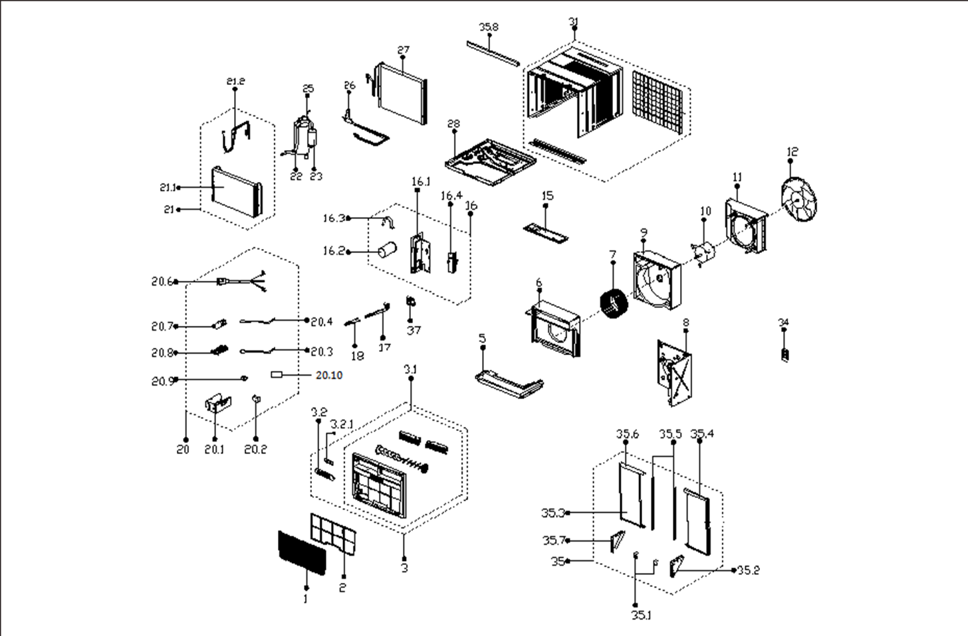
NO | PART NUMBER | PART DESCRIPTION (ENG) | QTY | PARTS SPECIFICATION | Notes
1 | 12120300A20029 | Panel | 1 | HIPS
2 | 12100204A00305 | Air filter | 1 | US1-KC53/N1Y-KB1(K2)-2
3 | 12120300A20030 | Panel frame assembly | 1 | HIPS
3.1 | 12120300A09296 | Panel frame assembly | 1 | HIPS | Special Order
3.2 | 17220300A13867 | Display box subassembly | 1 | US-KC45/N1Y-KB(J7)-[J].JD.WS.XS.XK1.3 | Special Order
3.2.1 | 17120300A02863 | Display board subassembly | 1 | UL1-KC53/Y-F3.JD.WS.XS.XS1.5 (MED )
5 | 12820300000025 | Condenser water tray | 1 | FR EPS | Special Order
6 | 12820300000136 | Foam, air outlet | 1 | FR EPS | Special Order
7 | 12100103000010 | centrifuge fan | 1 | LX-200*108*12.7-39N
8 | 12220300000575 | Front barrier board | 1 | Galvanized plate 1.0 | Special Order
9 | 12820300000033 | Rear volute shell | 1 | FR EPS | Special Order
10 | 11002012010342 | Fan motor | 1 | YKSS-140-6-3L
11 | 12120300000561 | Rear separating | 1 |  | Special Order
12 | 12100105000076 | Axial flow fan | 1 | ZL-396*102*12.7-5F
15 | 12220300000524 | Front cover | 1 | HIPS+White | Special Order
16 | 12220300000581 | Front left Boarding | 1 |  | Special Order
16.1 | 12220300001114 | Front left board assembly | 1 | Galvanized plate 0.6 | Special Order
16.2 | 17400103000053 | Capacitor of compressor | 1 | 45UF/450V-55-P2
16.3 | 12200203000029 | Capacitor clip | 1 | φ55 | Special Order
16.4 | 12220300000459 | Electronic heater box | 1 | ELUS1-KC75/N1Y-KG7(I8)-10 | Special Order
17 | 12120300002825 | Connect rod of fresh air door | 1 | HIPS
18 | 12120300001286 | Bracket of fresh air door | 1
20 | 17220300A09764 | Electronic control box | 1 | US1-KC53/N1Y-EKB(CK8).JD.WS.NK.DK1.29.2 | Special Order
20.1 | 12220300002959 | Electronic control box | 1 | ELUS1-KC53/N1Y-KG7(K2).3A | Special Order
20.2 | 17400101000076 | Capacitor of fan motor | 1 | 5UF/450V-P2
20.3 | 11201007000126 | Pipe Temperature Sensor | 1 | CGQ-WD/GW4100-L500-XAP2-P450
20.4 | 11201007000088 | Room Temperature Sensor | 1 | CGQ-WD/SW4100-L350-XHP2-P250
20.6 | 17401202000297 | Power cord subassembly | 1 | JLL301-14;AWG, 14 x 3;240V 15A
20.7 | 17120300A01918 | Main control board assembly | 1 | US1-KC53/N1Y-KB(K2).Z.JD.WS.NK.NK1.56.2
20.8 | 12120300003724 | Bracket of main control board | 1 |  | Special Order
20.9 | 11203103001313 | Linear Transformer | 1 | TF220-EI41-11.2/40-F2
20.10 | 17400609000018 | Anion generator | 1 | FLZ-01 or HB-320, IP:115VAC;50/60Hz,1W;OP:-2±0.3KV | Special Order
21 | 15820300002187 | Evaporator Assembly | 1 | ELUS1-KC53/N1Y-DKG10(K2)-F-D.ZL.1A | Special Order
21.1 | 15820300000419 | Evaporator | 1 | ELUS-KC45/N1Y-DKG10(K2)-F-D.ZL.1.1 | Special Order
21.2 | 15120300005182 | Capillary Subassembly | 1 | φ2.2*0.9*700 | Special Order
22 | 15120300001340 | Suction pipe assembly | 1 |  | Special Order
23 | 11103010002969 | Compressor | 1 | PA155M2A-3ETL1 | Special Order
25 | 15120300001056 | Discharge pipe assembly | 1 |  | Special Order
26 | 15120300001137 | Cooling coil assembly | 1 |  | Special Order
27 | 15820300000561 | Condenser Assembly | 1 | ELUS1-KC53/N1Y-DKG10(K2)-F-D.ZL.2 | Special Order
28 | 12220300000419 | Chassis Subassembly | 1 | Galvanized plate 1.0 | Special Order
31 | 12220300000837 | Cabinet subassembly | 1 | Galvanized plate 0.8 | Special Order
34 | 17317000A49950 | Remote controller | 1 | R09C/BGCE
35 | 12020300A00364 | Installation accessory | 1
35.1 | 12220300000536 | Installation Located Block | 2 |  | Special Order
35.2 | 12220300000927 | Support plate(right) | 1 |  | Special Order
35.4 | 12120300003225 | Window accordian assembly | 1 |  | Special Order
35.5 | 12120300003107 | Connecting bar of cabinet | 2 |  | Special Order
35.6 | 12120300003224 | Window accordian assembly | 1 |  | Special Order
35.7 | 12220300000933 | Left bracket | 1 |  | Special Order
35.8 | 12220300000896 | Top shutter frame | 1
37 | 12120300001264 | Bracket of fresh air door | 1

