PART CD
Danby Model: DAC145EB6WDB-6
Factory Model: MWJUK-14CRN8-BCK2
Effective Date: 2021-01-27
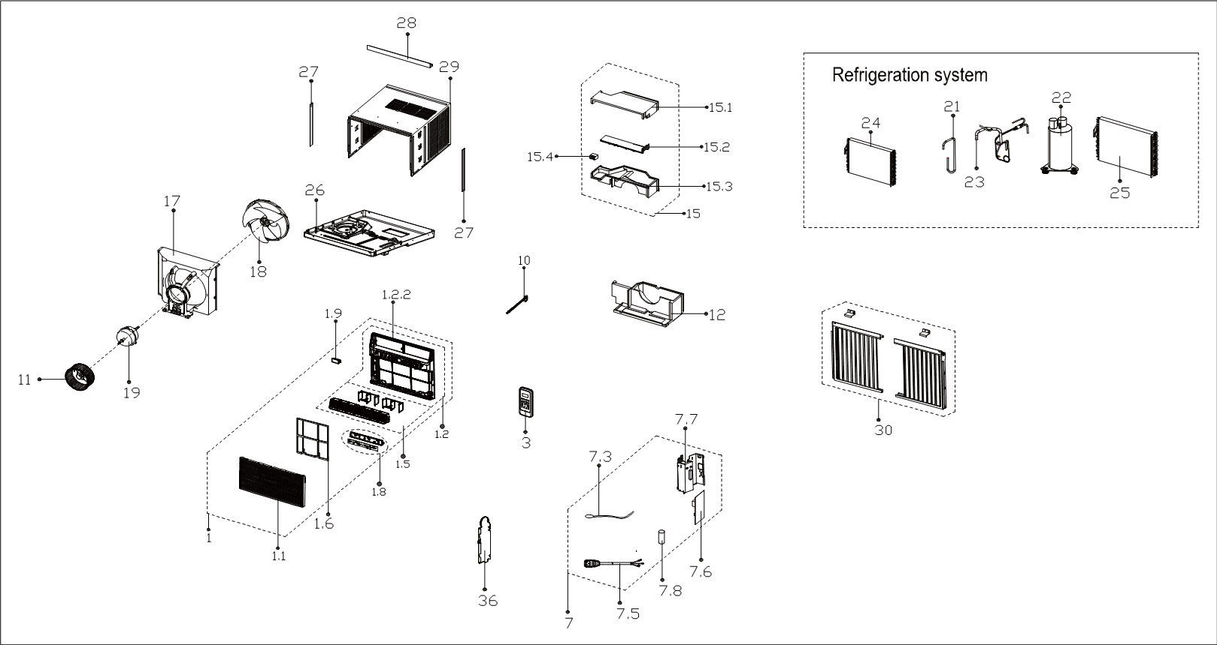
Revision: 00
NO | PART NUMBER | PART DESCRIPTION (ENG) | QTY | PARTS SPECIFICATION | Notes
1 | 12120300A27791 | Front panel assembly |  | ABS | Special Order
1.1 | 12120300A21693 | Panel |  | ABS
1.2 | 12120300A22527 | Front panel assembly |  | ABS | Special Order
1.2.2 | 12120300A22526 | Front panel assembly |  | ABS | Special Order
1.5 | 12120300A21700 | Panel frame assembly |  |  | Special Order
1.6 | 12120300A21712 | Air filter |  | US-KC35/N1Y-KBV.1-10A
1.8 | 17220300A17369 | Display box subassembly |  | UL-KC35/N1Y-KBV.JD.WS.XS.XK1.5A
1.9 | 17310900001961 | WIFI module subassembly |  | US-OSK103-1.JD.TY.MWL.NET
3 | 17317000A56560 | Remote controller |  | RG51G(1)/CEFU1
7 | 17220300A19827 | Electronic control box subassly |  |  | Special Order
7.3 | 11201007003446 | Room Temperature Sensor |  | CGQ-WD/SW4100-L350-XHBCP2BL-P300
7.5 | 17401202000044 | Power cord subassembly |  | 0651515LY or L15515 or L15515W
7.6 | 17120300003871 | Main control board subassembly |  | US-KC35/N1Y-KBWM.JD.WS.NK.NK1.8
7.7 | 12220300004518 | Cover of electronic control box |  |  | Special Order
7.8 | 17400104000795 | Capacitor of compressor |  | 70+15UF/250VAC
10 | 12120300004387 | Connecting rod of fresh air door |  | White
11 | 12100103000052 | Centrifuge fan |  | LX-203*77*12-40N
12 | 12820300000399 | Volute shell (below) |  |  | Special Order
15 | 12820300A00155 | Volute shell subassembly(above) |  |  | Special Order
15.1 | 12820300000459 | Volute shell (above) |  |  | Special Order
15.2 | 12120300A19607 | Wind baffle board |  |  | Special Order
15.3 | 12820300000499 | Volute shell (middle) |  |  | Special Order
15.4 | 12120300003165 | Bracket of fresh air door
17 | 12120300004268 | Rear barrier board subassembly |  |  | Special Order
18 | 12100105000032 | Axial flow fan |  | ZL-320*85*12-4F
19 | 11002012010280 | Single phase asynch. motor |  | YKTS-95-4-52L, 115V 60Hz
21 | 15120300006623 | Suction pipe assembly |  |  | Special Order
22 | 11103010019595 | Fixed Speed Rotary Compressor |  | KSM120E2VEZL | Special Order
23 | 15120300003984 | Discharge pipe assembly |  |  | Special Order
24 | 15820300003347 | Evaporator assembly |  | GEUS-KC43/N8Y-JKB13(CK2)-N.ZL.1 | Special Order
25 | 15820300001467 | Condenser Assembly |  | ELUS-KC35/N1Y-EKG7(CL0)-L.ZL.2 | Special Order
26 | 12220300A01403 | Chassis Assembly |  | White | Special Order
27 | 12120300005526 | Connecting bar of cabinet
28 | 12220300003501 | Top shutter frame subassembly |  | White
29 | 12220300A01414 | Cabinet assembly |  | White | Special Order
30 | 12020300000787 | Installation assembly
36 | 12220300001758 | Cover of electronic control box |  |  | Special Order

