PART CD
Danby Model: DAC120EB7WDB
Factory Model: MWHUK-12CRN8-BCL0
Effective Date: 12/12/2019
Revision: 00
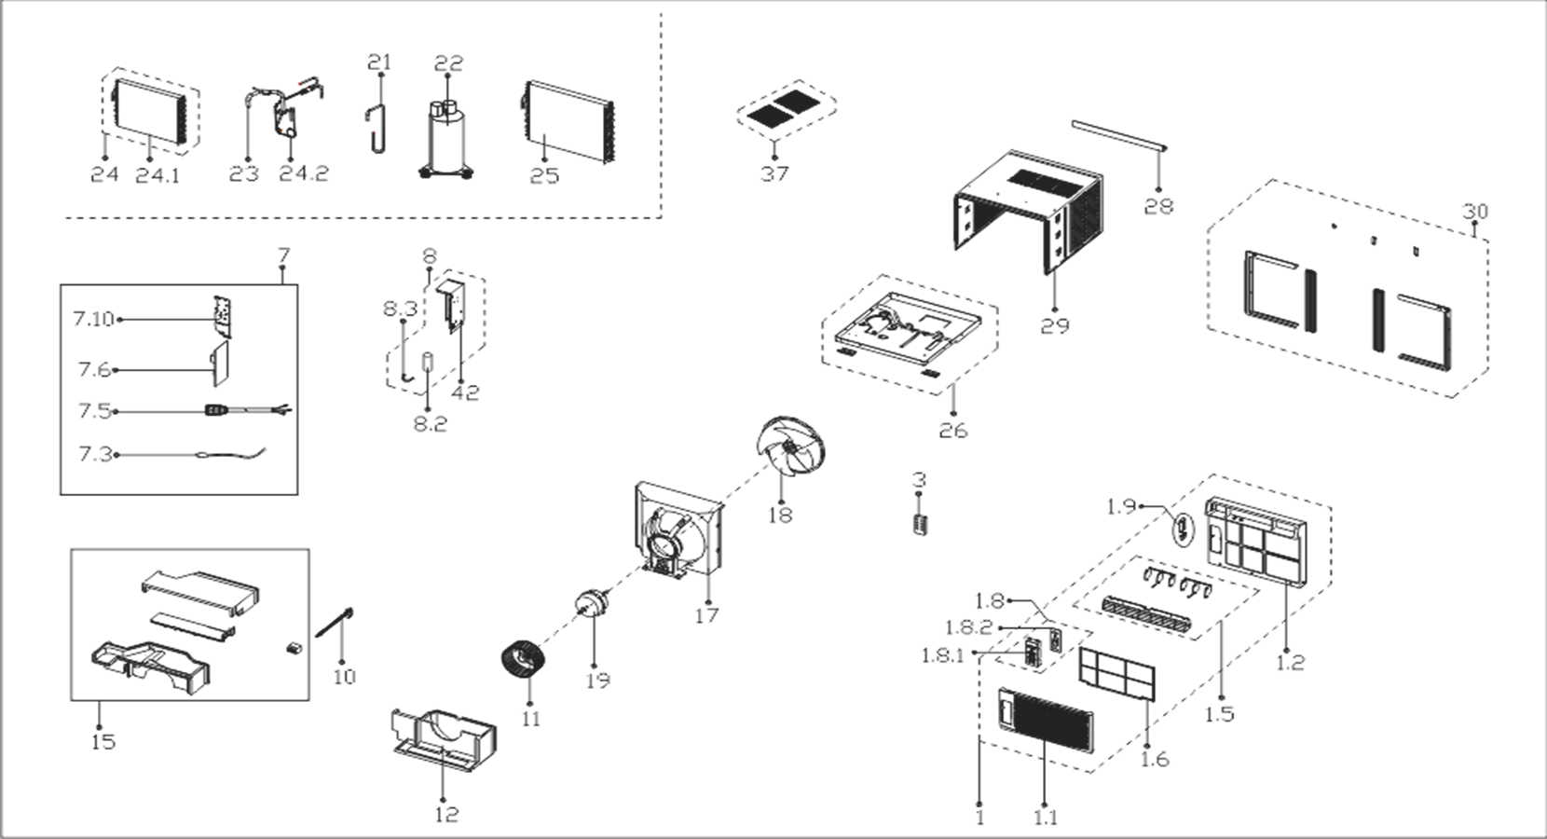
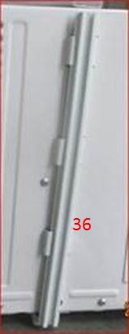
NO | PART NUMBER | PART DESCRIPTION (ENG) | QTY | PARTS SPECIFICATION | Notes
1 | 12120300A25189 | Front panel assembly | 1 | HIPS+ABS | Special Order
1.1 | 12120300A24288 | Panel | 1 | HIPS
1.2 | 12120300A24979 | Front panel assembly | 1 | ABS | Special Order
1.5 | 12120300A21700 | Panel frame assembly | 1 | HIPS | Special Order
1.6 | 12120300A21712 | Air filter | 1 | US-KC35/N1Y-KBV.1-10A
1.8 | 17220300A17369 | Display box subassembly | 1 | UL-KC35/N1Y-KBV.JD.WS.XS.XK1.5A | Special Order
1.8.1 | 12120300A02433 | Control panel subassembly | 1 | US-KC35/N1Y-KBV.1.3, B.1
1.8.2 | 17120300A01898 | Display board subassembly | 1 | US-KC35/N1Y-KBV.JD.WS.XS.XS1.5 | Special Order
1.9 | 17310900001961 | WIFI module subassembly |  | US-OSK103-1.JD.TY.MWL.NET WiFi-4004B-MJ-5-USB/56*23.5*7.9-FCC-S-JZ,5V,US
3 | 17317000A56560 | Remote controller | 1 | RG51G(1)/CEFU1
7 | 17220300A15909 | Electronic control box subassembly | 1 | US-KC30/N1Y-KB(I8).JD.WS.NK.DK1.10 | Special Order
7.3 | 11201007003446 | Room Temperature Sensor | 1 | CGQ-WD/SW4100-L350-XHBCP2BL-P300
7.5 | 17401202000044 | Power cord subassembly | 1 | 0651515LY or L15515 or L15515W
7.6 | 17120300003871 | Main control board subassembly | 1 | US-KC35/N1Y-KBWM.JD.WS.NK.NK1.8
7.10 | 12220300000494 | Cover of electronic control box | 1 |  | Special Order
8 | 17220300003653 | Electronic control box assembly | 1 | US-KC35/N8Y-HKB(CL0).JD.WS.NK.DQ1 | Special Order
8.2 | 17400104000795 | Capacitor of compressor | 1 | 70+15UF/250VAC
8.3 | 12200203000798 | Capacitor clip | 1 | Φ50 | Special Order
10 | 12120300004269 | Connecting rod of fresh air door | 1 | White | Special Order
11 | 12100103000052 | centrifuge fan | 1 | LX-203*77*12-40N
12 | 12820300000559 | Volute shell (below) | 1 |  | Special Order
15 | 12820300000560 | Volute shell subassembly(above) | 1 |  | Special Order
17 | 12120300004268 | Rear barrier board subassembly | 1 |  | Special Order
18 | 12100105000032 | Axial flow fan | 1 | ZL-320*85*12-4F
19 | 11002012010280 | Single phase asynchronous motor | 1 | YKTS-95-4-52L , 115V 60Hz
21 | 15120300005752 | Suction pipe assembly | 1 |  | Special Order
22 | 11103010015853 | Fixed Speed Rotary Compressor | 1 | KSM99E11VEZ | Special Order
23 | 15120300000971 | Discharge pipe assembly | 1 |  | Special Order
24 | 15820300002742 | Evaporator assembly | 1 | US-KC35/N8Y-HKB(CL0).ZL.1 | Special Order
24.1 | 15820300002743 | Evaporator | 1 | US-KC35/N8Y-HKB(CL0).ZL.1.1 | Special Order
24.2 | 15120300005747 | Capillary subassembly | 1 | φ2.2*0.9*700+φ2.2*0.9*600 | Special Order
25 | 15820300000626 | Condenser Assembly | 1 | ELUS-KC35/N1Y-DKG10(CK2)-F-D.ZL.2 | Special Order
26 | 12220300003499 | Chassis Assembly | 1 | White | Special Order
28 | 12220300003501 | Top shutter frame subassembly | 1 | White
29 | 12220300003498 | Cabinet assembly | 1 | White | Special Order
30 | 12020300000787 | Installation assembly | 1
42 | 12220300003500 | Electronic control box assembly | 1 | US-KC35/N8Y-HKB(CJ9).1 | Special Order
36 | 12120300005526 | Connecting bar of cabinet | 2 | optional bar for side shutter

