PART CD
Danby Model: DAC120BFCWDB
Factory Model: MWEUK-12CRN1-BCL0
Effective Date: 20/12/2017
Revision: 00
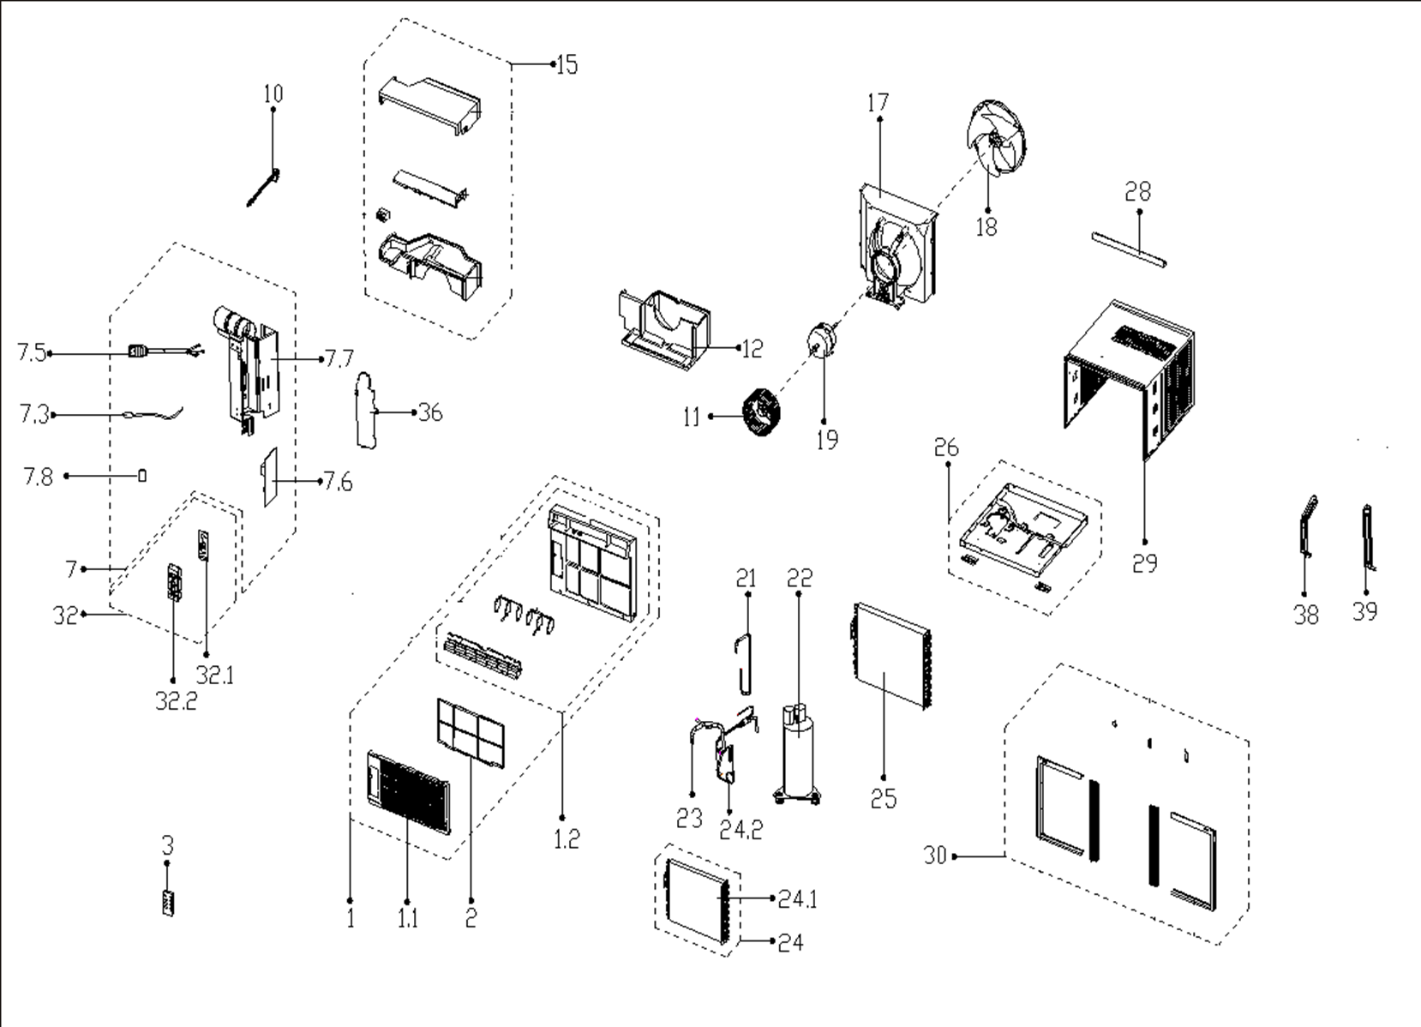
NO | PART NUMBER | PART DESCRIPTION (ENG) | QTY | PARTS SPECIFICATION | Notes
1 | 12120300A20067 | Front panel assembly | 1 | HIPS+ABS
1.1 | 12120300A06268 | Panel | 1 | ABS | Special Order
1.2 | 12120300A06263 | Panel frame assembly | 1 | HIPS | Special Order
2 | 12100204000539 | Air filter | 1 | UL-KC35/Y-F-19
3 | 17317000A49962 | Remote controller | 1 | RG09C1/BGCEF
7 | 17220300A05503 | Elec. control box subassly | 1 | US-KC35/N1Y-EKB(CL0).JD.WS.NK.DK1.4 | Special Order
7.3 | 11201007000088 | Room Temperature Sensor | 1 | CGQ-WD/SW4100-L350-XHP2-P250
7.5 | 17401202000109 | Power cord subassembly | 1 | 21301, JLL301-14;AWG, 14x 3;15A 1800W
7.6 | 17120300A00918 | Main control board subassembly | 1 | US-KC30/Y-FB(C2).JD.WS.NK.NK1.4
7.7 | 12220300001760 | Electronic control box | 1 | ELUS-KC35/N1Y-EKG7(CL0).2 | Special Order
7.8 | 17400104000023 | Combination capacitor | 1 | 70+15UF/250V-50-P2
10 | 12120300002384 | Connecting rod, fresh air door | 1 | White
11 | 12100103000052 | centrifuge fan | 1 | LX-203*77*12-40N
12 | 12820300000399 | Volute shell (below) | 1 |  | Special Order
15 | 12820300000339 | Volute shell (above) | 1 |  | Special Order
17 | 12120300002304 | Rear separating | 1 |  | Special Order
18 | 12100105000032 | Axial flow fan | 1 | ZL-320*85*12-4F
19 | 11002012010280 | Single-phase Asynchronous Moto | 1 | YKTS-95-4-52L , 115V 60Hz
21 | 15120300003983 | Suction pipe assembly | 1 |  | Special Order
22 | 11103010003049 | Fixed Speed Rotary Compressor | 1 | ASM100E11VEZ | Special Order
23 | 15120300003984 | Discharge pipe assembly | 1 |  | Special Order
24 | 15820300001468 | Evaporator assembly | 1 | ELUS-KC35/N1Y-EKG7(CL0)-L.ZL.1 | Special Order
24.1 | 15820300001469 | Evaporator | 1 | ELUS-KC35/N1Y-EKG7(CL0)-L.ZL.1.1 | Special Order
24.2 | 15120300003987 | Capillary subassembly | 1 | φ2.5*1.1*800+φ2.5*1.1*600 | Special Order
25 | 15820300001467 | Condenser Assembly | 1 | ELUS-KC35/N1Y-EKG7(CL0)-L.ZL.2 | Special Order
26 | 12220300001762 | Chassis Assembly | 1 | White | Special Order
28 | 12220300A00599 | Top shutter frame subassembly | 1 | White
29 | 12220300001998 | Cabinet assembly | 1 | White | Special Order
30 | 12020300000330 | Installation assembly | 1
32 | 17220300A13928 | Display box subassembly | 1 | UL-KC35/N1Y-KB(B4).JD.WS.XS.XK1.12-01 | Special Order
32.1 | 17120300A02844 | Display board subassembly | 1 | US-KC15/N1Y-KB(I7).JD.WS.XS.XS1.5
32.2 | 12120300002644 | Control panel | 1 | UL-KC18/Y-FB1(C2)-2A
36 | 12220300001758 | Cover-electronic control box | 1 |  | Special Order
38 | 12220300002259 | Fixing board (Left) | 1 |  | Special Order
39 | 12220300002258 | Fixing board (Left) | 1 |  | Special Order

