PART CD
Danby Model: DAC100B6IWDB-6
Factory Model: MWIUQB-10CRFN8-BCN10
Effective Date: 2021-03-25
Revision: 00
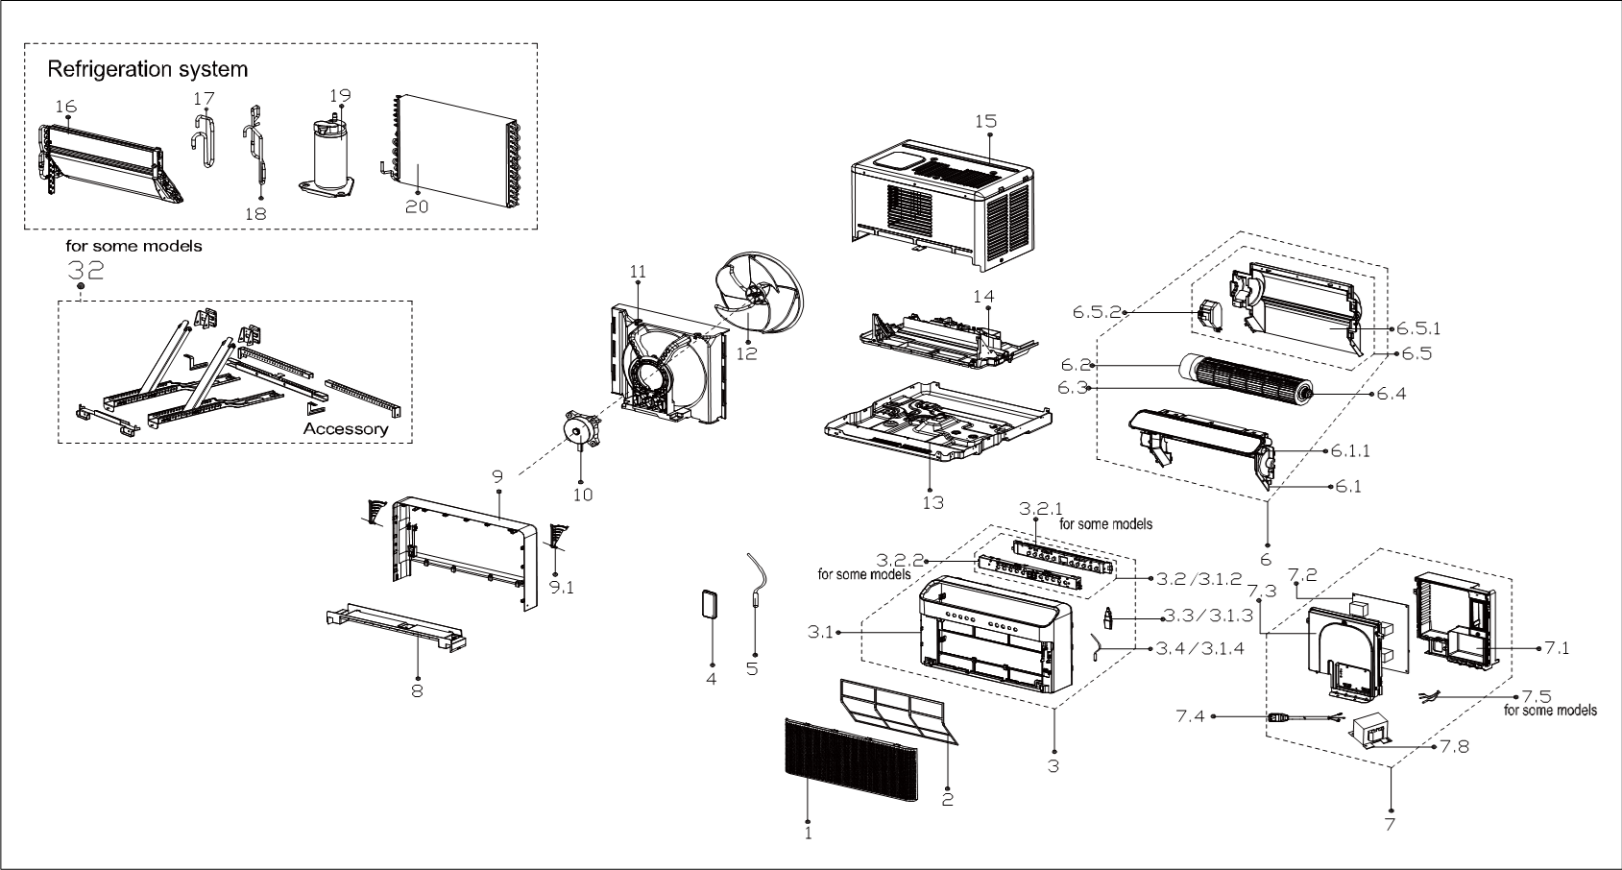
NO | PART NUMBER | PART DESCRIPTION (ENG) | QTY | PARTS SPECIFICATION | Notes
1 | 12120300A28052 | Panel | 1 | ABS
2 | 12120300005404 | Air filter | 1 | US-KC23/BP2N8Y-IQB(CN0).2.1-2
3 | 12120300A28067 | Panel frame assembly | 1 | HIPS | Special Order
3.1 | 12120300A28066 | Panel frame assembly | 1 | HIPS | Special Order
3.1.2 | 17220300A20527 | Display box subassembly | 1 | US-KC35/BP2N8Y
3.1.3 | 17310900001961 | WIFI module subassembly | 1 | US-OSK103-1.JD.TY, USB/56*23.5*7.9-FCC
3.1.4 | 11201007003424 | Room Temperature Sensor | 1 | CGQ-WD/SW4100-L350-XHBCP2BL-P300-HT1.0
4 | 17317000A61138 | Remote controller | 1 | RG10G2(D2)/BGEFU1
5 | 11201007003447 | Pipe Temperature Sensor | 1 | CGQ-WD/GW4100-L350-XACP2-P250
6 | 12120300005420 | Inner air passage assembly | 1 |  | Special Order
6.1 | 12120300005412 | Upper bracket of indoor volute Shell assembly | 1 |  | Special Order
6.1.1 | 11002010001107 | Stepper motor | 1 | SM-24-19-16-135
6.2 | 11002015000150 | Brushless DC Motor | 1 | ZKFP-13-8-4, 115V 60Hz
6.3 | 12100102000658 | Cross flow fan | 1 | GL-94*365-IN
6.4 | 12622000000131 | Bearing components | 1 |  | Special Order
6.5 | 12120300005411 | Base subassembly of volute shell | 1 |  | Special Order
6.5.1 | 12120300005485 | Rear volute shell | 1 |  | Special Order
6.5.2 | 12120300005304 | Electric box wire connection bottom board | 1 |  | Special Order
7 | 17220300004513 | Electronic control box subassembly | 1 |  | Special Order
7.1 | 12220300004139 | Electronic control box cover subassembly | 1 |  | Special Order
7.2 | 17120300004238 | Main control board subassembly | 1 | US-KC30W/BP3N8-IQB
7.3 | 12220300004138 | Electronic control box subassembly | 1 |  | Special Order
7.4 | 17401202000109 | Power cord subassembly | 1 | 0651515LY or L15515 or L15515W, 15W
7.5 | 11201007004687 | Complied temperature sensor | 1 | CGQ-ZH-GW/SW/PQ-L850-XH-P700
7.8 | 17400306001263 | Reactor | 1 | R1503(AL)
8 | 12120300005684 | Rear panel assembly | 1 | Metal,HIPS | Special Order
9 | 12120300005413 | Rear panel assembly | 1 | HIPS | Special Order
9.1 | 12120300005415 | locked button | 2 |  | Special Order
10 | 11002015011468 | Brushless DC Motor | 1 | ZKFN-20-8-1-1, 115V 60Hz
11 | 12120300005504 | Rear barrier board subassembly | 1 | Metal,HIPS | Special Order
12 | 12100105000921 | Axial flow fan | 1 | ZL-310(280)*80*8-4KFN
13 | 12220300004099 | Chassis assembly | 1 |  | Special Order
14 | 12120300005419 | Condenser water tray | 1 |  | Special Order
15 | 12220300004098 | Cabinet assembly | 1 |  | Special Order
16 | 15820300003067 | Evaporator assembly | 1 | US-KC30/BP2N8Y-IQB(CN10).ZL.1 | Special Order
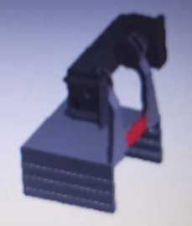
17 | 15120300006216 | Suction pipe assembly | 1 |  | Special Order | 33
18 | 15120300006214 | Discharge pipe assembly | 1 |  | Special Order
19 | 11103020000279 | DC Inverter Rotary Compressor | 1 | KSK89D53UEZ | Special Order
20 | 15820300003122 | Condenser Assembly | 1 | US-KC30/BP2N8Y-IQB(CN10).ZL.3 | Special Order
32 | 12020300000887 | Installation accessory | 1
33 | 12120600005743 | Sealing part | 2

