PART CD
Danby Model: DAC100B5WDB
Factory Model: MWHUKBE-10CRN8-BCL0N
Effective Date: 16/01/2019
Revision: 00
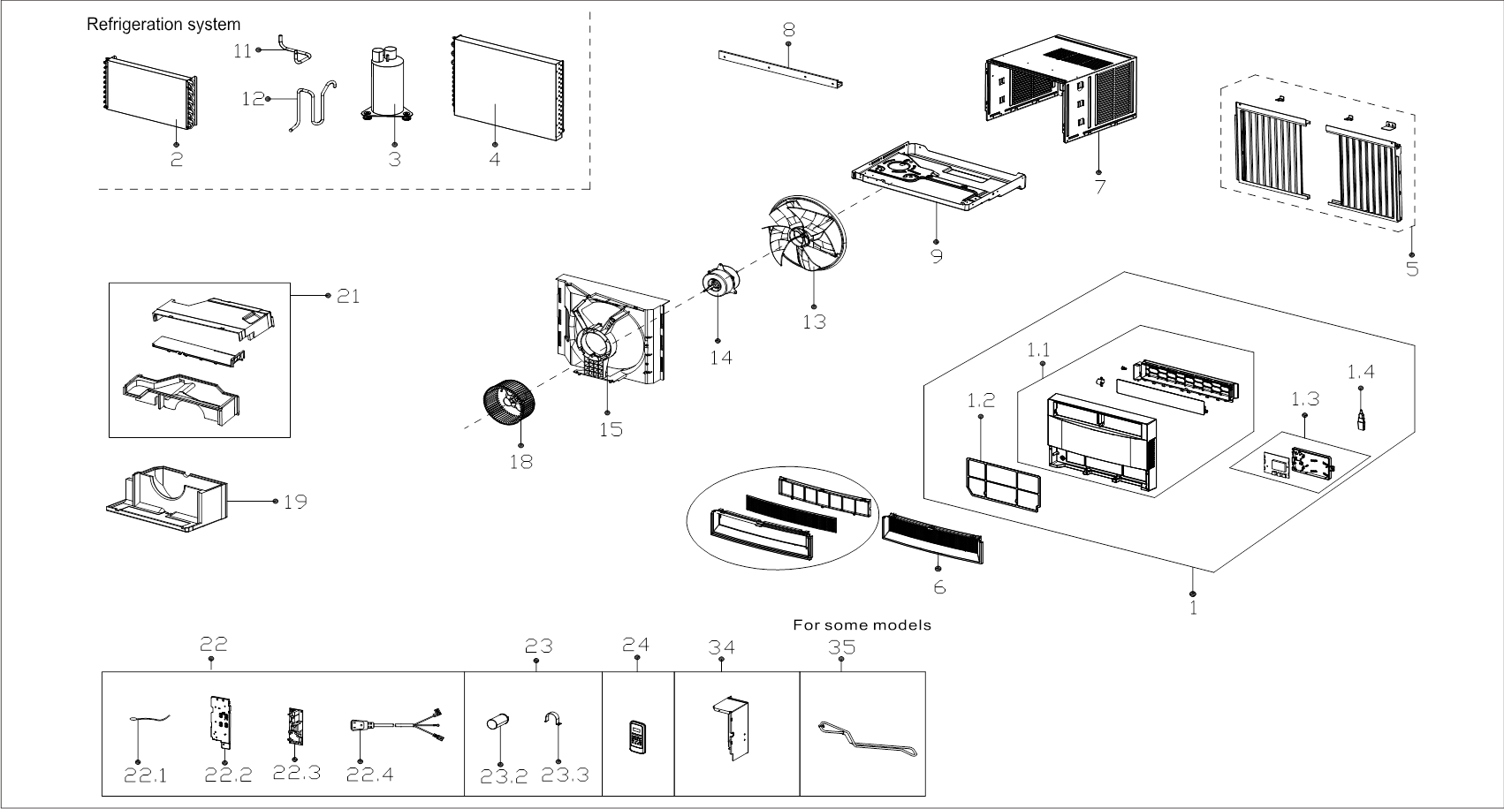
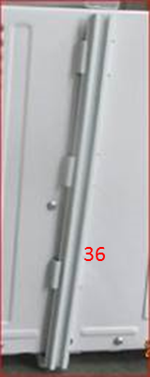
NO | PART NUMBER | PART DESCRIPTION (ENG) | QTY | PARTS SPECIFICATION | Notes
1 | 12120300A22735 | Front panel assembly | 1 | HIPS
1.1 | 12120300A22733 | Panel | 1 | HIPS | Special Order
1.2 | 12120300001689 | Air filter | 1 | US-KC35/N1Y-DKBE(CK2)-N-4
1.3 | 17220300003890 | Display box subassembly | 1 | US-KC30/N1Y-DKBE(CK2)-N.JD.WS.XS.XK1.3
1.4 | 17310900A00081 | WIFI module subassembly | 1 | CE-OSK103.JD.TY.BFQ.ZNZD | Special Order
2 | 15820300002703 | Evaporator assembly | 1 | US-KC30/N8Y-HKB(CL0).ZL[AL].1 | Special Order
3 | 11103010014611 | Fixed Speed Rotary Compressor | 1 | KSN78E11VBZC1 | Special Order
4 | 15820300002705 | Condenser Assembly | 1 | US-KC30/N8Y-HKB(CL0).ZL[AL].2 | Special Order
5 | 12020300A02164 | Installation assembly | 1
6 | 12120300A21691 | Front panel assembly | 1 | Metal
7 | 12220300003498 | Cabinet assembly | 1 | White | Special Order
8 | 12220300003501 | Top shutter frame subassembly | 1 | White
9 | 12220300003499 | Chassis Assembly | 1 | White | Special Order
11 | 15120300005708 | Suction pipe assembly | 1 |  | Special Order
12 | 15120300001000 | Discharge pipe assembly | 1 |  | Special Order
13 | 12100105000032 | Axial flow fan | 1 | ZL-320*85*12-4F
14 | 11002012010280 | Single-phase Asynchronous Moto | 1 | YKTS-95-4-52L , 115V 60Hz
15 | 12120300004268 | Rear barrier board subassembly | 1 |  | Special Order
18 | 12100103000052 | centrifuge fan | 1 | LX-203*77*12-40N
19 | 12820300000559 | Volute shell (below) | 1 |  | Special Order
21 | 12820300000579 | Volute shell subassly.(above) | 1 |  | Special Order
22 | 17220300003892 | Elec. control box subassly. | 1 | US-KC30/N1Y-KB(I8).JD.WS.NK.DK1.10 | Special Order
22.1 | 11201007003446 | Room Temperature Sensor | 1 | CGQ-WD/SW4100-L350-XHBCP2BL-P300
22.2 | 12220300000494 | Cover of electronic control box | 1 |  | Special Order
22.3 | 17120300003848 | Main control board subassembly | 1 | US-KC35/N1Y-KBE.JD.WS.NK.NK1.5
22.4 | 17401202000109 | Power cord subassembly | 1 | 0651515LY,Style 21301,14x3A15,W1800
23 | 17220300003630 | Electronic control box assly. | 1 | ELUS-KC30/N1Y-KG10(J8)-D.D.04.DQ1.4A | Special Order
23.2 | 17400104000765 | Capacitor of compressor | 1 | 50+15uF/250VAC
23.3 | 12200203000798 | Capacitor clip | 1 | Φ50 | Special Order
24 | 17317000A53530 | Remote controller | 1 | RG57J2(B)/BGCEU1
34 | 12220300003500 | Electronic control box assly. | 1 | US-KC35/N8Y-HKB(CJ9).1 | Special Order
35 | 15120300003885 | Cooling coil assembly | 1 |  | Special Order
36 | 12120300005526 | Connecting bar of cabinet | 2 | optional bar for side shutter

